Cooling Towers
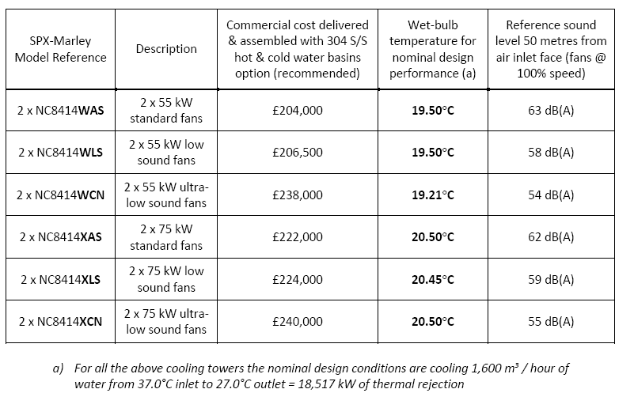
 |  | Lw | Lp | Calculated at 50 m hemi | Declared at 50 m | CTF at 4 m height
 |  |  |  | dBA | dBA
 | Lw1 | 105 | Lp1= | 63.0 | 63 | 57.1
 | Lw2 | 101 | Lp2= | 59.0 | 58 | 54.8
 | Lw3 | 96 | Lp3= | 54.0 | 54 | 53.3

 |  |  |  | L | W | H
SPL at 0,5m | 89 |  |  | 1.5 | 1 | 1.5
 |  |  |  | 2.5 | 2 | 2 | 23 | 13.61727836
Lw | 102.61727836

 | Lp, 330 m | 42.629721202

