Rev 1
 |  |  |  |  |  |  |  | Oridginally developed for Messer
Cells | 10,000 | ton/yr/shift target
 | 4 | ton/hr design throughput |  |  | 3630 | Kg/Hr
 |  | 2500 | Operating hrs/yr
 | 9,074,410 | Kg/Yr
 | 11% | Solvent
 | 25% | batteries have solvent decomposition products

 | N2 | 30 | ft³/min | per ton/hr design
 |  | 0.0725 | lbs/ft³
 |  | 0.03 | Kg/ft³

 | N2 blanket | 148,026 | Kg/Yr |  |  |  |  | N2 | 203,881 | L/Hr | 204 | M³/Hr

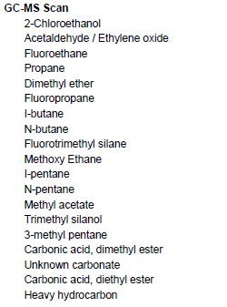
 |  |  |  |  |  |  |  |  |  | 1 | ATM
 |  |  |  |  |  |  |  |  | PV=nRT | 100 | T
 |  |  |  |  |  |  |  |  | 30.525204
 |  |  |  |  | Kg/yr | Kg/Hr | Mol wt (g/mol) | moles/hr | Volume (L)
 |  |  | 1.05 |  | 2,620 | 1.0480943739 | 80.52 | 13.016571956 | 397
 |  |  | 37.92 |  | 94,628 | 37.851179673 | 44.05 | 859.27763163 | 26230
 |  |  | 0.3 |  | 749 | 0.29945553539 | 48.06 | 6.2308684018 | 190
 |  |  | 5.15 |  | 12,852 | 5.1406533575 | 44.1 | 116.56810335 | 3558
 |  |  | 1.19 |  | 2,970 | 1.1878402904 | 46.07 | 25.783379431 | 787
 |  |  | 0.41 |  | 1,023 | 0.40925589837 | 62.09 | 6.5913335218 | 201
 |  |  | 0.59 |  | 1,472 | 0.5889292196 | 58.12 | 10.132987261 | 309
 |  |  | 3.14 |  | 7,836 | 3.1343012704 | 58.12 | 53.928101693 | 1646
 |  |  | 3.4 |  | 8,485 | 3.3938294011 | 92.19 | 36.813422292 | 1124
 |  |  | 0.32 |  | 799 | 0.31941923775 | 60.1 | 5.3147959692 | 162
 |  |  | 0.26 |  | 649 | 0.25952813067 | 72.15 | 3.5970634882 | 110
 |  |  | 0.57 |  | 1,422 | 0.56896551724 | 72.15 | 7.8858699548 | 241
 |  |  | 0.5 |  | 1,248 | 0.49909255898 | 74.08 | 6.7372105694 | 206
 |  |  | 0.16 |  | 399 | 0.15970961887 | 90.2 | 1.7706166172 | 54
 |  |  | 0.12 |  | 299 | 0.11978221416 | 86.18 | 1.3899073353 | 42
 |  |  | 34.84 | Solvent | 86,942 |  | -
 |  |  | 9.63 | Solvent | 24,031 |  | -
 |  |  | 0.19 | Solvent | 474 |  | -
(crude oil) |  |  | 0.25 |  | 624 | 0.24954627949 | 230 | 1.0849838239 | 33

 | Decomp products |  |  |  | 138,074 | 55.2 |  |  | 35,291 | L/Hr | 35 | M³/Hr

 | Solvent (from damaged) |  |  |  | 111,447
 | Solvent (good batteries) |  |  |  | 748,639 | Kg/hr | MW | Mol/hr | ideal gas law
 | Solvent subtotal |  |  |  | 860,086 | 344.03448276 | 90.08 | 3819.2105102 | 116,582 | L/Hr | 117 | M³/Hr

 | water vapor
 | Dewater screen | 5%
 | drying auger output | 0%
 |  | 403811.25227 | Kg/yr water vapor |  |  | 161.52450091 | 18.02 | 8963.6238017 | 273,616 | L/Hr | 274 | M³/Hr

 |  | 162 | L/Hr water loss |  |  |  |  |  | Leakage | 15% | 94 | M³/Hr

 |  |  |  |  |  |  |  |  |  |  | 724 | M³/Hr | Total

Recovered Solvent
Li ion battery electrolyte degradation of field tested EV battery cells a comprehensive analytical study
10.1016/j.jpowsour.19.227370

Section 3.1.1
Fig 3
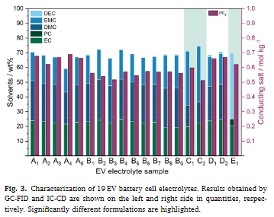

 |  | 16 | 2 | 1 | Sigma aldrich SDS
Section 3.1.1 |  |  | C1, C2 | E1 | ρ | Tm | TB | TF
 | DMC | 25±2 | 14.5 |  | 1.069 | 2 | 90 | 16
 | EMC | 20±2 | 37.4 |  | 1.01 | -55 | 101 | 23.9
 | DEC | 0.70% |  | 45 | 0.975 | -43 | 126 | 25
 | EC | 19-25% |  |  | 1.321 | 35 | 243 | 143
 | PC |  |  | 4.5 | - | -55 | 240 | 132

120 | Drying auger operating temp ©

 |  | 56% | DMC
 |  |  | 28% | DMC
 |  | 52%

 | DMC | 429 | 49%
 | EMC | 395 | 45%
 | DEC | 58 | 7%
 |  | 881

