Backup Gen & Fire pumps
Measurements across site |  | All measurements 1 metre from source or weakest facade area (doors / shutters / windows / louvres etc) unless otherwise stated

Area | Item | No. | ID | Date | Time | Duration | LAFmax | LAeq | L10 | L90 | Notes / DNS
Backup generator & fire water pump area | Fire fighting water pumps - Electric pump (South) | 1 | L620 | 26/03/2026 | 9:50:50 | 1 minute | 80.2 | 78.73 | 79.7 | 77.5 | Dominant noise source - double door access - one door left open to simulate worst case | One pump in operation at one time - no access to north side of unit
 | Fire fighting water pumps - Electric pump (East) | 2 | L621 | 26/03/2026 | 9:52:04 | 1 minute | 74.14 | 73.01 | 73.8 | 72.1 | Dominant noise source - one door left open - measurement taken 1m from east louvre
 | Fire fighting water pumps - Electric pump (West) | 3 | L622 | 26/03/2026 | 9:53:22 | 1 minute | 76.38 | 74.69 | 75.6 | 74 | Dominant noise source / some RTN from Cowpen Lane - one door left open - measurement taken 1m from west louvre
 | Fire fighting water pumps - Diesel pump (South) | 4 | L623 | 26/03/2026 | 9:56:46 | 1 minute | 96.51 | 95.29 | 95.9 | 94.3 | Dominant noise source - double door access - one door left open to simulate worst case | One pump in operation at one time - no access to north side of unit
 | Fire fighting water pumps - Diesel pump (East) | 5 | L624 | 26/03/2026 | 9:57:54 | 1 minute | 97.58 | 96.56 | 96.9 | 96 | Dominant noise source - one door left open - measurement taken 1m from east louvre
 | Fire fighting water pumps - Diesel pump (West) | 6 | L625 | 26/03/2026 | 09:59 | 1 minute | 91.81 | 90.67 | 91.6 | 89.6 | Dominant noise source - one door left open - measurement taken 1m from west louvre
 | Diesel backup generator (West) | 7 | L626 | 26/03/2026 | 10:03:00 | 1 minute | 90.99 | 89.01 | 89.9 | 88 | Dominant noise source - measurement taken 1m from west louvres | Only diesel generator running - no access to south side of unit
 | Diesel backup generator (East) | 8 | L627 | 26/03/2026 | 10:04:28 | 1 minute | 88.68 | 86.85 | 87.9 | 85.1 | Dominant noise source - measurement taken 1m from east louvre
 | Diesel backup generator (North) | 9 | L628 | 26/03/2026 | 10:06:12 | 1 minute | 84.67 | 83.05 | 84 | 82 | Dominant noise source - measurement taken 1m from north louvres
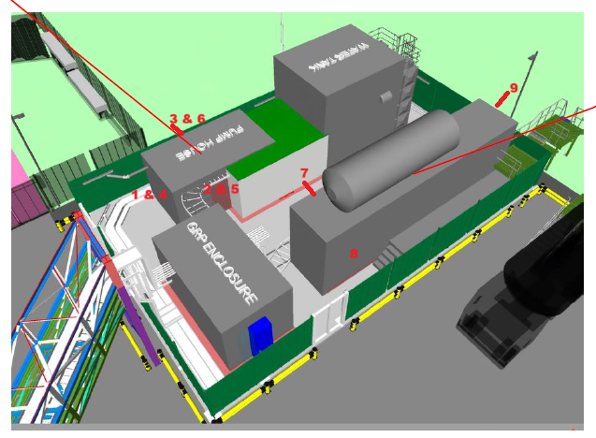
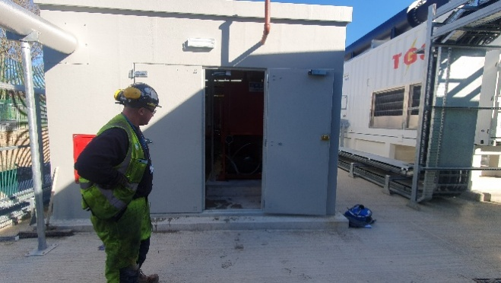
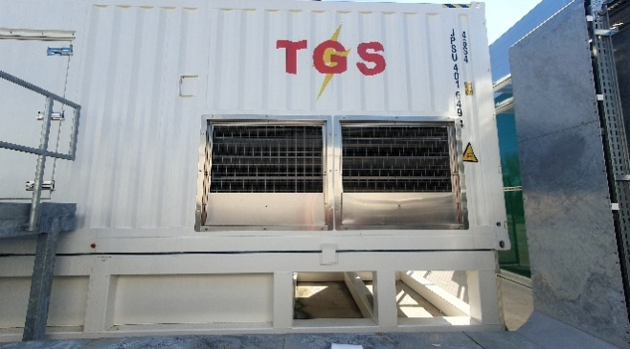
 |  |  |  |  | 1 & 4 |  |  |  |  | 7

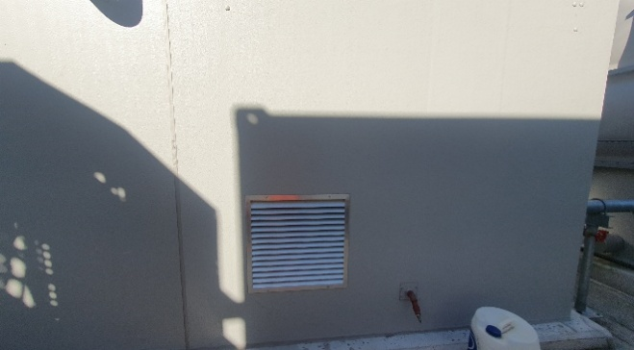
 |  |  |  |  | 2 & 5 |  |  |  |  | 8 | Missing

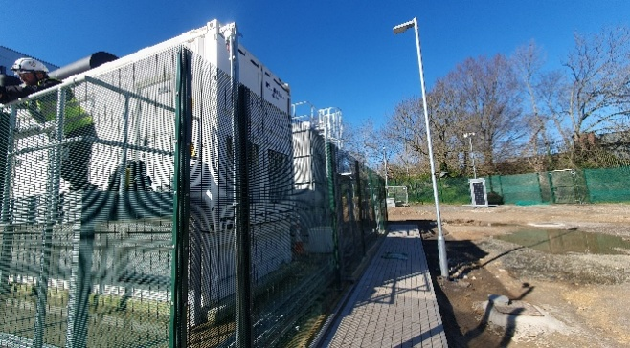
 |  |  |  |  |  |  |  |  |  | 9

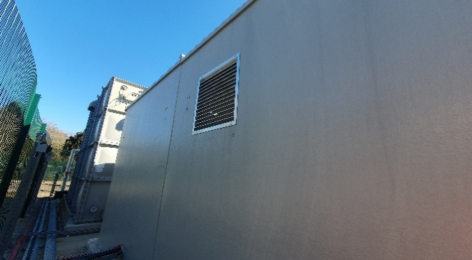
 |  |  |  |  | 3 & 6

Weather:
11oC, sunny, clear, dry |  |  | SLM | Svantek 971 - SN: 111622 |  | SLM cal expiry: 23/05/2026 |  | Cert: UCRT24/1777
Wind: up to 0.4ms in places |  |  | Calibrator | Rion NC-75 - SN: 34391438 |  | Cal cal expiry: 29/07/2026 |  | Cert: CE-REP-10992

Northern Facade
Measurements across site |  | All measurements 1 metre from source or weakest facade area (doors / shutters / windows / louvres etc) unless otherwise stated

Area | Item | No. | ID | Date | Time | Duration | LAFmax | LAeq | L10 | L90 | Notes / DNS |  |  | 634 : Total results
Northern Façade | Transformer room (internal) | 10 | L629 | 26/03/2026 | 10:12:00 | 1 minute | 68.44 | 63.21 | 64.2 | 62.1 | Dominant noise source - reverberant level uniform throughout space
 | Transformer room (external - 1m from door & façade) | 11 | L630 | 26/03/2026 | 10:15:00 | 1 minute | 76.08 | 61.67 | 63.7 | 56.5 | Internal noise inaudible - road traffic noise from Cowpen Lane dominant |  |  |  |  |  |  | P1 (A, Fast) | P1 (A, Lin) | P1 (A, Lin) | P1 (A, Lin)
 | LV Switch room (internal) | 12 | L631 | 26/03/2026 | 10:20:00 | 1 minute | 77.65 | 56.61 | 57 | 44.5 | Dominant noise source - reverberant level uniform throughout space |  |  |  |  |  |  | LAFmax (SR) [dB] | LAeq (SR) [dB] | LAeq Histogram (SR) [dB] | LAeq Histogram (SR) [dB]
 | LV Switch room (external - 1m from door & façade) | 13 | L632 | 26/03/2026 | 10:22:00 | 1 minute | 78.17 | 57.08 | 56.1 | 46.4 | Internal noise inaudible - road traffic noise from Cowpen Lane dominant |  |  | No. | Start date & time | Duration | Name |  |  | L10 | L90
 | Compressor room (internal) | 14 | L633 | 26/03/2026 | 10:27:00 | 1 minute | 64.52 | 54.61 | 55.9 | 51.6 | Dominant noise source - reverberant level uniform throughout space |  |  | 1 | 26/03/2026 10:30:18.000 | 00:01:00.000 | Integration period 1 m | 68.58 | 53.77 | 55.4 | 49.3
 | Compressor room (external - 1m from louvres) | 15 | L634 | 26/03/2026 | 10:30:00 | 1 minute | 68.58 | 53.77 | 55.4 | 49.3 | Internal noise inaudible - road traffic noise from Cowpen Lane dominant
 | Cold water distribution tanks & pumps | 16 | Unable to be manually operated due to current operational condition |  |  |  |  |  |  |  | With no internal or external measurements done , photo of pump manufacturer taken |  | Grundfos CRIE 15-3 A-FGJ-A-E-HQQE
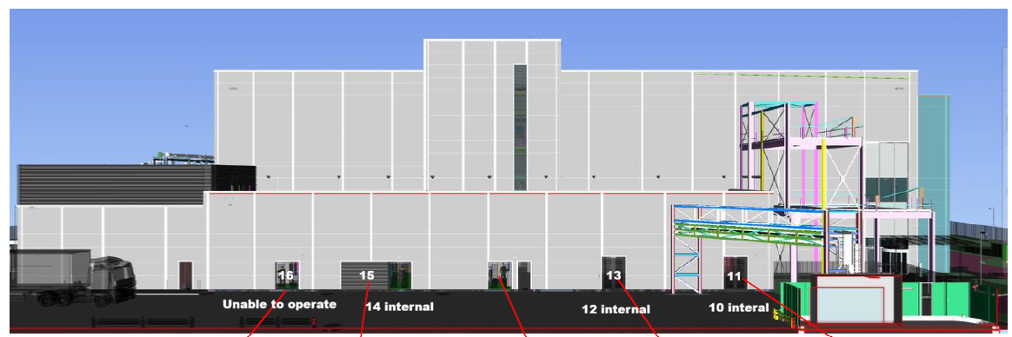
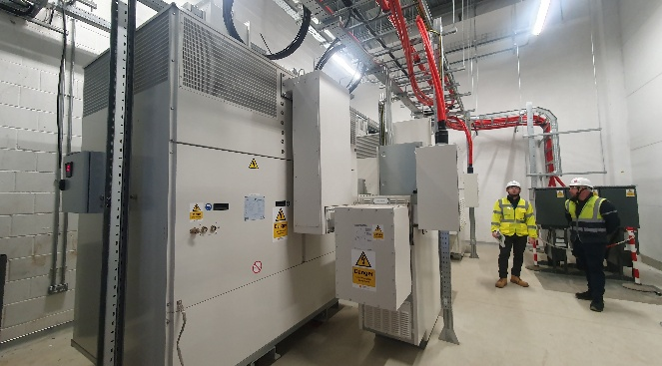
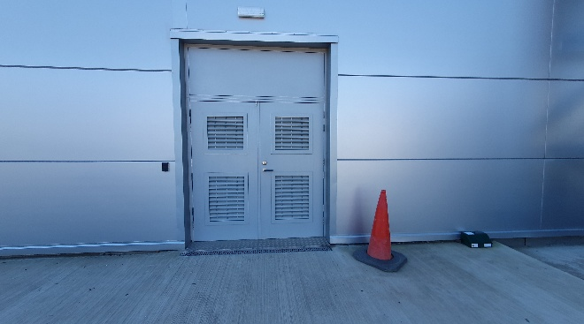
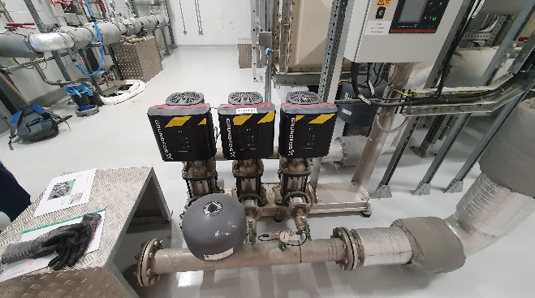
 |  |  |  |  | 10 |  |  |  |  | 13 |  | 16

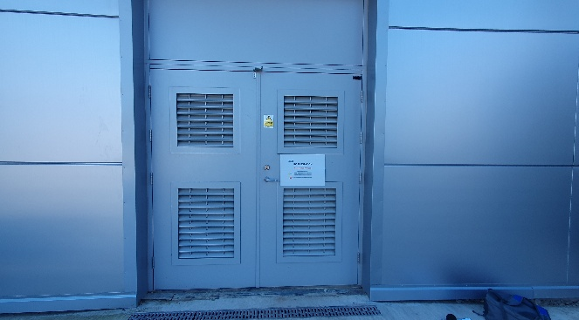
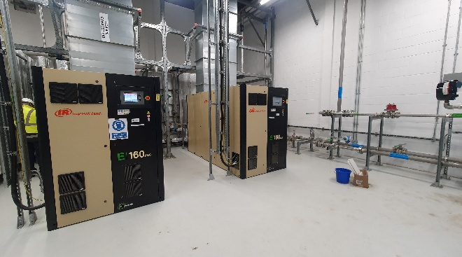
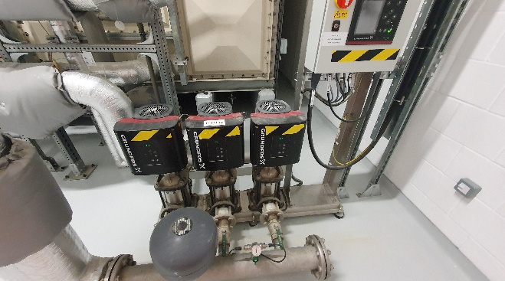
 |  |  |  |  | 11 |  |  |  |  | 14 |  | 16

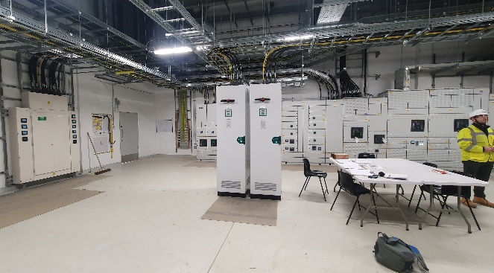
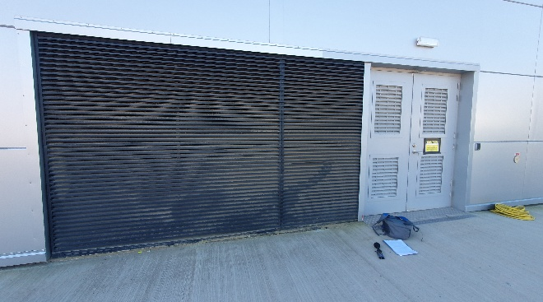
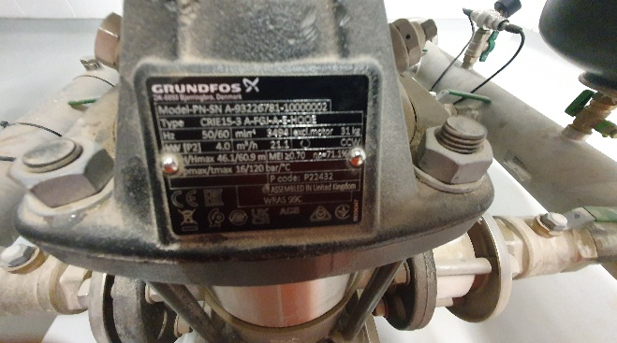
 |  |  |  |  | 12 |  |  |  |  | 15 |  | 16

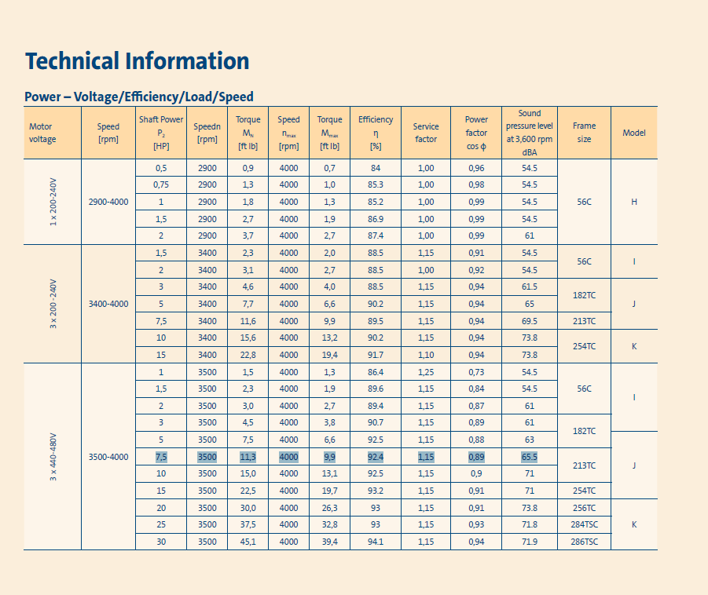
Weather: |  |  |  |  |  |  |  |  |  |  |  | 16A
11oC, sunny, clear, dry |  |  | SLM | Svantek 971 - SN: 111622 |  | SLM cal expiry: 23/05/2026 |  | Cert: UCRT24/1777
Wind: up to 2.3ms in places |  |  | Calibrator | Rion NC-75 - SN: 34391438 |  | Cal cal expiry: 29/07/2026 |  | Cert: CE-REP-10992

Segregated Waste Pit
Measurements across site |  | All measurements 1 metre from source or weakest facade area (doors / shutters / windows / louvres etc) unless otherwise stated

Area | Item | No. | ID | Date | Time | Duration | LAFmax | LAeq | L10 | L90 | Notes / DNS
Segregated Waste Pit | Extract vents & relief lines (west) | 17 | L638 | 26/03/2026 | 10:59:00 | 1 minute | 68.26 | 65.35 | 67.2 | 59.1 | Extract vent dominant with some external site noise present | Only 1 vent measured. Unable to complete orientation of vent as platfom had wet paint. Other vent similar in noise character and amplitude. Relief line not audible (green curve) | Vent-Axia RCZ300
 | Extract vents & relief lines (north) | 18 | L639 | 26/03/2026 | 11:01:00 | 1 minute | 72.87 | 68.41 | 69.7 | 66.1 | Extract vent dominant with some external site noise present
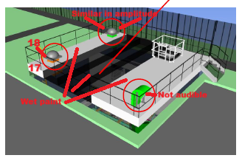
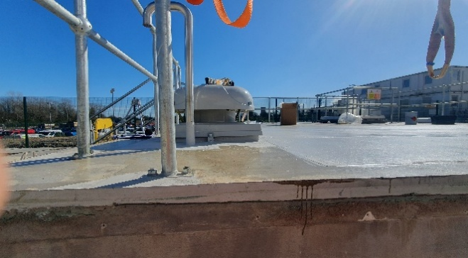
 |  |  |  |  | 17

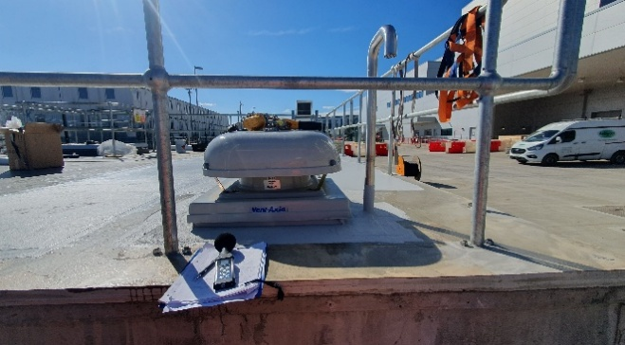
 |  |  |  |  | 18

Weather:
12oC, sunny, clear, dry |  |  | SLM | Svantek 971 - SN: 111622 |  | SLM cal expiry: 23/05/2026 |  | Cert: UCRT24/1777
Wind: up to 1.4ms in places |  |  | Calibrator | Rion NC-75 - SN: 34391438 |  | Cal cal expiry: 29/07/2026 |  | Cert: CE-REP-10992

Liquid Waste Building
Measurements across site |  | All measurements 1 metre from source or weakest facade area (doors / shutters / windows / louvres etc) unless otherwise stated

Area | Item | No. | ID | Date | Time | Duration | LAFmax | LAeq | L10 | L90 | Notes / DNS
Liquid Waste Building | Internal waste pumps | 19 | L636 | 26/03/2026 | 10:47:00 | 1 minute | 69.9 | 68.38 | 70 | 65.5 | Dominant noise source - reverberant level uniform throughout space
 | AHU fresh air inlet & vent / grille (external south façade) | 20 | Nothing audible - site noise and RTN dominant |  |  |  |  |  |  |  | No noise audible - site noise and road traffic noise from Cowpen Lane dominant
 | Roof relief vents / extract fan discharge (10m away) | 21 | L641 | 26/03/2026 | 12:46:00 | 1 minute | 67.08 | 56.51 | 58.9 | 51.7 | No noise audible - road traffic noise from Cowpen Lane dominant | 3B boom platform unable to track over north façade ground, therefore measurements taken from south roof area
 | Roof relief vents / extract fan discharge (5m away) | 22 | L642 | 26/03/2026 | 12:48:00 | 1 minute | 70.57 | 52.85 | 55.5 | 47.9 | No noise audible - road traffic noise from Cowpen Lane dominant
 | AHU Exhaust | 23 | L643 | 26/03/2026 | 12:49:00 | 1 minute | 74.97 | 55.67 | 56.1 | 50.5 | Minimal noise - Road traffic noise from Cowpen Lane dominant
 | DX cooling unit to rear | 24 | Unable to be manually operated due to current operational building condition |  |  |  |  |  |  |  | Photo of unit manufacturer taken for source data - Daikin Sky Air R32 Alpha
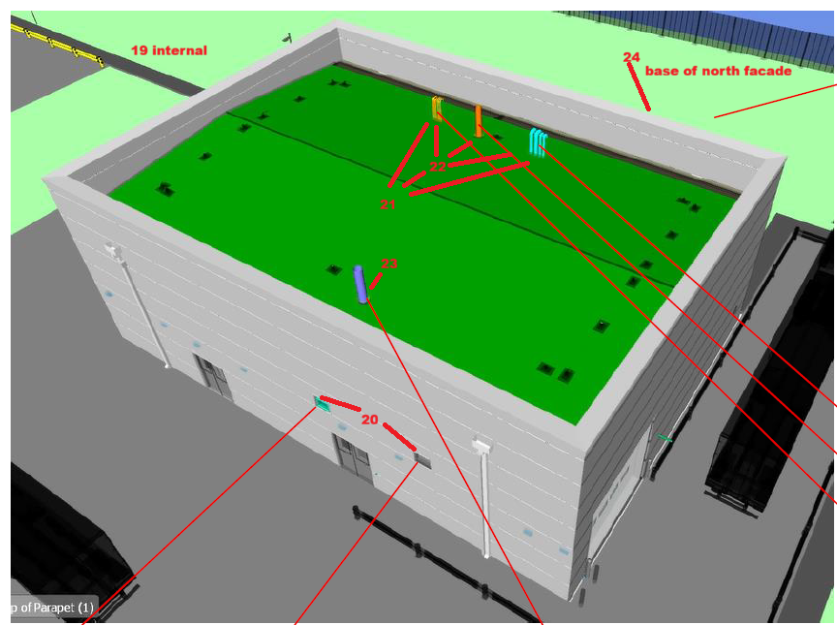
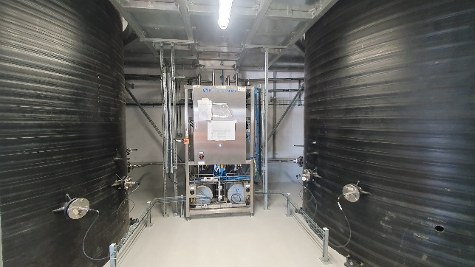
 |  |  |  |  | 19 |  |  |  |  | 22 | missing
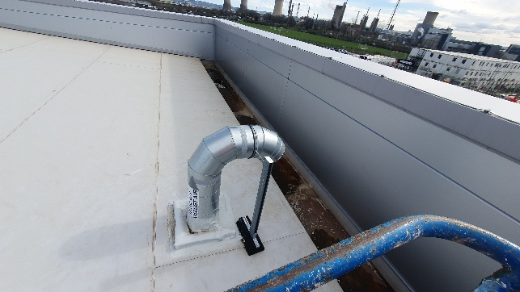
 |  |  |  |  |  |  |  |  |  | 23

 |  |  |  |  | 20 | Missing

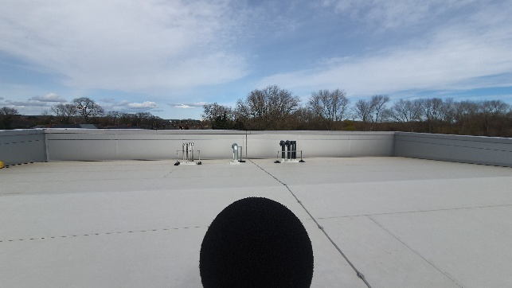
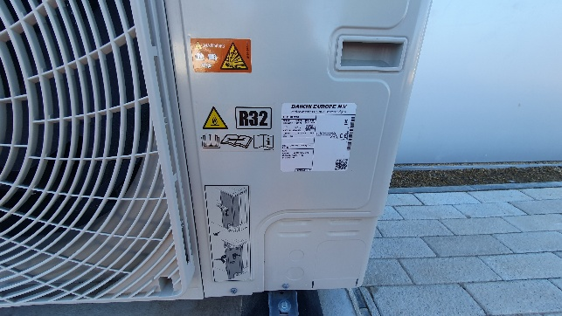
 |  |  |  |  | 21 |  |  |  |  | 24

Weather:
12oC, sunny, clear, dry |  |  | SLM | Svantek 971 - SN: 111622 |  | SLM cal expiry: 23/05/2026 |  | Cert: UCRT24/1777
Wind: up to 1.7ms in places |  |  | Calibrator | Rion NC-75 - SN: 34391438 |  | Cal cal expiry: 29/07/2026 |  | Cert: CE-REP-10992

East Facade
Measurements across site |  | All measurements 1 metre from source or weakest facade area (doors / shutters / windows / louvres etc) unless otherwise stated

Area | Item | No. | ID | Date | Time | Duration | LAFmax | LAeq | L10 | L90 | Notes / DNS
East Façade | Room extract exhaust from Cryostore | 25 | L644 | 26/03/2026 | 13:02:00 | 1 minute | 75.66 | 64.83 | 65.8 | 63 | Extract noise audible - some extreneous noise from other site activities noted
 | Room extract exhaust (north end) | 26 | L645 | 26/03/2026 | 13:15:00 | 1 minute | 72.64 | 52.9 | 52.2 | 49 | No noise audible - extreneous noise from other site activities dominant
 | Supply air to cryostore AHU | 27 | Unable to measure - 3b boom unable to reach area due to ground obtacles |  |  |  |  |  |  |  | N/A
 | AHU extract from stair core | 28 | Unable to measure - 3b boom unable to reach area due to machine limitations |  |  |  |  |  |  |  | N/A
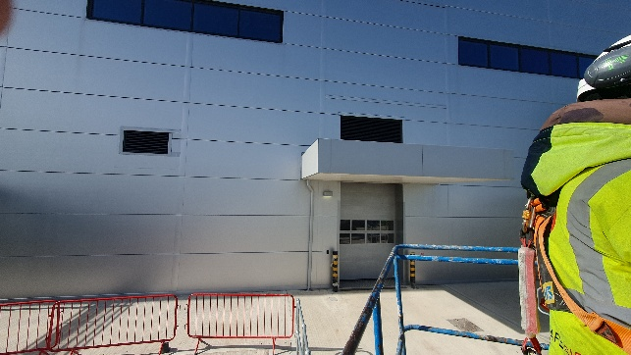
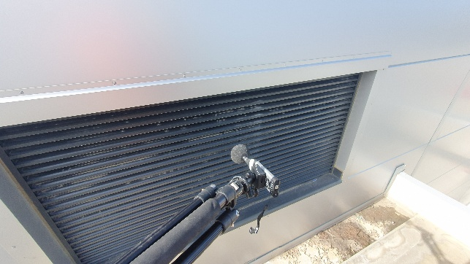
 |  |  |  |  |  |  | 25 |  |  |  |  | 27

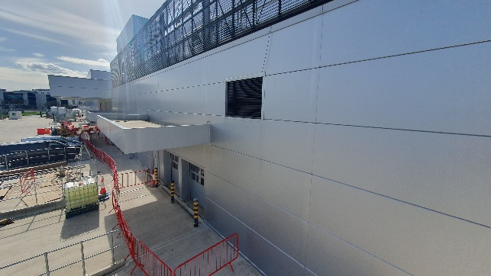
 |  |  |  |  |  |  | 26 |  |  |  |  | 28 | missing

Weather:
12oC, sunny, clear, dry |  |  | SLM | Svantek 971 - SN: 111622 |  | SLM cal expiry: 23/05/2026 |  | Cert: UCRT24/1777
Wind: up to 1.3ms in places |  |  | Calibrator | Rion NC-75 - SN: 34391438 |  | Cal cal expiry: 29/07/2026 |  | Cert: CE-REP-10992

Main Building - Roof
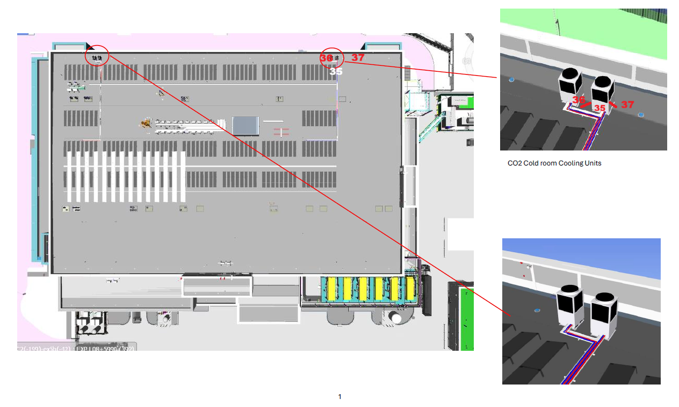
Measurements across site |  | All measurements 1 metre from source or weakest facade area (doors / shutters / windows / louvres etc) unless otherwise stated

Area | Item | No. | ID | Date | Time | Duration | LAFmax | LAeq | L10 | L90 | Notes / DNS
Main Building - Roof | DX Cooling unit (East) | 29 | L646 | 26/03/2026 | 13:57:00 | 1 minute | 66.54 | 54.57 | 55.6 | 52.2 | Noise source dominant - x24 on roof, only one measured as only a couple running |  |  |  | Unable to access north and south side |  |  | Daikin Sky Air R32 Alpha | Engineer informed me that the roof plant items are designed to be run at a whisper due to sensitive internal conditions. Additionally, not all roof plant items are running as only one pharmaceutical production lane is ready to go into operation. The plan eventually is to have 5 production lanes open and the plant items reqiuired to support this are already in place.
 | DX Cooling unit (West) | 30 | L647 | 26/03/2026 | 13:59:00 | 1 minute | 61.48 | 54.01 | 56 | 51.2 | Noise source dominant - x24 on roof, only one measured as only a couple running
 | Penthouse louvre - HVAC exhaust (east) | 31 | L648 | 26/03/2026 | 14:01:00 | 1 minute | 64.78 | 59.66 | 60.3 | 59 | Noise source dominant - x14 on roof, only one measured as not all running |  |  |  | Subjectively the noisiest plant item on the roof |  |  | Various
 | Penthouse louvre - HVAC exhaust (west) | 32 | L649 | 26/03/2026 | 14:03:00 | 1 minute | 73.63 | 57.5 | 57.9 | 56 | Noise source dominant - x14 on roof, only one measured as not all running
 | Penthouse louvre - HVAC exhaust (north) | 33 | L650 | 26/03/2026 | 14:04:00 | 1 minute | 67.5 | 62.8 | 63.7 | 62 | Noise source dominant - x14 on roof, only one measured as not all running
 | Penthouse louvre - HVAC exhaust (south) | 34 | L651 | 26/03/2026 | 14:12:00 | 1 minute | 76.48 | 57.34 | 56.9 | 48.1 | Noise source dominant - x14 on roof, only one measured as not all running
 | CO2 cold room cooling unit (east) | 35 | L652 | 26/03/2026 | 14:13:00 | 1 minute | 71.83 | 55.3 | 56.3 | 48.1 | Noise source dominant - nearby RTN also noted - x4 on roof, only one measured |  |  |  | West side - No noise audible, RTN dominant |  |  | Panasonic R744
 | CO2 cold room cooling unit (south) | 36 | L653 | 26/03/2026 | 14:15:00 | 1 minute | 68.33 | 55.2 | 56.7 | 49.6 | Noise source dominant - nearby RTN also noted - x4 on roof, only one measured
 | CO2 cold room cooling unit (north) | 37 | L654 | 26/03/2026 | 14:17:00 | 1 minute | 67.08 | 52.34 | 52.3 | 48.1 | Noise source dominant - nearby RTN also noted - x4 on roof, only one measured
 | DX cooling to data centre | 38 | Not running due to current operational building condition - x2 on roof |  |  |  |  |  |  |  | Same size, make and model as Plant no. 29/30 - Daikin Sky Air R32 Alpha
 | PV Panel inverters | 39 | Not running due to current operational building condition - x4 on roof
 | Nitrogen safety valve exhaust | 40 | Not measured, no noise audible. RTN dominant from 1m away
 | VHP - HVAC exhaust | 41
 | WFI relief vent | 42 | Not measured, no noise audible. Just open vents to air - RTN dominant from 1m away
 | Process waste vent | 43
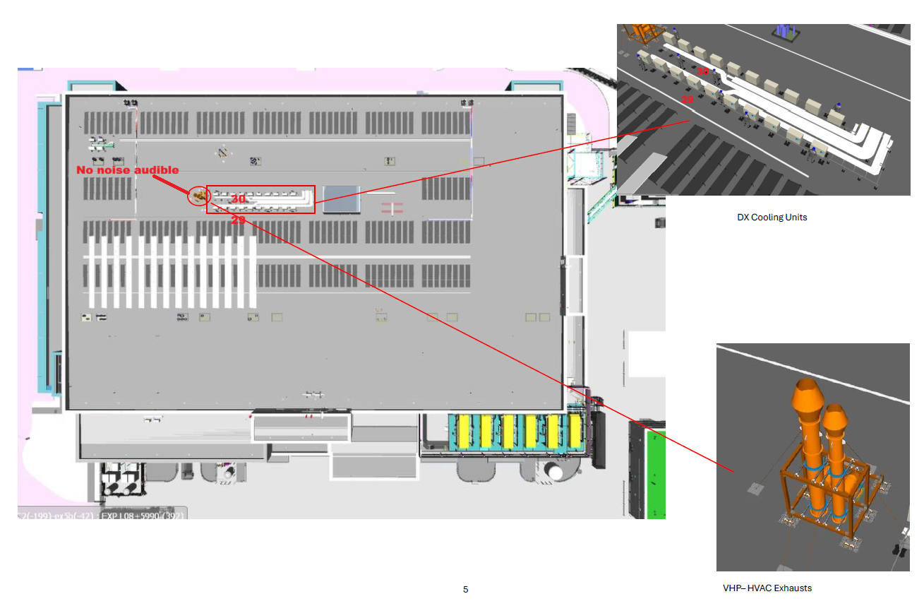
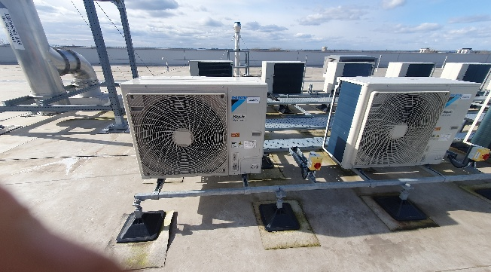
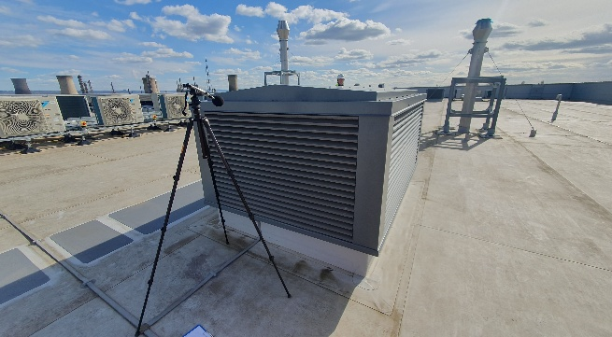
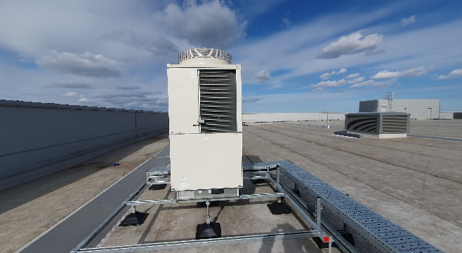
 |  |  |  |  |  |  | 29&30 |  |  |  |  | 33 |  | 36 |  | 36

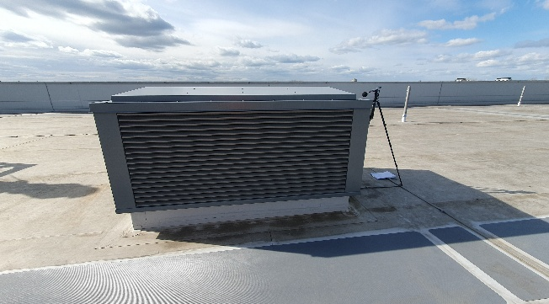
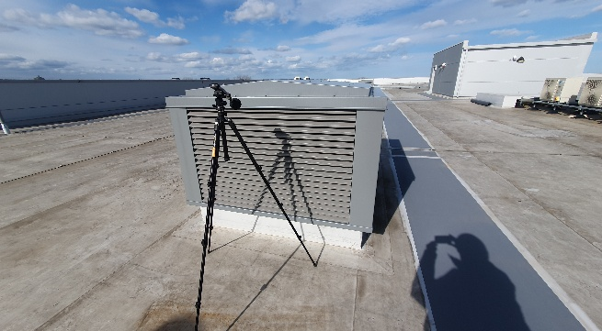
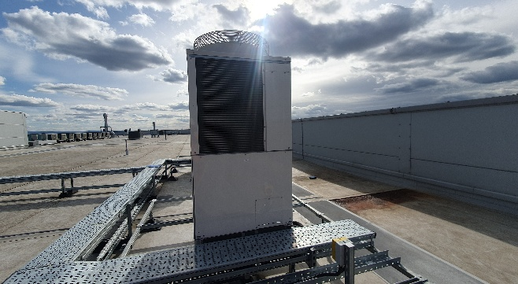
 |  |  |  |  |  |  | 31 |  |  |  |  | 34 |  | 37 |  | 37

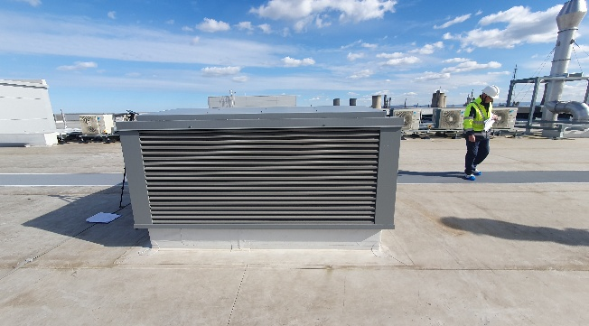
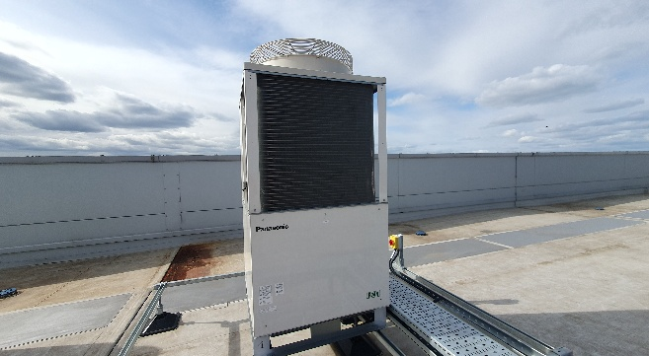
 |  |  |  |  |  |  | 32 |  |  |  |  | 35 |  |  |  | 38 | Missing
 |  |  |  |  |  |  |  |  |  |  |  |  |  |  |  | 39
 |  |  |  |  |  |  |  |  |  |  |  |  |  |  |  | 40
 |  |  |  |  |  |  |  |  |  |  |  |  |  |  |  | 41

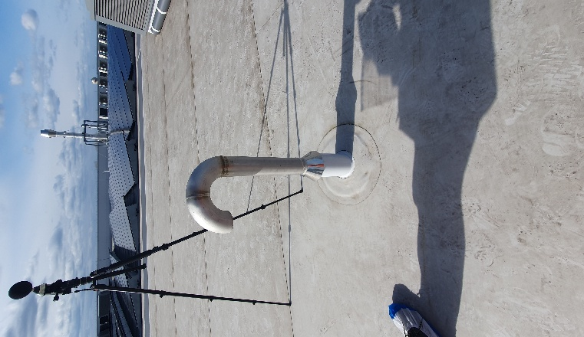
 |  |  |  |  |  |  |  |  |  |  |  |  |  |  |  | 42 & 43

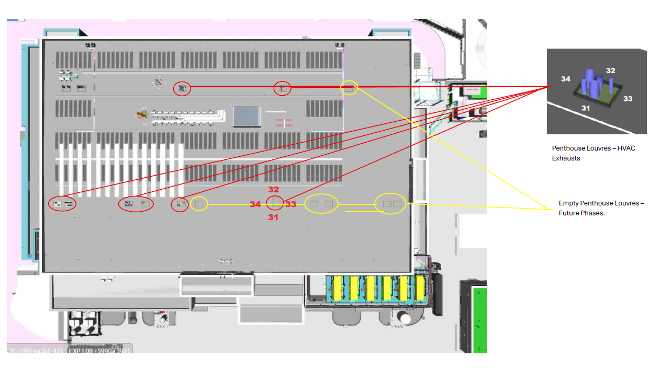
Weather:
 |  |  |  |  |  |  |  | 12oC, sunny, clear, dry |  |  | SLM | Svantek 971 - SN: 111622 | SLM cal expiry: 23/05/2026 | Cert: UCRT24/1777
 |  |  |  |  |  |  |  | Wind: up to 1.9ms in places |  |  | Calibrator | Rion NC-75 - SN: 34391438 | Cal cal expiry: 29/07/2026 | Cert: CE-REP-10992

West Facade
Measurements across site |  | All measurements 1 metre from source or weakest facade area (doors / shutters / windows / louvres etc) unless otherwise stated

Area | Item | No. | ID | Date | Time | Duration | LAFmax | LAeq | L10 | L90 | Notes / DNS
West Façade | HVAC fresh air intake louvre (1 intake) | 44 | L655 | 26/03/2026 | 14:25:00 | 1 minute | 68.98 | 63.85 | 65.6 | 54 | Measured from inside intake room - Plant running but RTN from Cowpen Lane also audible |  |  | No access to external west façade for 3b boom
 | HVAC fresh air intake louvres (2 intakes) | 45 | L658 | 26/03/2026 | 14:30:00 | 1 minute | 64.52 | 60.85 | 63 | 56.9 | Measured from inside intake room - Plant running but RTN from Cowpen Lane also audible
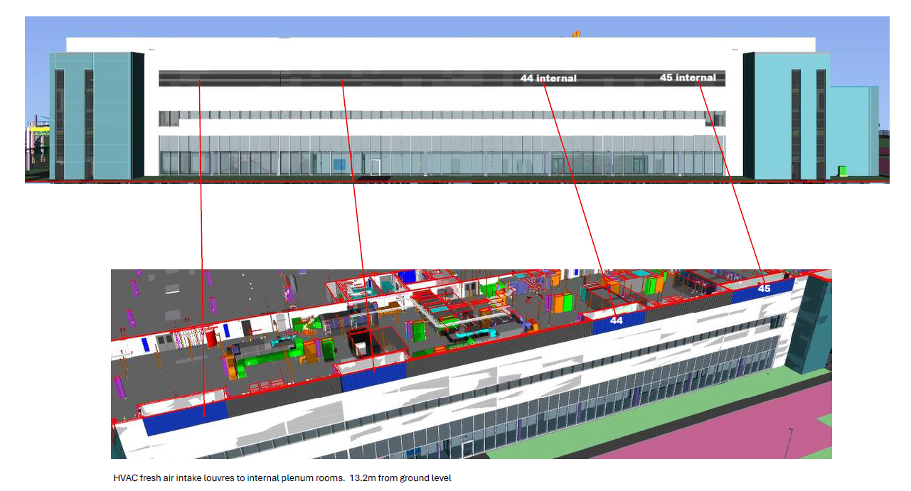
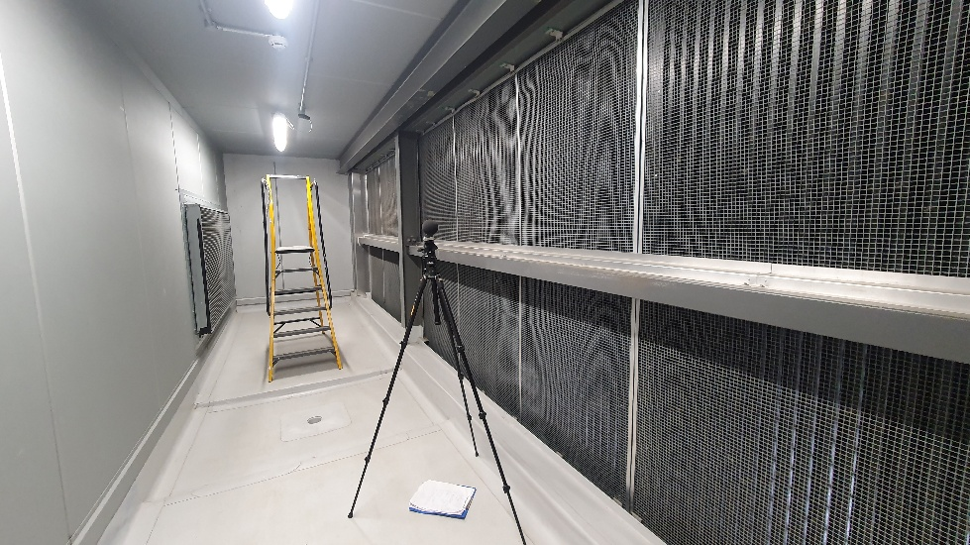
 |  |  |  |  |  |  |  |  |  | 44

 |  |  |  |  |  |  |  |  |  | 45 | Missing

 |  |  |  |  |  |  |  |  |  |  | SLM | Svantek 971 - SN: 111622 | SLM cal expiry: 23/05/2026 | Cert: UCRT24/1777
 |  |  |  |  |  |  |  |  |  |  | Calibrator | Rion NC-75 - SN: 34391438 | Cal cal expiry: 29/07/2026 | Cert: CE-REP-10992

L1 Roof
Measurements across site |  | All measurements 1 metre from source or weakest facade area (doors / shutters / windows / louvres etc) unless otherwise stated

Area | Item | No. | ID | Date | Time | Duration | LAFmax | LAeq | L10 | L90 | Notes / DNS
L1 Roof | DX cooling unit for comms room (east) | 46 | L659 | 26/03/2026 | 14:35:00 | 1 minute | 64.9 | 54.18 | 56.8 | 49.1 | DX unit running at a whisper due to site conditions - noise source dom but some intermittent site noise audible |  | Unable to measure at rear of units (west) | 659 : Total results
 | DX cooling unit to L1 cold room (east) | 47 | L660 | 26/03/2026 | 14:37:00 | 1 minute | 64.25 | 51.63 | 54.8 | 45.2 | Only one unit running - noise source dom but some intermittent site noise audible
 | Air source heat pumps & chiller (south) | 48 | L662 | 26/03/2026 | 14:46:00 | 1 minute | 62.84 | 50.94 | 52.3 | 48.4 | Only one live unit running - source dominant - unable to measure at west location |  |  |  |  |  |  | P1 (A, Fast) | P1 (A, Lin) | P1 (A, Lin) | P1 (A, Lin)
 | Air source heat pumps & chiller (north) | 49 | L663 | 26/03/2026 | 14:47:00 | 1 minute | 62.23 | 54.68 | 57.3 | 50.3 |  |  |  |  |  |  |  | LAFmax (SR) [dB] | LAeq (SR) [dB] | LAeq Histogram (SR) [dB] | LAeq Histogram (SR) [dB]
 | Air source heat pumps & chiller (east) | 50 | L664 | 26/03/2026 | 14:49:00 | 1 minute | 64.66 | 50.73 | 52 | 47.7 |  |  |  | No. | Start date & time | Duration | Name |  |  | L10 | L90
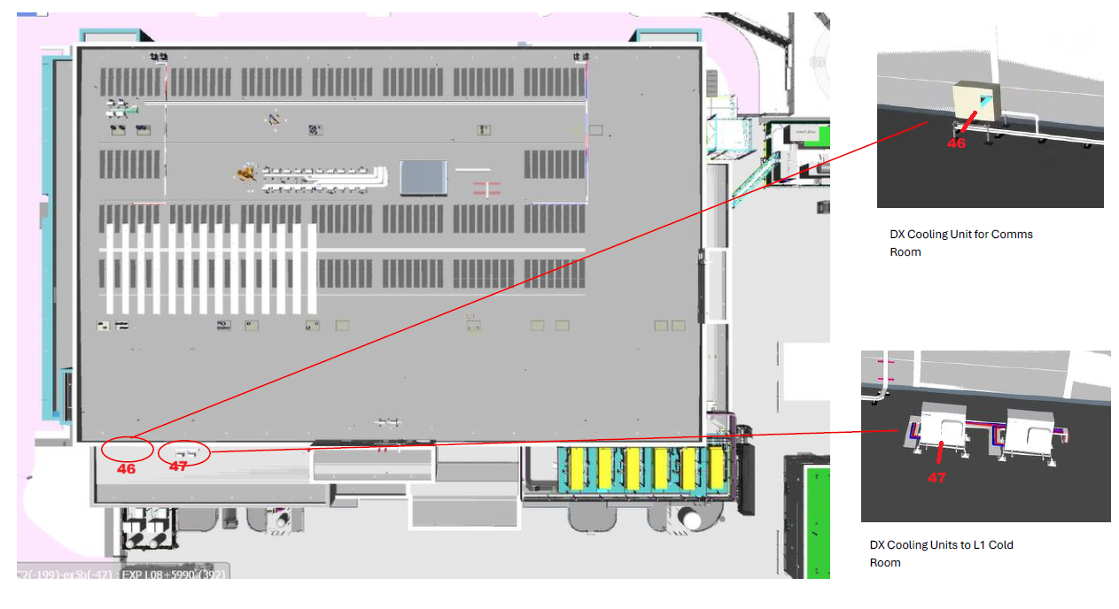
 |  |  |  |  |  |  |  |  |  |  |  |  |  | 1 | 26/03/2026 14:35:28.000 | 00:01:00.000 | Integration period 1 m | 64.9 | 54.18 | 56.8 | 49.1
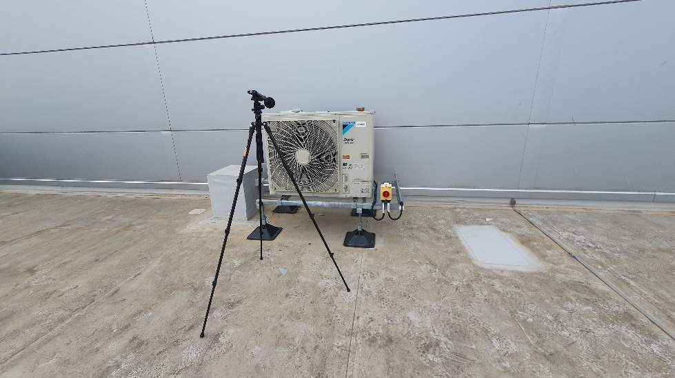
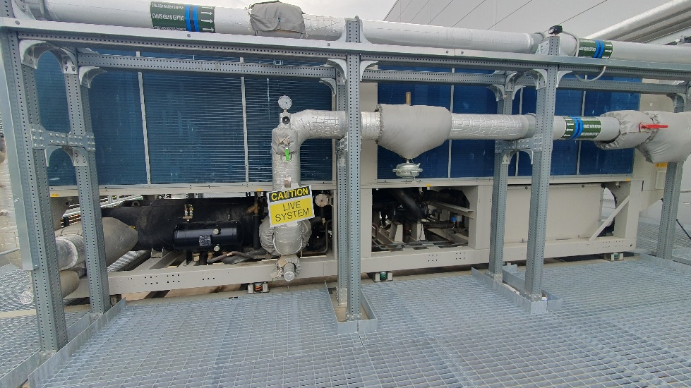
 |  |  |  |  |  |  |  |  |  | 46 |  | 49

 |  |  |  |  |  |  |  |  |  |  |  |  |  | 660 : Total results

 |  |  |  |  |  |  |  |  |  |  |  |  |  |  |  |  |  | P1 (A, Fast) | P1 (A, Lin) | P1 (A, Lin) | P1 (A, Lin)
 |  |  |  |  |  |  |  |  |  |  |  |  |  |  |  |  |  | LAFmax (SR) [dB] | LAeq (SR) [dB] | LAeq Histogram (SR) [dB] | LAeq Histogram (SR) [dB]
 |  |  |  |  |  |  |  |  |  |  |  |  |  | No. | Start date & time | Duration | Name |  |  | L10 | L90
 |  |  |  |  |  |  |  |  |  |  |  |  |  | 1 | 26/03/2026 14:37:42.000 | 00:01:00.000 | Integration period 1 m | 64.25 | 51.63 | 54.8 | 45.2

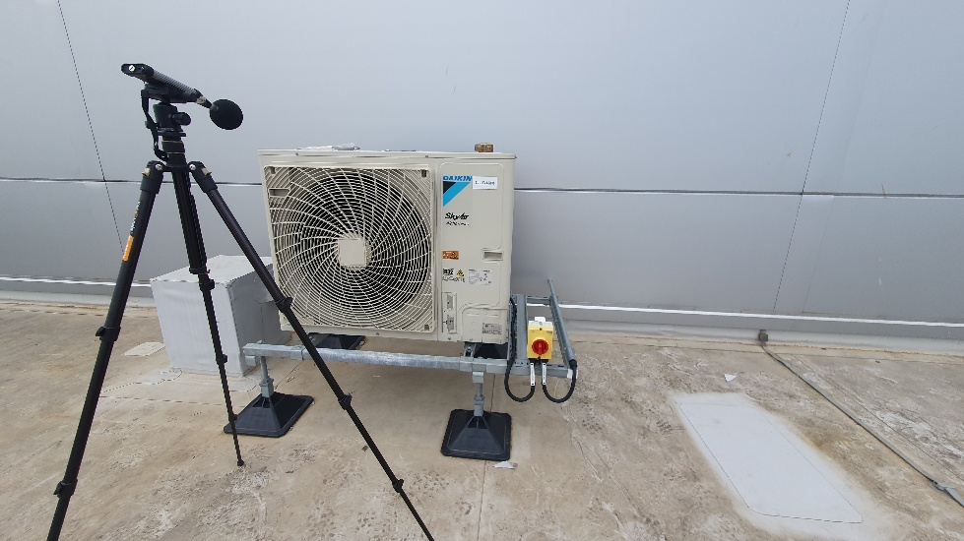
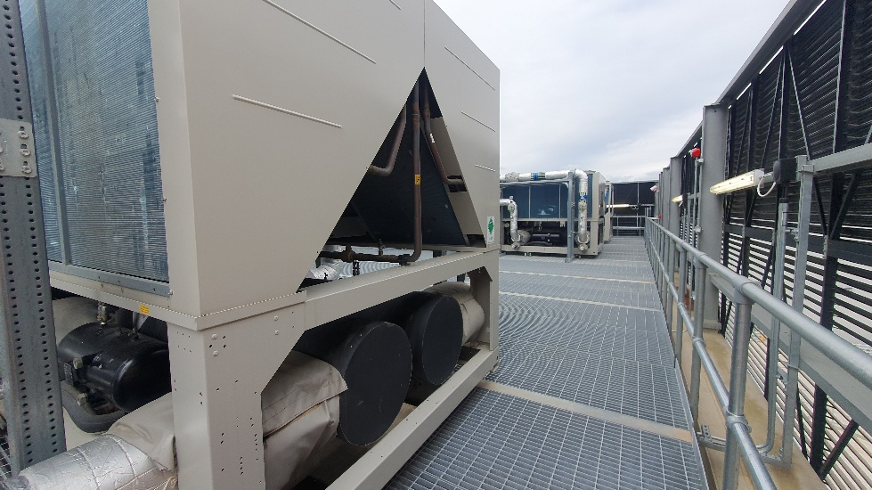
 |  |  |  |  |  |  |  |  |  | 47 |  | 50

 |  |  |  |  |  |  |  |  |  |  |  |  |  | 662 : Total results

 |  |  |  |  |  |  |  |  |  |  |  |  |  |  |  |  |  | P1 (A, Fast) | P1 (A, Lin) | P1 (A, Lin) | P1 (A, Lin)
 |  |  |  |  |  |  |  |  |  |  |  |  |  |  |  |  |  | LAFmax (SR) [dB] | LAeq (SR) [dB] | LAeq Histogram (SR) [dB] | LAeq Histogram (SR) [dB]
 |  |  |  |  |  |  |  |  |  |  |  |  |  | No. | Start date & time | Duration | Name |  |  | L10 | L90
 |  |  |  |  |  |  |  |  |  |  |  |  |  | 1 | 26/03/2026 14:46:30.000 | 00:01:00.000 | Integration period 1 m | 62.84 | 50.94 | 52.3 | 48.4

 |  |  |  |  |  |  |  |  |  |  |  |  |  | 663 : Total results

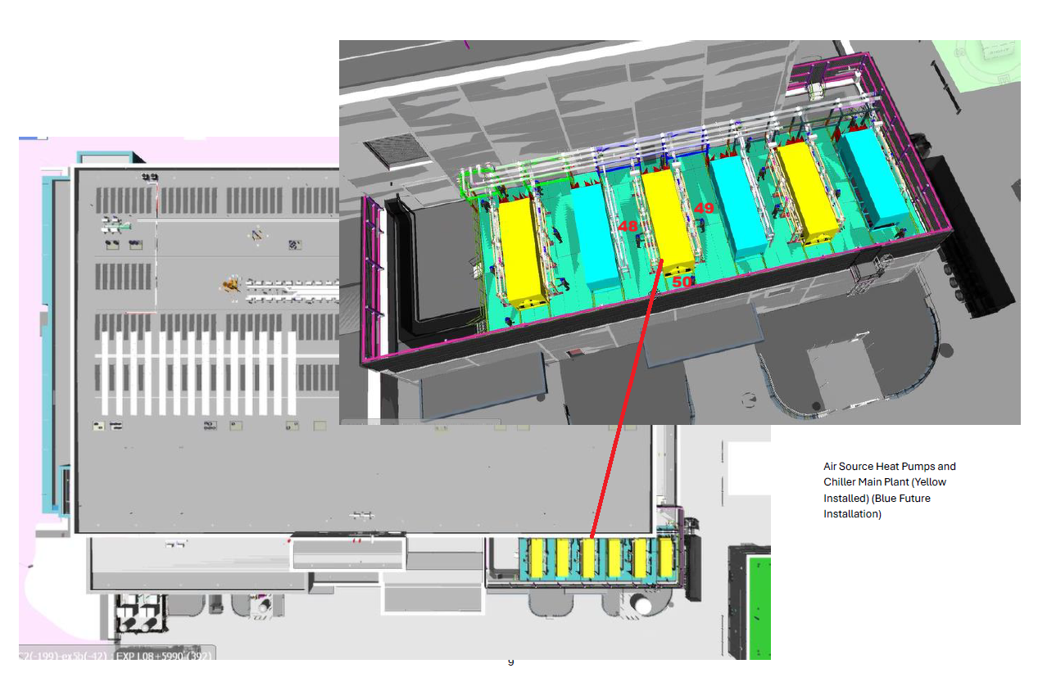
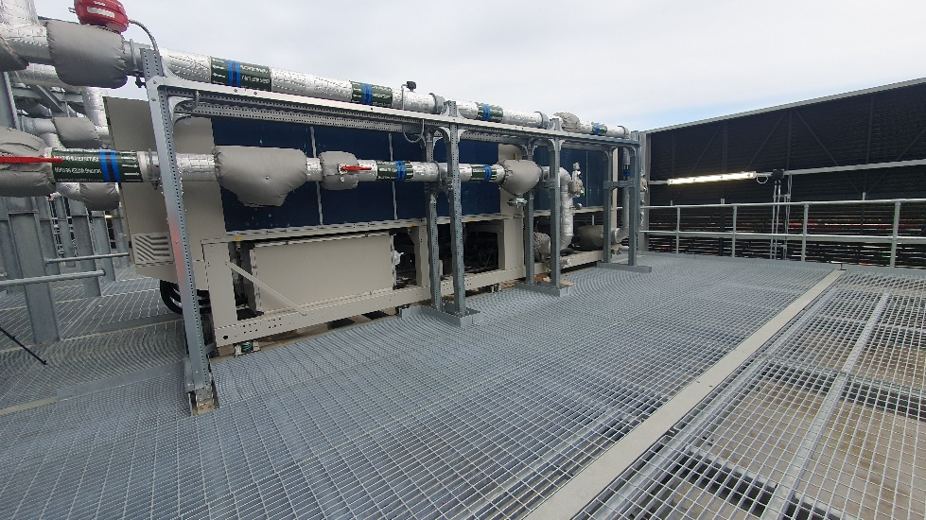
 |  |  |  |  |  |  |  |  |  |  |  |  |  |  |  |  |  | P1 (A, Fast) | P1 (A, Lin) | P1 (A, Lin) | P1 (A, Lin)
 |  |  |  |  |  |  |  |  |  | 48 |  |  |  |  |  |  |  | LAFmax (SR) [dB] | LAeq (SR) [dB] | LAeq Histogram (SR) [dB] | LAeq Histogram (SR) [dB]
 |  |  |  |  |  |  |  |  |  |  |  |  |  | No. | Start date & time | Duration | Name |  |  | L10 | L90
 |  |  |  |  |  |  |  |  |  |  |  |  |  | 1 | 26/03/2026 14:47:52.000 | 00:01:00.000 | Integration period 1 m | 62.23 | 54.68 | 57.3 | 50.3

 |  |  |  |  |  |  |  |  |  |  |  |  |  | 664 : Total results

 |  |  |  |  |  |  |  |  |  |  |  |  |  |  |  |  |  | P1 (A, Fast) | P1 (A, Lin) | P1 (A, Lin) | P1 (A, Lin)
 |  |  |  |  |  |  |  |  |  |  |  |  |  |  |  |  |  | LAFmax (SR) [dB] | LAeq (SR) [dB] | LAeq Histogram (SR) [dB] | LAeq Histogram (SR) [dB]
 |  |  |  |  |  |  |  |  |  |  |  |  |  | No. | Start date & time | Duration | Name |  |  | L10 | L90
 |  |  |  |  |  |  |  |  |  |  |  |  |  | 1 | 26/03/2026 14:49:22.000 | 00:01:00.000 | Integration period 1 m | 64.66 | 50.73 | 52 | 47.7

11oC, sunny, clear, dry | SLM | Svantek 971 - SN: 111622 |  |  | SLM cal expiry: 23/05/2026 |  |  | Cert: UCRT24/1777
Wind: up to 1.1ms in places | Calibrator | Rion NC-75 - SN: 34391438 |  |  | Cal cal expiry: 29/07/2026 |  |  | Cert: CE-REP-10992

