Louvre Calc
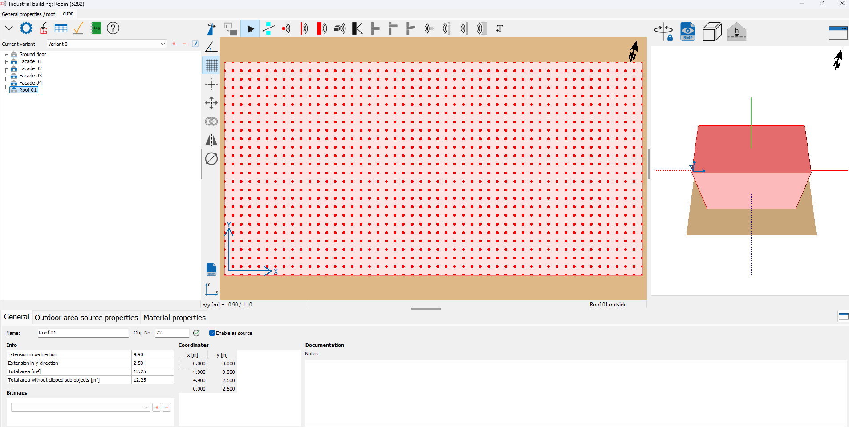
Fresh Air Intake Louvre Gen side (Sound Power Level per m2) | Total Sound Power Level dB | Unweighted dB at Octave Band Centre Frequency (Hz)
 |  | 31.5 | 63 | 125 | 250 | 500 | 1000 | 2000 | 4000 | 8000
Total Unweighted Sound Power Level per m2 dB | 88.0 | 83.7 | 80.6 | 77.9 | 81.6 | 72.8 | 74.2 | 73.3 | 63.8 | 41.7
LDM Acoustic Module, Q-nis Attenuator (4500mm x 2200mm x 2700 mm) Insertion Loss dB | - | - | 13 | 24 | 44 | 50 | 50 | 50 | 50 | 50
Total Unweighted Sound Power Level per m2 dB with attenuator | 83.8 | 83.7 | 67.6 | 53.9 | 37.6 | 22.8 | 24.2 | 23.3 | 13.8 | -8.3

Fresh Air Intake Louvre non-Gen side (Sound Power Level per m2) | Total Sound Power Level dB | Unweighted dB at Octave Band Centre Frequency (Hz)
 |  | 31.5 | 63 | 125 | 250 | 500 | 1000 | 2000 | 4000 | 8000
Total Unweighted Sound Power Level per m2 dB | 90.4 | 86.3 | 83.1 | 81.6 | 83.3 | 74.5 | 76.0 | 76.4 | 67.4 | 53.5
LDM Acoustic Module, Q-nis Attenuator (4500mm x 2800mm x 1600 mm) Insertion Loss dB | - | - | 9 | 17 | 29 | 44 | 50 | 50 | 46 | 33
Total Unweighted Sound Power Level per m2 dB with attenuator | 86.6 | 86.3 | 74.1 | 64.6 | 54.3 | 30.5 | 26 | 26.4 | 21.4 | 20.5

AHU Calc
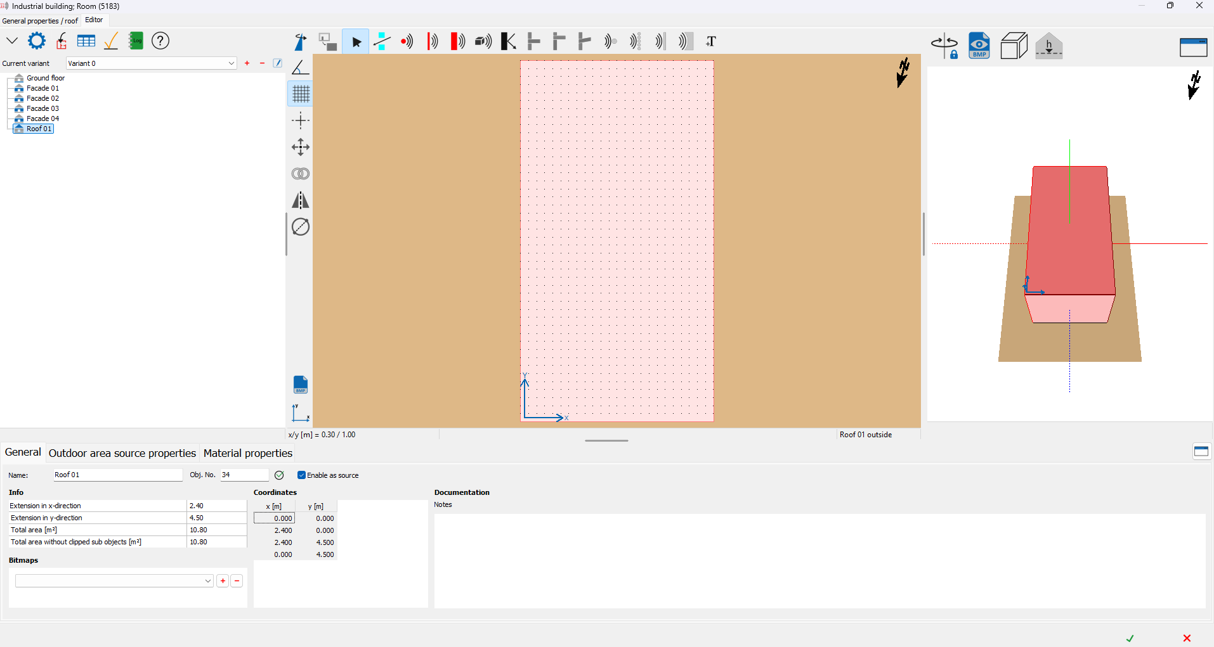
AHU Breakout Overall | Total Sound Power Level dB | Unweighted dB at Octave Band Centre Frequency (Hz) |  |  |  |  |  |  |  | AHU Unit Dimensions
 |  | 63 | 125 | 250 | 500 | 1000 | 2000 | 4000 | 8000 | Side | Area m2 | Total Area m2 | Area correction
Total Unweighted Sound Power Level dB | 74.8 | 65.0 | 70.0 | 66.0 | 67.0 | 64.0 | 67.0 | 54.0 | 31.0 | Short Side | 5.8 | 43.9 | 16.4
Total Unweighted Sound Power Level dB per unit area | 58.3 | 48.6 | 53.6 | 49.6 | 50.6 | 47.6 | 50.6 | 37.6 | 14.6 | Long Side | 10.8
 |  |  |  |  |  |  |  |  |  | Roof | 10.8

