Schematic of EP's
Schematic of Emission Points | Key
R3 - Condenser
H1 - 2
EMP - 5
Xylene
R2 - Condenser
H1 - 11
EMP - 17
Ethyl Acetate
Reactor No. - Description
H1 - Ref No.
EMP - Emission Point No.
Chemical emitted

R3 - Manhole
H1-14
EMP - 21
Xylene

R2 - Tundish
H1 - 8
EMP - 11
Ethyl Acetate

R3 - Packdown
H1 - 9
EMP - 12
Xylene

R3 - Catch pot
H1-4
EMP - 7
Xylene
REACTOR 3
REACTOR 2
REACTOR 1

R2 - Packdown
H1 - 7
EMP - 10
Xylene

R1
H1-Not listed
EMP - Not listed
Polyol now
Ethyl Acetate in future
R2 - Packdown
H1 - 6
EMP - 9
Ethyl Acetate
R2 - Sampling
H1 - 3
EMP - 6
Ethyl Acetate

R2 - Charging
H1 - 5
EMP - 8
Ethyl Acetate
R2 - Filter pot
H1 - 10
EMP - 19
Ethyl Acetate

Limits
Air emissions risk assessment for your environmental permit - GOV.UK (www.gov.uk)

Ambient Air Directive Limit Values

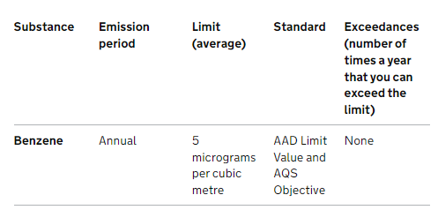

 | =0.005mg
 | =0.000005g

EAL's

 |  | =4.41mg
 |  | =0.0044g

