BAT - Large Combustion Plant
Large Combustion Plants BAT Assessment

BAT No. | Topic | Brief Description | Section of document with in-depth description of techniques | BAT | Applicable/Not Applicable | Comments | Document
1.1. | Generic BAT | BAT 1 - In order to improve the overall environmental performance, BAT is to implement and adhere to an environmental management system (EMS) that incorporates all of the following features: | 1.1. Environmental management systems | Listed requirements of an environmental management system e.g ISO 14001. | Applicable | Sheffield Teaching Hospital have a bespoke environmental management system. | RHH B2.3d EMS Manual'
2 | Generic BAT | BAT 2 - BAT is to determine the net electrical efficiency and/or the net total fuel utilisation and/or the net mechanical energy efficiency of the gasification, IGCC and/or combustion units by carrying out a performance test at full load(1), according to EN standards, after the commissioning of the unit and after each modification that could significantly affect the net electrical efficiency and/or the net total fuel utilisation and/or the net mechanical energy efficiency of the unit. If EN standards are not available, BAT is to use ISO, national or other international standards that ensure the provision of data of an equivalent scientific quality. | 1.2. Monitoring | In the case of CHP units, if for technical reasons the performance test cannot be carried out with the unit operated at full load for the heat supply, the test can be supplemented or substituted by a calculation using full load parameters. | Applicable | There are no CHP units present on site. The generators and boilers on site are managed through an online Planned Preventative Maintenance (PPM) system called Concerto, which generates job cards for the operative, as and when servicing and checks are required. Stack emissios monitoring has been undertaken for the boilers and generators on site. | RHH Stack Eission Results
3 | Generic BAT | BAT 3. BAT is to monitor key process parameters relevant for emissions to air and water including those given below. | 1.2. Monitoring |  | Applicable | Flue-gas treatment does not take place. Stack emissions monitoring has been undertaken for the boilers and generators on site. | RHH Stack Eission Results
4 | Generic BAT | BAT 4. - BAT is to monitor emissions to air with at least the frequency given below and in accordance with EN standards. If EN standards are not available, BAT is to use ISO, national or other international standards that ensure the provision of data of an equivalent scientific quality. | 1.2. Monitoring | The below parameters have been included in BAT 4: NH3 NOX N2O CO SO2 SO3 Gaseous chlorides, expressed as HCl HF Dust Metals and metalloids except mercury (As, Cd, Co, Cr, Cu, Mn, Ni, Pb, Sb, Se, Tl, V, Zn) Hg TVOC Formaldehyde CH4 PCDD/F BAT is to ensure that the BS /EN standards 21258 is met whilst carrying out stack emissions monitoring. | Applicable | Flue-gas treatment does not take place. Stack emissions monitoring has been undertaken for the boilers and generators on site. | RHH Stack Eission Results
5 | Generic BAT | BAT 5. BAT is to monitor emissions to water from flue-gas treatment with at least the frequency given below and in accordance with EN standards. If EN standards are not available, BAT is to use ISO, national or other international standards that ensure the provision of data of an equivalent scientific quality. | 1.2. Monitoring | 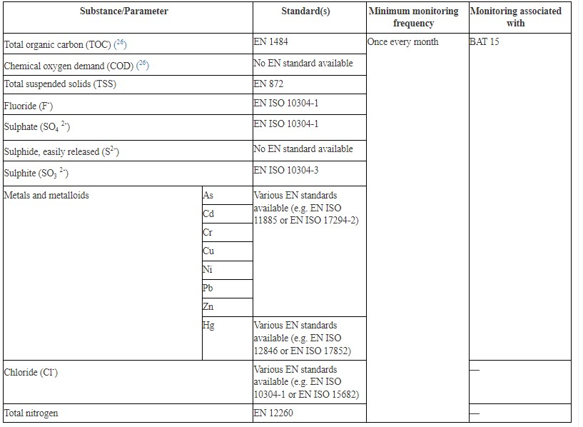 | Not Applicable | Flue-gas treatment does not take place on site.
6 | Generic BAT | BAT 6. In order to improve the general environmental performance of combustion plants and to reduce emissions to air of CO and unburnt substances, BAT is to ensure optimised combustion and to use an appropriate combination of the techniques given below. | 1.3. General environmental and combustion performance | 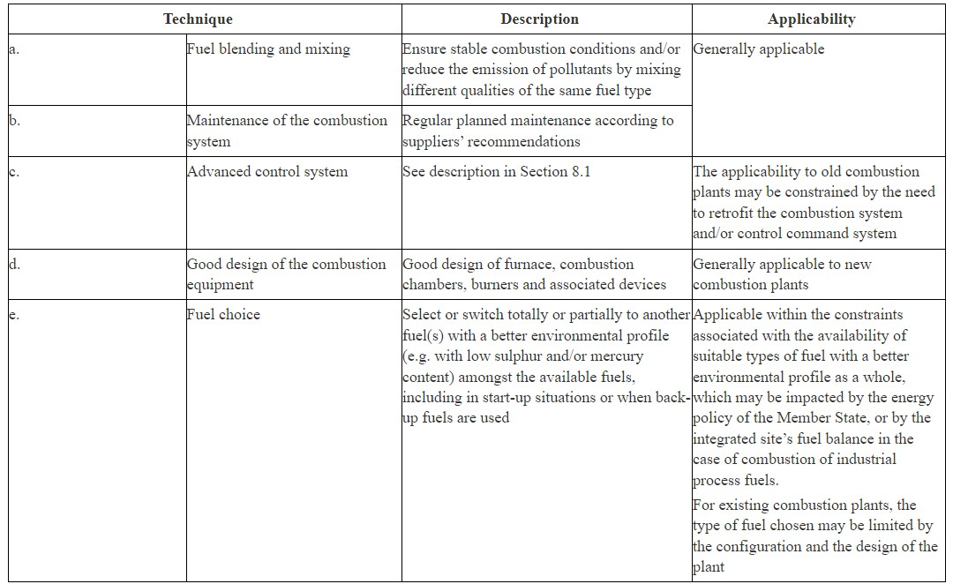 | Applicable | STH do not carry out any fuel blending and mixing. The site is run through a Building Management System (BMS) designed to optimise energy consumption from heating, lighting and ventilation called Ecostructure, from manufacturer Schneider Electric. The natural gas is supplied to Royal Hallamshire is from the grid. Diesel meets BS EN590 standards. The generators and boilers on site are managed through an online Planned Preventative Maintenance (PPM) system called Concerto, which generates job cards for the operative, as and when servicing and checks are required. | RHH B3.A.2 Fuels Gas Oil Spec Sheet
7 | Generic BAT | BAT 7 - In order to reduce emissions of ammonia to air from the use of selective catalytic reduction (SCR) and/or selective non-catalytic reduction (SNCR) for the abatement of NOX emissions, BAT is to optimise the design and/or operation of SCR and/or SNCR (e.g. optimised reagent to NOX ratio, homogeneous reagent distribution and optimum size of the reagent drops). | 1.3. General environmental and combustion performance | BAT-Associated Emission Levels - the BAT-associated emission level (BAT-AEL) for emissions of NH3 to air from the use of SCR and/or SNCR is < 3–10 mg/Nm3 as a yearly average or average over the sampling period. The lower end of the range can be achieved when using SCR and the upper end of the range can be achieved when using SNCR without wet abatement techniques. In the case of plants combusting biomass and operating at variable loads as well as in the case of engines combusting HFO and/or gas oil, the higher end of the BAT-AEL range is 15 mg/Nm3. | Not Applicable | BAT 7 is not applicable. The combustion units on site do not release ammonia into the atmosphere.
8 | Generic BAT | BAT 8 - In order to prevent or reduce emissions to air during normal operating conditions, BAT is to ensure, by appropriate design, operation and maintenance, that the emission abatement systems are used at optimal capacity and availability. | 1.3. General environmental and combustion performance | BAT is to ensure, by appropriate design, operation and maintenance, that the emission abatement systems are used at optimal capacity and availability. | Not Applicable | There is no emission abatement on -site fitted to any part of the combustion system i.e boilers or generators at the installation. The natural gas is supplied to Royal Hallamshire is from the grid. Diesel meets BS EN590 standards. The diesel generators are used less than 50 hours per hour year. | RHH B3.A.2 Fuels Gas Oil Spec Sheet
9 | Generic BAT | BAT 9 - In order to improve the general environmental performance of combustion and/or gasification plants and to reduce emissions to air, BAT is to include the following elements in the quality assurance/quality control programmes for all the fuels used, as part of the environmental management system (see BAT 1): | 1.3. General environmental and combustion performance | I. Initial full characterisation of the fuel used including at least the parameters listed below and in accordance with EN standards. ISO, national or other international standards may be used provided they ensure the provision of data of an equivalent scientific quality; ii.Regular testing of the fuel quality to check that it is consistent with the initial characterisation and according to the plant design specifications. The frequency of testing and the parameters chosen from the table below are based on the variability of the fuel and an assessment of the relevance of pollutant releases (e.g. concentration in fuel, flue-gas treatment employed); iii. Subsequent adjustment of the plant settings as and when needed and practicable (e.g. integration of the fuel characterisation and control in the advanced control system (see description in Section 8.1)). | Applicable | The natural gas is supplied to Royal Hallamshire is from the grid. Diesel meets BS EN590 standards. Regular testing of fuel quality not carried out.
10 | Generic BAT | BAT 10. - In order to reduce emissions to air and/or to water during other than normal operating conditions (OTNOC), BAT is to set up and implement a management plan as part of the environmental management system (see BAT 1), commensurate with the relevance of potential pollutant releases, that includes the following elements: | 1.3. General environmental and combustion performance | I. appropriate design of the systems considered relevant in causing OTNOC that may have an impact on emissions to air, water and/or soil (e.g. low-load design concepts for reducing the minimum start-up and shutdown loads for stable generation in gas turbines); ii. set-up and implementation of a specific preventive maintenance plan for these relevant systems; iii.review and recording of emissions caused by OTNOC and associated circumstances and implementation of corrective actions if necessary; iiii. periodic assessment of the overall emissions during OTNOC (e.g. frequency of events, duration, emissions quantification/estimation) and implementation of corrective actions if necessary. | Not Applicable | STH do not release any emissions to water or air that are not within normal operating conditions.
11 | Generic BAT | BAT 11. BAT is to appropriately monitor emissions to air and/or to water during OTNOC. | 1.3. General environmental and combustion performance | The monitoring can be carried out by direct measurement of emissions or by monitoring of surrogate parameters if this proves to be of equal or better scientific quality than the direct measurement of emissions. Emissions during start-up and shutdown (SU/SD) may be assessed based on a detailed emission measurement carried out for a typical SU/SD procedure at least once every year, and using the results of this measurement to estimate the emissions for each and every SU/SD throughout the year. | Not Applicable | STH do not release any emissions to water or air that are not within normal operating conditions.
12 | Generic BAT | BAT 12. In order to increase the energy efficiency of combustion, gasification and/or IGCC units operated ≥ 1 500 h/yr, BAT is to use an appropriate combination of the techniques given below. | 1.4. Energy efficiency | The parameters listed in BAT 12 include: Combustion optimisation Optimisation of the working medium conditions Optimisation of the steam cycle Minimisation of energy consumption Preheating of combustion air Fuel preheating Advanced control system Feed-water preheating using recovered heat Heat recovery by cogeneration (CHP) CHP readiness Flue-gas condenser Heat accumulation Wet stack Cooling tower discharge Fuel pre-drying Minimisation of heat losses Advanced materials Steam turbine upgrades Supercritical and ultra-supercritical steam conditions | Applicable | STH carry out combustion optimisation, and optimisation of the working medium conditions. The site is run through a Building Management System (BMS) designed to optimise energy consumption from heating, lighting and ventilation called Ecostructure, from manufacturer Schneider Electric. Preheating of combustion air takes place. The natural gas is supplied to Royal Hallamshire is from the grid. Diesel meets BS EN590 standards. The generators and boilers on site are managed through an online Planned Preventative Maintenance (PPM) system called Concerto, which generates job cards for the operative, as and when servicing and checks are required. The following is not carried out on site, or are not applicable: - Optimisation of the steam cycle - Fuel pre-heating - Feed-water preheating using recovered heat - Heat recovery by cogeneration (CHP) -Heat accumulation -Wet stack -Cooling tower discharge -Fuel pre-drying -Minimisation of heat loss -Steam turbine upgrades -Supercritical and ultra supercritical steam conditions.
13 | Generic BAT | BAT 13. In order to reduce water usage and the volume of contaminated waste water discharged, BAT is to use one or both of the techniques given below. | 1.5. Water usage and emissions to water |  | Not Applicable | STH do not carry out water recycling or dry bottom ash handling, as the water is from cooling system and no solid fuels are used.
14 | Generic BAT | BAT 14. In order to prevent the contamination of uncontaminated waste water and to reduce emissions to water, BAT is to segregate waste water streams and to treat them separately, depending on the pollutant content. | 1.5. Water usage and emissions to water | Waste water streams that are typically segregated and treated include surface run-off water, cooling water, and waste water from flue-gas treatment. The applicability may be restricted in the case of existing plants due to the configuration of the drainage systems. | Applicable | Waste coolant is collected and disposed of via authorised waste contractors.
15 | Generic BAT | BAT 15. In order to reduce emissions to water from flue-gas treatment, BAT is to use an appropriate combination of the techniques given below, and to use secondary techniques as close as possible to the source in order to avoid dilution. | 1.5. Water usage and emissions to water | The parameters listed in BAT 15 include: Optimised combustion (see BAT 6) and flue-gas treatment systems (e.g. SCR/SNCR, see BAT 7). Adsorption on activated carbon Aerobic biological treatment Anoxic/anaerobic biological treatment Coagulation and flocculation Crystallisation Filtration (e.g. sand filtration, microfiltration, ultrafiltration) Flotation Ion exchange Neutralisation Oxidation Precipitation Sedimentation Stripping | Not Applicable | Flue-gas treatment does not take place on site.
16 | Generic BAT | BAT 16. In order to reduce the quantity of waste sent for disposal from the combustion and/or gasification process and abatement techniques, BAT is to organise operations so as to maximise, in order of priority and taking into account life-cycle thinking: | 1.6. Waste management | a. waste prevention, e.g. maximise the proportion of residues which arise as by-products; b.waste preparation for reuse, e.g. according to the specific requested quality criteria; c.waste recycling; d.other waste recovery (e.g. energy recovery), | Applicable | Waste associated with the boilers and generators on site is minimal. STH aims to reduce waste to landfill. | RHH B2.3d EMS Manual'
17 | Generic BAT | BAT 17. In order to reduce noise emissions, BAT is to use one or a combination of the techniques given below. | 1.7. Noise emissions | The parameters listed in BAT 17 include: Operational measures Low-noise equipment Noise attenuation Noise-control equipment Appropriate location of equipment and buildings | Applicable | STH ensure that all generators are serviced by experienced staff and that continual pre-planned maintenance is carried out. The generators are fitted with a silencer. The silencers reduce the noise of the generators exiting the building. The generators are located within a building. Doorways which could allow noise to travel from the gas generators to sensitive receptors are closed where possible/appropriate.
18 | Generic BAT | BAT 18. In order to improve the general environmental performance of the combustion of coal and/or lignite, and in addition to BAT 6, BAT is to use the technique given below. | 2.1.1. General environmental performance |  | Not Applicable | BAT 18 is not applicable. No coal is used in the combustion process on-site.
19 | Generic BAT | BAT 19. In order to increase the energy efficiency of the combustion of coal and/or lignite, BAT is to use an appropriate combination of the techniques given in BAT 12 and below. | 2.1.2. Energy efficiency |  | Not Applicable | BAT 19 is not applicable. No coal is used in the combustion process on-site.
20 | Generic BAT | BAT 20. In order to prevent or reduce NOX emissions to air while limiting CO and N2O emissions to air from the combustion of coal and/or lignite, BAT is to use one or a combination of the techniques given below. | 2.1.3. NOX, N2O and CO emissions to air | 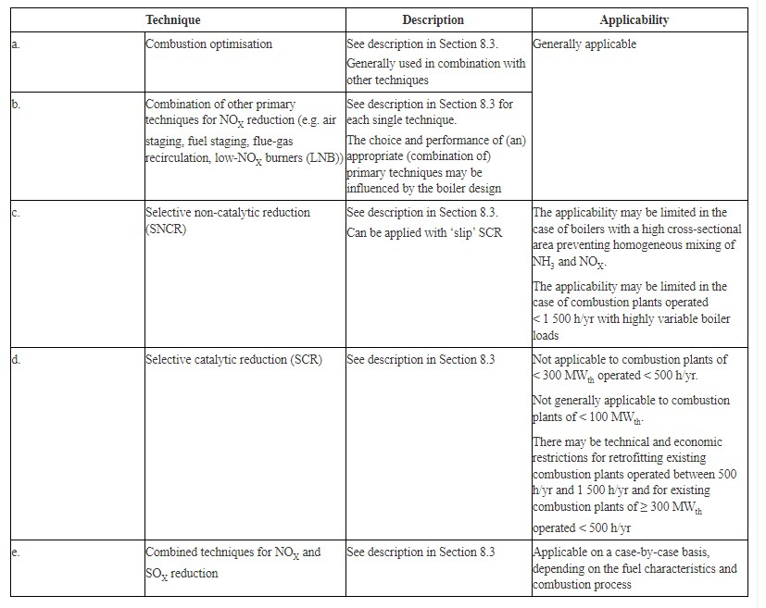 | Not Applicable | BAT 20 is not applicable. No coal is used in the combustion process on-site.
21 | Generic BAT | BAT 21. In order to prevent or reduce SOX, HCl and HF emissions to air from the combustion of coal and/or lignite, BAT is to use one or a combination of the techniques given below. | 2.1.4. SOX, HCl and HF emissions to air | The parameters listed in BAT 21 include: Boiler sorbent injection (in-furnace or in-bed) Duct sorbent injection (DSI) Spray dry absorber (SDA) Circulating fluidised bed (CFB) dry scrubber Wet scrubbing Wet flue-gas desulphurisation (wet FGD) Seawater FGD Combined techniques for NOX and SOX reduction Replacement or removal of the gas-gas heater located downstream of the wet FGD Fuel choice | Not Applicable | BAT 21 is not applicable. No coal is used in the combustion process on-site.
22 | Generic BAT | BAT 22. In order to reduce dust and particulate-bound metal emissions to air from the combustion of coal and/or lignite, BAT is to use one or a combination of the techniques given below. | 2.1.5. Dust and particulate-bound metal emissions to air |  | Not Applicable | BAT 22 is not applicable. No coal is used in the combustion process on-site.
23 | Generic BAT | BAT 23. In order to prevent or reduce mercury emissions to air from the combustion of coal and/or lignite, BAT is to use one or a combination of the techniques given below. | 2.1.6. Mercury emissions to air | The parameters listed in BAT 23 include: Electrostatic precipitator (ESP) Bag filter Dry or semi-dry FGD system Wet flue-gas desulphurisation (wet FGD) Selective catalytic reduction (SCR) Carbon sorbent (e.g. activated carbon or halogenated activated carbon) injection in the flue-gas Use of halogenated additives in the fuel or injected in the furnace Fuel pretreatment Fuel choice | Not Applicable | BAT 23 is not applicable. No coal is used in the combustion process on-site.
24 | Generic BAT | BAT 24. In order to prevent or reduce NOX emissions to air while limiting CO and N2O emissions to air from the combustion of solid biomass and/or peat, BAT is to use one or a combination of the techniques given below. | 2.2.2. NOX, N2O and CO emissions to air | 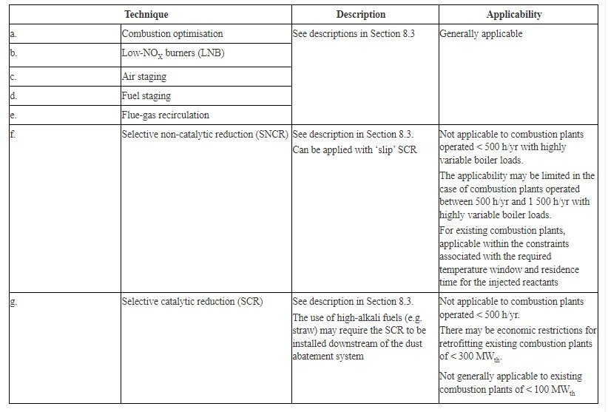 | Not Applicable | BAT 24 is not applicable. No solid biomass is used in the combustion process on-site.
25 | Generic BAT | BAT 25. In order to prevent or reduce SOX, HCl and HF emissions to air from the combustion of solid biomass and/or peat, BAT is to use one or a combination of the techniques given below. | 2.2.3. SOX, HCl and HF emissions to air | 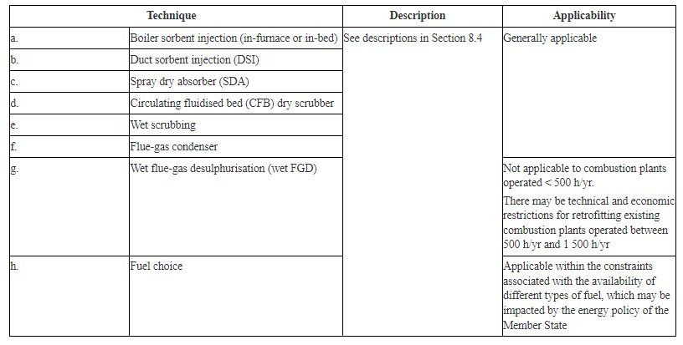 | Not Applicable | BAT 25 is not applicable. No solid biomass is used in the combustion process on-site.
26 | Generic BAT | BAT 26. In order to reduce dust and particulate-bound metal emissions to air from the combustion of solid biomass and/or peat, BAT is to use one or a combination of the techniques given below. | 2.2.4. Dust and particulate-bound metal emissions to air |  | Not Applicable | BAT 26 is not applicable. No solid biomass is used in the combustion process on-site.
27 | Generic BAT | BAT 27. In order to prevent or reduce mercury emissions to air from the combustion of solid biomass and/or peat, BAT is to use one or a combination of the techniques given below. | 2.2.5. Mercury emissions to air | 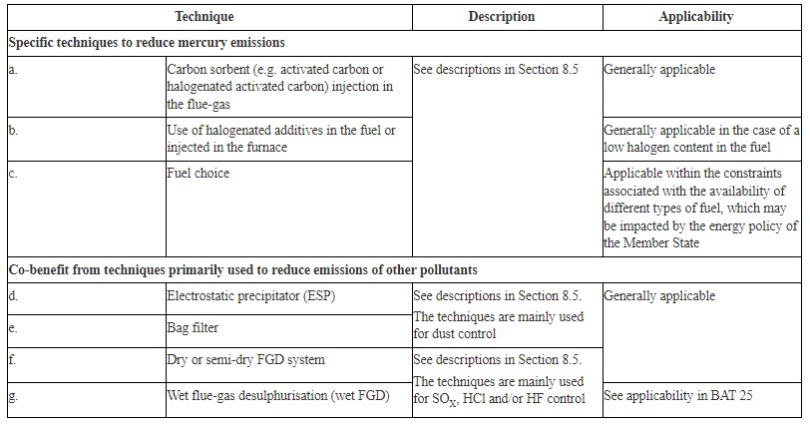 | Not Applicable | BAT 27 is not applicable. No solid biomass is used in the combustion process on-site.
28 | Generic BAT | BAT 28. In order to prevent or reduce NOX emissions to air while limiting CO emissions to air from the combustion of HFO and/or gas oil in boilers, BAT is to use one or a combination of the techniques given below. | 3.1.2. NOX and CO emissions to air | The parameters involved within BAT 28 include: Air staging Fuel staging Flue-gas recirculation Low-NOX burners (LNB) Water/steam addition Selective non-catalytic reduction (SNCR) Selective catalytic reduction (SCR) Advanced control system Fuel choice | Applicable | The following BAT are not in place: -Air staging -Fuel staging -Flue-gas recirculation -Low-NOX burners (LNB) -Water/steam addition -Selective non-catalytic reduction (SNCR) -Selective catalytic reduction (SCR) Dual-fueled boilers are used for <500 hours. The site is run through a Building Management System (BMS) designed to optimise energy consumption from heating, lighting and ventilation called Ecostructure, from manufacturer Schneider Electric.
29 | Generic BAT | BAT 29. In order to prevent or reduce SOX, HCl and HF emissions to air from the combustion of HFO and/or gas oil in boilers, BAT is to use one or a combination of the techniques given below. | 3.1.3. SOX, HCl and HF emissions to air | The parameters involved within BAT 29 include: Duct sorbent injection (DSI) Spray dry absorber (SDA) Flue-gas condenser Wet flue-gas desulphurisation (wet FGD) Seawater FGD Fuel choice | Applicable | DSI, SPA, wet FGD, and seawater FGD are not carried out on site. Boilers and generators on site have total capacity >50Mwth, and each operate <1,500 hours per year.
30 | Generic BAT | BAT 30. In order to reduce dust and particulate-bound metal emissions to air from the combustion of HFO and/or gas oil in boilers, BAT is to use one or a combination of the techniques given below. | 3.1.4. Dust and particulate-bound metal emissions to air | 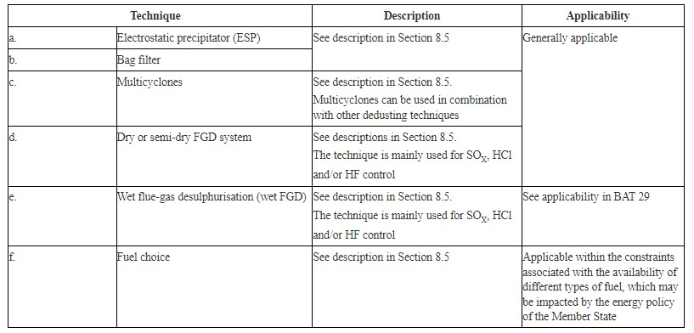 | Not Applicable | Metal emissions are not generated by combustion plant at the site.
31 | Generic BAT | BAT 31. In order to increase the energy efficiency of HFO and/or gas oil combustion in reciprocating engines, BAT is to use an appropriate combination of the techniques given in BAT 12 and below. | 3.2.1. Energy efficiency |  | Not Applicable | Not applicable as the standby generators operate <50 hours a year.
32 | Generic BAT | BAT 32. In order to prevent or reduce NOX emissions to air from the combustion of HFO and/or gas oil in reciprocating engines, BAT is to use one or a combination of the techniques given below. | 3.2.2. NOX, CO and volatile organic compound emissions to air |  | Applicable | STH do not carry out any of the techniques outlined in BAT 32. Standby generators are used for <500 hours per year.
33 | BAT for specific processes | BAT 33. In order to prevent or reduce emissions of CO and volatile organic compounds to air from the combustion of HFO and/or gas oil in reciprocating engines, BAT is to use one or both of the techniques given below. | 3.2.2. NOX, CO and volatile organic compound emissions to air |  | Applicable | Oxidation catalysts are not used on site. The diesel generators are used <50 hours a year.
34 | BAT for specific processes | BAT 34. In order to prevent or reduce SOX, HCl and HF emissions to air from the combustion of HFO and/or gas oil in reciprocating engines, BAT is to use one or a combination of the techniques given below. | 3.2.3. SOX, HCl and HF emissions to air | 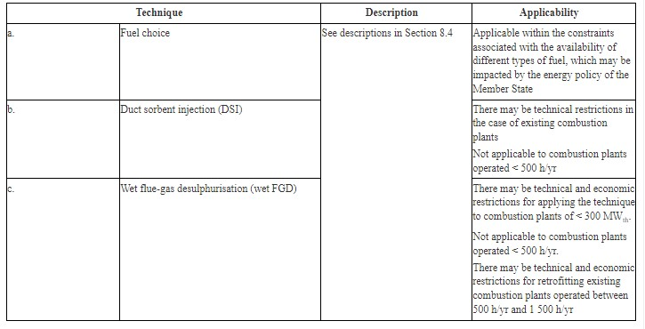 BAT-associated emission levels (BAT-AELs) for SO2 emissions to air from the combustion of HFO and/or gas oil in reciprocating engines. | Applicable | DSI and FGD are not used on site. 'The diesel generators are used <50 hours per year.
35 | BAT for specific processes | BAT 35. In order to prevent or reduce dust and particulate-bound metal emissions from the combustion of HFO and/or gas oil in reciprocating engines, BAT is to use one or a combination of the techniques given below. | 3.2.4. Dust and particulate-bound metal emissions to air |  | Not Applicable | BAT 35 is not applicable. No dust and particulate-bound metal emissions are released during the combustion process on-site.
36 | BAT for specific processes | BAT 36. In order to increase the energy efficiency of gas oil combustion in gas turbines, BAT is to use an appropriate combination of the techniques given in BAT 12 and below. | 3.3.1. Energy efficiency |  | Not Applicable | BAT 36 is not applicable. No gas turbines are involved in the combustion process on-site.
37 | BAT for specific processes | BAT 37. In order to prevent or reduce NOX emissions to air from the combustion of gas oil in gas turbines, BAT is to use one or a combination of the techniques given below. | 3.3.2. NOX and CO emissions to air |  | Not Applicable | BAT 37 is not applicable. No gas turbines are involved in the combustion process on-site.
38 | BAT for specific processes | BAT 38. In order to prevent or reduce CO emissions to air from the combustion of gas oil in gas turbines, BAT is to use one or a combination of the techniques given below. | 3.3.2. NOX and CO emissions to air |  | Not Applicable | BAT 38 is not applicable. No gas turbines are involved in the combustion process on-site.
39 | BAT for specific processes | BAT 39. In order to prevent or reduce SOX and dust emissions to air from the combustion of gas oil in gas turbines, BAT is to use the technique given below. | 3.3.3. SOX and dust emissions to air |  | Not Applicable | BAT 39 is not applicable. No gas turbines are involved in the combustion process on-site.
40 | BAT for specific processes | BAT 40. In order to increase the energy efficiency of natural gas combustion, BAT is to use an appropriate combination of the techniques given in BAT 12 and below. | 4.1.1. Energy efficiency |  | Not Applicable | Boilers on site use natural gas, however, generators do not.
41 | BAT for specific processes | BAT 41. In order to prevent or reduce NOX emissions to air from the combustion of natural gas in boilers, BAT is to use one or a combination of the techniques given below. | 4.1.2. NOX, CO, NMVOC and CH4 emissions to air | 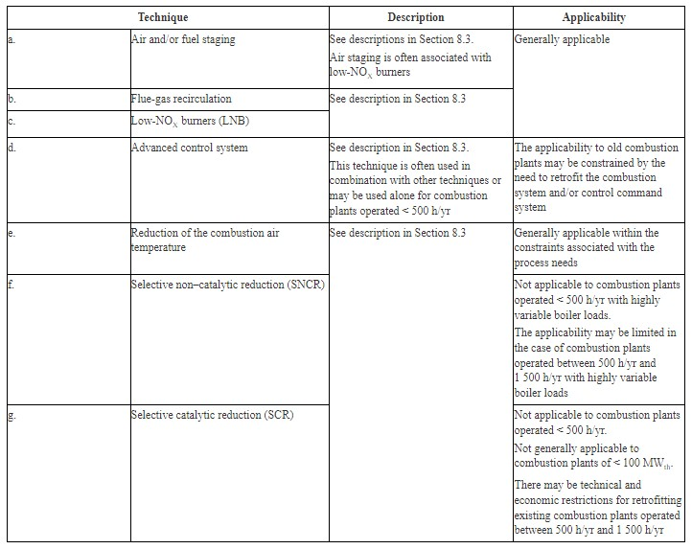 | Applicable | STH do not adopt any of the techniques outlined in BAT 41 towards the running of their boilers. The techniques outlined in BAT 41 are not appropriate/compatible with the boilers that are installed on-site.
42 | BAT for specific processes | BAT 42. In order to prevent or reduce NOX emissions to air from the combustion of natural gas in gas turbines, BAT is to use one or a combination of the techniques given below. | 4.1.2. NOX, CO, NMVOC and CH4 emissions to air | 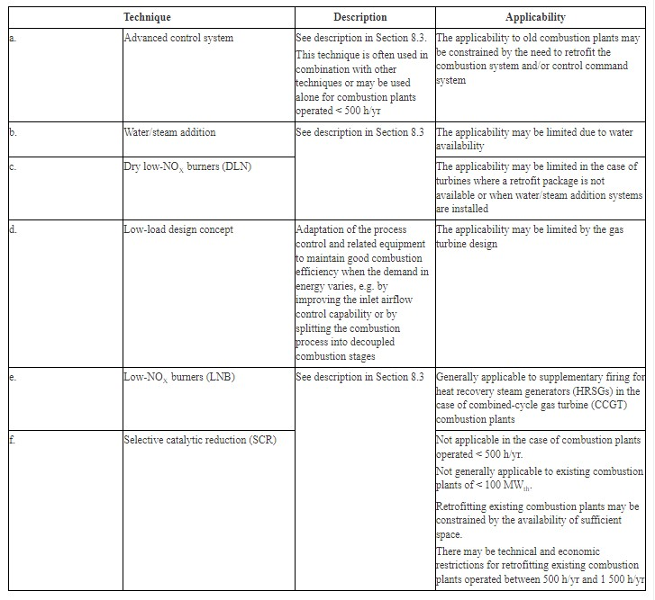 | Not Applicable | BAT 42 is not applicable. No gas turbines are involved in the combustion process on-site.
43 | BAT for specific processes | BAT 43. In order to prevent or reduce NOX emissions to air from the combustion of natural gas in engines, BAT is to use one or a combination of the techniques given below. | 4.1.2. NOX, CO, NMVOC and CH4 emissions to air | 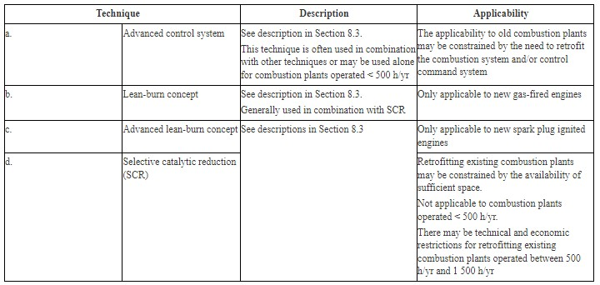 | Not Applicable | Generators on site are fuelled by diesel.
44 | BAT for specific processes | BAT 44. In order to prevent or reduce CO emissions to air from the combustion of natural gas, BAT is to ensure optimised combustion and/or to use oxidation catalysts. | 4.1.2. NOX, CO, NMVOC and CH4 emissions to air | 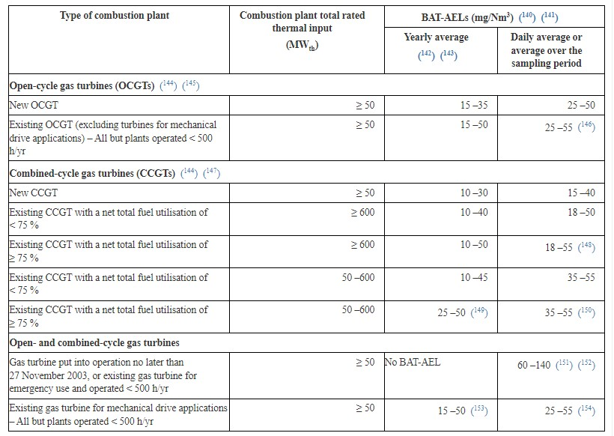 | Not Applicable | BAT 44 is not applicable to the combustion system at the installation. No gas turbines are involved in the combustion process on-site and therefore none of the recommended techniques involved in BAT 44 are applicable.
45 | BAT for specific processes | BAT 45. In order to reduce non-methane volatile organic compounds (NMVOC) and methane (CH4) emissions to air from the combustion of natural gas in spark-ignited lean-burn gas engines, BAT is to ensure optimised combustion and/or to use oxidation catalysts. | 4.1.2. NOX, CO, NMVOC and CH4 emissions to air |  | Not Applicable | The installation does not use oxidation catalysts within the combustion process. The installation does not combust iron and steel process gases within their combustion process, which therefore means that BAT 45 is not applicable.
46 | BAT for specific processes | BAT 46. In order to increase the energy efficiency of the combustion of iron and steel process gases, BAT is to use an appropriate combination of the techniques given in BAT 12 and below. | 4.2.1. Energy efficiency |  | Not Applicable | BAT 46 is not applicable. Combustion of iron and steel process gases is a process that does not occur on-site.
47 | BAT for specific processes | BAT 47. In order to prevent or reduce NOX emissions to air from the combustion of iron and steel process gases in boilers, BAT is to use one or a combination of the techniques given below. | 4.2.2. NOX and CO emissions to air | 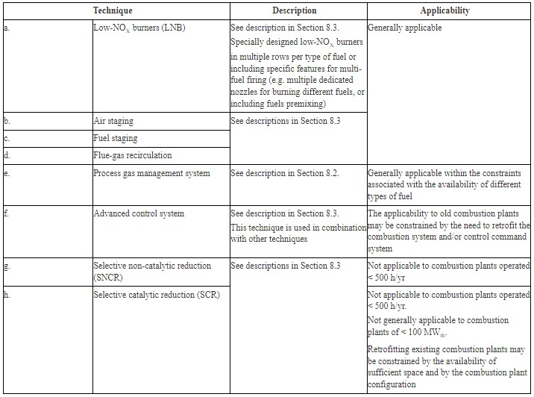 | Not Applicable | BAT 47 is not applicable. Combustion of iron and steel process gases is a process that does not occur on-site.
48 | BAT for specific processes | BAT 48. In order to prevent or reduce NOX emissions to air from the combustion of iron and steel process gases in CCGTs, BAT is to use one or a combination of the techniques given below. | 4.2.2. NOX and CO emissions to air | 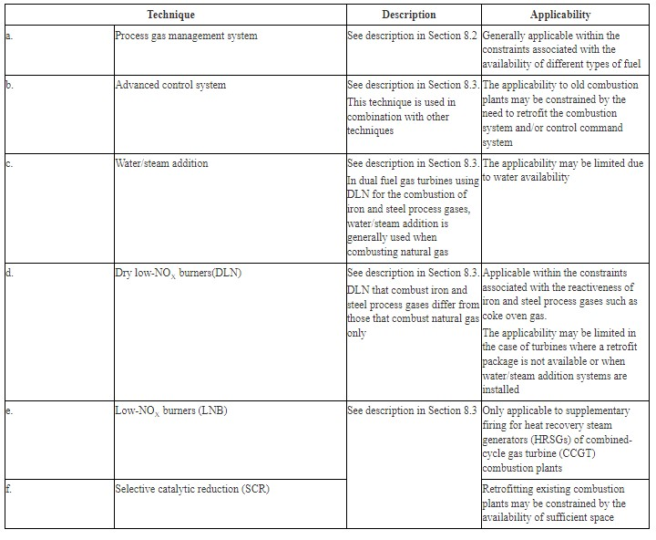 | Not Applicable | BAT 48 is not applicable. Combustion of iron and steel process gases is a process that does not occur on-site.
49 | BAT for specific processes | BAT 49. In order to prevent or reduce CO emissions to air from the combustion of iron and steel process gases, BAT is to use one or a combination of the techniques given below. | 4.2.3. SOX emissions to air |  | Not Applicable | BAT 49 is not applicable. Combustion of iron and steel process gases is a process that does not occur on-site.
50 | BAT for specific processes | BAT 50. In order to prevent or reduce SOX emissions to air from the combustion of iron and steel process gases, BAT is to use a combination of the techniques given below. | 4.2.3. SOX emissions to air | 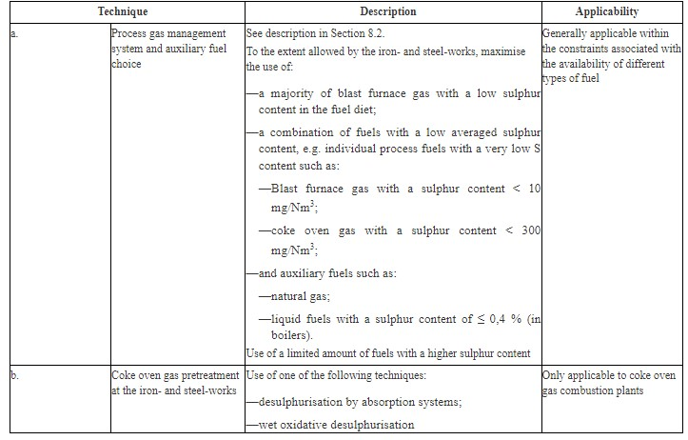 | Not Applicable | BAT 50 is not applicable. Combustion of iron and steel process gases is a process that does not occur on-site.
51 | BAT for specific processes | BAT 51. In order to reduce dust emissions to air from the combustion of iron and steel process gases, BAT is to use one or a combination of the techniques given below. | 4.2.4. Dust emissions to air | 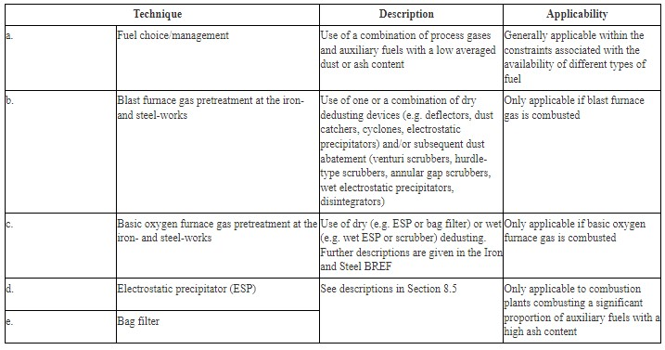 | Not Applicable | BAT 51 is not applicable. Combustion of iron and steel process gases is a process that does not occur on-site.
52 | BAT for specific processes | BAT 52. In order to improve the general environmental performance of the combustion of gaseous and/or liquid fuels on offshore platforms, BAT is to use one or a combination of the techniques given below. | 4.2.4. Dust emissions to air | 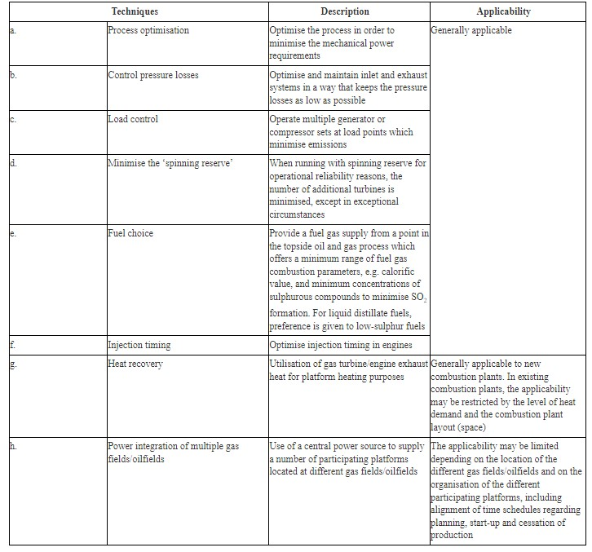 | Not Applicable | BAT 52 is not applicable. There are no offshore platforms present on-site.
53 | BAT for specific processes | BAT 53. In order to prevent or reduce NOX emissions to air from the combustion of gaseous and/or liquid fuels on offshore platforms, BAT is to use one or a combination of the techniques given below. | 4.2.4. Dust emissions to air |  | Not Applicable | BAT 53 is not applicable. There are no offshore platforms present on-site.
54 | BAT for specific processes | BAT 54. In order to prevent or reduce CO emissions to air from the combustion of gaseous and/or liquid fuels in gas turbines on offshore platforms, BAT is to use one or a combination of the techniques given below. | 4.2.4. Dust emissions to air |  | Not Applicable | BAT 54 is not applicable. There are no offshore platforms present on-site.
55 | BAT for specific processes | BAT 55. In order to improve the general environmental performance of the combustion of process fuels from the chemical industry in boilers, BAT is to use an appropriate combination of the techniques given in BAT 6 and below. | 5.1.1. General environmental performance |  | Not Applicable | BAT 55 is not applicable. The site is not a chemical industry site.
56 | BAT for specific processes | BAT 56. In order to prevent or reduce NOX emissions to air while limiting CO emissions to air from the combustion of process fuels from the chemical industry, BAT is to use one or a combination of the techniques given below. | 5.1.3. NOX and CO emissions to air | 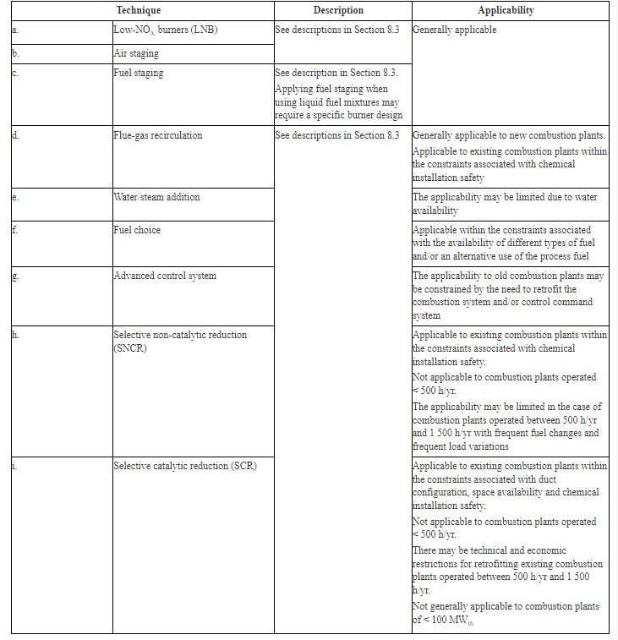 | Not Applicable | BAT 56 is not applicable. The site is not a chemical industry site.
57 | BAT for specific processes | BAT 57. In order to reduce SOX, HCl and HF emissions to air from the combustion of process fuels from the chemical industry in boilers, BAT is to use one or a combination of the techniques given below. | 5.1.4. SOX, HCl and HF emissions to air | 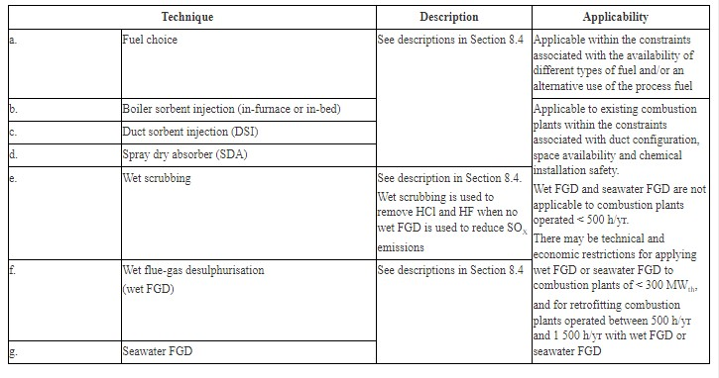 | Not Applicable | BAT 57 is not applicable. The site is not a chemical industry site.
58 | BAT for specific processes | BAT 58. In order to reduce emissions to air of dust, particulate-bound metals, and trace species from the combustion of process fuels from the chemical industry in boilers, BAT is to use one or a combination of the techniques given below. | 5.1.5. Dust and particulate-bound metal emissions to air |  | Not Applicable | BAT 58 is not applicable. The site is not a chemical industry site.
59 | BAT for specific processes | BAT 59. In order to reduce emissions to air of volatile organic compounds and polychlorinated dibenzo-dioxins and -furans from the combustion of process fuels from the chemical industry in boilers, BAT is to use one or a combination of the techniques given in BAT 6 and below. | 5.1.6. Emissions of volatile organic compounds and polychlorinated dibenzo-dioxins and -furans to air |  | Not Applicable | BAT 59 is not applicable. The site is not a chemical industry site.
60 | BAT for specific processes | BAT 60. In order to improve the general environmental performance of the co-incineration of waste in combustion plants, to ensure stable combustion conditions, and to reduce emissions to air, BAT is to use technique BAT 60 (a) below and a combination of the techniques given in BAT 6 and/or the other techniques below. | 6.1.1. General environmental performance | 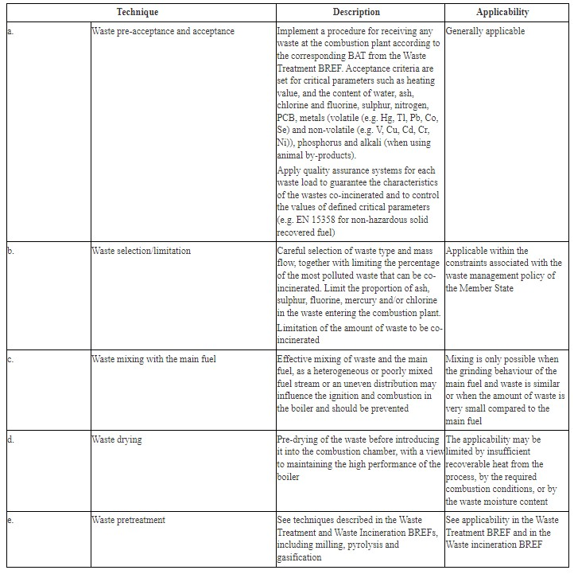 | Not Applicable | BAT 60 is not applicable. Co-incineration is not used within the combustion process on-site.
61 | BAT for specific processes | BAT 61. In order to prevent increased emissions from the co-incineration of waste in combustion plants, BAT is to take appropriate measures to ensure that the emissions of polluting substances in the part of the flue-gases resulting from waste co-incineration are not higher than those resulting from the application of BAT conclusions for the incineration of waste. | 6.1.1. General environmental performance | No text/commentary is available. | Not Applicable | BAT 61 is not applicable. Co-incineration is not used within the combustion process on-site.
62 | BAT for specific processes | BAT 62. In order to minimise the impact on residues recycling of the co-incineration of waste in combustion plants, BAT is to maintain a good quality of gypsum, ashes and slags as well as other residues, in line with the requirements set for their recycling when the plant is not co-incinerating waste, by using one or a combination of the techniques given in BAT 60 and/or by restricting the co-incineration to waste fractions with pollutant concentrations similar to those in other combusted fuels. | 6.1.1. General environmental performance | No text/commentary is available. | Not Applicable | BAT 62 is not applicable. Co-incineration is not used within the combustion process on-site.
63 | BAT for specific processes | BAT 63. In order to increase the energy efficiency of the co-incineration of waste, BAT is to use an appropriate combination of the techniques given in BAT 12 and BAT 19, depending on the main fuel type used and on the plant configuration. | 6.1.2. Energy efficiency | No text/commentary is available. | Not Applicable | BAT 63 is not applicable. Co-incineration is not used within the combustion process on-site.
64 | BAT for specific processes | BAT 64. In order to prevent or reduce NOX emissions to air while limiting CO and N2O emissions from the co-incineration of waste with coal and/or lignite, BAT is to use one or a combination of the techniques given in BAT 20. | 6.1.3. NOX and CO emissions to air | No text/commentary is available. | Not Applicable | BAT 64 is not applicable. Co-incineration is not used within the combustion process on-site.
65 | BAT for specific processes | BAT 65. In order to prevent or reduce NOX emissions to air while limiting CO and N2O emissions from the co-incineration of waste with biomass and/or peat, BAT is to use one or a combination of the techniques given in BAT 24. | 6.1.3. NOX and CO emissions to air | No text/commentary is available. | Not Applicable | BAT 65 is not applicable. Co-incineration is not used within the combustion process on-site.
66 | BAT for specific processes | BAT 66. In order to prevent or reduce SOX, HCl and HF emissions to air from the co-incineration of waste with coal and/or lignite, BAT is to use one or a combination of the techniques given in BAT 21. | 6.1.4. SOX, HCl and HF emissions to air | No text/commentary is available. | Not Applicable | BAT 66 is not applicable. Co-incineration is not used within the combustion process on-site.
67 | BAT for specific processes | BAT 67. In order to prevent or reduce SOX, HCl and HF emissions to air from the co-incineration of waste with biomass and/or peat, BAT is to use one or a combination of the techniques given in BAT 25. | 6.1.4. SOX, HCl and HF emissions to air | No text/commentary is available. | Not Applicable | BAT 67 is not applicable. Co-incineration is not used within the combustion process on-site.
68 | BAT for specific processes | BAT 68. In order to reduce dust and particulate-bound metal emissions to air from the co-incineration of waste with coal and/or lignite, BAT is to use one or a combination of the techniques given in BAT 22. | 6.1.5. Dust and particulate-bound metal emissions to air |  | Not Applicable | BAT 68 is not applicable. Co-incineration is not used within the combustion process on-site.
69 | BAT for specific processes | BAT 69. In order to reduce dust and particulate-bound metal emissions to air from the co-incineration of waste with biomass and/or peat, BAT is to use one or a combination of the techniques given in BAT 26. | 6.1.5. Dust and particulate-bound metal emissions to air | No text/commentary is available. | Not Applicable | BAT 69 is not applicable. Co-incineration is not used within the combustion process on-site.
70 | BAT for specific processes | BAT 70. In order to reduce mercury emissions to air from the co-incineration of waste with biomass, peat, coal and/or lignite, BAT is to use one or a combination of the techniques given in BAT 23 and BAT 27. | 6.1.6. Mercury emissions to air | No text/commentary is available. | Not Applicable | BAT 70 is not applicable. Co-incineration is not used within the combustion process on-site.
71 | BAT for specific processes | BAT 71. In order to reduce emissions of volatile organic compounds and polychlorinated dibenzo-dioxins and -furans to air from the co-incineration of waste with biomass, peat, coal and/or lignite, BAT is to use a combination of the techniques given in BAT 6, BAT 26 and below. | 6.1.7. Emissions of volatile organic compounds and polychlorinated dibenzo-dioxins and -furans to air |  | Not Applicable | BAT 71 is not applicable. Co-incineration is not used within the combustion process on-site.
72 | BAT for specific processes | BAT 72. In order to increase the energy efficiency of IGCC and gasification units, BAT is to use one or a combination of the techniques given in BAT 12 and below. | 7.1.1. Energy efficiency | 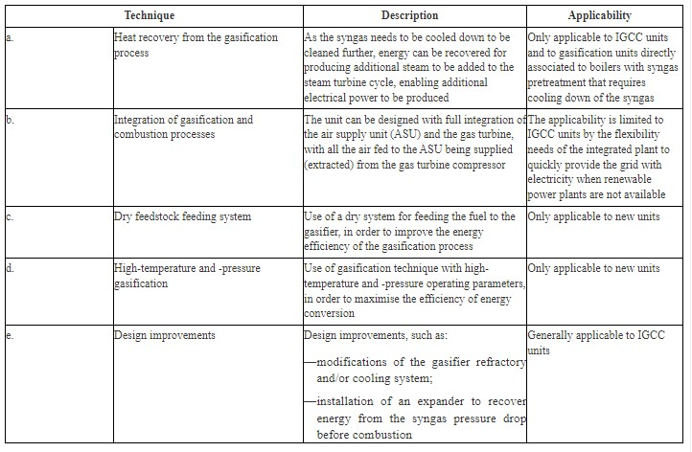 | Not Applicable | BAT 72 is not applicable. Co-incineration is not used within the combustion process on-site.
73 | BAT for specific processes | BAT 73. In order to prevent and/or reduce NOX emissions to air while limiting CO emissions to air from IGCC plants, BAT is to use one or a combination of the techniques given below. | 7.1.2. NOX and CO emissions to air | 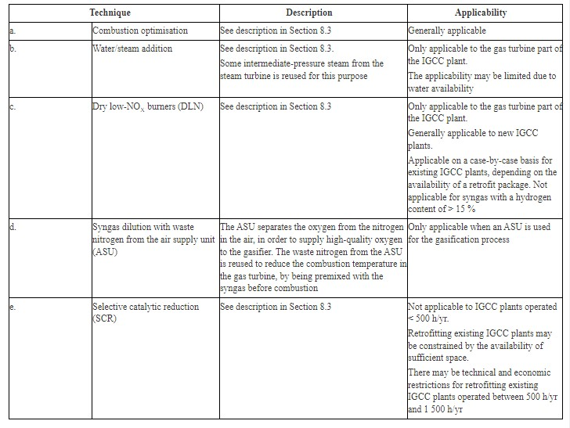 | Not Applicable | BAT 73 is not applicable. There are no IGCC plants present on-site.
74 | BAT for specific processes | BAT 74. In order to reduce SOX emissions to air from IGCC plants, BAT is to use the technique given below. | 7.1.3. SOX emissions to air |  | Not Applicable | BAT 74 is not applicable. There are no IGCC plants present on-site.
75 | BAT for specific processes | BAT 75. In order to prevent or reduce dust, particulate-bound metal, ammonia and halogen emissions to air from IGCC plants, BAT is to use one or a combination of the techniques given below. | 7.1.4. Dust, particulate-bound metal, ammonia and halogen emissions to air |  | Not Applicable | BAT 75 is not applicable. There are no IGCC plants present on-site.

