Receptors
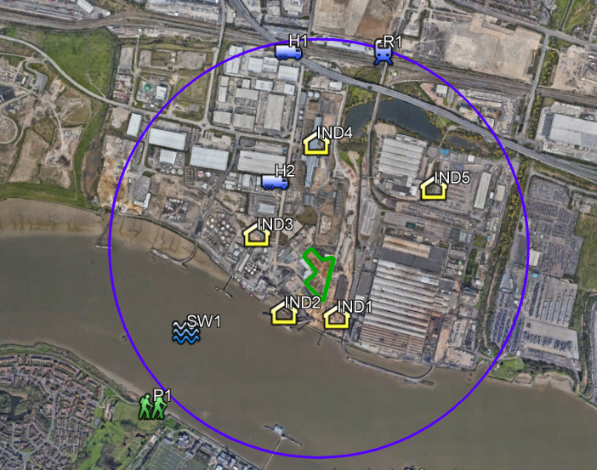
Receptor | Label reference | Type | Distance and Direction from Permitted site
Thames Path | P1 | Recreational | 850m SW to SE
Hanson | IND1 | Commercial | Adjoining N, E and S
Eurovia Roadstone | IND2 | Commercial | 100m SW
R Whites Waste Management | IND3 | Commercial | 165m NW
Barking Reach Power Station | IND4 | Commercial | 290m N
Ford Industrial Park | IND5 | Commercial | 400m SE
Manns Waste Management |  | Commercial | Adjoining NW
Edwards Recycling |  | Commercial | Adjoining SW
A13 | H1 | Road | 860m N
Chequers Lane | H2 | Road | 120m W
Railway | R1 | Rail | 930 N
River Thames | SW1 | Surface Water | 150m SW

There are no European Designations (SAC, SPA, Ramsar), SSSI's, Nature Reserves within 2km of the site.
The whole of the London Borough of Barking and Dagenham is an Air Quality Management Area
There are no Scheduled Monuments within the local area.
Crossness Nature Reserve is 1km south of the site. Scrattons Park Eco Park and Extension LNR is 1.5km north west of the site and Beam Valley LNR is 1.8km north east of the site.

The bedrock geology is a Secondary A aquifer
The superficial deposits are a secondary undifferentiated aquifer

 |  |  |  | Predominant wind is from the South West

