Sheet1
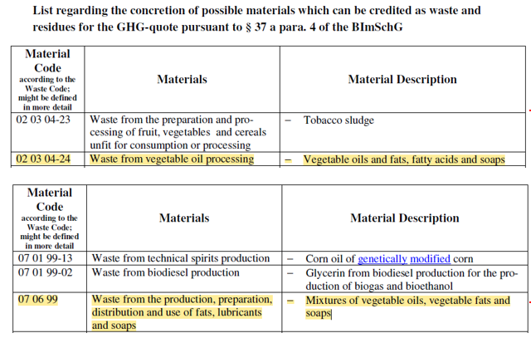
07 | WASTES FROM ORGANIC CHEMICAL PROCESSES | Additional classification for 99 list of waste codes, base on information provided by the waste producer.

07 01 | wastes from the manufacture, formulation, supply and use (MFSU) of basic organic chemicals
07 01 99 | wastes not otherwise specified | Decription - Corn oil of genetically modified corn. Not otherwise specified in the 07 01 chapter.

07 06 | wastes from the MFSU of fats, grease, soaps, detergents, disinfectants and cosmetics
07 06 99 | wastes not otherwise specified | Description - Mixtures of vegetable oils, vegetbale fats and soaps. Not otherwise specified under 07 06 chapter.
 |  | Description - Glycerin from biodiesel production for the production of biogas and bioethanol

 | In summary a review of both the wastes using WM3 technical guidance, shows waste from this industrial process chapter and subchapters are not otherwise listed.

