Sheet1
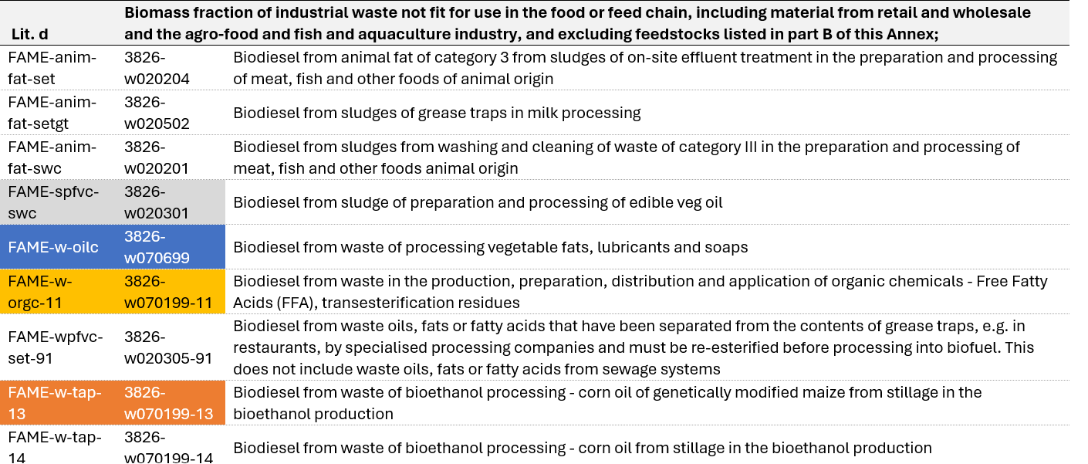
2 | WASTES FROM AGRICULTURE, HORTICULTURE, AQUACULTURE, FORESTRY, HUNTING AND FISHING, FOOD PREPARATION AND PROCESSING
02 01 | Wastes from agriculture, horticulture, aquaculture, forestry, hunting and fishing
02 01 03 | plant-tissue waste
02 03 | wastes from fruit, vegetables, cereals, edible oils, cocoa, coffee, tplant-tissue waste and tobacco preparation and processing; conserve plant-tissue waste and tobacco preparation and processing; conserve production; yeast production; yeast extract production, molasses preparation and fermentation

02 03 01 | sludges from washing, cleaning, peeling, centrifuging and separation
02 03 03 | wastes from solvent extraction
02 03 05 | sludges from on-site effluent treatment

07 | WASTES FROM ORGANIC CHEMICAL PROCESSES
07 01 | wastes from the manufacture, formulation, supply and use (MFSU) of basic organic chemicals
07 01 99 | wastes not otherwise specified
07 06 | wastes from the MFSU of fats, grease, soaps, detergents, disinfectants and cosmetics
07 06 99 | wastes not otherwise specified

