DayHGVs
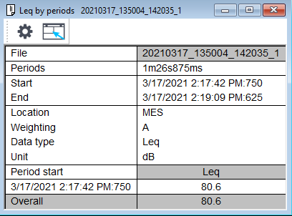
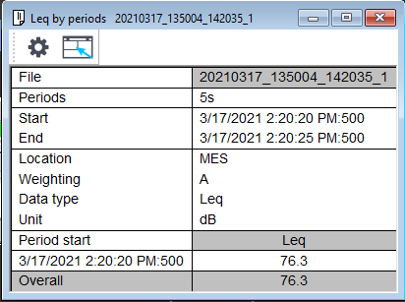
ARRIVE |  | MANEOUVRE |  |  | TIPPING |  |  |  |  | DEPART
File | 20210317_135004_142035_1 | File | 20210317_135004_142035_1
Periods | 23s | Periods | 13s375ms
Start | 3/17/2021 2:17:06 PM:500 | Start | 3/17/2021 2:17:17 PM:125
End | 3/17/2021 2:17:29 PM:500 | End | 3/17/2021 2:17:30 PM:500
Location | MES | Location | MES
Weighting | A | Weighting | A
Data type | Leq | Data type | Leq
Unit | dB | Unit | dB
Period start | Leq | Period start | Leq
3/17/2021 2:17:06 PM:500 | 77.3 | 3/17/2021 2:17:17 PM:125 | 76.9
Overall | 77.3 | Overall | 76.9
 |  |  |  |  |  |  | Leq | 80.6 |  |  | 76.3

SEL | 90.9 |  | 88.0 |  |  |  |  | 100.0 |  |  | 95.7
Quantity | 14.8 |  | 14.8 |  |  |  |  | 14.8 |  |  | 14.8

Distance | -32.7 |  | -32.7 |  |  |  |  | -32.7 |  |  | -32.7
Screening | -15.0 |  | -20.0 |  |  |  |  | -20.0 |  |  | -15.0
Time | -35.6 |  | -35.6 |  |  |  |  | -35.6 |  |  | -35.6
Character correction |  |  | 6 | tone |  |  |  | 9 | impulse
Total | 22.4 |  | 20.5 |  |  |  |  | 35.5 |  |  | 27.2

 | 173.3414379 |  | 112.4910346 |  |  |  |  | 3521.2252821 |  |  | 520.82738514

 |  |  |  |  | Total | 36.362757263

