Hepworth 2020 - Creamery Meas
 | Creamery

 | Measurements Hepworth Acoustics during 2020 Survey Visits.

Assessment Data Ref. |  |  |  |  |  |  |  | Noise Level L90, dB - LINEAR
 |  |  |  |  |  |  |  | Third octave Band Centre Frequency (Hz)
 | Plan Location | Mic Location | Measurement Notes | LAeq | LAFmax | LA10 | LA90 | 25 | 31.5 | 40 | 50 | 63 | 80 | 100 | 125 | 160 | 200 | 250 | 315 | 400 | 500 | 630 | 800 | 1000 | 1250 | 1600 | 2000 | 2500 | 3150 | 4000 | 5000 | 6300 | 8000 | 10000 | 12500 | 16000 | 20000
2020_Hep__CRM_1a | 1 | ground level | to 'quiet' side of silos | 61.3 | 72.5 | 60.8 | 59.9 | 50.5 | 57.3 | 58.0 | 59.2 | 54.7 | 48.7 | 47.6 | 48.8 | 51.7 | 53.2 | 56.7 | 51.7 | 50.8 | 51.0 | 51.2 | 53.7 | 51.5 | 48.2 | 44.1 | 41.4 | 37.8 | 36.5 | 35.9 | 28.9 | 24.3 | 23.0 | 13.9 | 10.5 | 9.8 | 9.8
2020_Hep__CRM_1b |  | ~8m up |  | 58.3 | 60.2 | 58.8 | 57.6 | 54.7 | 57.3 | 63.5 | 53.4 | 58.6 | 54.8 | 50.8 | 48.5 | 47.7 | 48.5 | 49.0 | 50.9 | 47.9 | 50.0 | 50.0 | 50.0 | 49.8 | 46.7 | 43.8 | 43.6 | 41.2 | 37.5 | 35.6 | 31.7 | 25.4 | 20.1 | 14.9 | 10.9 | 9.9 | 9.9
2020_Hep__CRM_2a | 2 | ~8m up, maybe 2-4m from agitator | difficult to be sure what's going on, but measurements typically believed to be mostly due to nearest agitator…. where >72 more stuff going on, where <70 less residual noise/less plant..... All agitators on/off on fairly short cycles | 71.8 | 73.2 | 72.4 | 71.2 | 50.9 | 56.6 | 57.4 | 58.1 | 60.0 | 63.3 | 58.8 | 50.7 | 51.9 | 54.5 | 61.7 | 58.6 | 57.8 | 62.6 | 62.0 | 65.6 | 61.8 | 63.2 | 60.5 | 55.8 | 51.0 | 46.2 | 44.5 | 39.0 | 33.5 | 30.3 | 25.9 | 22.1 | 13.5 | 9.8
2020_Hep__CRM_2b |  | ~8m up, maybe 2-4m from agitator |  | 72.0 | 73.8 | 73.1 | 71.0 | 52.8 | 56.6 | 57.3 | 58.7 | 60.2 | 62.7 | 57.8 | 51.2 | 53.1 | 55.0 | 60.8 | 57.6 | 57.1 | 62.8 | 62.3 | 65.0 | 61.3 | 63.2 | 59.7 | 55.9 | 50.9 | 46.3 | 44.7 | 39.2 | 33.7 | 30.7 | 26.6 | 22.6 | 14.0 | 9.8
2020_Hep__CRM_2c |  | ~8m up, maybe 2-4m from agitator |  | 72.5 | 74.1 | 73.2 | 71.7 | 52.4 | 58.2 | 57.5 | 59.4 | 62.0 | 63.2 | 58.7 | 50.7 | 52.6 | 54.3 | 60.4 | 57.1 | 57.9 | 62.6 | 64.4 | 66.3 | 61.2 | 62.1 | 61.2 | 56.9 | 51.6 | 46.6 | 45.0 | 39.5 | 34.6 | 31.1 | 27.3 | 23.4 | 15.0 | 9.8
2020_Hep__CRM_3a | 3 | ~8m up, maybe 2-4m from agitator |  | 73.2 | 76.8 | 74.6 | 72.0 | 52.9 | 57.6 | 58.3 | 60.3 | 62.8 | 64.0 | 60.8 | 52.7 | 52.4 | 54.4 | 60.4 | 56.8 | 58.7 | 62.4 | 63.3 | 67.8 | 62.3 | 62.3 | 60.8 | 57.0 | 51.8 | 47.0 | 45.6 | 40.1 | 35.5 | 31.6 | 27.5 | 23.5 | 15.3 | 9.9
2020_Hep__CRM_3b |  | ~8m up, maybe 2-4m from agitator |  | 78.9 | 81.2 | 80.1 | 77.3 | 53.2 | 55.0 | 53.7 | 55.2 | 59.6 | 65.6 | 59.2 | 55.6 | 54.3 | 55.8 | 58.0 | 57.4 | 61.2 | 63.3 | 62.9 | 75.9 | 70.5 | 59.0 | 58.2 | 57.0 | 53.5 | 52.2 | 49.9 | 45.8 | 44.5 | 43.8 | 41.8 | 38.3 | 38.0 | 36.6
2020_Hep__CRM_3c |  | ~8m up, maybe 2-4m from agitator |  | 75.3 | 80.7 | 78.2 | 72.3 | 54.3 | 57.4 | 54.0 | 55.2 | 59.7 | 66.9 | 60.9 | 55.3 | 52.9 | 55.0 | 58.6 | 59.5 | 62.1 | 64.7 | 63.2 | 68.1 | 64.2 | 58.5 | 58.2 | 56.5 | 52.6 | 51.5 | 48.9 | 44.9 | 42.7 | 41.7 | 39.1 | 35.2 | 34.2 | 32.5
2020_Hep__CRM_4a | 4 | ~8m up, maybe 2-4m from agitator |  | 70.2 | 71.8 | 70.8 | 69.3 | 56.7 | 59.0 | 55.8 | 58.5 | 62.6 | 57.1 | 57.6 | 53.1 | 54.2 | 55.3 | 57.9 | 60.1 | 57.7 | 59.5 | 61.8 | 64.4 | 61.4 | 56.8 | 55.5 | 53.2 | 49.8 | 48.8 | 46.5 | 42.4 | 39.8 | 38.8 | 35.4 | 31.1 | 29.6 | 26.4
2020_Hep__CRM_4b |  | ~8m up, maybe 2-4m from agitator |  | 69.8 | 71.7 | 70.8 | 68.2 | 54.6 | 56.1 | 54.8 | 58.4 | 62.3 | 58.2 | 54.2 | 51.4 | 54.4 | 54.6 | 57.5 | 59.6 | 57.7 | 58.3 | 59.0 | 63.7 | 61.7 | 56.5 | 54.4 | 52.1 | 47.9 | 47.1 | 44.1 | 39.6 | 36.0 | 34.9 | 31.9 | 27.8 | 26.4 | 23.8
2020_Hep__CRM_4c |  | ~8m up, maybe 2-4m from agitator |  | 65.7 | 69.7 | 67.2 | 64.1 | 56.1 | 56.3 | 55.1 | 53.8 | 51.4 | 48.6 | 51.7 | 53.8 | 50.8 | 53.1 | 56.8 | 55.3 | 53.6 | 55.6 | 53.9 | 57.4 | 55.5 | 52.9 | 50.6 | 48.4 | 45.3 | 44.3 | 41.6 | 36.8 | 33.5 | 32.5 | 29.4 | 24.5 | 23.0 | 19.5
2020_Hep__CRM_5 | 5 | ~6m up, ~3m laterally from silo | water tanks…. no agitation, no noise | 64.0 | 64.7 | 64.4 | 63.6 | 58.0 | 59.9 | 60.8 | 62.2 | 64.6 | 65.6 | 59.2 | 59.2 | 60.1 | 55.3 | 57.6 | 58.4 | 57.6 | 55.0 | 54.5 | 53.8 | 53.3 | 51.6 | 50.3 | 49.0 | 48.4 | 47.1 | 44.2 | 39.0 | 34.1 | 29.0 | 23.1 | 18.2 | 9.8 | 9.8
2020_Hep__CRM_6 | 6 | ~6m up, ~3m laterally from silo |  | 66.3 | 67.5 | 66.8 | 65.9 | 57.1 | 57.7 | 60.3 | 63.8 | 65.7 | 68.7 | 60.7 | 61.5 | 63.5 | 58.4 | 58.2 | 58.9 | 58.0 | 57.8 | 56.7 | 55.8 | 55.1 | 53.8 | 52.7 | 52.2 | 53.2 | 51.3 | 46.9 | 41.3 | 37.0 | 32.1 | 26.0 | 21.7 | 11.5 | 9.8
2020_Hep__CRM_7 | 7 | ~6m up, opposite side of site route |  | 66.1 | 67.0 | 66.6 | 65.5 | 61.0 | 64.7 | 59.7 | 60.8 | 63.7 | 64.6 | 60.4 | 60.9 | 61.9 | 58.2 | 58.9 | 59.4 | 57.5 | 57.1 | 57.1 | 55.7 | 55.5 | 53.3 | 52.6 | 51.5 | 52.5 | 50.8 | 47.3 | 42.3 | 37.9 | 32.6 | 26.7 | 21.7 | 11.8 | 9.8
2020_Hep__CRM_8 | 8 | ~6m up, bit south, looking towards noisier area |  | 70.9 | 72.1 | 71.5 | 70.2 | 66.8 | 63.8 | 63.1 | 67.0 | 73.2 | 76.7 | 63.0 | 62.4 | 64.6 | 59.8 | 65.5 | 64.1 | 61.1 | 61.6 | 60.6 | 60.5 | 60.1 | 57.6 | 55.4 | 57.0 | 58.2 | 55.7 | 51.0 | 45.7 | 42.0 | 37.1 | 32.6 | 29.8 | 24.7 | 21.8
2020_Hep__CRM_9a | 9 | ~6m up | probably during CIP (cleaning) - more noise…........... All agitators inside buildings | 67.5 | 69.9 | 69.1 | 66.2 | 63.3 | 58.2 | 61.2 | 65.6 | 62.9 | 60.8 | 63.2 | 63.2 | 62.4 | 61.4 | 62.2 | 61.0 | 64.0 | 57.5 | 56.5 | 56.0 | 52.8 | 52.4 | 50.6 | 49.6 | 47.2 | 46.1 | 43.6 | 39.5 | 37.0 | 34.5 | 32.3 | 25.3 | 19.0 | 13.4
2020_Hep__CRM_10a | 10 | ~6m up |  | 62.5 | 69.5 | 63.0 | 61.5 | 68.5 | 65.2 | 64.0 | 65.2 | 63.2 | 59.5 | 60.5 | 59.2 | 57.8 | 56.6 | 60.8 | 57.6 | 56.2 | 51.9 | 50.9 | 49.9 | 48.4 | 49.3 | 46.9 | 45.8 | 43.5 | 42.3 | 40.6 | 38.2 | 35.5 | 32.8 | 30.3 | 26.6 | 26.6 | 28.3
2020_Hep__CRM_11a | 11 | ~6m up |  | 68.5 | 71.4 | 69.0 | 67.8 | 59.2 | 56.9 | 61.5 | 63.6 | 62.3 | 63.8 | 65.2 | 67.0 | 65.2 | 64.5 | 66.5 | 65.5 | 65.0 | 58.3 | 56.2 | 54.4 | 53.1 | 52.6 | 51.7 | 49.1 | 47.1 | 49.9 | 48.8 | 46.4 | 42.2 | 37.3 | 33.2 | 28.3 | 22.9 | 16.5
2020_Hep__CRM_12a | 12 | ~6m up |  | 72.6 | 74.0 | 73.2 | 72.0 | 65.7 | 64.4 | 62.8 | 65.1 | 64.5 | 65.9 | 68.0 | 67.2 | 66.3 | 67.7 | 69.7 | 70.5 | 70.8 | 61.8 | 59.7 | 57.9 | 57.0 | 56.5 | 54.5 | 53.1 | 51.7 | 54.5 | 52.8 | 49.5 | 44.7 | 41.2 | 36.8 | 31.8 | 25.9 | 19.7
2020_Hep__CRM_13a | 13 | ~6m up |  | 69.0 | 72.7 | 70.7 | 66.9 | 62.0 | 60.6 | 58.9 | 58.5 | 56.6 | 56.7 | 57.3 | 55.7 | 57.3 | 55.5 | 58.0 | 55.3 | 60.8 | 54.9 | 53.4 | 56.7 | 54.3 | 56.5 | 54.7 | 56.0 | 53.6 | 48.0 | 44.6 | 41.0 | 36.7 | 31.0 | 25.4 | 20.7 | 14.8 | 9.9
2020_Hep__CRM_14a | 14 | ~6m up |  | 67.8 | 69.0 | 68.4 | 67.0 | 60.3 | 59.6 | 58.3 | 63.4 | 63.0 | 59.3 | 59.3 | 55.0 | 55.8 | 55.0 | 57.9 | 56.6 | 58.9 | 58.9 | 56.0 | 54.8 | 54.6 | 54.2 | 54.7 | 57.1 | 56.6 | 54.9 | 53.2 | 52.2 | 49.5 | 46.5 | 41.8 | 36.4 | 29.1 | 19.2
2020_Hep__CRM_9b | 9 | ground level | no CIP, more representative - no apparent high level source…................. All agitators inside buildings | 62.2 | 73.0 | 63.4 | 58.6 | 57.9 | 60.5 | 57.4 | 61.5 | 59.9 | 59.4 | 56.7 | 55.9 | 59.2 | 56.9 | 53.0 | 51.2 | 51.2 | 50.8 | 48.3 | 48.5 | 48.5 | 47.7 | 46.0 | 45.2 | 43.9 | 41.9 | 38.6 | 34.0 | 32.4 | 30.1 | 26.3 | 22.9 | 18.2 | 12.8
2020_Hep__CRM_10b | 10 | ground level |  | 55.5 | 60.6 | 56.6 | 54.6 | 64.6 | 63.8 | 60.6 | 63.5 | 58.8 | 56.0 | 54.7 | 50.5 | 53.3 | 52.0 | 51.6 | 47.1 | 45.1 | 45.3 | 44.0 | 43.6 | 43.2 | 43.7 | 41.9 | 41.7 | 39.1 | 36.7 | 33.4 | 29.0 | 26.4 | 22.7 | 18.9 | 14.8 | 12.1 | 9.9
2020_Hep__CRM_11b | 11 | ground level |  | 58.1 | 63.1 | 59.6 | 56.7 | 54.9 | 55.1 | 54.8 | 56.2 | 54.1 | 55.9 | 53.8 | 52.4 | 53.9 | 50.9 | 50.2 | 47.4 | 48.1 | 48.3 | 47.5 | 46.9 | 46.5 | 46.2 | 45.6 | 43.4 | 40.7 | 39.0 | 37.5 | 34.5 | 30.3 | 28.1 | 22.1 | 17.3 | 11.3 | 9.8
2020_Hep__CRM_12b | 12 | ground level |  | 61.4 | 68.6 | 64.2 | 58.2 | 64.8 | 63.6 | 61.2 | 66.3 | 62.1 | 61.2 | 61.8 | 53.6 | 55.9 | 53.9 | 53.8 | 50.3 | 49.7 | 51.0 | 48.2 | 46.6 | 47.1 | 46.4 | 46.1 | 44.2 | 42.6 | 40.3 | 38.6 | 35.4 | 31.9 | 29.2 | 23.7 | 20.0 | 15.2 | 12.2
2020_Hep__CRM_13b | 13 | ground level |  | 60.4 | 66.6 | 62.4 | 58.5 | 68.1 | 65.6 | 64.7 | 66.7 | 63.4 | 62.8 | 59.1 | 54.3 | 54.9 | 54.3 | 54.9 | 51.3 | 51.9 | 51.8 | 48.0 | 46.8 | 46.6 | 46.6 | 45.6 | 44.3 | 43.5 | 40.6 | 38.8 | 36.1 | 32.3 | 29.8 | 24.6 | 20.7 | 15.5 | 11.1
2020_Hep__CRM_14b | 14 | ground level |  | 60.8 | 64.2 | 61.4 | 60.2 | 67.1 | 69.6 | 66.3 | 69.0 | 63.9 | 59.0 | 57.9 | 56.3 | 56.7 | 56.2 | 56.5 | 52.1 | 52.7 | 53.5 | 49.9 | 48.8 | 47.5 | 47.5 | 47.0 | 46.7 | 45.9 | 43.2 | 41.1 | 38.0 | 35.4 | 31.9 | 27.8 | 24.4 | 19.3 | 13.6
2020_Hep__CRM_15 | 15 | inside | reverberant level in whey silo house | 82.3 | 84.0 | 83.4 | 81.5 | 55.6 | 59.0 | 58.4 | 64.0 | 61.3 | 68.6 | 72.5 | 67.6 | 72.3 | 76.6 | 72.9 | 71.6 | 72.4 | 71.3 | 70.8 | 71.7 | 71.2 | 69.9 | 70.6 | 69.0 | 69.8 | 68.8 | 67.8 | 63.9 | 62.2 | 60.4 | 54.9 | 53.9 | 48.1 | 41.9

 | Measurement Locations:

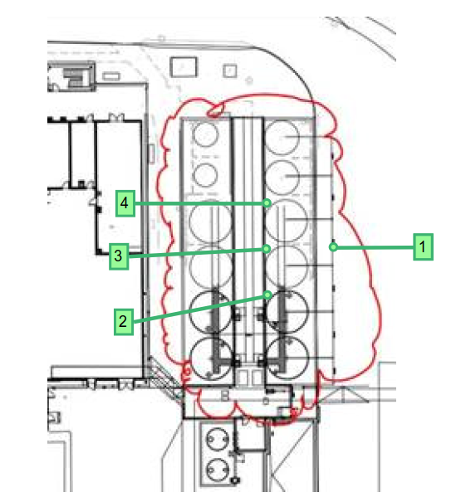
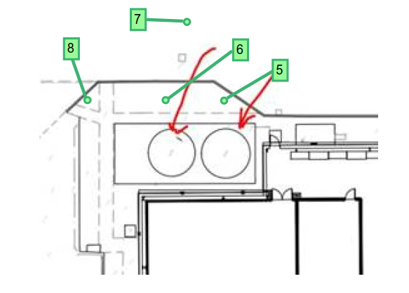
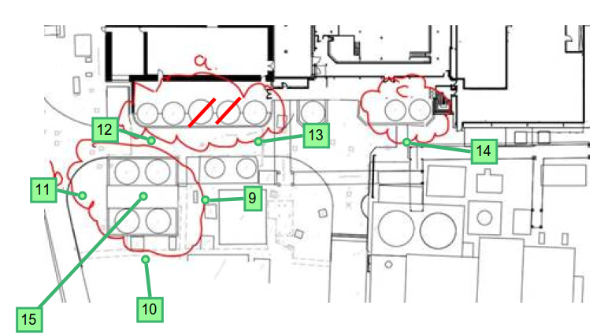
 | Milk Silos and Agitators NW corner of site |  |  | Water Tanks West Side of Site |  |  |  |  |  |  |  |  |  |  | Silos etc SE side of site
 | Locations 1 to 4 |  |  | Locations 5 to 8 |  |  |  |  |  |  |  |  |  |  | Locations 10 to 15

Hepworth 2021 - Creamery Meas
 | Creamery

 | Measurements Hepworth Acoustics during 2021 Survey Visits.

Assessment Data Ref. |  |  |  |  |  |  |  | Noise Level L90, dB - LINEAR
 |  |  |  |  |  |  |  | Third octave Band Centre Frequency (Hz)
 | Plan Location | Mic Location | Measurement Notes | LAeq | LAFmax | LA10 | LA90 | 25 | 31.5 | 40 | 50 | 63 | 80 | 100 | 125 | 160 | 200 | 250 | 315 | 400 | 500 | 630 | 800 | 1000 | 1250 | 1600 | 2000 | 2500 | 3150 | 4000 | 5000 | 6300 | 8000 | 10000 | 12500 | 16000 | 20000
2021_Hep__CRM_2_3_4 | Equivalent to 2, 3 and 4 of 2020 survey | 1m from Milk Permate Silo Agitator | definitive' agitator level - Mic elevated above silo | 70 | 71 | 71 | 70 | 52 | 59 | 56 | 58 | 62 | 61 | 74 | 57 | 55 | 59 | 61 | 57 | 56 | 58 | 63 | 63 | 61 | 58 | 59 | 57 | 52 | 52 | 50 | 43 | 41 | 38 | 35 | 29 | 24 | 17
2021_Hep__CRM_16 | 24 | 1m from Cream Silo agitator / mixer | Mic Elevated above cream silo | 69 | 70 | 69 | 68 | 53 | 53 | 52 | 53 | 54 | 54 | 57 | 59 | 60 | 61 | 62 | 61 | 56 | 57 | 67 | 57 | 56 | 55 | 54 | 47 | 49 | 48 | 43 | 37 | 28 | 27 | 22 | 16 | 14 | 10
2021_Hep__CRM_17 | 25 | Outside GOS Bulk Loading CIP Container | No noise audible | - | - | - | - | - | - | - | - | - | - | - | - | - | - | - | - | - | - | - | - | - | - | - | - | - | - | - | - | - | - | - | - | - | -
2021_Hep__CRM_18 | 26 | Inside GOS Bulk Loading CIP Container | Internal Reverberant level | 58 | 59 | 58 | 57 | 61 | 58 | 53 | 60 | 51 | 58 | 55 | 52 | 44 | 42 | 43 | 45 | 43 | 48 | 48 | 48 | 49 | 47 | 45 | 43 | 44 | 41 | 40 | 40 | 32 | 26 | 21 | 19 | 20 | 13
2021_Hep__CRM_19 | 27 | Inside Lagoon Hut | Lagoon is covered; no noise. Some noise from hut, but low against residual, hence measurement inside hut - Octave Bands not 1/3rds | 58 | 61 | 58 | 57 | 64 |  |  | 63 |  |  | 62 |  |  | 53 |  |  | 55 |  |  | 51 |  |  | 46 |  |  | 41 |  |  | 34 |  |  | 20
2021_Hep__CRM_20 | 28 | 1m in front Lagoon OCU motor | No appreciable noise from actual tank, just the motor | 73 | 74 | 74 | 73 | 62 | 63 | 61 | 67 | 63 | 63 | 61 | 56 | 63 | 58 | 61 | 64 | 61 | 62 | 63 | 64 | 64 | 64 | 63 | 61 | 56 | 52 | 49 | 46 | 43 | 41 | 38 | 34 | 37 | 27
2021_Hep__CRM_21 | 29 | 1m to side of Lagoon OCU motor |  | 72 | 74 | 73 | 71 | 62 | 62 | 59 | 67 | 62 | 61 | 60 | 57 | 64 | 58 | 60 | 64 | 59 | 63 | 64 | 63 | 61 | 61 | 60 | 60 | 55 | 51 | 48 | 44 | 40 | 38 | 35 | 34 | 33 | 27
2021_Hep__CRM_22 | 30 | 10m from HGV pass - On creamery haul route | Source | 71 | 76 | 74 | 61 | 65 | 64 | 63 | 68 | 64 | 65 | 66 | 63 | 59 | 58 | 55 | 54 | 53 | 52 | 50 | 53 | 52 | 51 | 48 | 48 | 46 | 45 | 44 | 43 | 40 | 36 | 32 | 28 | 21 | 13
2021_Hep__CRM_23 | 31 | Background for above | Residual | 60 | 64 | 60 | 59 | 61 | 59 | 56 | 62 | 61 | 62 | 65 | 55 | 54 | 53 | 52 | 50 | 49 | 48 | 47 | 48 | 48 | 49 | 46 | 45 | 44 | 42 | 41 | 40 | 37 | 33 | 28 | 23 | 17 | 10
2021_Hep__CRM_24 | 32 | 10m from HGV pass - On creamery haul route | Source | 70 | 73 | 72 | 61 | 55 | 53 | 55 | 57 | 55 | 54 | 58 | 53 | 51 | 57 | 55 | 51 | 50 | 52 | 53 | 53 | 51 | 50 | 51 | 47 | 45 | 42 | 41 | 37 | 36 | 34 | 33 | 28 | 25 | 20
2021_Hep__CRM_25 | 33 | Background for above | Residual | 56 | 59 | 56 | 55 | 52 | 51 | 51 | 54 | 51 | 49 | 64 | 48 | 46 | 47 | 46 | 40 | 41 | 45 | 47 | 47 | 44 | 41 | 38 | 36 | 34 | 33 | 34 | 31 | 33 | 33 | 32 | 30 | 26 | 24
2021_Hep__CRM_26 | 34 | Inside pumphouse | Pumphouse measures ~ 7m x 1.8m x 2.5m | 81 | 82 | 82 | 81 | 52 | 52 | 52 | 57 | 52 | 48 | 55 | 64 | 68 | 66 | 69 | 67 | 68 | 70 | 70 | 71 | 71 | 70 | 69 | 67 | 68 | 67 | 69 | 65 | 62 | 62 | 56 | 55 | 56 | 46
2021_Hep__CRM_27 | 35 | 1m outside of pumphouse |  | 61 | 62 | 62 | 60 | 61 | 51 | 53 | 64 | 55 | 48 | 49 | 51 | 49 | 56 | 65 | 50 | 50 | 51 | 48 | 48 | 49 | 48 | 47 | 46 | 46 | 43 | 43 | 41 | 36 | 33 | 27 | 23 | 20 | 11
2021_Hep__CRM_28 | 36 | 5m to side truck while pumping | Trucks tend to (maybe need to) idle when pumping; this is therefore idling noise | 68 | 69 | 69 | 68 | 65 | 55 | 62 | 77 | 59 | 52 | 55 | 57 | 52 | 56 | 57 | 53 | 56 | 61 | 58 | 59 | 59 | 58 | 57 | 57 | 55 | 52 | 50 | 48 | 42 | 40 | 37 | 34 | 30 | 24
2021_Hep__CRM_29 | 37 | 5m to front of truck while pumping |  | 68 | 70 | 69 | 68 | 56 | 55 | 56 | 68 | 59 | 54 | 55 | 58 | 51 | 53 | 54 | 51 | 54 | 61 | 59 | 62 | 59 | 57 | 56 | 55 | 54 | 49 | 48 | 45 | 39 | 37 | 33 | 31 | 26 | 21

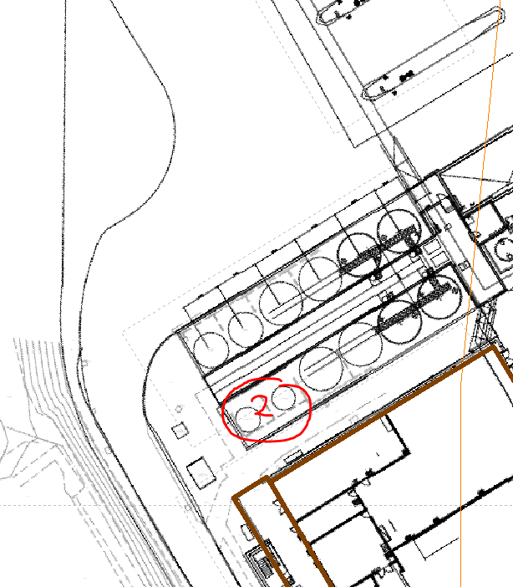
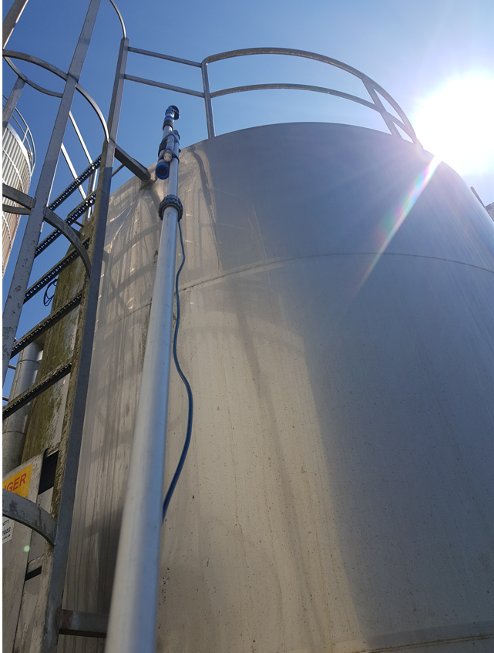
24
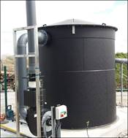
29
28
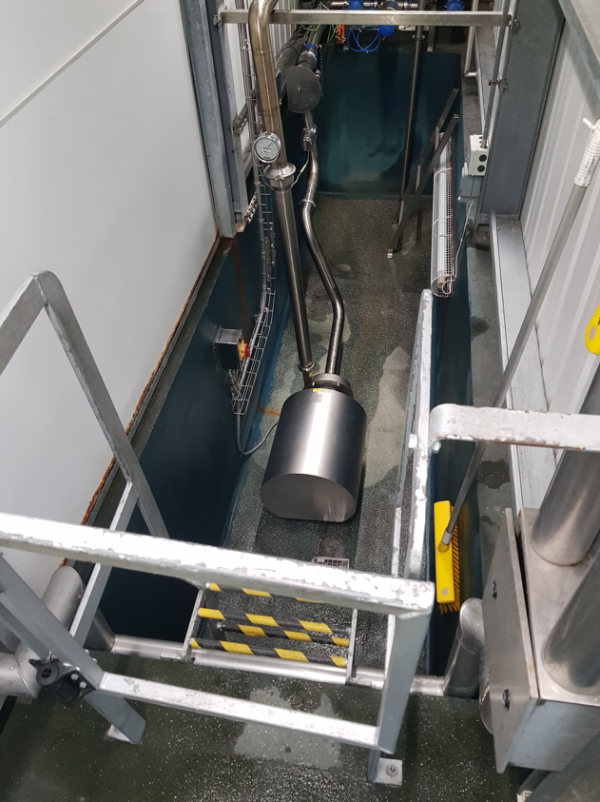
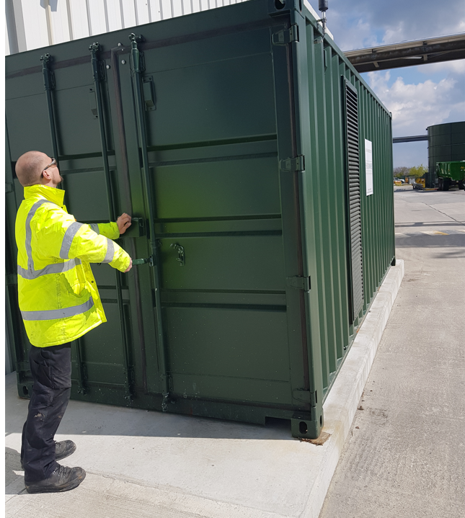
25
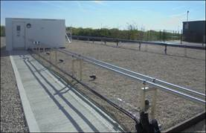
27
 | Milk Permate Silo Agitator |  |  | Cream Silo Agitator / Mixer |  |  |  |  |  |  |  |  |  |  | GOS Bulk Loading Containerised CIP: |  |  |  |  |  | Lagoon Hut |  |  |  |  |  |  | Lagoon OCU |  |  |  |  |  | Milk Pump Room
 | 2021_Hep__CRM_2_3_4
 | Equivalent to Locations 2,3,4 form 202 survey: |  |  | Location 2: |  |  |  |  |  |  |  |  |  |  | Outside

34

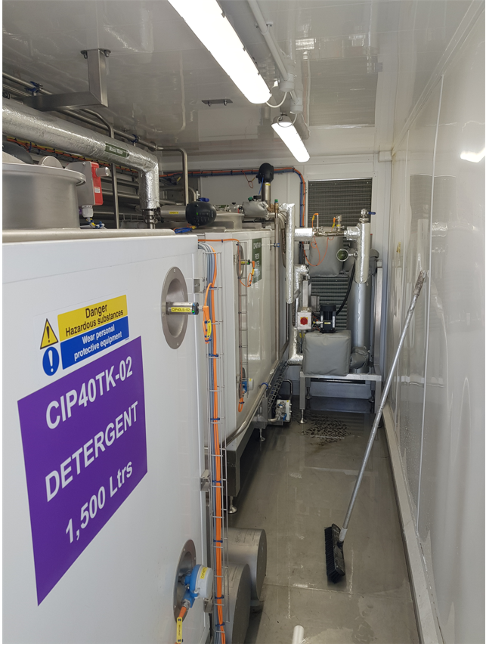
26
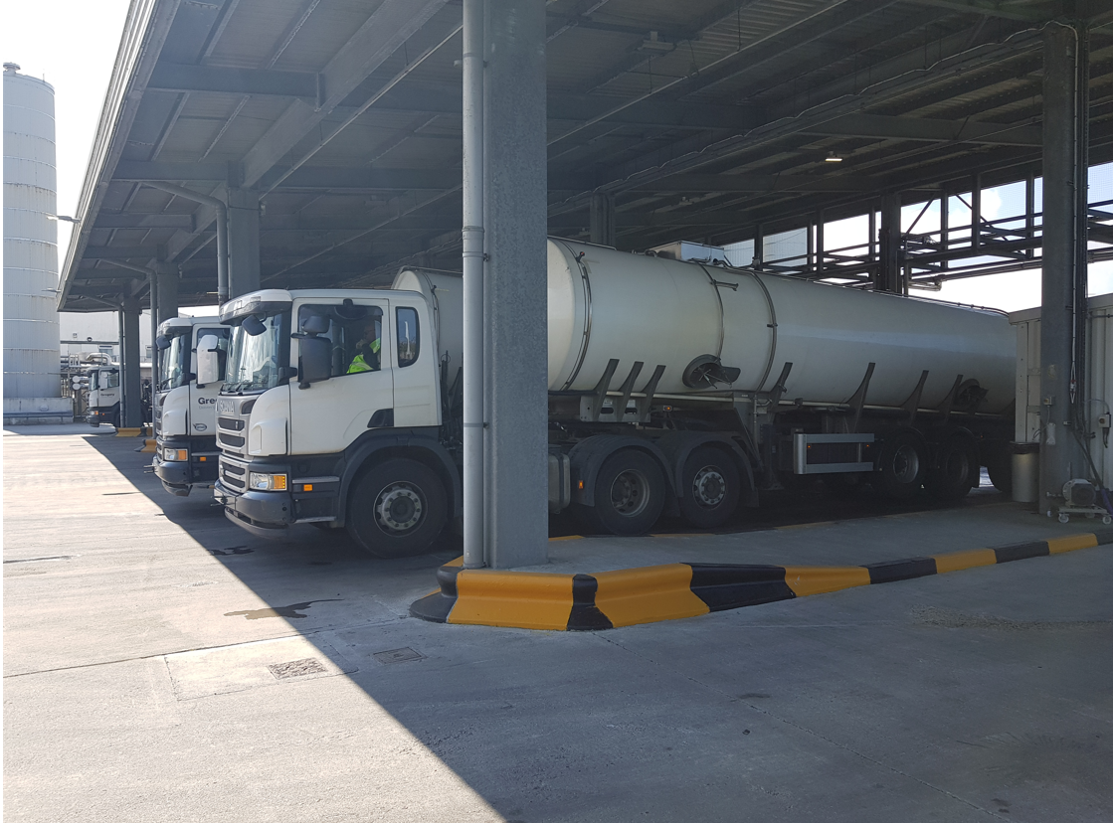
36 / 37
 |  |  |  |  |  |  |  |  |  |  |  |  |  |  | Inside

Hepworth 1 Source Data - WPF
 | Water Processing Facility

 | Source:
 | HEPWORTH REPORT 1: 2018 Baseline Noise Assessment Report
 | Report Reference: P18-098-R01v2
 | Date: October 2018
 | Author: Graham Bowland |  |  |  |  |  |  |  |  |  |  |  |  |  |  |  |  |  |  |  |  |  |  |  |  |  |  |  |  |  |  |  |  |  |  | A-weighting
 | Report Checker: Paul Bassett |  |  |  |  |  |  |  |  |  |  |  |  |  |  |  |  |  |  |  |  |  |  |  |  |  |  |  |  |  |  |  |  |  |  |  |  | Third octave Band Centre Frequency (Hz)
 | + associated measurement files and notes as provided by the Author |  |  |  |  |  |  |  |  |  |  |  |  |  |  |  |  |  |  |  |  |  |  |  |  |  |  |  |  |  |  |  |  |  |  |  |  | 50 | 63 | 80 | 100 | 125 | 160 | 200 | 250 | 315 | 400 | 500 | 630 | 800 | 1000 | 1250 | 1600 | 2000 | 2500 | 3150 | 4000 | 5000 | 6300 | 8000 | 10000
 |  |  |  |  |  |  |  |  |  |  |  |  |  |  |  |  |  |  |  |  |  |  |  |  |  |  |  |  |  |  |  |  |  |  |  |  | A-Weighting Curve | -30.2 | -26.2 | -22.5 | -19.1 | -16.1 | -13.4 | -10.9 | -8.6 | -6.6 | -4.2 | -3.2 | -1.9 | -0.8 | 0 | 0.6 | 1 | 1.2 | 1.3 | 1.2 | 1 | 0.5 | -0.1 | -1.1 | -2.5
 | Third Octave L90 On-site Noise Measurements - Reported |  |  |  |  |  |  |  |  |  |  |  |  |  |  |  |  |  |  |  |  |  |  |  |  |  |  | Octave L90 On-site Noise Levels - Calculated
Assessment Data Ref. | Location No. (Fig 2 Below) | Description | Noise Level L90, dB - LINEAR |  |  |  |  |  |  |  |  |  |  |  |  |  |  |  |  |  |  |  |  |  |  |  | LA90 | Noise Level L90 dB - LINEAR |  |  |  |  |  |  |  | Location No. (Fig 2) | Description | Noise Level L90, dB - A-WEIGHTED |  |  |  |  |  |  |  |  |  |  |  |  |  |  |  |  |  |  |  |  |  |  |  | LA90
 |  |  | Third octave Band Centre Frequency (Hz) |  |  |  |  |  |  |  |  |  |  |  |  |  |  |  |  |  |  |  |  |  |  |  |  | Octave Band Centre Frequency (Hz) |  |  |  |  |  |  |  |  |  | Third octave Band Centre Frequency (Hz)
 |  |  | 50 | 63 | 80 | 100 | 125 | 160 | 200 | 250 | 315 | 400 | 500 | 630 | 800 | 1000 | 1250 | 1600 | 2000 | 2500 | 3150 | 4000 | 5000 | 6300 | 8000 | 10000 |  | 63 | 125 | 250 | 500 | 1000 | 2000 | 4000 | 8000 |  |  | 50 | 63 | 80 | 100 | 125 | 160 | 200 | 250 | 315 | 400 | 500 | 630 | 800 | 1000 | 1250 | 1600 | 2000 | 2500 | 3150 | 4000 | 5000 | 6300 | 8000 | 10000
2018_Hep__WPF_1 | 1 | 1m from noisy pipe on gantry between BT1 and Divert | 62 | 58 | 61 | 62 | 64 | 67 | 62 | 66 | 61 | 56 | 59 | 57 | 59 | 63 | 61 | 67 | 66 | 70 | 69 | 66 | 69 | 61 | 54 | 55 | 78 | 65 | 70 | 68 | 62 | 66 | 73 | 73 | 63 | 1 | 1m from noisy pipe on gantry between BT1 and Divert | 31.8 | 31.8 | 38.5 | 42.9 | 47.9 | 53.6 | 51.1 | 57.4 | 54.4 | 51.8 | 55.8 | 55.1 | 58.2 | 63.0 | 61.6 | 68.0 | 67.2 | 71.3 | 70.2 | 67.0 | 69.5 | 60.9 | 52.9 | 52.5 | 77.6
2018_Hep_WPF_2 | 2 | 1m from two pumps between BT1 and Divert | 77 | 66 | 57 | 60 | 65 | 67 | 66 | 63 | 65 | 67 | 68 | 67 | 66 | 79 | 68 | 67 | 66 | 66 | 63 | 65 | 61 | 60 | 62 | 54 | 82 | 77 | 70 | 70 | 72 | 80 | 71 | 68 | 65 | 2 | 1m from two pumps between BT1 and Divert | 46.8 | 39.8 | 34.5 | 40.9 | 48.9 | 53.6 | 55.1 | 54.4 | 58.4 | 62.8 | 64.8 | 65.1 | 65.2 | 79.0 | 68.6 | 68.0 | 67.2 | 67.3 | 64.2 | 66.0 | 61.5 | 59.9 | 60.9 | 51.5 | 81.0
2018_Hep_WPF_3 | 3 | Close to BT1 and Divert | 67 | 55 | 51 | 55 | 61 | 65 | 64 | 57 | 53 | 58 | 52 | 51 | 50 | 55 | 49 | 51 | 51 | 53 | 52 | 51 | 49 | 43 | 41 | 40 | 65 | 67 | 67 | 65 | 60 | 57 | 57 | 56 | 46 | 3 | Close to BT1 and Divert | 36.8 | 28.8 | 28.5 | 35.9 | 44.9 | 51.6 | 53.1 | 48.4 | 46.4 | 53.8 | 48.8 | 49.1 | 49.2 | 55.0 | 49.6 | 52.0 | 52.2 | 54.3 | 53.2 | 52.0 | 49.5 | 42.9 | 39.9 | 37.5 | 63.9
2018_Hep_WPF_4 | 4 | Close to BT1 and Divert | 55 | 51 | 49 | 49 | 47 | 58 | 57 | 44 | 45 | 46 | 44 | 44 | 47 | 53 | 44 | 46 | 44 | 47 | 47 | 46 | 44 | 40 | 37 | 34 | 60 | 57 | 59 | 58 | 50 | 54 | 51 | 51 | 42 | 4 | Close to BT1 and Divert | 24.8 | 24.8 | 26.5 | 29.9 | 30.9 | 44.6 | 46.1 | 35.4 | 38.4 | 41.8 | 40.8 | 42.1 | 46.2 | 53.0 | 44.6 | 47.0 | 45.2 | 48.3 | 48.2 | 47.0 | 44.5 | 39.9 | 35.9 | 31.5 | 58.5
2018_Hep_WPF_5 | 5 | At site boundary | 58 | 49 | 47 | 48 | 50 | 54 | 52 | 45 | 40 | 39 | 39 | 38 | 39 | 38 | 37 | 37 | 37 | 40 | 42 | 40 | 38 | 31 | 27 | 24 | 53 | 59 | 56 | 53 | 44 | 43 | 43 | 45 | 33 | 5 | At site boundary | 27.8 | 22.8 | 24.5 | 28.9 | 33.9 | 40.6 | 41.1 | 36.4 | 33.4 | 34.8 | 35.8 | 36.1 | 38.2 | 38.0 | 37.6 | 38.0 | 38.2 | 41.3 | 43.2 | 41.0 | 38.5 | 30.9 | 25.9 | 21.5 | 51.3
2018_Hep_WPF_6 | 6 | 5m in front of centrifuges (1 on) and atomiser | 57 | 53 | 52 | 52 | 56 | 55 | 56 | 55 | 53 | 52 | 52 | 51 | 49 | 50 | 50 | 51 | 50 | 48 | 46 | 45 | 43 | 40 | 40 | 33 | 62 | 59 | 59 | 60 | 57 | 55 | 55 | 50 | 43 | 6 | 5m in front of centrifuges (1 on) and atomiser | 26.8 | 26.8 | 29.5 | 32.9 | 39.9 | 41.6 | 45.1 | 46.4 | 46.4 | 47.8 | 48.8 | 49.1 | 48.2 | 50.0 | 50.6 | 52.0 | 51.2 | 49.3 | 47.2 | 46.0 | 43.5 | 39.9 | 38.9 | 30.5 | 60.6
2018_Hep_WPF_7 | 7 | 5m from half open doors of DAF 1 | 75 | 63 | 58 | 64 | 66 | 70 | 69 | 60 | 57 | 61 | 63 | 59 | 62 | 59 | 58 | 58 | 57 | 57 | 57 | 56 | 55 | 52 | 48 | 44 | 71 | 75 | 72 | 70 | 66 | 65 | 62 | 61 | 54 | 7 | 5m from half open doors of DAF 1 | 44.8 | 36.8 | 35.5 | 44.9 | 49.9 | 56.6 | 58.1 | 51.4 | 50.4 | 56.8 | 59.8 | 57.1 | 61.2 | 59.0 | 58.6 | 59.0 | 58.2 | 58.3 | 58.2 | 57.0 | 55.5 | 51.9 | 46.9 | 41.5 | 70.1
2018_Hep_WPF_8 | 8 | 5m from roller shutter main open DAF 2 | 64 | 56 | 68 | 56 | 56 | 65 | 57 | 57 | 65 | 61 | 63 | 65 | 61 | 60 | 60 | 60 | 58 | 59 | 58 | 58 | 57 | 52 | 51 | 48 | 72 | 70 | 66 | 66 | 68 | 65 | 64 | 63 | 55 | 8 | 5m from roller shutter main open DAF 2 | 33.8 | 29.8 | 45.5 | 36.9 | 39.9 | 51.6 | 46.1 | 48.4 | 58.4 | 56.8 | 59.8 | 63.1 | 60.2 | 60.0 | 60.6 | 61.0 | 59.2 | 60.3 | 59.2 | 59.0 | 57.5 | 51.9 | 49.9 | 45.5 | 71.2
2018_Hep_WPF_9 | 9 | 1m from open pipe | 70 | 68 | 68 | 57 | 60 | 63 | 58 | 61 | 79 | 78 | 63 | 62 | 55 | 57 | 48 | 49 | 43 | 44 | 44 | 37 | 34 | 28 | 26 | 22 | 77 | 74 | 65 | 79 | 78 | 59 | 51 | 45 | 31 | 9 | 1m from open pipe | 39.8 | 41.8 | 45.5 | 37.9 | 43.9 | 49.6 | 47.1 | 52.4 | 72.4 | 73.8 | 59.8 | 60.1 | 54.2 | 57.0 | 48.6 | 50.0 | 44.2 | 45.3 | 45.2 | 38.0 | 34.5 | 27.9 | 24.9 | 19.5 | 76.5
2018_Hep_WPF_10 | 10 | At site boundary | 67 | 68 | 63 | 54 | 57 | 54 | 53 | 54 | 58 | 60 | 55 | 51 | 45 | 42 | 41 | 43 | 38 | 38 | 37 | 36 | 33 | 29 | 27 | 24 | 61 | 71 | 60 | 60 | 62 | 48 | 45 | 40 | 32 | 10 | At site boundary | 36.8 | 41.8 | 40.5 | 34.9 | 40.9 | 40.6 | 42.1 | 45.4 | 51.4 | 55.8 | 51.8 | 49.1 | 44.2 | 42.0 | 41.6 | 44.0 | 39.2 | 39.3 | 38.2 | 37.0 | 33.5 | 28.9 | 25.9 | 21.5 | 59.9
2018_Hep_WPF_11 | 11 | 1m from AT1a aerator/blower | 66 | 64 | 65 | 68 | 70 | 71 | 74 | 74 | 71 | 63 | 64 | 67 | 64 | 65 | 63 | 65 | 62 | 63 | 62 | 60 | 60 | 54 | 53 | 51 | 77 | 70 | 75 | 78 | 70 | 69 | 68 | 66 | 58 | 11 | 1m from AT1a aerator/blower | 35.8 | 37.8 | 42.5 | 48.9 | 53.9 | 57.6 | 63.1 | 65.4 | 64.4 | 58.8 | 60.8 | 65.1 | 63.2 | 65.0 | 63.6 | 66.0 | 63.2 | 64.3 | 63.2 | 61.0 | 60.5 | 53.9 | 51.9 | 48.5 | 75.5
2018_Hep_WPF_12 | 12 | 1m from AT1a aerator (blower not operating) | 62 | 61 | 64 | 64 | 63 | 63 | 62 | 62 | 61 | 59 | 59 | 59 | 57 | 57 | 52 | 52 | 51 | 52 | 50 | 48 | 47 | 45 | 44 | 43 | 67 | 67 | 68 | 67 | 64 | 61 | 57 | 53 | 49 | 12 | 1m from AT1a aerator (blower not operating) | 31.8 | 34.8 | 41.5 | 44.9 | 46.9 | 49.6 | 51.1 | 53.4 | 54.4 | 54.8 | 55.8 | 57.1 | 56.2 | 57.0 | 52.6 | 53.0 | 52.2 | 53.3 | 51.2 | 49.0 | 47.5 | 44.9 | 42.9 | 40.5 | 66.0
2018_Hep_WPF_13 | 13 | 1m from AT1b aerator/blower | 65 | 66 | 67 | 68 | 69 | 70 | 72 | 77 | 75 | 63 | 64 | 69 | 69 | 66 | 65 | 66 | 65 | 65 | 63 | 61 | 60 | 55 | 56 | 53 | 78 | 71 | 74 | 80 | 71 | 72 | 70 | 66 | 60 | 13 | 1m from AT1b aerator/blower | 34.8 | 39.8 | 44.5 | 48.9 | 52.9 | 56.6 | 61.1 | 68.4 | 68.4 | 58.8 | 60.8 | 67.1 | 68.2 | 66.0 | 65.6 | 67.0 | 66.2 | 66.3 | 64.2 | 62.0 | 60.5 | 54.9 | 54.9 | 50.5 | 77.5
2018_Hep_WPF_14 | 14 | North of AT2 | 50 | 47 | 54 | 53 | 48 | 47 | 46 | 43 | 43 | 44 | 43 | 45 | 46 | 49 | 46 | 44 | 41 | 37 | 34 | 31 | 26 | 21 | 20 | 20 | 56 | 56 | 55 | 49 | 49 | 52 | 46 | 36 | 25 | 14 | North of AT2 | 19.8 | 20.8 | 31.5 | 33.9 | 31.9 | 33.6 | 35.1 | 34.4 | 36.4 | 39.8 | 39.8 | 43.1 | 45.2 | 49.0 | 46.6 | 45.0 | 42.2 | 38.3 | 35.2 | 32.0 | 26.5 | 20.9 | 18.9 | 17.5 | 54.4
2018_Hep_WPF_15 | 15 | Southeast of AT2 | 48 | 39 | 43 | 45 | 44 | 44 | 42 | 41 | 39 | 38 | 38 | 38 | 41 | 39 | 39 | 38 | 37 | 35 | 34 | 32 | 31 | 29 | 27 | 24 | 50 | 50 | 49 | 46 | 43 | 45 | 42 | 37 | 32 | 15 | Southeast of AT2 | 17.8 | 12.8 | 20.5 | 25.9 | 27.9 | 30.6 | 31.1 | 32.4 | 32.4 | 33.8 | 34.8 | 36.1 | 40.2 | 39.0 | 39.6 | 39.0 | 38.2 | 36.3 | 35.2 | 33.0 | 31.5 | 28.9 | 25.9 | 21.5 | 48.5
2018_Hep_WPF_16 | 16 | 1m above edge of AT2 | 61 | 56 | 58 | 58 | 60 | 59 | 60 | 60 | 60 | 60 | 60 | 59 | 56 | 56 | 56 | 56 | 55 | 53 | 53 | 52 | 50 | 49 | 46 | 45 | 68 | 64 | 64 | 65 | 65 | 61 | 60 | 57 | 52 | 16 | 1m above edge of AT2 | 30.8 | 29.8 | 35.5 | 38.9 | 43.9 | 45.6 | 49.1 | 51.4 | 53.4 | 55.8 | 56.8 | 57.1 | 55.2 | 56.0 | 56.6 | 57.0 | 56.2 | 54.3 | 54.2 | 53.0 | 50.5 | 48.9 | 44.9 | 42.5 | 67.0
2018_Hep_WPF_17 | 17 | 1m from deformed pipe | 76 | 66 | 61 | 75 | 87 | 98 | 96 | 90 | 71 | 65 | 65 | 59 | 61 | 56 | 54 | 53 | 52 | 53 | 52 | 51 | 48 | 43 | 41 | 37 | 90 | 77 | 98 | 97 | 69 | 63 | 58 | 55 | 46 | 17 | 1m from deformed pipe | 45.8 | 39.8 | 38.5 | 55.9 | 70.9 | 84.6 | 85.1 | 81.4 | 64.4 | 60.8 | 61.8 | 57.1 | 60.2 | 56.0 | 54.6 | 54.0 | 53.2 | 54.3 | 53.2 | 52.0 | 48.5 | 42.9 | 39.9 | 34.5 | 88.9
2018_Hep_WPF_18 | 18 | 1m from MCC Generator | 83 | 69 | 71 | 80 | 86 | 88 | 86 | 77 | 71 | 70 | 69 | 70 | 66 | 66 | 66 | 64 | 64 | 63 | 66 | 72 | 59 | 55 | 55 | 54 | 83 | 83 | 91 | 87 | 75 | 71 | 69 | 73 | 60 | 18 | 1m from MCC Generator | 52.8 | 42.8 | 48.5 | 60.9 | 69.9 | 74.6 | 75.1 | 68.4 | 64.4 | 65.8 | 65.8 | 68.1 | 65.2 | 66.0 | 66.6 | 65.0 | 65.2 | 64.3 | 67.2 | 73.0 | 59.5 | 54.9 | 53.9 | 51.5 | 81.6
2018_Hep_WPF_19 | 19 | Rear of DAF 1 | 68 | 61 | 81 | 72 | 59 | 59 | 57 | 60 | 62 | 64 | 62 | 62 | 61 | 60 | 60 | 59 | 56 | 55 | 53 | 51 | 51 | 49 | 50 | 47 | 71 | 81 | 72 | 65 | 68 | 65 | 62 | 57 | 54 | 19 | Rear of DAF 1 | 37.8 | 34.8 | 58.5 | 52.9 | 42.9 | 45.6 | 46.1 | 51.4 | 55.4 | 59.8 | 58.8 | 60.1 | 60.2 | 60.0 | 60.6 | 60.0 | 57.2 | 56.3 | 54.2 | 52.0 | 51.5 | 48.9 | 48.9 | 44.5 | 70.1
2018_Hep_WPF_20 | 20 | At site boundary | 57 | 54 | 55 | 49 | 46 | 47 | 50 | 50 | 48 | 51 | 49 | 46 | 51 | 48 | 47 | 50 | 49 | 45 | 44 | 50 | 40 | 47 | 66 | 50 | 67 | 60 | 52 | 54 | 54 | 54 | 53 | 51 | 66 | 20 | At site boundary | 26.8 | 27.8 | 32.5 | 29.9 | 29.9 | 33.6 | 39.1 | 41.4 | 41.4 | 46.8 | 45.8 | 44.1 | 50.2 | 48.0 | 47.6 | 51.0 | 50.2 | 46.3 | 45.2 | 51.0 | 40.5 | 46.9 | 64.9 | 47.5 | 66.0

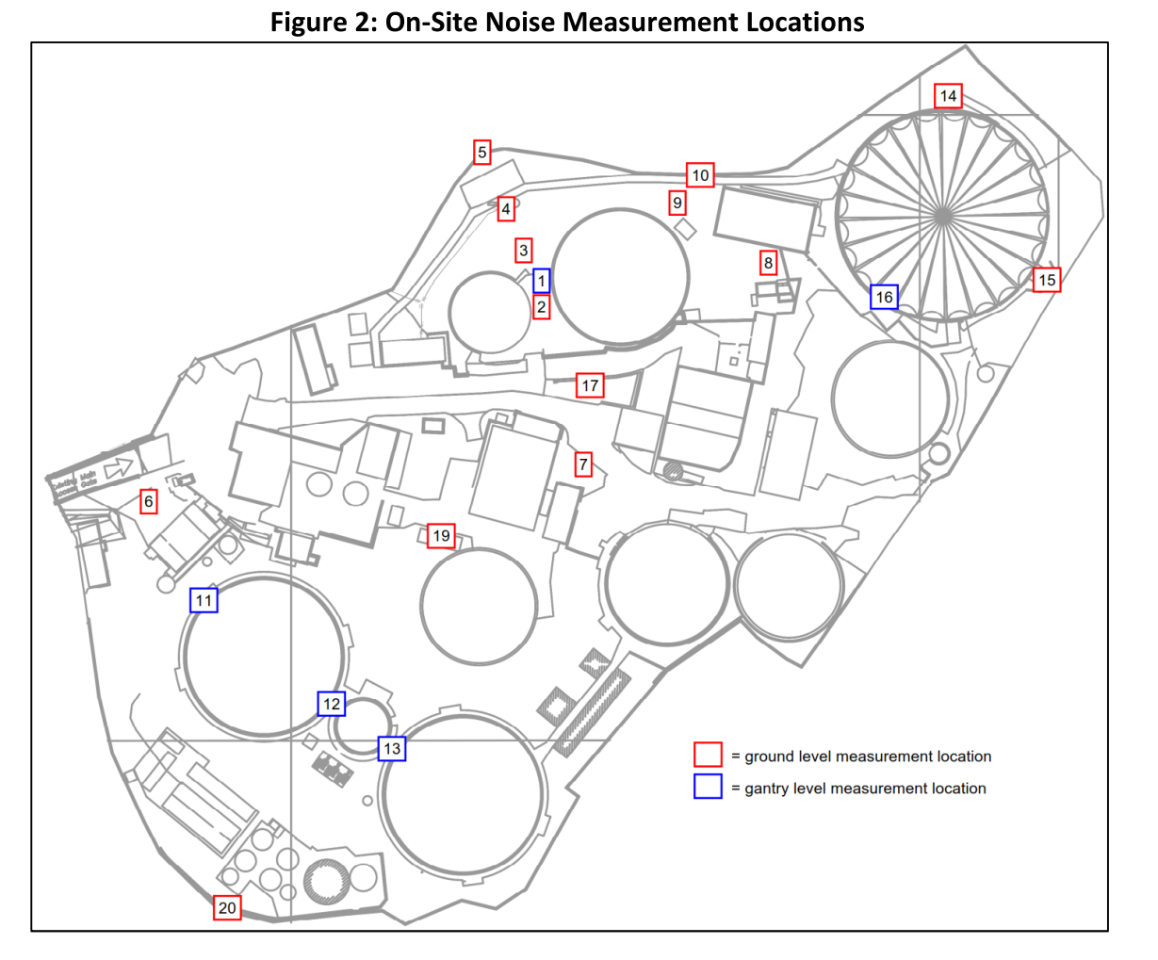

 | TARCTOR ACTIVITY: | "3.28 As well as the fixed noise sources some measurements were undertaken of tractor activity. Noise levels were measured at typically 30m from a tractor manoeuvring and idling at the sludge processing plant. During this time there was further tractor activity passing in-bound and out-bound from the WWTP site towing vacuum tankers. This was considered representative of worst-case intensity of tractor activity at the site. Over the course of a 5-minute period a noise level of 59dB LAeq was measured. After tractor activity had ceased a further brief noise measurement was undertaken of the steady residual ambient noise at the same location, and 54dB LAeq was measured. On this basis a worst-case reference noise level for tractor activity of 57dB LAeq at 30m may be derived." | 57 | dB(A)@30m

 | HEPWORTH REPORT 2: 2018 Creamery and WPF Report
 | Report Reference: P18-389-R01v2
 | Date: November 2018
 | Author: Graham Bowland
 | Report Checker: Donald Quinn

 | MBR PLANT BLOWERS | "2.24 The proposed noise emitting MBR plant to be housed within the building is a set of Aerzen Delta Blower G5 units, up to 4 of which may operate at any one time. The manufacturer’s stated noise emissions level, per individual unit, is 86dB LpA at 1m, however this can be reduced to 69dB LpA at 1m by application of manufacturer-supplied acoustic hoods." | 86 | dB(A) @ 1m | Without Acoustic Hoods
 |  |  | 69 | dB(A) @ 1m | With Acoustic Hoods

 | RO Plant (pumps) | "2.25 The proposed noise emitting RO plant to be housed within the building will be a set of multistage pumps that are used to pump the water through the RO membranes, up to 4 of which may operate at any one time. Typically, these will be Grundfos CRN 15 15kW pumps or equivalent, for which the manufacturer’s stated noise emissions level, per individual unit, is 72dB LpA at 1m. " | 72 | dB(A) @ 1m

Hepworth 3 Source Data - WPF
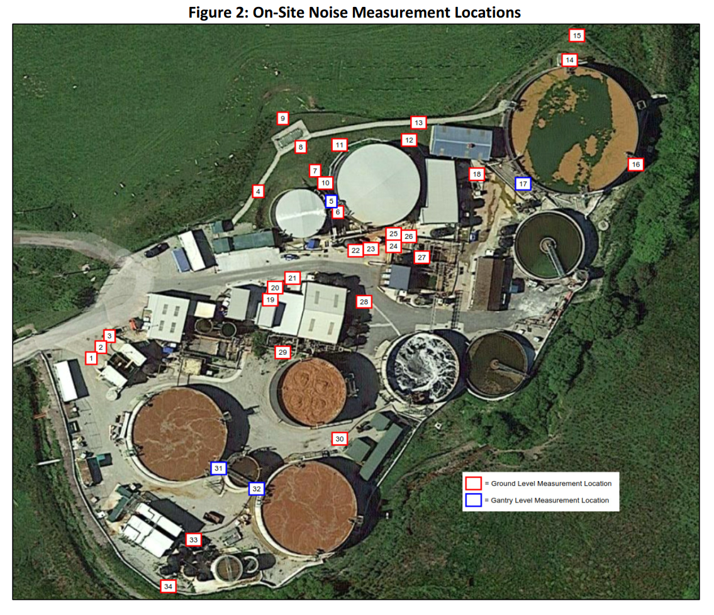
 | Water Processing Facility

 | Source:
 | HEPWORTH REPORT 3: 2020 WPF Noise Assessment
 | Report Reference: P20-150-R01v1
 | Date: April 2020
 | Author: Graham Bowland |  |  |  |  |  |  |  |  |  |  |  |  |  |  |  |  |  |  |  |  |  |  |  |  |  |  |  |  |  |  |  |  |  |  |  | A-weighting
 | Report Checker: Donald Quinn |  |  |  |  |  |  |  |  |  |  |  |  |  |  |  |  |  |  |  |  |  |  |  |  |  |  |  |  |  |  |  |  |  |  |  |  |  | Third octave Band Centre Frequency (Hz)
 |  |  |  |  |  |  |  |  |  |  |  |  |  |  |  |  |  |  |  |  |  |  |  |  |  |  |  |  |  |  |  |  |  |  |  |  |  |  | 50 | 63 | 80 | 100 | 125 | 160 | 200 | 250 | 315 | 400 | 500 | 630 | 800 | 1000 | 1250 | 1600 | 2000 | 2500 | 3150 | 4000 | 5000 | 6300 | 8000 | 10000 |  | Reference Level (dB(A) | 85
 |  |  |  |  |  |  |  |  |  |  |  |  |  |  |  |  |  |  |  |  |  |  |  |  |  |  |  |  |  |  |  |  |  |  |  |  |  | A-Weighting Curve | -30.2 | -26.2 | -22.5 | -19.1 | -16.1 | -13.4 | -10.9 | -8.6 | -6.6 | -4.2 | -3.2 | -1.9 | -0.8 | 0 | 0.6 | 1 | 1.2 | 1.3 | 1.2 | 1 | 0.5 | -0.1 | -1.1 | -2.5
 | Third Octave L90 On-site Noise Measurements - Reported |  |  |  |  |  |  |  |  |  |  |  |  |  |  |  |  |  |  |  |  |  |  |  |  |  |  |  | Octave L90 On-site Noise Levels - Calculated
Assessment Data Ref. | 2020Location No. (Fig 2 Below) | 2018 Location No. (See Hepworth 1 Source Data - WPF Tab) | Description | Noise Level L90, dB - LINEAR |  |  |  |  |  |  |  |  |  |  |  |  |  |  |  |  |  |  |  |  |  |  |  | LA90 | Noise Level L90 dB - LINEAR |  |  |  |  |  |  |  | Location No. (Fig 2) | Description | Noise Level L90, dB - A-WEIGHTED |  |  |  |  |  |  |  |  |  |  |  |  |  |  |  |  |  |  |  |  |  |  |  | LA90
 |  |  |  | Third octave Band Centre Frequency (Hz) |  |  |  |  |  |  |  |  |  |  |  |  |  |  |  |  |  |  |  |  |  |  |  |  | Octave Band Centre Frequency (Hz) |  |  |  |  |  |  |  |  |  | Third octave Band Centre Frequency (Hz)
 |  |  |  | 50 | 63 | 80 | 100 | 125 | 160 | 200 | 250 | 315 | 400 | 500 | 630 | 800 | 1000 | 1250 | 1600 | 2000 | 2500 | 3150 | 4000 | 5000 | 6300 | 8000 | 10000 |  | 63 | 125 | 250 | 500 | 1000 | 2000 | 4000 | 8000 |  |  | 50 | 63 | 80 | 100 | 125 | 160 | 200 | 250 | 315 | 400 | 500 | 630 | 800 | 1000 | 1250 | 1600 | 2000 | 2500 | 3150 | 4000 | 5000 | 6300 | 8000 | 10000 |  |  | Correct to 85 dB(A)
2020_Hep_WPF_1 | 1 |  | 5m in front of centrifuge, both operating, facing SW unit | 65 | 64 | 60 | 64 | 58 | 59 | 58 | 56 | 58 | 56 | 52 | 52 | 51 | 50 | 48 | 48 | 47 | 46 | 50 | 44 | 43 | 41 | 33 | 65 | - | 68 | 66 | 62 | 59 | 55 | 52 | 52 | 65 | 1 | 5m in front of centrifuge, both operating, facing SW unit | 34.8 | 37.8 | 37.5 | 44.9 | 41.9 | 45.6 | 47.1 | 47.4 | 51.4 | 51.8 | 48.8 | 50.1 | 50.2 | 50 | 48.6 | 49 | 48.2 | 47.3 | 51.2 | 45 | 43.5 | 40.9 | 31.9 | 62.5 | 64.9 |  | 20.1
2020_Hep_WPF_2 | 2 | 6 | 5m in front of centrifuge, both operating, between units | 66 | 63 | 62 | 61 | 60 | 59 | 57 | 57 | 59 | 56 | 51 | 51 | 51 | 50 | 48 | 47 | 47 | 47 | 49 | 44 | 42 | 40 | 35 | 66 | - | 69 | 65 | 63 | 58 | 55 | 52 | 51 | 66 | 2 | 5m in front of centrifuge, both operating, between units | 35.8 | 36.8 | 39.5 | 41.9 | 43.9 | 45.6 | 46.1 | 48.4 | 52.4 | 51.8 | 47.8 | 49.1 | 50.2 | 50 | 48.6 | 48 | 48.2 | 48.3 | 50.2 | 45 | 42.5 | 39.9 | 33.9 | 63.5 | 65.5 |  | 19.5
2020_Hep_WPF_3 | 3 |  | 5m in front of centrifuge, both operating, facing NE unit | 67 | 66 | 63 | 61 | 60 | 60 | 58 | 56 | 57 | 56 | 52 | 52 | 50 | 50 | 48 | 48 | 48 | 46 | 49 | 43 | 41 | 40 | 33 | 67 | - | 70 | 65 | 62 | 59 | 54 | 52 | 51 | 67 | 3 | 5m in front of centrifuge, both operating, facing NE unit | 36.8 | 39.8 | 40.5 | 41.9 | 43.9 | 46.6 | 47.1 | 47.4 | 50.4 | 51.8 | 48.8 | 50.1 | 49.2 | 50 | 48.6 | 49 | 49.2 | 47.3 | 50.2 | 44 | 41.5 | 39.9 | 31.9 | 64.5 | 66.1 |  | 18.9
2020_Hep_WPF_4 | 4 |  | On path NW of tank, facing loose pipe hanging down | 60 | 58 | 54 | 56 | 59 | 58 | 55 | 48 | 50 | 50 | 49 | 54 | 54 | 53 | 51 | 52 | 50 | 48 | 48 | 42 | 40 | 39 | 37 | 60 | - | 63 | 63 | 57 | 56 | 58 | 55 | 50 | 60 | 4 | On path NW of tank, facing loose pipe hanging down | 29.8 | 31.8 | 31.5 | 36.9 | 42.9 | 44.6 | 44.1 | 39.4 | 43.4 | 45.8 | 45.8 | 52.1 | 53.2 | 53 | 51.6 | 53 | 51.2 | 49.3 | 49.2 | 43 | 40.5 | 38.9 | 35.9 | 57.5 | 63 |  | 22
2020_Hep_WPF_5 | 5 | 1 | On gantry between BT1 and Divert | 58 | 58 | 57 | 58 | 58 | 59 | 58 | 60 | 59 | 61 | 58 | 63 | 63 | 62 | 60 | 58 | 56 | 54 | 53 | 49 | 46 | 47 | 41 | 58 | - | 63 | 63 | 64 | 66 | 67 | 61 | 55 | 58 | 5 | On gantry between BT1 and Divert | 27.8 | 31.8 | 34.5 | 38.9 | 41.9 | 45.6 | 47.1 | 51.4 | 52.4 | 56.8 | 54.8 | 61.1 | 62.2 | 62 | 60.6 | 59 | 57.2 | 55.3 | 54.2 | 50 | 46.5 | 46.9 | 39.9 | 55.5 | 69.7 |  | 15.3
2020_Hep_WPF_6 | 6 | 2 | Ground level between BT1 and Diver | 61 | 59 | 56 | 59 | 61 | 63 | 61 | 60 | 62 | 64 | 61 | 63 | 63 | 62 | 60 | 60 | 57 | 55 | 60 | 58 | 54 | 62 | 52 | 61 | - | 64 | 66 | 66 | 68 | 67 | 63 | 63 | 65 | 6 | Ground level between BT1 and Diver | 30.8 | 32.8 | 33.5 | 39.9 | 44.9 | 49.6 | 50.1 | 51.4 | 55.4 | 59.8 | 57.8 | 61.1 | 62.2 | 62 | 60.6 | 61 | 58.2 | 56.3 | 61.2 | 59 | 54.5 | 61.9 | 50.9 | 58.5 | 71.8 |  | 13.2
2020_Hep_WPF_7 | 7 | 3 | Midway between outside edges of BT1 and Divert | 54 | 54 | 52 | 54 | 54 | 57 | 54 | 56 | 57 | 61 | 56 | 61 | 60 | 60 | 58 | 57 | 55 | 52 | 51 | 47 | 45 | 44 | 40 | 54 | - | 58 | 60 | 61 | 65 | 64 | 60 | 53 | 55 | 7 | Midway between outside edges of BT1 and Divert | 23.8 | 27.8 | 29.5 | 34.9 | 37.9 | 43.6 | 43.1 | 47.4 | 50.4 | 56.8 | 52.8 | 59.1 | 59.2 | 60 | 58.6 | 58 | 56.2 | 53.3 | 52.2 | 48 | 45.5 | 43.9 | 38.9 | 51.5 | 67.8 |  | 17.2
2020_Hep_WPF_8 | 8 | 4 | Above manhole set back from BT1 and Divert | 53 | 55 | 51 | 52 | 52 | 51 | 51 | 56 | 55 | 53 | 51 | 56 | 55 | 55 | 53 | 51 | 49 | 47 | 46 | 42 | 39 | 39 | 34 | 53 | - | 58 | 57 | 59 | 59 | 59 | 54 | 48 | 53 | 8 | Above manhole set back from BT1 and Divert | 22.8 | 28.8 | 28.5 | 32.9 | 35.9 | 37.6 | 40.1 | 47.4 | 48.4 | 48.8 | 47.8 | 54.1 | 54.2 | 55 | 53.6 | 52 | 50.2 | 48.3 | 47.2 | 43 | 39.5 | 38.9 | 32.9 | 50.5 | 62.7 |  | 22.3
2020_Hep_WPF_9 | 9 | 5 | At site boundary set back from BT1 and Divert | 52 | 53 | 50 | 48 | 47 | 48 | 44 | 46 | 50 | 51 | 45 | 49 | 48 | 49 | 48 | 46 | 44 | 42 | 40 | 37 | 34 | 33 | 28 | 52 | - | 57 | 53 | 52 | 54 | 53 | 49 | 42 | 52 | 9 | At site boundary set back from BT1 and Divert | 21.8 | 26.8 | 27.5 | 28.9 | 30.9 | 34.6 | 33.1 | 37.4 | 43.4 | 46.8 | 41.8 | 47.1 | 47.2 | 49 | 48.6 | 47 | 45.2 | 43.3 | 41.2 | 38 | 34.5 | 32.9 | 26.9 | 49.5 | 57.6 |  | 27.4
2020_Hep_WPF_10 | 10 |  | 1m from new ground level pump towards W of Divert | 58 | 59 | 60 | 59 | 59 | 61 | 62 | 60 | 67 | 65 | 64 | 69 | 70 | 69 | 68 | 68 | 65 | 63 | 61 | 57 | 55 | 54 | 51 | 58 | - | 64 | 65 | 69 | 71 | 74 | 71 | 63 | 60 | 10 | 1m from new ground level pump towards W of Divert | 27.8 | 32.8 | 37.5 | 39.9 | 42.9 | 47.6 | 51.1 | 51.4 | 60.4 | 60.8 | 60.8 | 67.1 | 69.2 | 69 | 68.6 | 69 | 66.2 | 64.3 | 62.2 | 58 | 55.5 | 53.9 | 49.9 | 55.5 | 77 |  | 8
2020_Hep_WPF_11 | 11 |  | 1m from new ground level pump towards N of Divert | 57 | 57 | 54 | 57 | 58 | 58 | 57 | 63 | 64 | 64 | 62 | 64 | 66 | 69 | 65 | 61 | 60 | 59 | 56 | 52 | 50 | 47 | 44 | 57 | - | 61 | 63 | 67 | 68 | 72 | 65 | 58 | 58 | 11 | 1m from new ground level pump towards N of Divert | 26.8 | 30.8 | 31.5 | 37.9 | 41.9 | 44.6 | 46.1 | 54.4 | 57.4 | 59.8 | 58.8 | 62.1 | 65.2 | 69 | 65.6 | 62 | 61.2 | 60.3 | 57.2 | 53 | 50.5 | 46.9 | 42.9 | 54.5 | 73.9 |  | 11.1
2020_Hep_WPF_12 | 12 | 9 | To rear of DAF 2 | 52 | 51 | 50 | 51 | 52 | 53 | 52 | 52 | 50 | 52 | 51 | 55 | 53 | 53 | 50 | 48 | 45 | 44 | 41 | 38 | 34 | 31 | 27 | 52 | - | 56 | 57 | 56 | 58 | 57 | 51 | 43 | 52 | 12 | To rear of DAF 2 | 21.8 | 24.8 | 27.5 | 31.9 | 35.9 | 39.6 | 41.1 | 43.4 | 43.4 | 47.8 | 47.8 | 53.1 | 52.2 | 53 | 50.6 | 49 | 46.2 | 45.3 | 42.2 | 39 | 34.5 | 30.9 | 25.9 | 49.5 | 60.6 |  | 24.4
2020_Hep_WPF_13 | 13 | 10 | At boundary to rear of DAF 2 | 50 | 51 | 49 | 49 | 50 | 48 | 48 | 49 | 49 | 51 | 47 | 50 | 49 | 51 | 48 | 45 | 43 | 41 | 39 | 36 | 33 | 30 | 27 | 50 | - | 55 | 54 | 54 | 54 | 54 | 48 | 41 | 50 | 13 | At boundary to rear of DAF 2 | 19.8 | 24.8 | 26.5 | 29.9 | 33.9 | 34.6 | 37.1 | 40.4 | 42.4 | 46.8 | 43.8 | 48.1 | 48.2 | 51 | 48.6 | 46 | 44.2 | 42.3 | 40.2 | 37 | 33.5 | 29.9 | 25.9 | 47.5 | 57.8 |  | 27.2
2020_Hep_WPF_14 | 14 | 14 | 1m to foot of gantry at N of AT2 | 47 | 52 | 53 | 57 | 60 | 61 | 62 | 61 | 53 | 53 | 53 | 58 | 56 | 56 | 56 | 52 | 56 | 56 | 54 | 55 | 53 | 54 | 53 | 47 | - | 56 | 64 | 65 | 60 | 61 | 60 | 59 | 57 | 14 | 1m to foot of gantry at N of AT2 | 16.8 | 25.8 | 30.5 | 37.9 | 43.9 | 47.6 | 51.1 | 52.4 | 46.4 | 48.8 | 49.8 | 56.1 | 55.2 | 56 | 56.6 | 53 | 57.2 | 57.3 | 55.2 | 56 | 53.5 | 53.9 | 51.9 | 44.5 | 66.9 |  | 18.1
2020_Hep_WPF_15 | 15 |  | At boundary to N of AT2 | 47 | 49 | 49 | 47 | 44 | 55 | 59 | 56 | 46 | 45 | 47 | 50 | 50 | 47 | 48 | 45 | 49 | 49 | 48 | 50 | 49 | 48 | 47 | 47 | - | 53 | 56 | 61 | 53 | 53 | 53 | 54 | 52 | 15 | At boundary to N of AT2 | 16.8 | 22.8 | 26.5 | 27.9 | 27.9 | 41.6 | 48.1 | 47.4 | 39.4 | 40.8 | 43.8 | 48.1 | 49.2 | 47 | 48.6 | 46 | 50.2 | 50.3 | 49.2 | 51 | 49.5 | 47.9 | 45.9 | 44.5 | 60.5 |  | 24.5
2020_Hep_WPF_16 | 16 | 15 | 1m to foot of gantry at SE of AT2 | 52 | 51 | 52 | 55 | 54 | 56 | 61 | 58 | 52 | 59 | 59 | 62 | 64 | 66 | 65 | 67 | 62 | 63 | 60 | 58 | 56 | 54 | 48 | 52 | - | 57 | 60 | 63 | 65 | 70 | 69 | 63 | 57 | 16 | 1m to foot of gantry at SE of AT2 | 21.8 | 24.8 | 29.5 | 35.9 | 37.9 | 42.6 | 50.1 | 49.4 | 45.4 | 54.8 | 55.8 | 60.1 | 63.2 | 66 | 65.6 | 68 | 63.2 | 64.3 | 61.2 | 59 | 56.5 | 53.9 | 46.9 | 49.5 | 74.1 |  | 10.9
2020_Hep_WPF_17 | 17 | 16 | At gantry level - running water | 55 | 56 | 54 | 55 | 57 | 59 | 58 | 56 | 57 | 60 | 59 | 60 | 61 | 58 | 59 | 60 | 59 | 58 | 57 | 56 | 55 | 54 | 53 | 55 | - | 60 | 62 | 62 | 65 | 64 | 64 | 61 | 59 | 17 | At gantry level - running water | 24.8 | 29.8 | 31.5 | 35.9 | 40.9 | 45.6 | 47.1 | 47.4 | 50.4 | 55.8 | 55.8 | 58.1 | 60.2 | 58 | 59.6 | 61 | 60.2 | 59.3 | 58.2 | 57 | 55.5 | 53.9 | 51.9 | 52.5 | 69.8 |  | 15.2
2020_Hep_WPF_18 | 18 | 8 | 5m from open shutter of DAF2 | 49 | 51 | 47 | 52 | 54 | 52 | 52 | 52 | 55 | 54 | 53 | 55 | 51 | 52 | 52 | 51 | 49 | 47 | 45 | 42 | 40 | 37 | 34 | 49 | - | 54 | 58 | 58 | 59 | 57 | 54 | 48 | 49 | 18 | 5m from open shutter of DAF2 | 18.8 | 24.8 | 24.5 | 32.9 | 37.9 | 38.6 | 41.1 | 43.4 | 48.4 | 49.8 | 49.8 | 53.1 | 50.2 | 52 | 52.6 | 52 | 50.2 | 48.3 | 46.2 | 43 | 40.5 | 36.9 | 32.9 | 46.5 | 61.5 |  | 23.5
2020_Hep_WPF_19 | 19 |  | 1m from nearest exhaust turret of DAF1 extension | 64 | 67 | 61 | 68 | 70 | 62 | 71 | 64 | 67 | 61 | 61 | 63 | 59 | 60 | 56 | 56 | 57 | 55 | 51 | 50 | 48 | 45 | 46 | 64 | - | 69 | 73 | 73 | 67 | 63 | 61 | 55 | 64 | 19 | 1m from nearest exhaust turret of DAF1 extension | 33.8 | 40.8 | 38.5 | 48.9 | 53.9 | 48.6 | 60.1 | 55.4 | 60.4 | 56.8 | 57.8 | 61.1 | 58.2 | 60 | 56.6 | 57 | 58.2 | 56.3 | 52.2 | 51 | 48.5 | 44.9 | 44.9 | 61.5 | 70.3 |  | 14.7
2020_Hep_WPF_20 | 20 |  | 1m to W right corner of DAF1 extension | 64 | 59 | 56 | 65 | 66 | 60 | 58 | 56 | 61 | 59 | 56 | 61 | 55 | 53 | 51 | 50 | 49 | 47 | 44 | 44 | 42 | 37 | 37 | 64 | - | 66 | 69 | 64 | 64 | 58 | 54 | 48 | 64 | 20 | 1m to W right corner of DAF1 extension | 33.8 | 32.8 | 33.5 | 45.9 | 49.9 | 46.6 | 47.1 | 47.4 | 54.4 | 54.8 | 52.8 | 59.1 | 54.2 | 53 | 51.6 | 51 | 50.2 | 48.3 | 45.2 | 45 | 42.5 | 36.9 | 35.9 | 61.5 | 66.3 |  | 18.7
2020_Hep_WPF_21 | 21 |  | 5m from front DAF1 extension | 63 | 63 | 57 | 63 | 61 | 61 | 59 | 60 | 57 | 59 | 58 | 60 | 55 | 54 | 54 | 52 | 52 | 50 | 46 | 44 | 44 | 38 | 35 | 63 | - | 67 | 67 | 64 | 64 | 59 | 56 | 50 | 63 | 21 | 5m from front DAF1 extension | 32.8 | 36.8 | 34.5 | 43.9 | 44.9 | 47.6 | 48.1 | 51.4 | 50.4 | 54.8 | 54.8 | 58.1 | 54.2 | 54 | 54.6 | 53 | 53.2 | 51.3 | 47.2 | 45 | 44.5 | 37.9 | 33.9 | 60.5 | 66.3 |  | 18.7
2020_Hep_WPF_22 | 22 | 17 | 1m from shorter of new ground level pumps | 58 | 62 | 58 | 60 | 58 | 59 | 59 | 59 | 60 | 61 | 61 | 62 | 59 | 60 | 58 | 57 | 57 | 56 | 51 | 52 | 62 | 54 | 53 | 58 | - | 65 | 64 | 64 | 66 | 64 | 62 | 63 | 60 | 22 | 1m from shorter of new ground level pumps | 27.8 | 35.8 | 35.5 | 40.9 | 41.9 | 45.6 | 48.1 | 50.4 | 53.4 | 56.8 | 57.8 | 60.1 | 58.2 | 60 | 58.6 | 58 | 58.2 | 57.3 | 52.2 | 53 | 62.5 | 53.9 | 51.9 | 55.5 | 69.9 |  | 15.1
2020_Hep_WPF_23 | 23 | 17 | 1m from longer of new ground level pumps | 60 | 61 | 59 | 61 | 60 | 61 | 62 | 60 | 60 | 64 | 66 | 60 | 60 | 60 | 61 | 56 | 52 | 51 | 48 | 49 | 49 | 42 | 41 | 60 | - | 65 | 66 | 66 | 69 | 65 | 58 | 54 | 60 | 23 | 1m from longer of new ground level pumps | 29.8 | 34.8 | 36.5 | 41.9 | 43.9 | 47.6 | 51.1 | 51.4 | 53.4 | 59.8 | 62.8 | 58.1 | 59.2 | 60 | 61.6 | 57 | 53.2 | 52.3 | 49.2 | 50 | 49.5 | 41.9 | 39.9 | 57.5 | 69.6 |  | 15.4
2020_Hep_WPF_24 | 24 |  | On metal steps over plinth wall | 61 | 65 | 62 | 64 | 66 | 66 | 64 | 67 | 66 | 65 | 62 | 64 | 67 | 64 | 62 | 60 | 58 | 56 | 55 | 52 | 50 | 47 | 47 | 61 | - | 68 | 70 | 71 | 69 | 70 | 63 | 58 | 61 | 24 | On metal steps over plinth wall | 30.8 | 38.8 | 39.5 | 44.9 | 49.9 | 52.6 | 53.1 | 58.4 | 59.4 | 60.8 | 58.8 | 62.1 | 66.2 | 64 | 62.6 | 61 | 59.2 | 57.3 | 56.2 | 53 | 50.5 | 46.9 | 45.9 | 58.5 | 72.6 |  | 12.4
2020_Hep_WPF_25 | 25 |  | 1m pump to south of BT1 | 63 | 61 | 61 | 64 | 65 | 66 | 66 | 67 | 68 | 70 | 66 | 70 | 70 | 68 | 66 | 64 | 63 | 62 | 60 | 56 | 53 | 51 | 48 | 63 | - | 67 | 70 | 72 | 74 | 73 | 68 | 62 | 63 | 25 | 1m pump to south of BT1 | 32.8 | 34.8 | 38.5 | 44.9 | 48.9 | 52.6 | 55.1 | 58.4 | 61.4 | 65.8 | 62.8 | 68.1 | 69.2 | 68 | 66.6 | 65 | 64.2 | 63.3 | 61.2 | 57 | 53.5 | 50.9 | 46.9 | 60.5 | 76.6 |  | 8.4
2020_Hep_WPF_26 | 26 |  | 1m from pump to N side of Siltbuster | 62 | 59 | 60 | 60 | 65 | 68 | 65 | 77 | 72 | 70 | 67 | 66 | 76 | 77 | 73 | 70 | 63 | 60 | 56 | 54 | 52 | 49 | 46 | 62 | - | 65 | 70 | 78 | 73 | 80 | 71 | 59 | 62 | 26 | 1m from pump to N side of Siltbuster | 31.8 | 32.8 | 37.5 | 40.9 | 48.9 | 54.6 | 54.1 | 68.4 | 65.4 | 65.8 | 63.8 | 64.1 | 75.2 | 77 | 73.6 | 71 | 64.2 | 61.3 | 57.2 | 55 | 52.5 | 48.9 | 44.9 | 59.5 | 81.6 |  | 3.4
2020_Hep_WPF_27 | 27 |  | 2m to E (rear) side of Siltbuster | 60 | 59 | 62 | 59 | 61 | 64 | 64 | 65 | 62 | 64 | 64 | 63 | 65 | 64 | 64 | 64 | 63 | 63 | 60 | 58 | 56 | 55 | 53 | 60 | - | 65 | 67 | 69 | 69 | 69 | 68 | 63 | 62 | 27 | 2m to E (rear) side of Siltbuster | 29.8 | 32.8 | 39.5 | 39.9 | 44.9 | 50.6 | 53.1 | 56.4 | 55.4 | 59.8 | 60.8 | 61.1 | 64.2 | 64 | 64.6 | 65 | 64.2 | 64.3 | 61.2 | 59 | 56.5 | 54.9 | 51.9 | 57.5 | 73.9 |  | 11.1
2020_Hep_WPF_28 | 28 | 7 | 5m from open door to DAF1 | 62 | 61 | 58 | 57 | 59 | 61 | 61 | 61 | 59 | 60 | 61 | 59 | 58 | 57 | 57 | 55 | 55 | 53 | 52 | 52 | 50 | 46 | 41 | 62 | - | 65 | 64 | 65 | 65 | 62 | 59 | 56 | 62 | 28 | 5m from open door to DAF1 | 31.8 | 34.8 | 35.5 | 37.9 | 42.9 | 47.6 | 50.1 | 52.4 | 52.4 | 55.8 | 57.8 | 57.1 | 57.2 | 57 | 57.6 | 56 | 56.2 | 54.3 | 53.2 | 53 | 50.5 | 45.9 | 39.9 | 59.5 | 67.9 |  | 17.1
2020_Hep_WPF_29 | 29 | 19 | Rear of DAF1 | 59 | 65 | 64 | 76 | 63 | 62 | 68 | 68 | 64 | 65 | 62 | 68 | 63 | 62 | 60 | 61 | 60 | 60 | 57 | 56 | 54 | 51 | 47 | 59 | - | 68 | 76 | 72 | 70 | 67 | 65 | 61 | 60 | 29 | Rear of DAF1 | 28.8 | 38.8 | 41.5 | 56.9 | 46.9 | 48.6 | 57.1 | 59.4 | 57.4 | 60.8 | 58.8 | 66.1 | 62.2 | 62 | 60.6 | 62 | 61.2 | 61.3 | 58.2 | 57 | 54.5 | 50.9 | 45.9 | 56.5 | 72.9 |  | 12.1
2020_Hep_WPF_30 | 30 |  | 2m from unit, 1m from fan outlet | 64 | 64 | 65 | 63 | 65 | 66 | 64 | 64 | 68 | 63 | 61 | 63 | 60 | 60 | 59 | 58 | 58 | 57 | 56 | 54 | 52 | 50 | 49 | 64 | - | 69 | 70 | 71 | 67 | 65 | 63 | 59 | 64 | 30 | 2m from unit, 1m from fan outlet | 33.8 | 37.8 | 42.5 | 43.9 | 48.9 | 52.6 | 53.1 | 55.4 | 61.4 | 58.8 | 57.8 | 61.1 | 59.2 | 60 | 59.6 | 59 | 59.2 | 58.3 | 57.2 | 55 | 52.5 | 49.9 | 47.9 | 61.5 | 71 |  | 14
2020_Hep_WPF_31 | 31 | 12 | On gantry - 1m from AT1a aerator (blower not operation) | 72 | 80 | 79 | 67 | 69 | 69 | 68 | 68 | 67 | 64 | 67 | 64 | 64 | 61 | 59 | 58 | 57 | 56 | 55 | 53 | 50 | 49 | 48 | 72 | - | 83 | 73 | 73 | 70 | 67 | 62 | 58 | 72 | 31 | On gantry - 1m from AT1a aerator (blower not operation) | 41.8 | 53.8 | 56.5 | 47.9 | 52.9 | 55.6 | 57.1 | 59.4 | 60.4 | 59.8 | 63.8 | 62.1 | 63.2 | 61 | 59.6 | 59 | 58.2 | 57.3 | 56.2 | 54 | 50.5 | 48.9 | 46.9 | 69.5 | 74 |  | 11
2020_Hep_WPF_32 | 32 | 13 | On gantry - 1m from AT1a aerator/blower | 62 | 63 | 66 | 70 | 70 | 74 | 77 | 73 | 64 | 64 | 65 | 67 | 66 | 64 | 65 | 62 | 63 | 61 | 61 | 61 | 55 | 53 | 50 | 62 | - | 69 | 77 | 79 | 70 | 70 | 67 | 65 | 63 | 32 | On gantry - 1m from AT1a aerator/blower | 31.8 | 36.8 | 43.5 | 50.9 | 53.9 | 60.6 | 66.1 | 64.4 | 57.4 | 59.8 | 61.8 | 65.1 | 65.2 | 64 | 65.6 | 63 | 64.2 | 62.3 | 62.2 | 62 | 55.5 | 52.9 | 48.9 | 59.5 | 75.5 |  | 9.5
2020_Hep_WPF_33 | 33 |  | 2m from pumps | 63 | 62 | 66 | 62 | 61 | 60 | 61 | 62 | 61 | 62 | 59 | 63 | 63 | 56 | 55 | 52 | 51 | 49 | 46 | 45 | 42 | 39 | 37 | 63 | - | 69 | 66 | 66 | 66 | 64 | 56 | 49 | 63 | 33 | 2m from pumps | 32.8 | 35.8 | 43.5 | 42.9 | 44.9 | 46.6 | 50.1 | 53.4 | 54.4 | 57.8 | 55.8 | 61.1 | 62.2 | 56 | 55.6 | 53 | 52.2 | 50.3 | 47.2 | 46 | 42.5 | 38.9 | 35.9 | 60.5 | 68.5 |  | 16.5
2020_Hep_WPF_34 | 34 | 20 | At site boundary 2m from pumps | 60 | 60 | 62 | 59 | 57 | 60 | 63 | 67 | 70 | 62 | 59 | 62 | 57 | 60 | 62 | 58 | 59 | 61 | 60 | 57 | 60 | 62 | 57 | 60 | - | 66 | 64 | 72 | 66 | 65 | 64 | 64 | 65 | 34 | At site boundary 2m from pumps | 29.8 | 33.8 | 39.5 | 39.9 | 40.9 | 46.6 | 52.1 | 58.4 | 63.4 | 57.8 | 55.8 | 60.1 | 56.2 | 60 | 62.6 | 59 | 60.2 | 62.3 | 61.2 | 58 | 60.5 | 61.9 | 55.9 | 57.5 | 72.4 |  | 12.6

Hepworth 4 Source Data - WPF
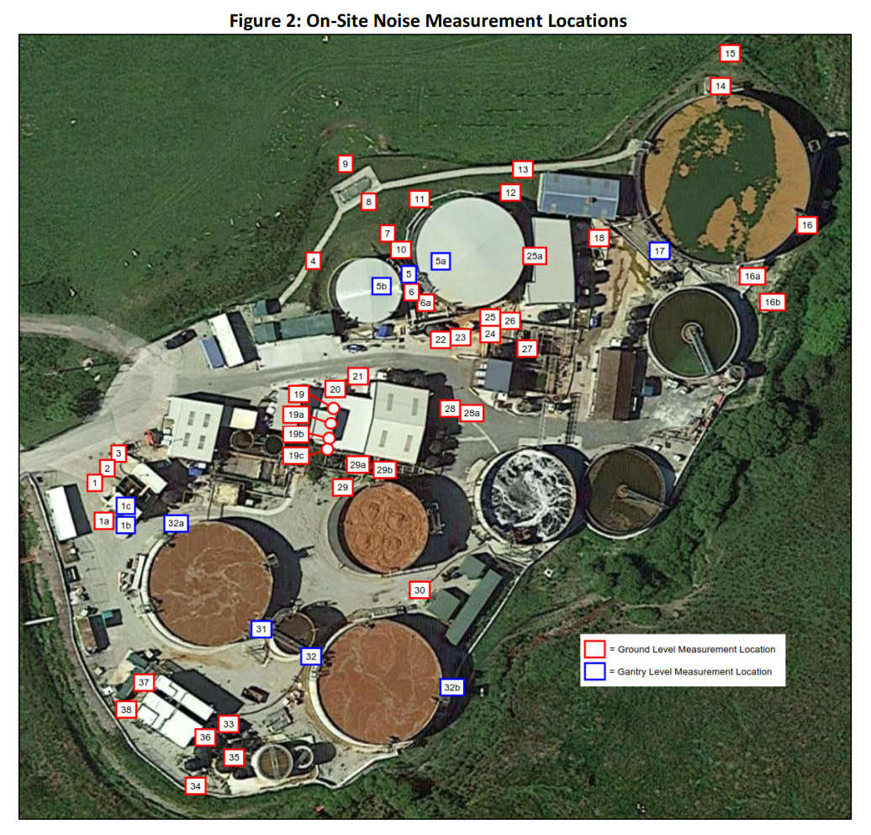
 | Water Processing Facility

 | Source:
 | HEPWORTH REPORT 4: 2021 WPF Noise Assessment
 | Report Reference: P21-155-R01v1
 | Date: May 2021
 | Author: Graham Bowland |  |  |  |  |  |  |  |  |  |  |  |  |  |  |  |  |  |  |  |  |  |  |  |  |  |  |  |  |  |  |  |  |  |  |  |  | A-weighting
 | Report Checker: Paul Bassett |  |  |  |  |  |  |  |  |  |  |  |  |  |  |  |  |  |  |  |  |  |  |  |  |  |  |  |  |  |  |  |  |  |  |  |  |  |  | Third octave Band Centre Frequency (Hz)
 |  |  |  |  |  |  |  |  |  |  |  |  |  |  |  |  |  |  |  |  |  |  |  |  |  |  |  |  |  |  |  |  |  |  |  |  |  |  |  | 50 | 63 | 80 | 100 | 125 | 160 | 200 | 250 | 315 | 400 | 500 | 630 | 800 | 1000 | 1250 | 1600 | 2000 | 2500 | 3150 | 4000 | 5000 | 6300 | 8000 | 10000
 |  |  |  |  |  |  |  |  |  |  |  |  |  |  |  |  |  |  |  |  |  |  |  |  |  |  |  |  |  |  |  |  |  |  |  |  |  |  | A-Weighting Curve | -30.2 | -26.2 | -22.5 | -19.1 | -16.1 | -13.4 | -10.9 | -8.6 | -6.6 | -4.2 | -3.2 | -1.9 | -0.8 | 0 | 0.6 | 1 | 1.2 | 1.3 | 1.2 | 1 | 0.5 | -0.1 | -1.1 | -2.5
 | Third Octave L90 On-site Noise Measurements - Reported |  |  |  |  |  |  |  |  |  |  |  |  |  |  |  |  |  |  |  |  |  |  |  |  |  |  |  |  | Octave L90 On-site Noise Levels - Calculated
Assessment Data Ref. | 2021 Location No. (Fig 2 Below) | 2020 Location No. (See Hepworth 3 Source Data - WPF Tab) | 2018 Location No. (See Hepworth 1 Source Data - WPF Tab) | Description | Noise Level L90, dB - LINEAR |  |  |  |  |  |  |  |  |  |  |  |  |  |  |  |  |  |  |  |  |  |  |  | LA90 | Noise Level L90 dB - LINEAR |  |  |  |  |  |  |  | Location No. (Fig 2) | Description | Noise Level L90, dB - A-WEIGHTED |  |  |  |  |  |  |  |  |  |  |  |  |  |  |  |  |  |  |  |  |  |  |  | LA90
 |  |  |  |  | Third octave Band Centre Frequency (Hz) |  |  |  |  |  |  |  |  |  |  |  |  |  |  |  |  |  |  |  |  |  |  |  |  | Octave Band Centre Frequency (Hz) |  |  |  |  |  |  |  |  |  | Third octave Band Centre Frequency (Hz)
 |  |  |  |  | 50 | 63 | 80 | 100 | 125 | 160 | 200 | 250 | 315 | 400 | 500 | 630 | 800 | 1000 | 1250 | 1600 | 2000 | 2500 | 3150 | 4000 | 5000 | 6300 | 8000 | 10000 |  | 63 | 125 | 250 | 500 | 1000 | 2000 | 4000 | 8000 |  |  | 50 | 63 | 80 | 100 | 125 | 160 | 200 | 250 | 315 | 400 | 500 | 630 | 800 | 1000 | 1250 | 1600 | 2000 | 2500 | 3150 | 4000 | 5000 | 6300 | 8000 | 10000
2021_Hep_WPF_1 | 1 | 1 |  | 5m in front of centrifuge, facing SW unit | 57 | 59 | 56 | 58 | 62 | 54 | 51 | 50 | 48 | 47 | 46 | 44 | 43 | 44 | 43 | 40 | 40 | 44 | 44 | 43 | 37 | 33 | 31 | 28 | - | 62 | 64 | 55 | 51 | 48 | 47 | 47 | 36 | 1 | 5m in front of centrifuge, facing SW unit | 26.8 | 32.8 | 33.5 | 38.9 | 45.9 | 40.6 | 40.1 | 41.4 | 41.4 | 42.8 | 42.8 | 42.1 | 42.2 | 44.0 | 43.6 | 41 | 41.2 | 45.3 | 45.2 | 44 | 37.5 | 32.9 | 29.9 | 25.5 | 55.4
2021_Hep_WPF_1a | 1a |  |  | 5m to side of centrifuge, facing SW unit | 59 | 58 | 60 | 60 | 62 | 60 | 59 | 58 | 53 | 55 | 52 | 50 | 52 | 51 | 52 | 50 | 49 | 51 | 51 | 50 | 44 | 42 | 41 | 36 | - | 64 | 66 | 62 | 58 | 57 | 55 | 54 | 45 | 1a | 5m to side of centrifuge, facing SW unit | 28.8 | 31.8 | 37.5 | 40.9 | 45.9 | 46.6 | 48.1 | 49.4 | 46.4 | 50.8 | 48.8 | 48.1 | 51.2 | 51.0 | 52.6 | 51 | 50.2 | 52.3 | 52.2 | 51 | 44.5 | 41.9 | 39.9 | 33.5 | 62.4
2021_Hep_WPF_1b | 1b |  |  | 1m from open door at gantry level | 61 | 63 | 67 | 69 | 78 | 72 | 64 | 64 | 65 | 64 | 62 | 60 | 60 | 63 | 64 | 61 | 61 | 64 | 64 | 63 | 56 | 55 | 51 | 47 | - | 69 | 79 | 69 | 67 | 67 | 67 | 67 | 57 | 1b | 1m from open door at gantry level | 30.8 | 36.8 | 44.5 | 49.9 | 61.9 | 58.6 | 53.1 | 55.4 | 58.4 | 59.8 | 58.8 | 58.1 | 59.2 | 63.0 | 64.6 | 62 | 62.2 | 65.3 | 65.2 | 64 | 56.5 | 54.9 | 49.9 | 44.5 | 74.0
2021_Hep_WPF_1c | 1c |  |  | Inside first floor area of centrifuge | 67 | 68 | 72 | 71 | 80 | 76 | 72 | 73 | 73 | 72 | 71 | 69 | 70 | 72 | 73 | 70 | 70 | 74 | 74 | 73 | 66 | 66 | 63 | 60 | - | 74 | 82 | 78 | 76 | 77 | 77 | 77 | 68 | 1c | Inside first floor area of centrifuge | 36.8 | 41.8 | 49.5 | 51.9 | 63.9 | 62.6 | 61.1 | 64.4 | 66.4 | 67.8 | 67.8 | 67.1 | 69.2 | 72.0 | 73.6 | 71 | 71.2 | 75.3 | 75.2 | 74 | 66.5 | 65.9 | 61.9 | 57.5 | 83.1
2021_Hep_WPF_2 | 2 | 2 | 6 | 5m in front of centrifuge, between units | 59 | 55 | 56 | 57 | 60 | 55 | 52 | 52 | 47 | 46 | 46 | 44 | 43 | 42 | 42 | 41 | 40 | 42 | 42 | 41 | 39 | 32 | 31 | 27 | - | 62 | 63 | 56 | 50 | 47 | 46 | 46 | 35 | 2 | 5m in front of centrifuge, between units | 28.8 | 28.8 | 33.5 | 37.9 | 43.9 | 41.6 | 41.1 | 43.4 | 40.4 | 41.8 | 42.8 | 42.1 | 42.2 | 42.0 | 42.6 | 42 | 41.2 | 43.3 | 43.2 | 42 | 39.5 | 31.9 | 29.9 | 24.5 | 54.7
2021_Hep_WPF_3 | 3 | 3 |  | 5m in front of centrifuge, facing NE unit | 58 | 57 | 57 | 58 | 58 | 54 | 51 | 50 | 48 | 45 | 43 | 43 | 44 | 44 | 43 | 41 | 40 | 42 | 41 | 38 | 32 | 30 | 28 | 23 | - | 62 | 62 | 55 | 49 | 49 | 46 | 43 | 33 | 3 | 5m in front of centrifuge, facing NE unit | 27.8 | 30.8 | 34.5 | 38.9 | 41.9 | 40.6 | 40.1 | 41.4 | 41.4 | 40.8 | 39.8 | 41.1 | 43.2 | 44.0 | 43.6 | 42 | 41.2 | 43.3 | 42.2 | 39 | 32.5 | 29.9 | 26.9 | 20.5 | 54.1
2021_Hep_WPF_4 | 4 | 4 |  | On path NW of tank, facing loose pipe hanging | 61 | 57 | 55 | 56 | 54 | 51 | 52 | 48 | 46 | 47 | 48 | 45 | 46 | 45 | 45 | 43 | 41 | 39 | 38 | 36 | 33 | 31 | 29 | 23 | - | 63 | 59 | 54 | 52 | 50 | 46 | 41 | 34 | 4 | On path NW of tank, facing loose pipe hanging | 30.8 | 30.8 | 32.5 | 36.9 | 37.9 | 37.6 | 41.1 | 39.4 | 39.4 | 42.8 | 44.8 | 43.1 | 45.2 | 45.0 | 45.6 | 44 | 42.2 | 40.3 | 39.2 | 37 | 33.5 | 30.9 | 27.9 | 20.5 | 54.7
2021_Hep_WPF_5 | 5 | 5 | 1 | On gantry between BT1 and Divert | 64 | 65 | 60 | 61 | 60 | 61 | 61 | 59 | 61 | 63 | 62 | 59 | 61 | 62 | 60 | 59 | 57 | 54 | 53 | 53 | 51 | 47 | 48 | 42 | - | 68 | 66 | 65 | 66 | 66 | 62 | 57 | 51 | 5 | On gantry between BT1 and Divert | 33.8 | 38.8 | 37.5 | 41.9 | 43.9 | 47.6 | 50.1 | 50.4 | 54.4 | 58.8 | 58.8 | 57.1 | 60.2 | 62.0 | 60.6 | 60 | 58.2 | 55.3 | 54.2 | 54 | 51.5 | 46.9 | 46.9 | 39.5 | 69.6
2021_Hep_WPF_5a | 5a |  |  | 1m above covering of BT1 | 63 | 60 | 62 | 61 | 61 | 62 | 62 | 61 | 62 | 62 | 60 | 57 | 55 | 54 | 53 | 54 | 54 | 48 | 47 | 44 | 42 | 39 | 36 | 31 | - | 67 | 66 | 67 | 65 | 59 | 58 | 50 | 41 | 5a | 1m above covering of BT1 | 32.8 | 33.8 | 39.5 | 41.9 | 44.9 | 48.6 | 51.1 | 52.4 | 55.4 | 57.8 | 56.8 | 55.1 | 54.2 | 54.0 | 53.6 | 55 | 55.2 | 49.3 | 48.2 | 45 | 42.5 | 38.9 | 34.9 | 28.5 | 65.8
2021_Hep_WPF_5b | 5b |  |  | 1m above covering of Divert | 63 | 56 | 58 | 59 | 57 | 56 | 57 | 56 | 57 | 56 | 55 | 52 | 52 | 51 | 52 | 52 | 47 | 45 | 44 | 42 | 38 | 35 | 32 | 26 | - | 65 | 62 | 62 | 59 | 57 | 54 | 47 | 37 | 5b | 1m above covering of Divert | 32.8 | 29.8 | 35.5 | 39.9 | 40.9 | 42.6 | 46.1 | 47.4 | 50.4 | 51.8 | 51.8 | 50.1 | 51.2 | 51.0 | 52.6 | 53 | 48.2 | 46.3 | 45.2 | 43 | 38.5 | 34.9 | 30.9 | 23.5 | 61.7
2021_Hep_WPF_6 | 6 | 6 | 2 | Ground level between BT1 and Diver | 65 | 65 | 62 | 62 | 61 | 60 | 62 | 60 | 61 | 63 | 63 | 59 | 62 | 67 | 63 | 62 | 60 | 58 | 57 | 59 | 56 | 53 | 54 | 47 | - | 69 | 66 | 66 | 67 | 69 | 65 | 62 | 57 | 6 | Ground level between BT1 and Diver | 34.8 | 38.8 | 39.5 | 42.9 | 44.9 | 46.6 | 51.1 | 51.4 | 54.4 | 58.8 | 59.8 | 57.1 | 61.2 | 67.0 | 63.6 | 63 | 61.2 | 59.3 | 58.2 | 60 | 56.5 | 52.9 | 52.9 | 44.5 | 72.6
2021_Hep_WPF_6a | 6a |  |  | 1m from 2 pumps on ground to south of BT1 | 67 | 61 | 62 | 60 | 69 | 65 | 65 | 63 | 64 | 71 | 68 | 61 | 62 | 69 | 64 | 61 | 61 | 60 | 59 | 60 | 61 | 57 | 60 | 54 | - | 69 | 71 | 69 | 73 | 71 | 66 | 65 | 62 | 6a | 1m from 2 pumps on ground to south of BT1 | 36.8 | 34.8 | 39.5 | 40.9 | 52.9 | 51.6 | 54.1 | 54.4 | 57.4 | 66.8 | 64.8 | 59.1 | 61.2 | 69.0 | 64.6 | 62 | 62.2 | 61.3 | 60.2 | 61 | 61.5 | 56.9 | 58.9 | 51.5 | 75.0
2021_Hep_WPF_7 | 7 | 7 | 3 | Midway between outside edges of BT1 and Divert | 61 | 54 | 57 | 54 | 57 | 57 | 58 | 56 | 58 | 59 | 59 | 54 | 59 | 58 | 59 | 57 | 55 | 54 | 52 | 51 | 46 | 44 | 44 | 38 | - | 63 | 61 | 62 | 63 | 64 | 60 | 55 | 48 | 7 | Midway between outside edges of BT1 and Divert | 30.8 | 27.8 | 34.5 | 34.9 | 40.9 | 43.6 | 47.1 | 47.4 | 51.4 | 54.8 | 55.8 | 52.1 | 58.2 | 58.0 | 59.6 | 58 | 56.2 | 55.3 | 53.2 | 52 | 46.5 | 43.9 | 42.9 | 35.5 | 67.1
2021_Hep_WPF_8 | 8 | 8 | 4 | Above manhole set back from BT1 and Divert | 50 | 48 | 50 | 47 | 47 | 44 | 43 | 42 | 44 | 48 | 46 | 41 | 41 | 42 | 43 | 43 | 38 | 35 | 32 | 31 | 27 | 23 | 21 | 16 | - | 54 | 51 | 48 | 51 | 47 | 45 | 35 | 26 | 8 | Above manhole set back from BT1 and Divert | 19.8 | 21.8 | 27.5 | 27.9 | 30.9 | 30.6 | 32.1 | 33.4 | 37.4 | 43.8 | 42.8 | 39.1 | 40.2 | 42.0 | 43.6 | 44 | 39.2 | 36.3 | 33.2 | 32 | 27.5 | 22.9 | 19.9 | 13.5 | 51.9
2021_Hep_WPF_9 | 9 | 9 | 5 | At site boundary set back from BT1 and Divert | 54 | 49 | 49 | 49 | 46 | 46 | 47 | 45 | 43 | 42 | 42 | 42 | 41 | 40 | 40 | 39 | 35 | 32 | 29 | 27 | 22 | 18 | 15 | 10 | - | 56 | 52 | 50 | 47 | 45 | 41 | 32 | 20 | 9 | At site boundary set back from BT1 and Divert | 23.8 | 22.8 | 26.5 | 29.9 | 29.9 | 32.6 | 36.1 | 36.4 | 36.4 | 37.8 | 38.8 | 40.1 | 40.2 | 40.0 | 40.6 | 40 | 36.2 | 33.3 | 30.2 | 28 | 22.5 | 17.9 | 13.9 | 7.5 | 49.6
2021_Hep_WPF_10 | 10 | 10 |  | 1m from ground level pump towards W of BT1 | 61 | 59 | 60 | 59 | 60 | 62 | 62 | 61 | 60 | 63 | 63 | 63 | 68 | 68 | 68 | 67 | 65 | 64 | 63 | 60 | 56 | 54 | 53 | 49 | - | 65 | 65 | 66 | 68 | 73 | 70 | 65 | 57 | 10 | 1m from ground level pump towards W of BT1 | 30.8 | 32.8 | 37.5 | 39.9 | 43.9 | 48.6 | 51.1 | 52.4 | 53.4 | 58.8 | 59.8 | 61.1 | 67.2 | 68.0 | 68.6 | 68 | 66.2 | 65.3 | 64.2 | 61 | 56.5 | 53.9 | 51.9 | 46.5 | 76.1
2021_Hep_WPF_11 | 11 | 11 |  | 1m from ground level pump towards N of BT1 | 62 | 59 | 61 | 57 | 61 | 59 | 59 | 60 | 58 | 60 | 63 | 60 | 65 | 66 | 69 | 71 | 62 | 59 | 65 | 64 | 51 | 48 | 46 | 41 | - | 66 | 64 | 64 | 66 | 72 | 72 | 68 | 51 | 11 | 1m from ground level pump towards N of BT1 | 31.8 | 32.8 | 38.5 | 37.9 | 44.9 | 45.6 | 48.1 | 51.4 | 51.4 | 55.8 | 59.8 | 58.1 | 64.2 | 66.0 | 69.6 | 72 | 63.2 | 60.3 | 66.2 | 65 | 51.5 | 47.9 | 44.9 | 38.5 | 76.5
2021_Hep_WPF_12 | 12 | 12 | 9 | To rear of DAF 2 | - | - | - | - | - | - | - | - | - | - | - | - | - | - | - | - | - | - | - | - | - | - | - | - | - | - | - | - | - | - | - | - | - | 12 | To rear of DAF 2 | - | - | - | - | - | - | - | - | - | - | - | - | - | - | - | - | - | - | - | - | - | - | - | - | -
2021_Hep_WPF_13 | 13 | 13 | 10 | At boundary to rear of DAF 2 | - | - | - | - | - | - | - | - | - | - | - | - | - | - | - | - | - | - | - | - | - | - | - | - | - | - | - | - | - | - | - | - | - | 13 | At boundary to rear of DAF 2 | - | - | - | - | - | - | - | - | - | - | - | - | - | - | - | - | - | - | - | - | - | - | - | - | -
2021_Hep_WPF_14 | 14 | 14 | 14 | 1m to foot of gantry at N of AT2 | 56 | 64 | 54 | 54 | 61 | 63 | 58 | 62 | 58 | 51 | 53 | 54 | 57 | 55 | 53 | 57 | 51 | 56 | 52 | 50 | 48 | 47 | 48 | 36 | - | 65 | 65 | 65 | 58 | 60 | 60 | 55 | 51 | 14 | 1m to foot of gantry at N of AT2 | 25.8 | 37.8 | 31.5 | 34.9 | 44.9 | 49.6 | 47.1 | 53.4 | 51.4 | 46.8 | 49.8 | 52.1 | 56.2 | 55.0 | 53.6 | 58 | 52.2 | 57.3 | 53.2 | 51 | 48.5 | 46.9 | 46.9 | 33.5 | 65.6
2021_Hep_WPF_15 | 15 | 15 |  | At boundary to N of AT2 | 46 | 60 | 48 | 49 | 55 | 51 | 60 | 59 | 51 | 48 | 46 | 48 | 50 | 47 | 46 | 48 | 44 | 48 | 43 | 39 | 39 | 36 | 36 | 27 | - | 60 | 57 | 63 | 52 | 53 | 52 | 46 | 39 | 15 | At boundary to N of AT2 | 15.8 | 33.8 | 25.5 | 29.9 | 38.9 | 37.6 | 49.1 | 50.4 | 44.4 | 43.8 | 42.8 | 46.1 | 49.2 | 47.0 | 46.6 | 49 | 45.2 | 49.3 | 44.2 | 40 | 39.5 | 35.9 | 34.9 | 24.5 | 58.7
2021_Hep_WPF_16 | 16 | 16 | 15 | 1m to foot of gantry at SE of AT2 | 48 | 44 | 49 | 49 | 51 | 51 | 52 | 50 | 48 | 43 | 44 | 44 | 45 | 44 | 42 | 43 | 47 | 38 | 37 | 35 | 31 | 29 | 28 | 25 | - | 52 | 55 | 55 | 49 | 49 | 49 | 40 | 32 | 16 | 1m to foot of gantry at SE of AT2 | 17.8 | 17.8 | 26.5 | 29.9 | 34.9 | 37.6 | 41.1 | 41.4 | 41.4 | 38.8 | 40.8 | 42.1 | 44.2 | 44.0 | 42.6 | 44 | 48.2 | 39.3 | 38.2 | 36 | 31.5 | 28.9 | 26.9 | 22.5 | 54.3
2021_Hep_WPF_16a | 16a |  |  | 1m to foot of gantry at S of AT2 | 56 | 49 | 53 | 55 | 59 | 61 | 60 | 66 | 58 | 55 | 53 | 55 | 60 | 56 | 56 | 59 | 61 | 52 | 54 | 52 | 49 | 47 | 47 | 47 | - | 58 | 64 | 68 | 59 | 63 | 63 | 57 | 52 | 16a | 1m to foot of gantry at S of AT2 | 25.8 | 22.8 | 30.5 | 35.9 | 42.9 | 47.6 | 49.1 | 57.4 | 51.4 | 50.8 | 49.8 | 53.1 | 59.2 | 56.0 | 56.6 | 60 | 62.2 | 53.3 | 55.2 | 53 | 49.5 | 46.9 | 45.9 | 44.5 | 68.2
2021_Hep_WPF_16b | 16b |  |  | At site boundary to S of AT2 | 50 | 46 | 48 | 53 | 58 | 57 | 52 | 57 | 56 | 50 | 49 | 51 | 54 | 51 | 49 | 50 | 52 | 48 | 49 | 48 | 46 | 45 | 45 | 46 | - | 53 | 61 | 60 | 55 | 57 | 55 | 53 | 50 | 16b | At site boundary to S of AT2 | 19.8 | 19.8 | 25.5 | 33.9 | 41.9 | 43.6 | 41.1 | 48.4 | 49.4 | 45.8 | 45.8 | 49.1 | 53.2 | 51.0 | 49.6 | 51 | 53.2 | 49.3 | 50.2 | 49 | 46.5 | 44.9 | 43.9 | 43.5 | 61.8
2021_Hep_WPF_17 | 17 | 17 | 16 | At gantry level - running water | 55 | 55 | 54 | 55 | 58 | 58 | 60 | 59 | 59 | 60 | 62 | 63 | 63 | 62 | 62 | 61 | 60 | 59 | 59 | 58 | 57 | 56 | 54 | 52 | - | 60 | 62 | 64 | 67 | 67 | 65 | 63 | 59 | 17 | At gantry level - running water | 24.8 | 28.8 | 31.5 | 35.9 | 41.9 | 44.6 | 49.1 | 50.4 | 52.4 | 55.8 | 58.8 | 61.1 | 62.2 | 62.0 | 62.6 | 62 | 61.2 | 60.3 | 60.2 | 59 | 57.5 | 55.9 | 52.9 | 49.5 | 71.7
2021_Hep_WPF_18 | 18 | 18 | 8 | 5m from open shutter of DAF2 | 59 | 52 | 57 | 56 | 57 | 55 | 57 | 56 | 57 | 57 | 58 | 56 | 57 | 56 | 57 | 57 | 55 | 53 | 51 | 51 | 50 | 46 | 45 | 40 | - | 62 | 61 | 62 | 62 | 62 | 60 | 56 | 49 | 18 | 5m from open shutter of DAF2 | 28.8 | 25.8 | 34.5 | 36.9 | 40.9 | 41.6 | 46.1 | 47.4 | 50.4 | 52.8 | 54.8 | 54.1 | 56.2 | 56.0 | 57.6 | 58 | 56.2 | 54.3 | 52.2 | 52 | 50.5 | 45.9 | 43.9 | 37.5 | 66.2
2021_Hep_WPF_19 | 19 | 19 |  | 1m from turret to N of DAF1 extension | 68 | 62 | 63 | 75 | 64 | 63 | 69 | 65 | 61 | 66 | 63 | 59 | 59 | 55 | 57 | 54 | 53 | 54 | 51 | 50 | 48 | 46 | 42 | 41 | - | 70 | 76 | 71 | 68 | 62 | 59 | 55 | 48 | 19 | 1m from turret to N of DAF1 extension | 37.8 | 35.8 | 40.5 | 55.9 | 47.9 | 49.6 | 58.1 | 56.4 | 54.4 | 61.8 | 59.8 | 57.1 | 58.2 | 55.0 | 57.6 | 55 | 54.2 | 55.3 | 52.2 | 51 | 48.5 | 45.9 | 40.9 | 38.5 | 68.9
2021_Hep_WPF_19a | 19a |  |  | 1m from turret to centre of DAF1 extension | 80 | 69 | 69 | 81 | 68 | 64 | 73 | 67 | 62 | 64 | 61 | 60 | 59 | 56 | 57 | 56 | 55 | 56 | 54 | 56 | 61 | 58 | 57 | 58 | - | 81 | 81 | 74 | 67 | 62 | 61 | 63 | 63 | 19a | 1m from turret to centre of DAF1 extension | 49.8 | 42.8 | 46.5 | 61.9 | 51.9 | 50.6 | 62.1 | 58.4 | 55.4 | 59.8 | 57.8 | 58.1 | 58.2 | 56.0 | 57.6 | 57 | 56.2 | 57.3 | 55.2 | 57 | 61.5 | 57.9 | 55.9 | 55.5 | 71.3
2021_Hep_WPF_19b | 19b |  |  | 1m from turret to S of DAF1 extension | 78 | 72 | 78 | 91 | 69 | 63 | 68 | 68 | 65 | 64 | 62 | 61 | 60 | 56 | 59 | 56 | 55 | 55 | 54 | 54 | 55 | 54 | 50 | 49 | - | 82 | 91 | 72 | 67 | 63 | 60 | 59 | 56 | 19b | 1m from turret to S of DAF1 extension | 47.8 | 45.8 | 55.5 | 71.9 | 52.9 | 49.6 | 57.1 | 59.4 | 58.4 | 59.8 | 58.8 | 59.1 | 59.2 | 56.0 | 59.6 | 57 | 56.2 | 56.3 | 55.2 | 55 | 55.5 | 53.9 | 48.9 | 46.5 | 74.1
2021_Hep_WPF_19c | 19c |  |  | 1m from tonal noise emitting pipework to S of DAF1 | 77 | 61 | 61 | 65 | 70 | 69 | 80 | 71 | 65 | 67 | 62 | 59 | 63 | 60 | 60 | 60 | 59 | 57 | 55 | 53 | 52 | 49 | 47 | 44 | - | 77 | 73 | 81 | 69 | 66 | 64 | 58 | 52 | 19c | 1m from tonal noise emitting pipework to S of DAF1 | 46.8 | 34.8 | 38.5 | 45.9 | 53.9 | 55.6 | 69.1 | 62.4 | 58.4 | 62.8 | 58.8 | 57.1 | 62.2 | 60.0 | 60.6 | 61 | 60.2 | 58.3 | 56.2 | 54 | 52.5 | 48.9 | 45.9 | 41.5 | 73.5
2021_Hep_WPF_20 | 20 | 20 |  | 1m to W right corner of DAF1 extension / MBR Building | 67 | 57 | 65 | 78 | 61 | 58 | 60 | 57 | 56 | 57 | 56 | 55 | 57 | 53 | 53 | 50 | 50 | 48 | 46 | 44 | 43 | 42 | 38 | 35 | - | 69 | 78 | 63 | 61 | 60 | 54 | 49 | 44 | 20 | 1m to W right corner of DAF1 extension / MBR Building | 36.8 | 30.8 | 42.5 | 58.9 | 44.9 | 44.6 | 49.1 | 48.4 | 49.4 | 52.8 | 52.8 | 53.1 | 56.2 | 53.0 | 53.6 | 51 | 51.2 | 49.3 | 47.2 | 45 | 43.5 | 41.9 | 36.9 | 32.5 | 64.8
2021_Hep_WPF_21 | 21 | 21 |  | 5m from front DAF1 extension / MBR Building | 79 | 63 | 61 | 71 | 60 | 59 | 61 | 60 | 58 | 57 | 58 | 57 | 57 | 55 | 55 | 54 | 52 | 52 | 50 | 47 | 45 | 44 | 40 | 37 | - | 79 | 72 | 65 | 62 | 61 | 58 | 53 | 46 | 21 | 5m from front DAF1 extension / MBR Building | 48.8 | 36.8 | 38.5 | 51.9 | 43.9 | 45.6 | 50.1 | 51.4 | 51.4 | 52.8 | 54.8 | 55.1 | 56.2 | 55.0 | 55.6 | 55 | 53.2 | 53.3 | 51.2 | 48 | 45.5 | 43.9 | 38.9 | 34.5 | 65.6
2021_Hep_WPF_21a | 21a |  |  | 1m from front DAF1 extension | 75 | 64 | 57 | 66 | 61 | 60 | 67 | 59 | 57 | 58 | 58 | 59 | 62 | 58 | 58 | 58 | 58 | 59 | 57 | 53 | 51 | 49 | 45 | 42 | - | 75 | 68 | 68 | 63 | 65 | 63 | 59 | 51 | 21a | 1m from front DAF1 extension | 44.8 | 37.8 | 34.5 | 46.9 | 44.9 | 46.6 | 56.1 | 50.4 | 50.4 | 53.8 | 54.8 | 57.1 | 61.2 | 58.0 | 58.6 | 59 | 59.2 | 60.3 | 58.2 | 54 | 51.5 | 48.9 | 43.9 | 39.5 | 69.2
2021_Hep_WPF_22 | 22 | 22 | 17 | 1m from shorter of ground level pumps | 64 | 58 | 60 | 67 | 64 | 61 | 61 | 59 | 60 | 59 | 59 | 58 | 58 | 60 | 60 | 59 | 58 | 58 | 59 | 58 | 58 | 62 | 58 | 57 | - | 66 | 69 | 65 | 64 | 64 | 63 | 63 | 64 | 22 | 1m from shorter of ground level pumps | 33.8 | 31.8 | 37.5 | 47.9 | 47.9 | 47.6 | 50.1 | 50.4 | 53.4 | 54.8 | 55.8 | 56.1 | 57.2 | 60.0 | 60.6 | 60 | 59.2 | 59.3 | 60.2 | 59 | 58.5 | 61.9 | 56.9 | 54.5 | 70.8
2021_Hep_WPF_23 | 23 | 23 | 17 | 1m from longer of ground level pumps | 64 | 61 | 61 | 67 | 62 | 60 | 61 | 60 | 60 | 61 | 59 | 58 | 57 | 57 | 58 | 56 | 55 | 54 | 53 | 52 | 52 | 56 | 48 | 47 | - | 67 | 69 | 65 | 64 | 62 | 60 | 57 | 57 | 23 | 1m from longer of ground level pumps | 33.8 | 34.8 | 38.5 | 47.9 | 45.9 | 46.6 | 50.1 | 51.4 | 53.4 | 56.8 | 55.8 | 56.1 | 56.2 | 57.0 | 58.6 | 57 | 56.2 | 55.3 | 54.2 | 53 | 52.5 | 55.9 | 46.9 | 44.5 | 67.7
2021_Hep_WPF_24 | 24 | 24 |  | On metal steps over plinth wall | 68 | 61 | 64 | 65 | 64 | 67 | 65 | 63 | 65 | 63 | 66 | 63 | 64 | 66 | 66 | 63 | 62 | 58 | 56 | 54 | 52 | 50 | 47 | 44 | - | 70 | 70 | 69 | 69 | 70 | 66 | 59 | 52 | 24 | On metal steps over plinth wall | 37.8 | 34.8 | 41.5 | 45.9 | 47.9 | 53.6 | 54.1 | 54.4 | 58.4 | 58.8 | 62.8 | 61.1 | 63.2 | 66.0 | 66.6 | 64 | 63.2 | 59.3 | 57.2 | 55 | 52.5 | 49.9 | 45.9 | 41.5 | 73.6
2021_Hep_WPF_25 | 25 | 25 |  | 1m pump to south of BT1 | 67 | 63 | 64 | 63 | 65 | 67 | 65 | 62 | 65 | 66 | 68 | 66 | 68 | 70 | 71 | 67 | 67 | 62 | 60 | 58 | 54 | 51 | 49 | 46 | - | 70 | 70 | 69 | 72 | 75 | 71 | 63 | 54 | 25 | 1m pump to south of BT1 | 36.8 | 36.8 | 41.5 | 43.9 | 48.9 | 53.6 | 54.1 | 53.4 | 58.4 | 61.8 | 64.8 | 64.1 | 67.2 | 70.0 | 71.6 | 68 | 68.2 | 63.3 | 61.2 | 59 | 54.5 | 50.9 | 47.9 | 43.5 | 77.5
2021_Hep_WPF_25a | 25a |  |  | 1m from ground level pump towards E of BT1 | 60 | 61 | 63 | 62 | 63 | 64 | 63 | 62 | 64 | 64 | 67 | 65 | 70 | 71 | 72 | 70 | 67 | 65 | 63 | 61 | 58 | 55 | 53 | 49 | - | 66 | 68 | 68 | 70 | 76 | 73 | 66 | 58 | 25a | 1m from ground level pump towards E of BT1 | 29.8 | 34.8 | 40.5 | 42.9 | 46.9 | 50.6 | 52.1 | 53.4 | 57.4 | 59.8 | 63.8 | 63.1 | 69.2 | 71.0 | 72.6 | 71 | 68.2 | 66.3 | 64.2 | 62 | 58.5 | 54.9 | 51.9 | 46.5 | 78.7
2021_Hep_WPF_26 | 26 | 26 |  | 1m from pump to N side of Siltbuster / DAF 3 | 72 | 63 | 62 | 64 | 63 | 66 | 65 | 63 | 68 | 65 | 69 | 65 | 66 | 67 | 72 | 68 | 70 | 63 | 59 | 55 | 53 | 50 | 49 | 46 | - | 73 | 69 | 71 | 72 | 74 | 73 | 61 | 53 | 26 | 1m from pump to N side of Siltbuster / DAF 3 | 41.8 | 36.8 | 39.5 | 44.9 | 46.9 | 52.6 | 54.1 | 54.4 | 61.4 | 60.8 | 65.8 | 63.1 | 65.2 | 67.0 | 72.6 | 69 | 71.2 | 64.3 | 60.2 | 56 | 53.5 | 49.9 | 47.9 | 43.5 | 77.9
2021_Hep_WPF_27 | 27 | 27 |  | 2m to E (rear) side of Siltbuster / DAF 3 | 65 | 59 | 59 | 61 | 61 | 60 | 63 | 62 | 64 | 61 | 62 | 61 | 61 | 62 | 62 | 61 | 61 | 60 | 57 | 56 | 54 | 51 | 50 | 46 | - | 67 | 66 | 68 | 66 | 67 | 66 | 61 | 54 | 27 | 2m to E (rear) side of Siltbuster / DAF 3 | 34.8 | 32.8 | 36.5 | 41.9 | 44.9 | 46.6 | 52.1 | 53.4 | 57.4 | 56.8 | 58.8 | 59.1 | 60.2 | 62.0 | 62.6 | 62 | 62.2 | 61.3 | 58.2 | 57 | 54.5 | 50.9 | 48.9 | 43.5 | 71.4
2021_Hep_WPF_28 | 28 | 28 | 7 | 5m from open door to DAF1 / MBR Building | 70 | 61 | 62 | 68 | 61 | 63 | 66 | 65 | 65 | 65 | 63 | 63 | 65 | 63 | 63 | 63 | 62 | 61 | 61 | 60 | 59 | 57 | 54 | 50 | - | 71 | 70 | 70 | 69 | 69 | 67 | 65 | 59 | 28 | 5m from open door to DAF1 / MBR Building | 39.8 | 34.8 | 39.5 | 48.9 | 44.9 | 49.6 | 55.1 | 56.4 | 58.4 | 60.8 | 59.8 | 61.1 | 64.2 | 63.0 | 63.6 | 64 | 63.2 | 62.3 | 62.2 | 61 | 59.5 | 56.9 | 52.9 | 47.5 | 73.6
2021_Hep_WPF_28a | 28a |  |  | 10m from open door to DAF1 / MBR Building | 70 | 59 | 60 | 67 | 62 | 62 | 65 | 64 | 63 | 64 | 62 | 62 | 64 | 62 | 64 | 62 | 61 | 61 | 60 | 59 | 58 | 57 | 54 | 49 | - | 71 | 69 | 69 | 68 | 68 | 66 | 64 | 59 | 28a | 10m from open door to DAF1 / MBR Building | 39.8 | 32.8 | 37.5 | 47.9 | 45.9 | 48.6 | 54.1 | 55.4 | 56.4 | 59.8 | 58.8 | 60.1 | 63.2 | 62.0 | 64.6 | 63 | 62.2 | 62.3 | 61.2 | 60 | 58.5 | 56.9 | 52.9 | 46.5 | 72.9
2021_Hep_WPF_29 | 29 | 29 | 19 | Rear of DAF1 | 67 | 60 | 63 | 65 | 61 | 59 | 59 | 61 | 62 | 60 | 59 | 59 | 60 | 58 | 59 | 58 | 57 | 56 | 55 | 54 | 53 | 51 | 48 | 43 | - | 69 | 67 | 66 | 64 | 64 | 62 | 59 | 53 | 29 | Rear of DAF1 | 36.8 | 33.8 | 40.5 | 45.9 | 44.9 | 45.6 | 48.1 | 52.4 | 55.4 | 55.8 | 55.8 | 57.1 | 59.2 | 58.0 | 59.6 | 59 | 58.2 | 57.3 | 56.2 | 55 | 53.5 | 50.9 | 46.9 | 40.5 | 68.7
2021_Hep_WPF_29a | 29a |  |  | 2m from main louvre to rear of DAF2 | 66 | 61 | 60 | 66 | 67 | 63 | 67 | 63 | 65 | 64 | 63 | 64 | 66 | 64 | 63 | 62 | 63 | 60 | 60 | 57 | 56 | 54 | 52 | 49 | - | 68 | 70 | 70 | 69 | 69 | 67 | 63 | 57 | 29a | 2m from main louvre to rear of DAF2 | 35.8 | 34.8 | 37.5 | 46.9 | 50.9 | 49.6 | 56.1 | 54.4 | 58.4 | 59.8 | 59.8 | 62.1 | 65.2 | 64.0 | 63.6 | 63 | 64.2 | 61.3 | 61.2 | 58 | 56.5 | 53.9 | 50.9 | 46.5 | 73.4
2021_Hep_WPF_29b | 29b |  |  | 2m above centre of general external plant area | 80 | 67 | 64 | 67 | 70 | 68 | 72 | 70 | 71 | 74 | 72 | 71 | 73 | 71 | 72 | 69 | 69 | 68 | 67 | 66 | 65 | 63 | 60 | 57 | - | 80 | 73 | 76 | 77 | 77 | 74 | 71 | 65 | 29b | 2m above centre of general external plant area | 49.8 | 40.8 | 41.5 | 47.9 | 53.9 | 54.6 | 61.1 | 61.4 | 64.4 | 69.8 | 68.8 | 69.1 | 72.2 | 71.0 | 72.6 | 70 | 70.2 | 69.3 | 68.2 | 67 | 65.5 | 62.9 | 58.9 | 54.5 | 81.0
2021_Hep_WPF_30 | 30 | 30 |  | 2m from unit, 1m from fan outlet | 74 | 68 | 65 | 77 | 74 | 65 | 70 | 66 | 68 | 69 | 66 | 67 | 69 | 68 | 69 | 71 | 70 | 67 | 67 | 66 | 65 | 64 | 63 | 63 | - | 75 | 79 | 73 | 72 | 74 | 74 | 71 | 68 | 30 | 2m from unit, 1m from fan outlet | 43.8 | 41.8 | 42.5 | 57.9 | 57.9 | 51.6 | 59.1 | 57.4 | 61.4 | 64.8 | 62.8 | 65.1 | 68.2 | 68.0 | 69.6 | 72 | 71.2 | 68.3 | 68.2 | 67 | 65.5 | 63.9 | 61.9 | 60.5 | 79.6
2021_Hep_WPF_31 | 31 | 31 | 12 | On gantry - 1m from AT1a aerator to N | 71 | 75 | 80 | 79 | 71 | 66 | 68 | 66 | 66 | 67 | 63 | 62 | 65 | 62 | 60 | 58 | 55 | 54 | 52 | 49 | 47 | 45 | 43 | 41 | - | 82 | 80 | 72 | 69 | 68 | 61 | 55 | 48 | 31 | On gantry - 1m from AT1a aerator to N | 40.8 | 48.8 | 57.5 | 59.9 | 54.9 | 52.6 | 57.1 | 57.4 | 59.4 | 62.8 | 59.8 | 60.1 | 64.2 | 62.0 | 60.6 | 59 | 56.2 | 55.3 | 53.2 | 50 | 47.5 | 44.9 | 41.9 | 38.5 | 71.8
2021_Hep_WPF_32 | 32 | 32 | 13 | On gantry - 1m from AT1b aerator/blower to N | - | - | - | - | - | - | - | - | - | - | - | - | - | - | - | - | - | - | - | - | - | - | - | - | - | - | - | - | - | - | - | - | - | 32 | On gantry - 1m from AT1b aerator/blower to N | - | - | - | - | - | - | - | - | - | - | - | - | - | - | - | - | - | - | - | - | - | - | - | - | -
2021_Hep_WPF_32a | 32a |  |  | Elevated microphone - 1m from AT1a aerator/blower to E | 61 | 62 | 63 | 65 | 68 | 71 | 72 | 75 | 73 | 61 | 65 | 67 | 68 | 66 | 64 | 65 | 64 | 67 | 62 | 62 | 66 | 59 | 59 | 55 | - | 67 | 73 | 78 | 70 | 71 | 70 | 69 | 63 | 32a | Elevated microphone - 1m from AT1a aerator/blower to E | 30.8 | 35.8 | 40.5 | 45.9 | 51.9 | 57.6 | 61.1 | 66.4 | 66.4 | 56.8 | 61.8 | 65.1 | 67.2 | 66.0 | 64.6 | 66 | 65.2 | 68.3 | 63.2 | 63 | 66.5 | 58.9 | 57.9 | 52.5 | 77.2
2021_Hep_WPF_32b | 32b |  |  | Elevated microphone - 1m from AT1b aerator/blower to E | 62 | 62 | 67 | 68 | 67 | 65 | 67 | 71 | 67 | 61 | 62 | 65 | 65 | 63 | 62 | 66 | 60 | 64 | 61 | 59 | 57 | 51 | 50 | 45 | - | 69 | 72 | 74 | 68 | 68 | 69 | 64 | 54 | 32b | Elevated microphone - 1m from AT1b aerator/blower to E | 31.8 | 35.8 | 44.5 | 48.9 | 50.9 | 51.6 | 56.1 | 62.4 | 60.4 | 56.8 | 58.8 | 63.1 | 64.2 | 63.0 | 62.6 | 67 | 61.2 | 65.3 | 62.2 | 60 | 57.5 | 50.9 | 48.9 | 42.5 | 74.2
2021_Hep_WPF_33 | 33 | 33 |  | 2m from pumps to front of UF / RO feed / storage tanks | 67 | 64 | 66 | 67 | 65 | 67 | 69 | 68 | 66 | 65 | 66 | 66 | 65 | 66 | 65 | 65 | 62 | 64 | 62 | 60 | 59 | 54 | 57 | 51 | - | 71 | 71 | 73 | 71 | 70 | 69 | 65 | 59 | 33 | 2m from pumps to front of UF / RO feed / storage tanks | 36.8 | 37.8 | 43.5 | 47.9 | 48.9 | 53.6 | 58.1 | 59.4 | 59.4 | 60.8 | 62.8 | 64.1 | 64.2 | 66.0 | 65.6 | 66 | 63.2 | 65.3 | 63.2 | 61 | 59.5 | 53.9 | 55.9 | 48.5 | 75.2
2021_Hep_WPF_34 | 34 | 34 | 20 | At site boundary 2m from pumps | 63 | 58 | 57 | 58 | 56 | 56 | 60 | 67 | 56 | 55 | 55 | 55 | 56 | 54 | 63 | 59 | 60 | 59 | 61 | 57 | 58 | 61 | 62 | 53 | - | 65 | 62 | 68 | 60 | 64 | 64 | 64 | 65 | 34 | At site boundary 2m from pumps | 32.8 | 31.8 | 34.5 | 38.9 | 39.9 | 42.6 | 49.1 | 58.4 | 49.4 | 50.8 | 51.8 | 53.1 | 55.2 | 54.0 | 63.6 | 60 | 61.2 | 60.3 | 62.2 | 58 | 58.5 | 60.9 | 60.9 | 50.5 | 71.2
2021_Hep_WPF_35 | 35 |  |  | 1m from ARP | 61 | 53 | 51 | 51 | 51 | 52 | 52 | 49 | 50 | 54 | 53 | 49 | 53 | 50 | 51 | 52 | 48 | 48 | 46 | 48 | 42 | 46 | 64 | 51 | - | 62 | 56 | 55 | 57 | 56 | 55 | 51 | 64 | 35 | 1m from ARP | 30.8 | 26.8 | 28.5 | 31.9 | 34.9 | 38.6 | 41.1 | 40.4 | 43.4 | 49.8 | 49.8 | 47.1 | 52.2 | 50.0 | 51.6 | 53 | 49.2 | 49.3 | 47.2 | 49 | 42.5 | 45.9 | 62.9 | 48.5 | 65.2
2021_Hep_WPF_36 | 36 |  |  | 1m to rear of Reverse Osmosis (RO) containers | 65 | 56 | 56 | 54 | 52 | 54 | 55 | 57 | 53 | 53 | 58 | 52 | 50 | 49 | 48 | 48 | 47 | 44 | 41 | 42 | 38 | 37 | 51 | 38 | - | 66 | 58 | 60 | 60 | 54 | 51 | 45 | 51 | 36 | 1m to rear of Reverse Osmosis (RO) containers | 34.8 | 29.8 | 33.5 | 34.9 | 35.9 | 40.6 | 44.1 | 48.4 | 46.4 | 48.8 | 54.8 | 50.1 | 49.2 | 49.0 | 48.6 | 49 | 48.2 | 45.3 | 42.2 | 43 | 38.5 | 36.9 | 49.9 | 35.5 | 60.8
2021_Hep_WPF_37 | 37 |  |  | 1m to front at side of Reverse Osmosis (RO) containers | 60 | 56 | 65 | 54 | 54 | 53 | 54 | 51 | 50 | 53 | 52 | 51 | 53 | 51 | 53 | 52 | 48 | 46 | 44 | 42 | 38 | 33 | 31 | 26 | - | 67 | 59 | 57 | 57 | 57 | 54 | 47 | 36 | 37 | 1m to front at side of Reverse Osmosis (RO) containers | 29.8 | 29.8 | 42.5 | 34.9 | 37.9 | 39.6 | 43.1 | 42.4 | 43.4 | 48.8 | 48.8 | 49.1 | 52.2 | 51.0 | 53.6 | 53 | 49.2 | 47.3 | 45.2 | 43 | 38.5 | 32.9 | 29.9 | 23.5 | 61.0
2021_Hep_WPF_38 | 38 |  |  | 1m to front at centre of Reverse Osmosis (RO)containers | 60 | 50 | 55 | 56 | 55 | 56 | 54 | 53 | 57 | 49 | 47 | 45 | 43 | 43 | 45 | 41 | 40 | 41 | 40 | 41 | 38 | 35 | 37 | 32 | - | 62 | 61 | 60 | 52 | 49 | 46 | 45 | 40 | 38 | 1m to front at centre of Reverse Osmosis (RO)containers | 29.8 | 23.8 | 32.5 | 36.9 | 38.9 | 42.6 | 43.1 | 44.4 | 50.4 | 44.8 | 43.8 | 43.1 | 42.2 | 43.0 | 45.6 | 42 | 41.2 | 42.3 | 41.2 | 42 | 38.5 | 34.9 | 35.9 | 29.5 | 56.3

Hepworth 2020 - WPF Meas
 | Water Processing Facility

 | Measurements Hepworth Acoustics during 2020 Survey Visits.

Assessment Data Ref. |  |  |  |  |  |  |  | Noise Level L90, dB - LINEAR
 |  |  |  |  |  |  |  | Third octave Band Centre Frequency (Hz)
 | Plan Location | Mic Location | Measurement Notes | LAeq | LAFmax | LA10 | LA90 | 25 | 31.5 | 40 | 50 | 63 | 80 | 100 | 125 | 160 | 200 | 250 | 315 | 400 | 500 | 630 | 800 | 1000 | 1250 | 1600 | 2000 | 2500 | 3150 | 4000 | 5000 | 6300 | 8000 | 10000 | 12500 | 16000 | 20000
2020_Hep_WPF_39 | 16 | ~1m above tank edge | Divert | 68.0 | 69.8 | 68.5 | 67.4 | 64.6 | 60.9 | 62.2 | 62.1 | 59.9 | 59.8 | 56.4 | 58.6 | 58.0 | 57.4 | 57.6 | 58.4 | 58.2 | 58.1 | 58.1 | 59.2 | 59.0 | 58.0 | 56.5 | 53.4 | 50.8 | 49.0 | 48.7 | 45.6 | 42.4 | 40.7 | 35.5 | 30.9 | 24.2 | 16.6
2020_Hep_WPF_40 | 17 | ~1m above tank edges | Between tanks | 70.6 | 71.8 | 70.9 | 70.3 | 64.5 | 63.5 | 62.2 | 61.4 | 59.2 | 58.8 | 57.9 | 58.6 | 58.7 | 59.6 | 59.2 | 59.1 | 59.8 | 60.9 | 60.0 | 61.4 | 61.7 | 61.7 | 60.0 | 57.0 | 55.4 | 53.0 | 52.3 | 49.0 | 45.9 | 44.7 | 39.2 | 34.6 | 28.1 | 20.8
2020_Hep_WPF_41 | 18 | ~1m above tank edge | BT1 | 68.7 | 70.9 | 69.1 | 68.3 | 63.4 | 62.4 | 62.1 | 59.9 | 59.9 | 60.1 | 58.5 | 59.6 | 58.5 | 59.3 | 59.8 | 59.7 | 59.0 | 58.6 | 58.4 | 59.5 | 59.4 | 58.7 | 57.1 | 54.9 | 53.1 | 51.4 | 51.2 | 48.7 | 45.9 | 44.3 | 39.7 | 35.4 | 30.2 | 23.4
2020_Hep_WPF_42 | 19 | ~1m above tank cover, ~5 in from edge | Divert | 63.0 | 63.8 | 63.3 | 62.6 | 68.9 | 62.5 | 61.8 | 61.3 | 57.6 | 56.6 | 55.6 | 56.2 | 55.3 | 55.6 | 56.1 | 55.1 | 54.9 | 54.5 | 52.7 | 53.0 | 51.8 | 53.3 | 52.3 | 50.0 | 46.6 | 44.9 | 43.0 | 40.6 | 37.6 | 33.9 | 29.1 | 25.1 | 17.9 | 10.5
2020_Hep_WPF_43 | 20 | ~1m above tank cover, ~5 in from edge | BT1 | 66.0 | 67.0 | 66.4 | 65.6 | 62.4 | 62.5 | 60.4 | 59.6 | 57.7 | 56.3 | 57.4 | 60.0 | 60.5 | 60.7 | 60.7 | 60.5 | 59.1 | 58.6 | 56.6 | 55.1 | 53.8 | 54.7 | 52.6 | 52.4 | 48.4 | 47.0 | 44.9 | 42.2 | 39.2 | 36.0 | 33.3 | 30.5 | 25.2 | 17.6

 | Measurement Locations

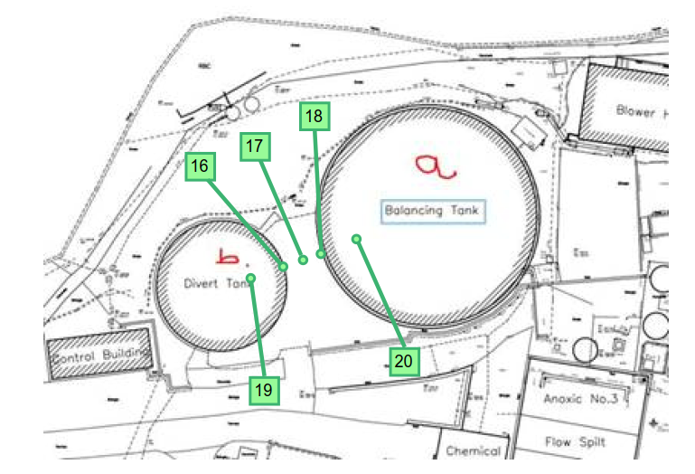
 | Covered BT1 and Divert Tank Measurements
 | Locations 16 to 20

Hepworth 2021 - WPF Meas
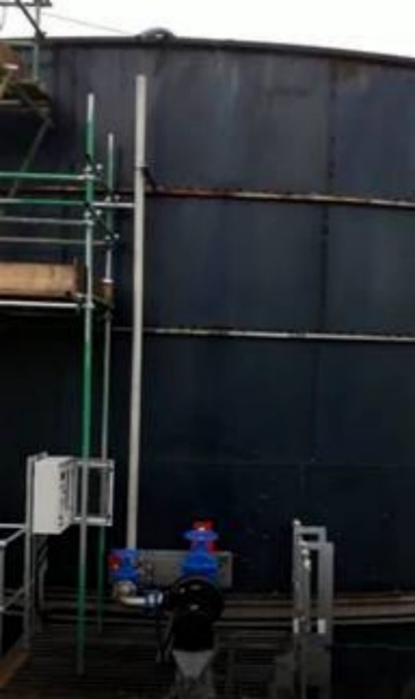
 | Water Processing Facility

 | Measurements Hepworth Acoustics during 2021 Survey Visits.

Assessment Data Ref. |  |  |  |  |  |  |  | Noise Level L90, dB - LINEAR
 |  |  |  |  |  |  |  | Third octave Band Centre Frequency (Hz)
 | Plan Location | Mic Location | Measurement Notes | LAeq | LAFmax | LA10 | LA90 | 25 | 31.5 | 40 | 50 | 63 | 80 | 100 | 125 | 160 | 200 | 250 | 315 | 400 | 500 | 630 | 800 | 1000 | 1250 | 1600 | 2000 | 2500 | 3150 | 4000 | 5000 | 6300 | 8000 | 10000 | 12500 | 16000 | 20000
2021_Hep_WPF_42 | 19 | 1m above Divert Tank, ~5m in from edge | Repeat of 2020 measurement | 63 | 63 | 63 | 62 | 61 | 58 | 61 | 63 | 56 | 58 | 59 | 57 | 56 | 57 | 56 | 57 | 56 | 55 | 52 | 52 | 51 | 52 | 52 | 47 | 45 | 44 | 42 | 38 | 35 | 32 | 26 | 21 | 15 | 10
2021_Hep_WPF_43 | 20 | 1m above BT1, ~5m in from edge | Repeat of 2020 measurement | 67 | 68 | 67 | 67 | 63 | 63 | 68 | 63 | 60 | 62 | 61 | 61 | 62 | 62 | 61 | 62 | 62 | 60 | 57 | 55 | 54 | 53 | 54 | 54 | 48 | 47 | 44 | 42 | 39 | 36 | 31 | 28 | 23 | 14
2021_Hep_WPF_44 | 21 | In-between Fan Stack and Dry Scrubber 2 | Isolated measurements of induvial items not practicable | 76 | 76 | 76 | 75 | 57 | 61 | 64 | 71 | 64 | 62 | 67 | 68 | 66 | 63 | 62 | 65 | 62 | 64 | 64 | 65 | 68 | 67 | 64 | 64 | 58 | 58 | 58 | 60 | 57 | 53 | 53 | 54 | 50 | 46
2021_Hep_WPF_45 | 22 | In-between Dry2 and Dry Scrubber 1 |  | 69 | 71 | 70 | 69 | 61 | 62 | 63 | 64 | 61 | 60 | 62 | 61 | 59 | 61 | 60 | 60 | 61 | 60 | 58 | 58 | 59 | 58 | 58 | 55 | 54 | 55 | 54 | 52 | 48 | 46 | 43 | 40 | 36 | 28
2021_Hep_WPF_46 | 23 | In-between Dry Scrubber 1 and Wet Scrubber |  | 70 | 72 | 70 | 69 | 63 | 62 | 64 | 64 | 58 | 60 | 61 | 60 | 61 | 61 | 57 | 58 | 60 | 60 | 58 | 58 | 58 | 59 | 58 | 57 | 57 | 55 | 54 | 53 | 50 | 48 | 44 | 42 | 38 | 32
2021_Hep_WPF_47 | 38 | 1m from BT 1 Aeration Landia Pump | Pump on North side of BT1 | 77 | 79 | 78 | 77 | 63 | 57 | 59 | 62 | 59 | 61 | 57 | 61 | 59 | 59 | 60 | 58 | 60 | 63 | 60 | 65 | 66 | 69 | 71 | 62 | 59 | 65 | 64 | 51 | 48 | 46 | 41 | 38 | 34 | 29
2021_Hep_WPF_48 | 39 | 1m from BT 1 Aeration Landia Pump | Pump on West side of BT1 | 77 | 78 | 77 | 77 | 61 | 59 | 61 | 61 | 59 | 60 | 59 | 60 | 62 | 62 | 61 | 60 | 63 | 63 | 63 | 68 | 68 | 68 | 67 | 65 | 64 | 63 | 60 | 56 | 54 | 53 | 49 | 45 | 41 | 37
2021_Hep_WPF_49 | 40 | 1m from BT 1 Aeration Landia Pump | Pump on South side of BT1 | 79 | 80 | 79 | 78 | 63 | 60 | 60 | 67 | 63 | 64 | 63 | 65 | 67 | 65 | 62 | 65 | 66 | 68 | 66 | 68 | 70 | 71 | 67 | 67 | 62 | 60 | 58 | 54 | 51 | 49 | 46 | 42 | 36 | 29
2021_Hep_WPF_50 | 41 | 1m from BT 1 Aeration Landia Pump | Pump on East side of BT1 | 80 | 80 | 80 | 79 | 65 | 60 | 59 | 60 | 61 | 63 | 62 | 63 | 64 | 63 | 62 | 64 | 64 | 67 | 65 | 70 | 71 | 72 | 70 | 67 | 65 | 63 | 61 | 58 | 55 | 53 | 49 | 44 | 40 | 34
2021_Hep_WPF_51 | - | - | AFM Filtration Tanks - Quiet Item, no measurements undertaken | - | - | - | - | - | - | - | - | - | - | - | - | - | - | - | - | - | - | - | - | - | - | - | - | - | - | - | - | - | - | - | - | - | -

 | Measurement Locations:

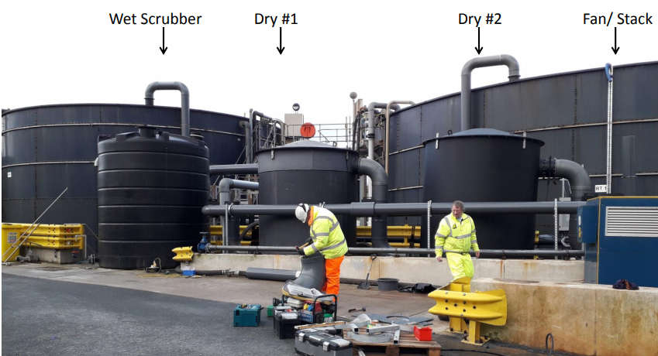
21
22
23
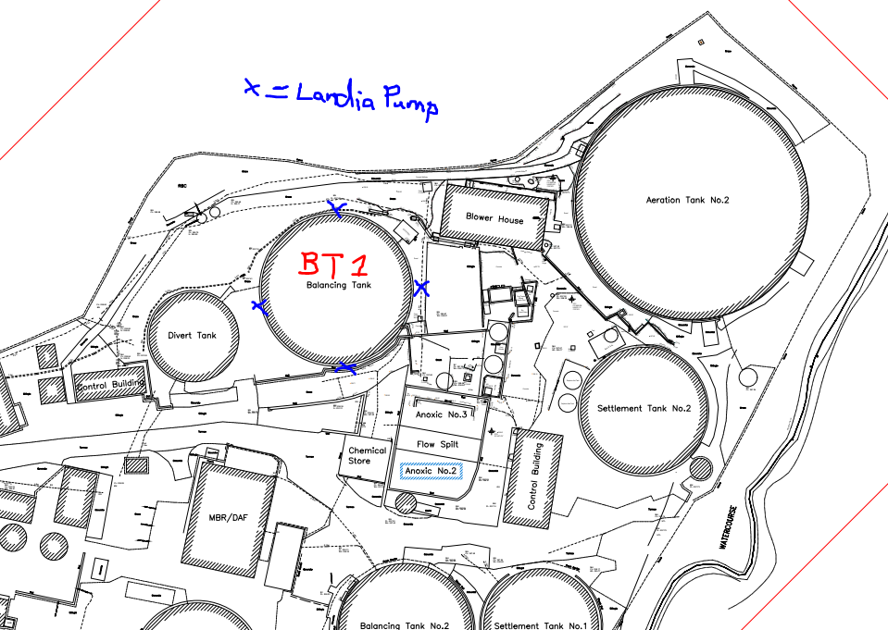
38
39
40
411
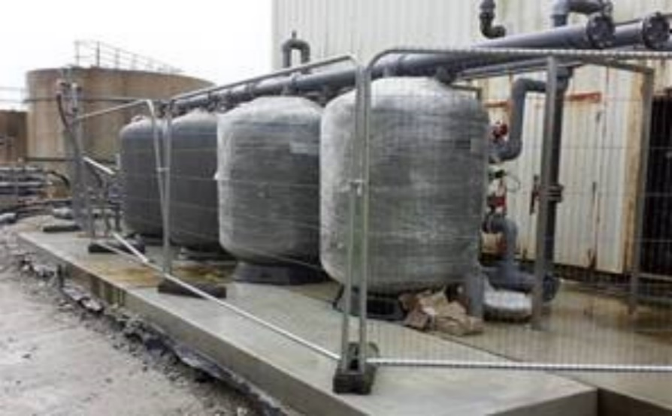
 | Covered BT1 and Divert Tank Measurements |  |  |  |  | OCU Measurements |  |  |  |  |  |  |  |  |  |  |  |  |  | BT 1 Landia Pumps |  |  |  |  |  |  |  |  |  |  | AFM Filtration Tanks
 | Locations 19 and 20 |  |  |  |  | Locations 21 to 23 |  |  |  |  |  |  |  |  |  |  |  |  |  | Locations 38 to 41 |  |  |  |  |  |  |  |  |  |  | Quite - No meas. possible

 |  |  |  |  |  |  |  |  |  |  |  |  |  |  |  |  |  |  |  |  | Example Pump

WSP 2022 Surey - Tertiary Filts
 |  | Water Processing Facility

 | WSP 2022 Tertiary Filters Noise Survey

Assessment Data Ref. |  |  |  |  |  |  |  | Noise Level L90, dB - LINEAR
 |  |  |  |  |  |  |  | Third octave Band Centre Frequency (Hz)
 |  | Mic Location | Measurement Notes | LAeq | LAFmax | LA10 | LA90 | 50 | 63 | 80 | 100 | 125 | 160 | 200 | 250 | 315 | 400 | 500 | 630 | 800 | 1000 | 1250 | 1600 | 2000 | 2500 | 3150 | 4000 | 5000 | 6300 | 8000 | 10000
2022_WSP_WPF_1 |  | Filtrate tank | 1m from right-hand side inlet pipe (1 min. meas.) | 75.4 | 78.1 | 76.5 | 73.4 | 60.3 | 56.2 | 59.3 | 65.5 | 59.2 | 60.3 | 59.3 | 58.4 | 62.0 | 62.8 | 62.9 | 65.4 | 64.6 | 64.3 | 63.5 | 62.1 | 61.3 | 60.3 | 59.8 | 58.8 | 57.1 | 55.0 | 53.1 | 51.7
2022_WSP_WPF_2 |  | Transfer pumps: Left of filtrate tank | 1m from transfer pumps (1 min. meas.) | 69.3 | 70.3 | 69.7 | 68.8 | 59.6 | 56.6 | 59.1 | 59.2 | 55.5 | 55.6 | 54.4 | 54.7 | 58.2 | 56.7 | 57.0 | 56.6 | 55.7 | 57.5 | 59.4 | 55.7 | 53.7 | 53.0 | 53.8 | 62.4 | 50.6 | 47.0 | 50.9 | 43.8
2022_WSP_WPF_3 |  | Transfer pumps: Right of filtrate tank | 1m from transfer pumps (1 min. meas.) | 71.8 | 74.1 | 73.2 | 68.5 | 58.0 | 53.7 | 57.6 | 57.9 | 54.3 | 54.0 | 55.2 | 54.8 | 56.6 | 54.7 | 56.5 | 58.1 | 60.6 | 56.7 | 57.2 | 56.9 | 54.6 | 53.8 | 56.4 | 57.4 | 57.1 | 54.2 | 54.3 | 50.8
2022_WSP_WPF_4 |  | Tertiary filters | 1m from right-hand side tertiary filter (1 min. meas.) | 77.6 | 80.8 | 79.9 | 74.8 | 60.1 | 58.1 | 66.1 | 66.7 | 62.6 | 58.9 | 60.4 | 59.7 | 63.1 | 60.8 | 60.9 | 62.5 | 62.7 | 64.3 | 63.2 | 64.0 | 63.3 | 63.5 | 63.2 | 62.8 | 62.5 | 60.9 | 59.8 | 58.9

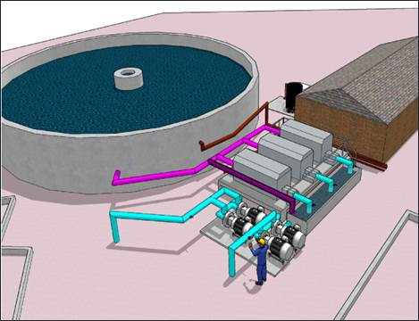
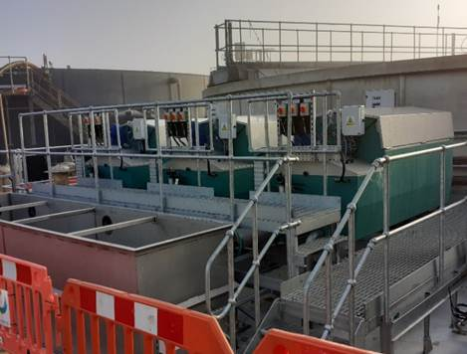
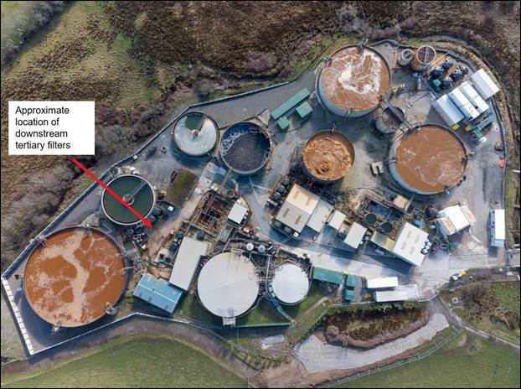
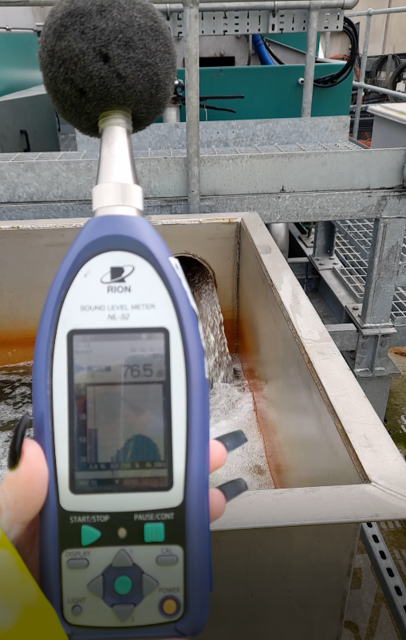
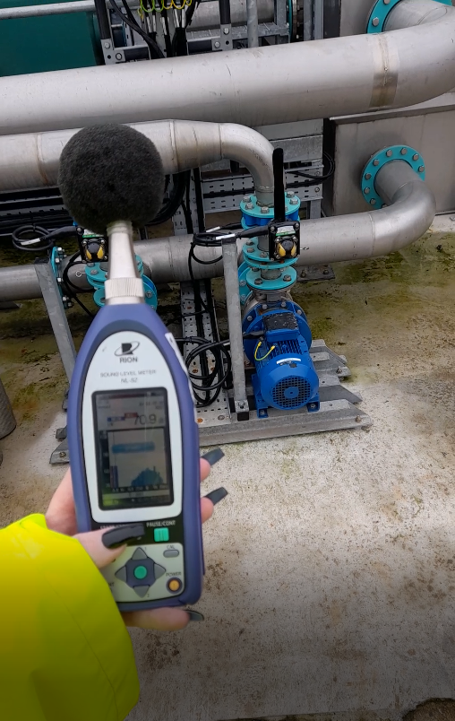
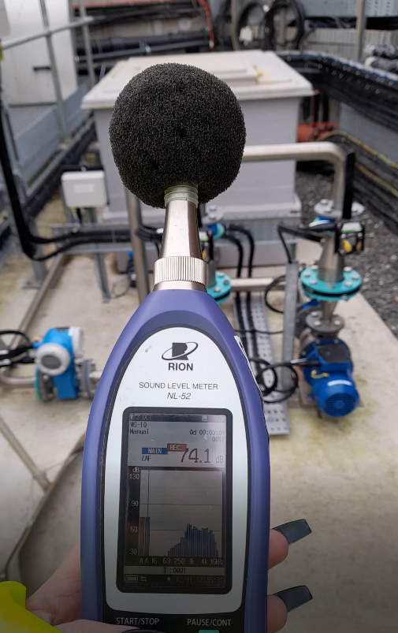
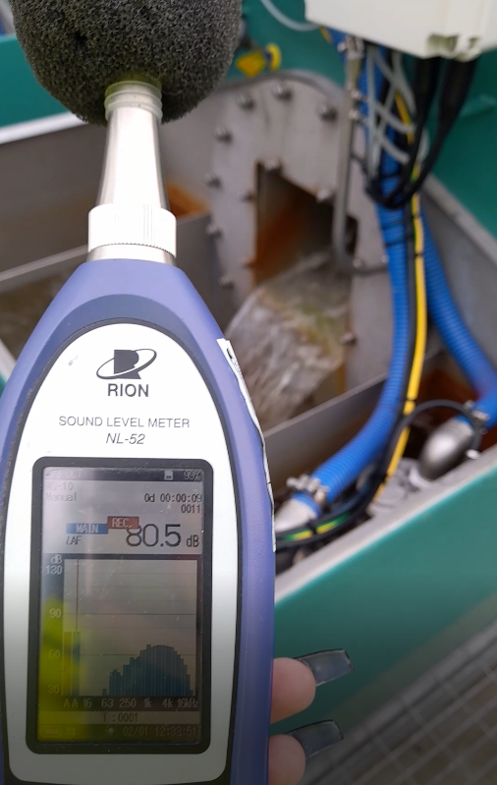
 | Measurement Locations:
 |  |  |  |  |  |  |  |  |  |  | Filtrate tank measurement |  |  |  |  |  |  | Transfer pumps: Left of filtrate tank |  |  |  |  |  |  | Transfer pumps: Right of filtrate tank |  |  |  |  |  |  | Tertiary filter
 | Covered BT1 and Divert Tank Measurements
 | Locations 19 and 20

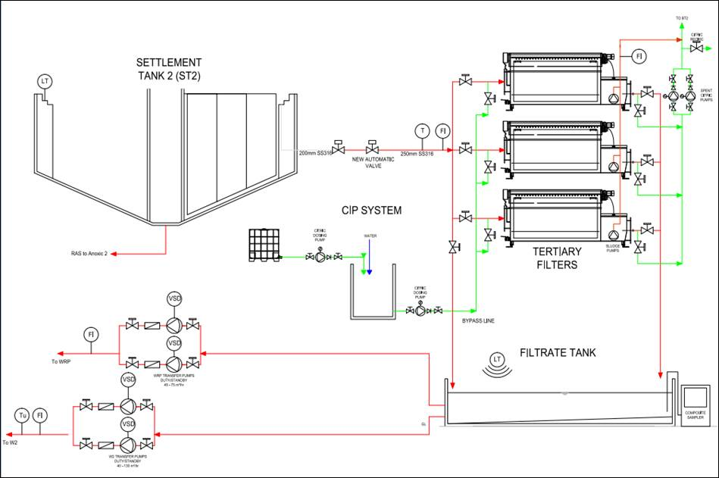

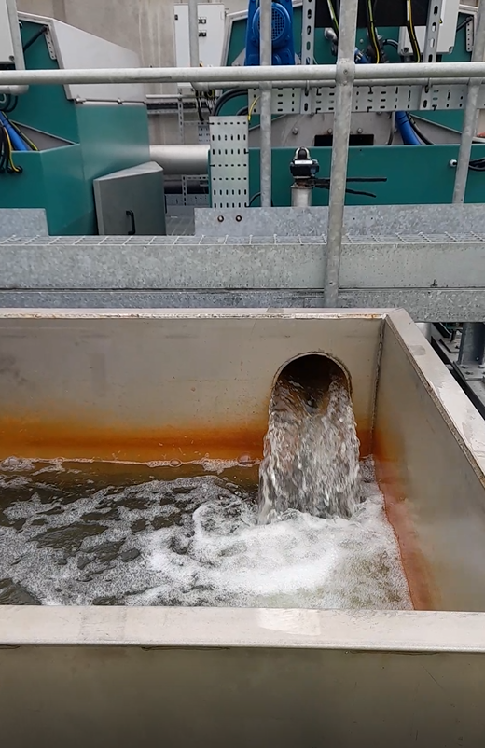
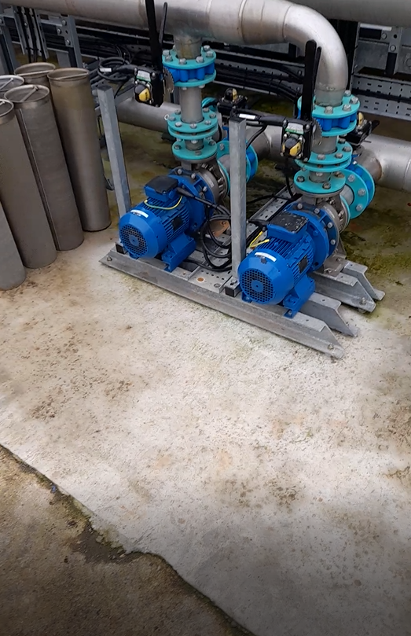
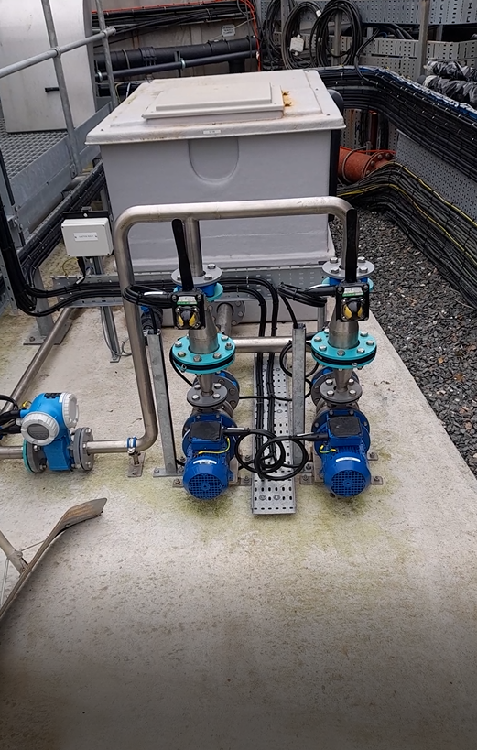
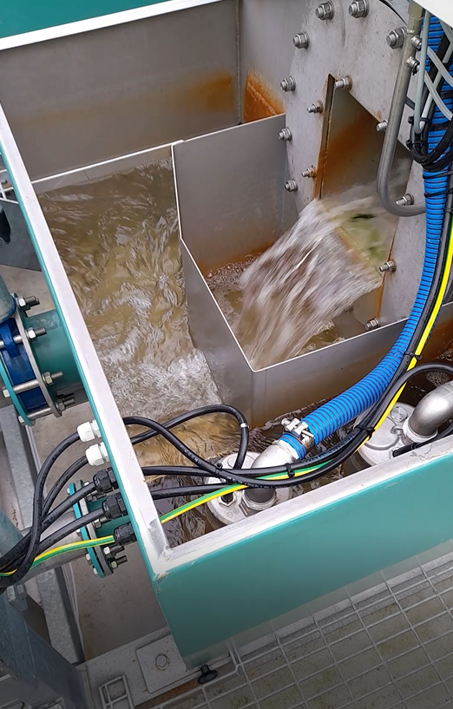

 |  | water recovery plant
 |  | water discharge location (W2)

Agitator and Top Mixer
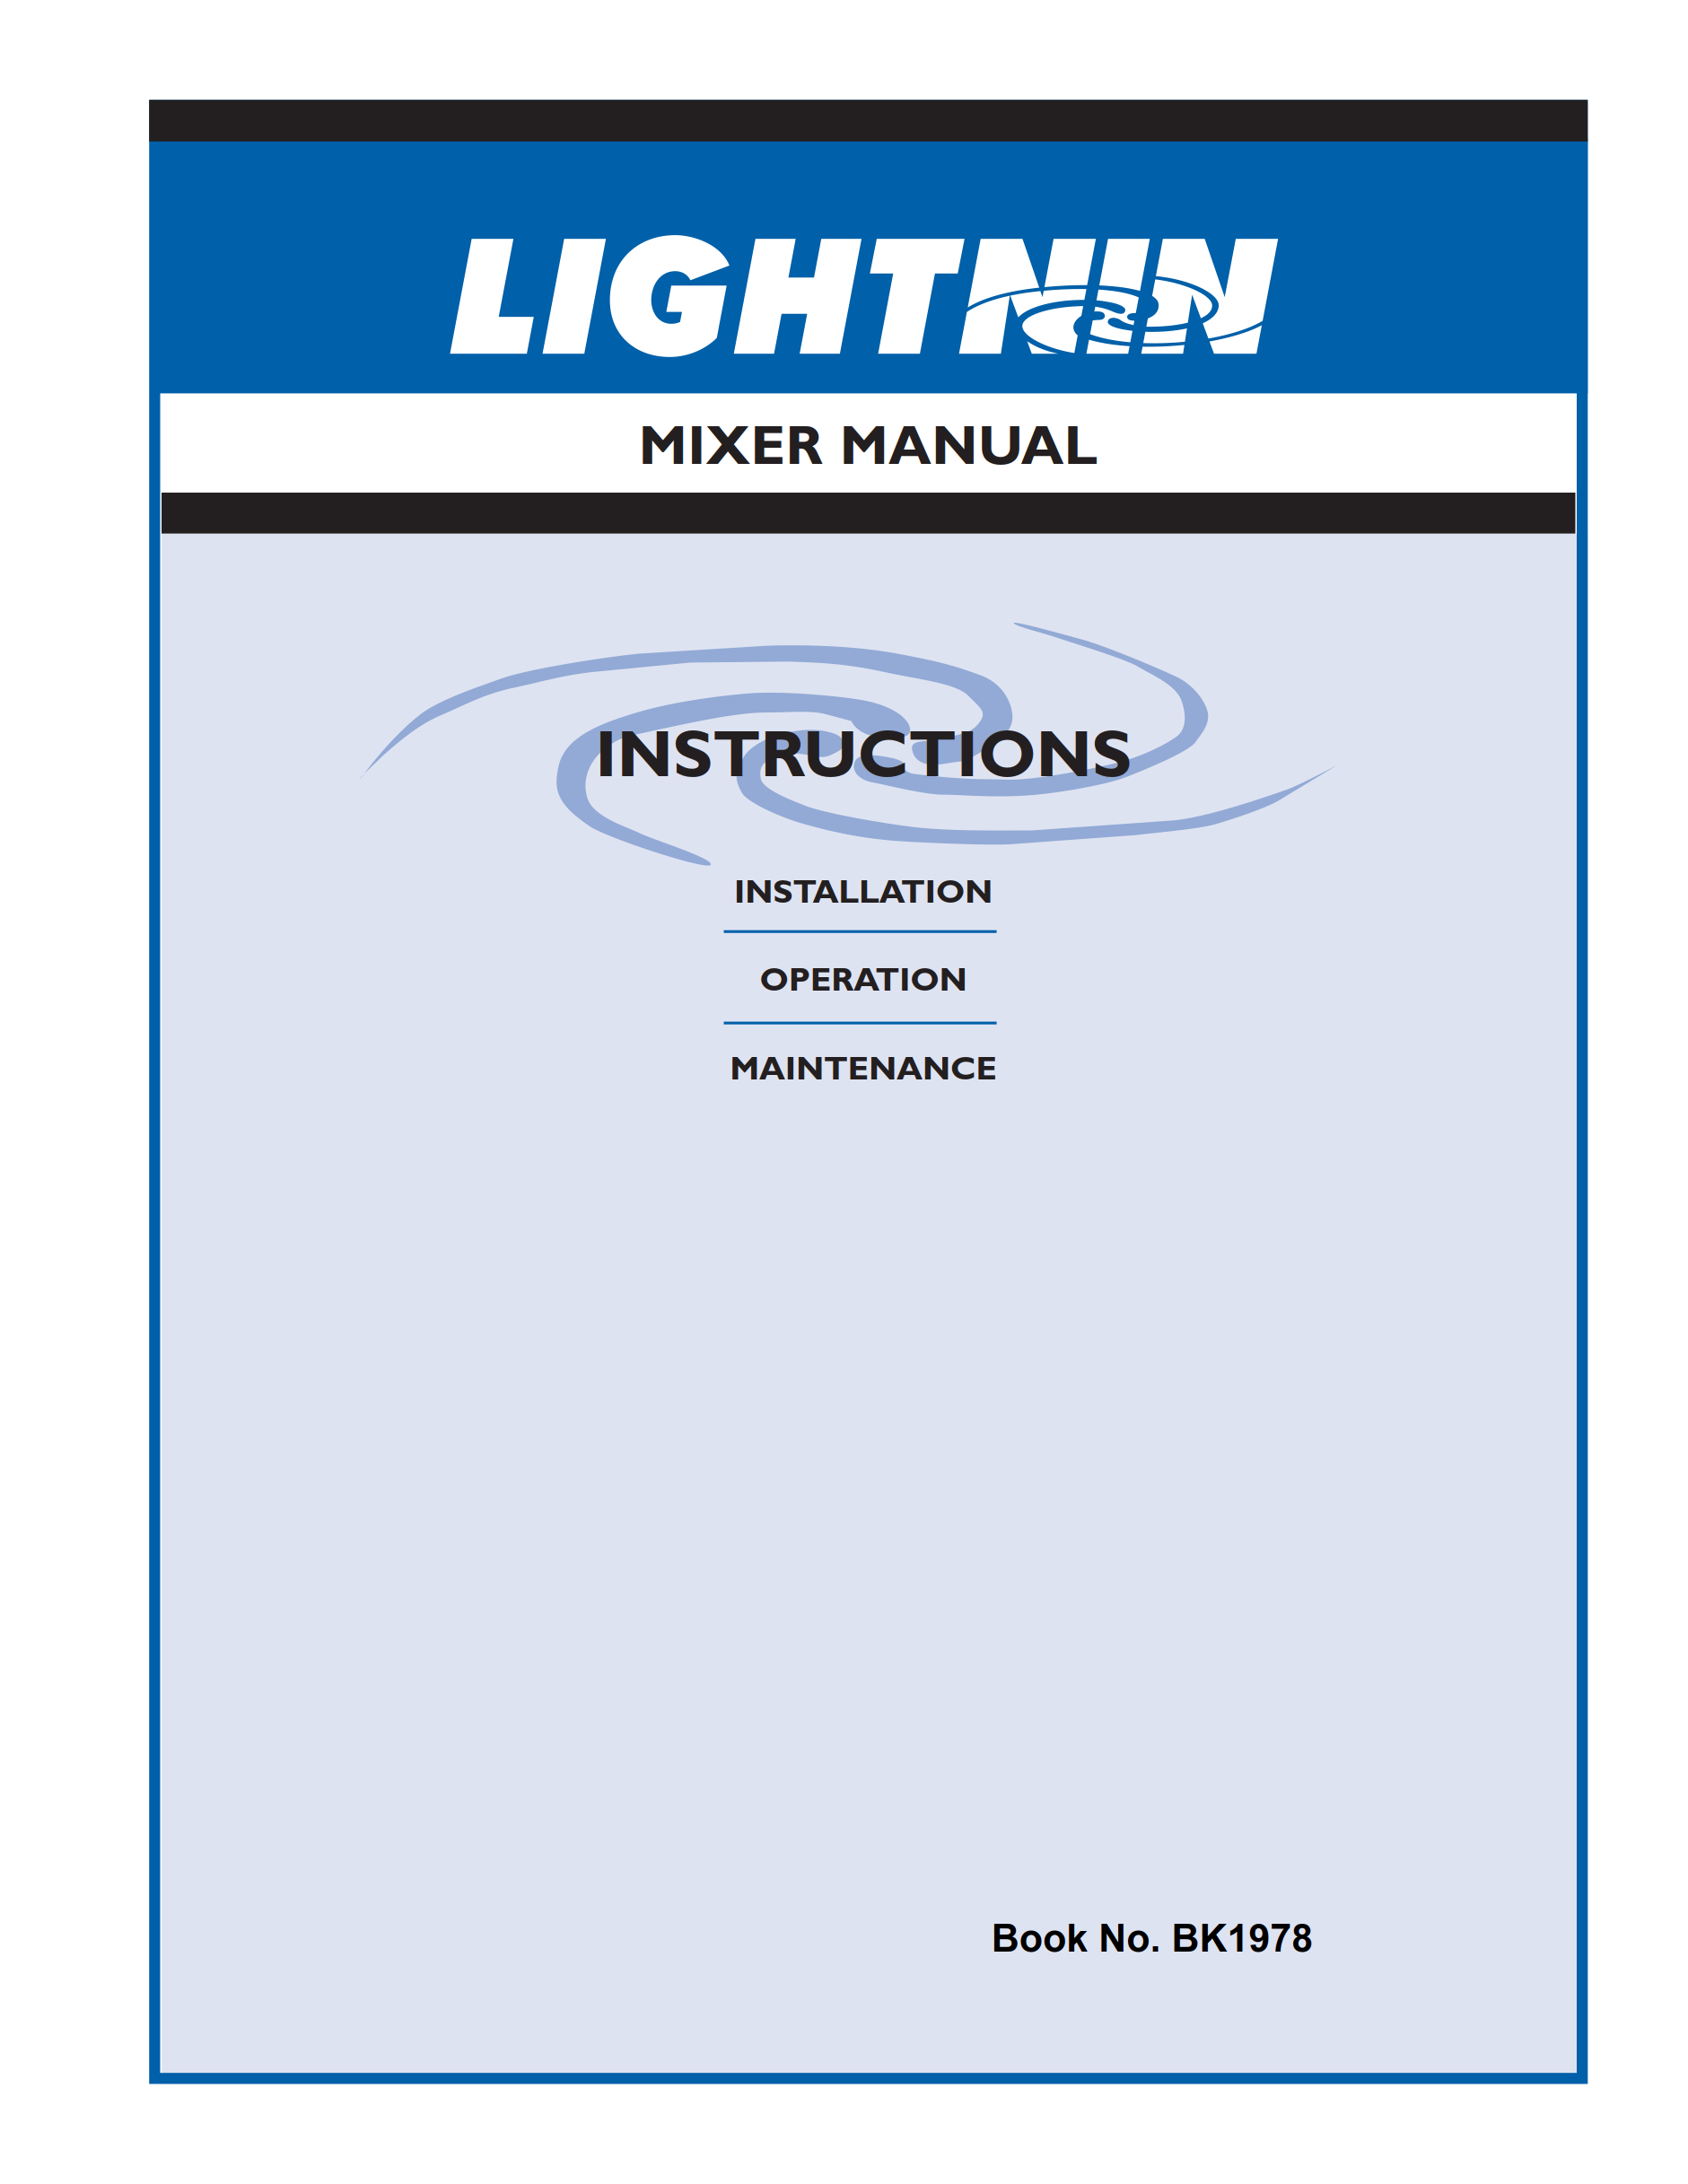
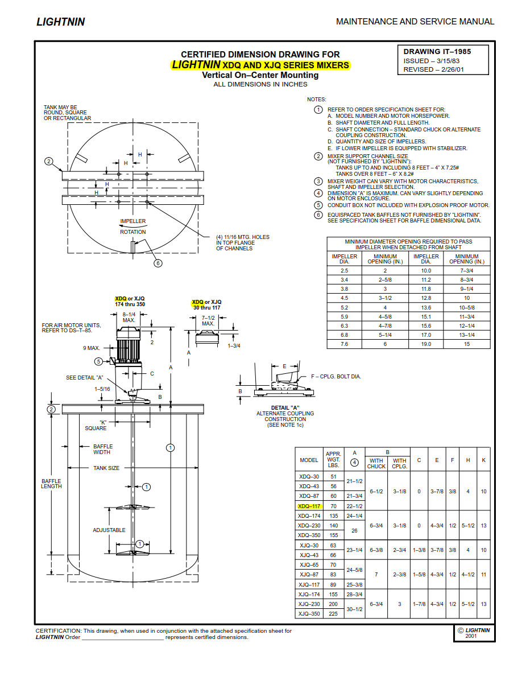
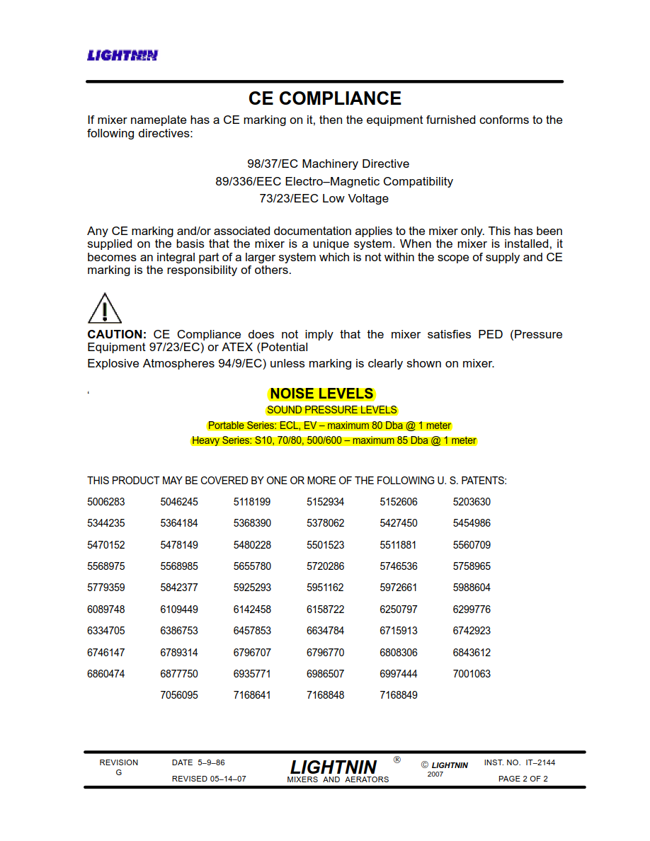
 | MANUFACTURER DATA

 |  |  | Assessment Data Ref.

 |  |  |  | LAeq, dB | Distance (m) | Notes
 | Telephone conversation with SPX Technical (0161 2491170), 19 June 2019: JP requested Nosie emission data for the agitator and top mixer options. Advised that expected noise levels for the agitators and mixers are significantly lower than those stated in product literature (see blow), and more typically 70dB(A) @ 1m. i.e. that the 85dB(A) referenced in the product literature is indeed a 'maximum' as stated, covering a host of different agitator options. In particular, much lower levels can be expected for the agitators proposed for use in this case. |  | Manufacturer_1 | 70 | 1 | Actual - See results of consultation to the left
 |  |  | Manufacturer_2 | <85 | 1 | Maximum - See product docs below

Source Doc 1 - S-Series Model

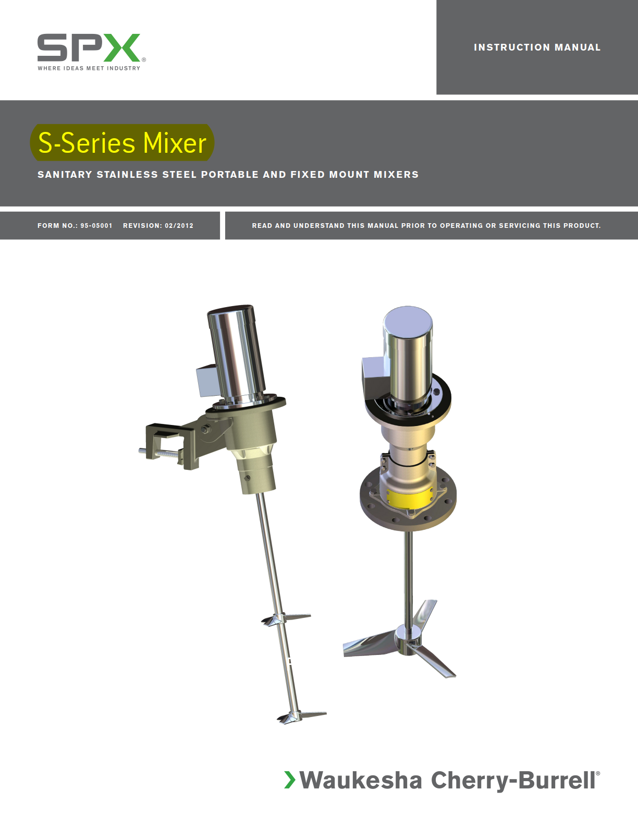 |  | 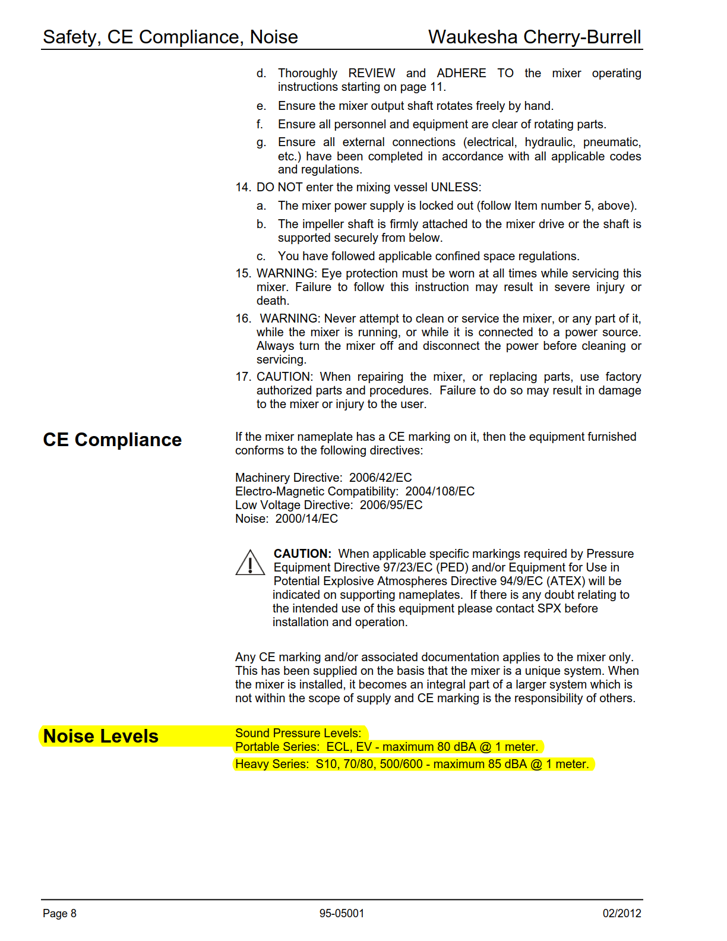 |  |  |  |  | 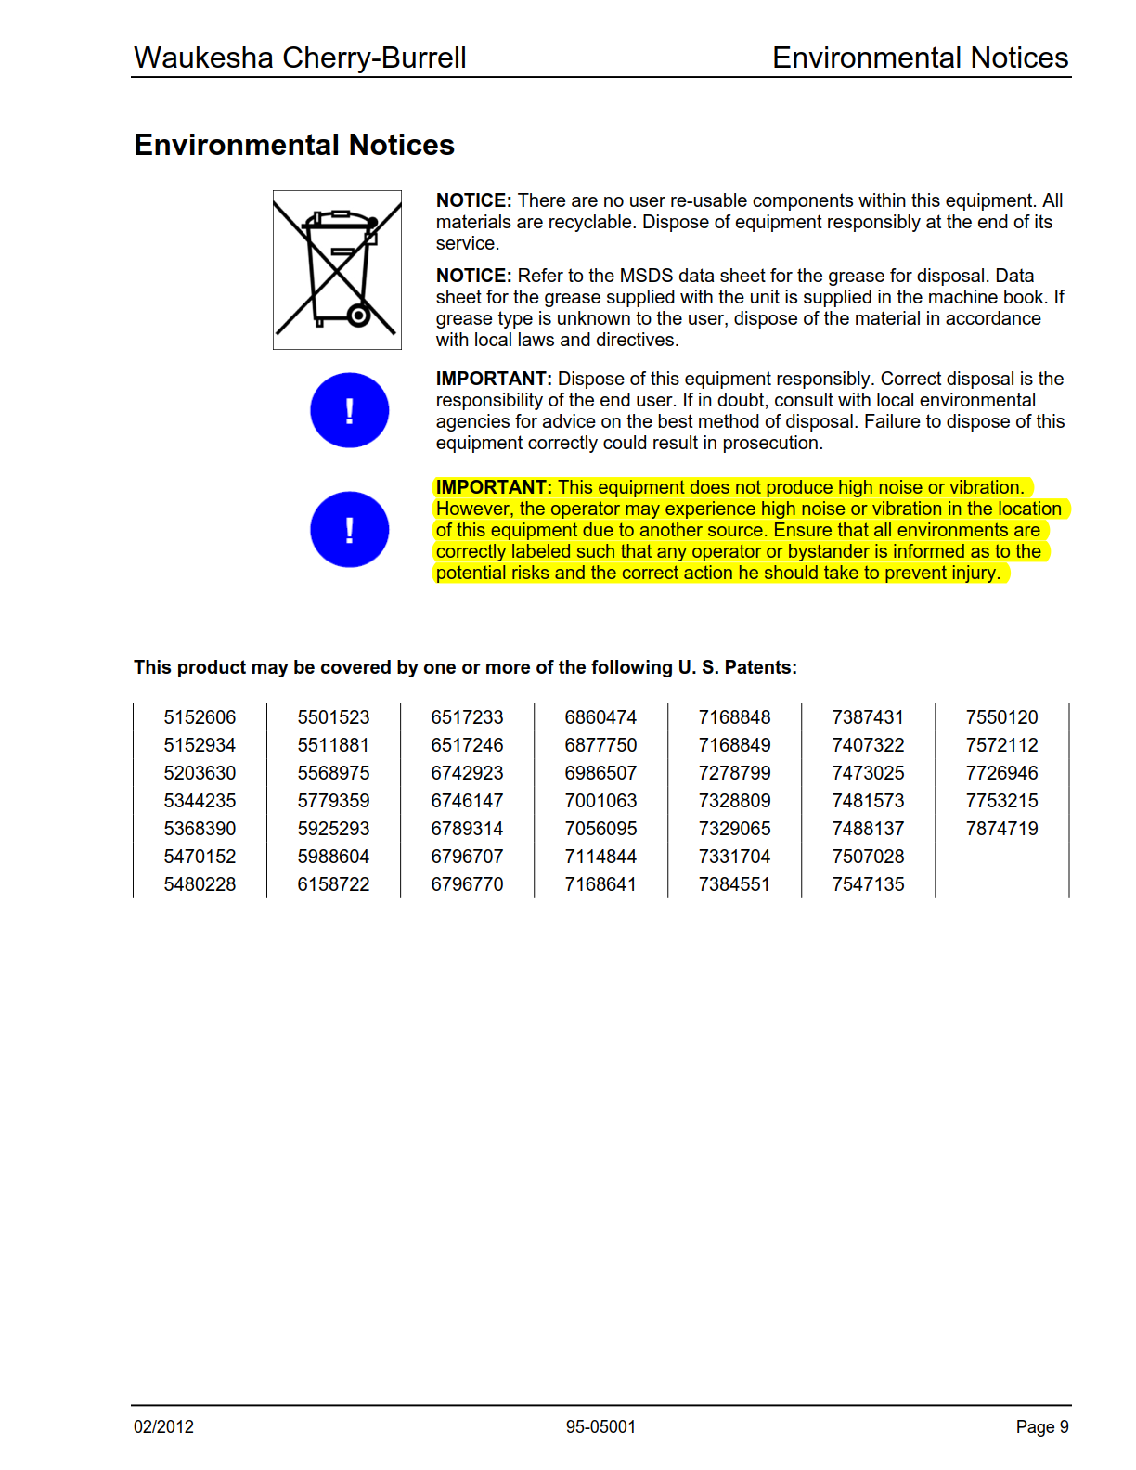 | 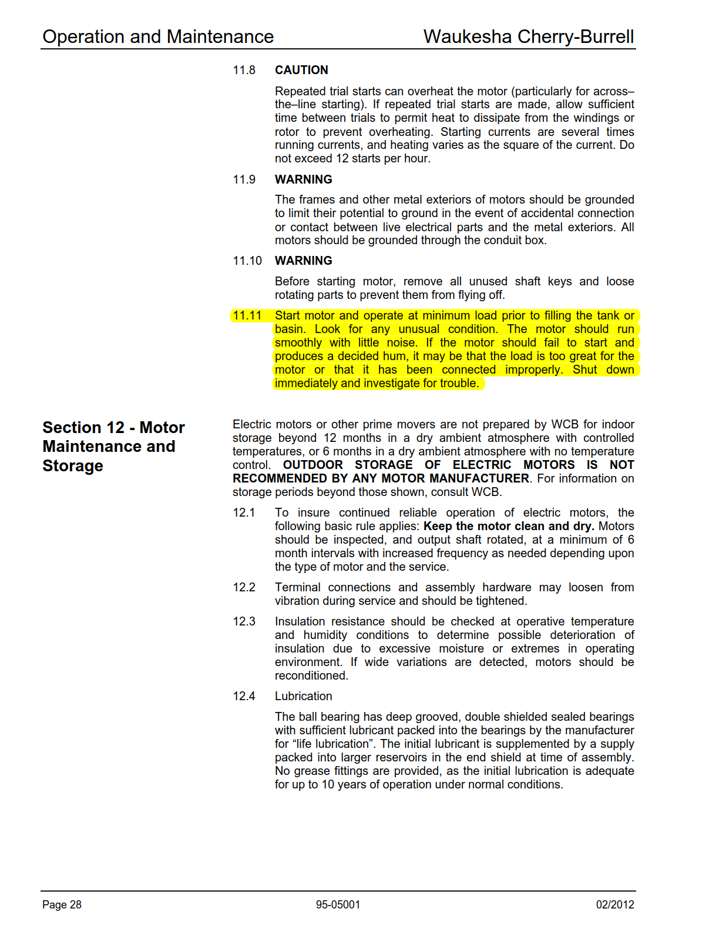

Source Doc 2 - XDQ MODEL

Creamery #3
Relevant Source Data

Agitators / Mixers | Data as per Creamer # 2 Tab

Silos | Data as per Creamery # 2 Tab

Freezer Room | Client Confirmed: | To contain self contained chest freezers so NO EXTENAL REFRIDGERATION PLANT
 |  | Noise levels above 60 dBA outside the building
 |  | Room dimensions and locations confirmed by client as follows:

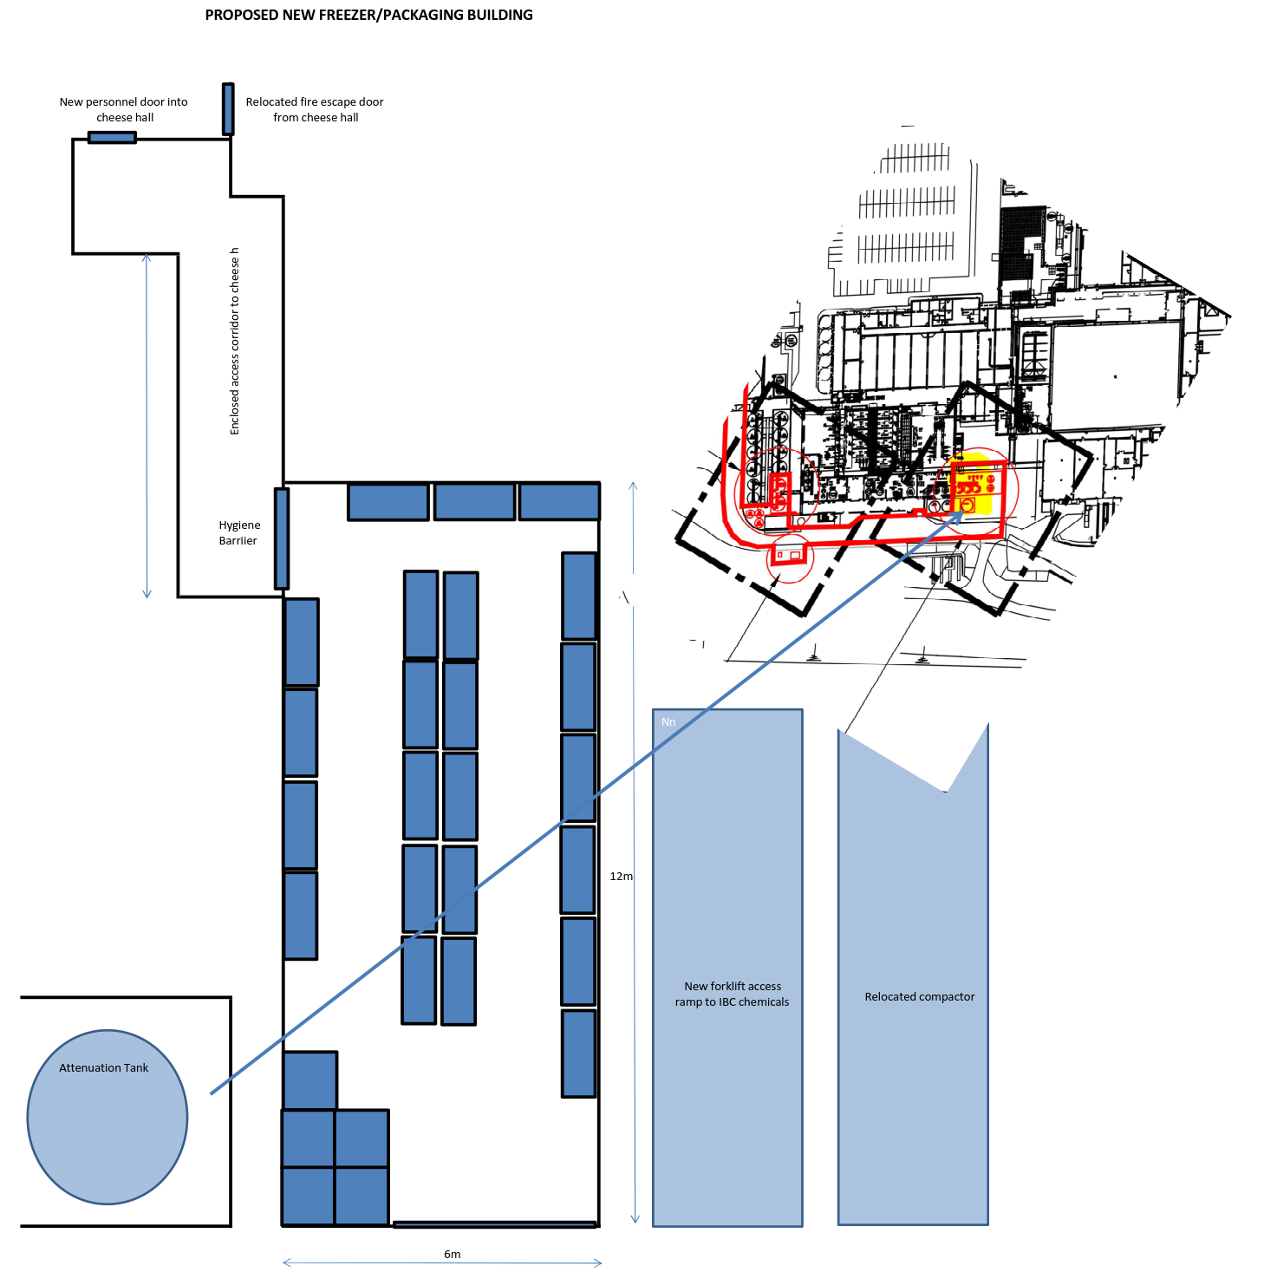
 |  | Length: | 12m
 |  | Width: | 6m
 |  | Height: | 5m | (assumed)

Final Data Selected for Adoption in Noise Model

Agitators / Mixers | Data as per Creamery # 2 Tab

Silos | Data as per Creamery # 2 Tab

Freezer Room | Client Confirmed:

 |  |  |  | Source Data
Data Source Tab | Assessment Data Ref | Data Type | Source | LAeq, dB | Distance (m) | Notes
Creamery #3 | Client_1 | Advised | Freezer Room | 60 | 1 | Maximum

Each of the new freezer room facades and it's roof have been set in the noise model to give this result at 1m, above ground.

Hepworth Tabled Baseline Data
Hepworth Report 1: |  |  |  |  |  |  |  |  |  | Hepworth Report 1: |  |  |  |  |  | Hepworth Report 2: |  |  |  |  |  |  |  | Hepworth Report 3: |  |  |  |  |  |  |  |  |  |  | Hepworth Report 4:
Hepworth Acoustics report reference: P18-098-R01v2, dated October 2018 and entitled Dairy Crest WWTP2, Davidstow 2018 Baseline Noise Assessment |  |  |  |  |  |  |  |  |  |  |  |  |  |  |  | Hepworth Acoustics report reference: P18-389-R01v2 dated November 2018 and entitled Proposed developments at Dairy Crest Creamery / WWTP2, Davidstow Noise Impact Assessment. |  |  |  |  |  |  |  | Hepworth Acoustics report reference: P20-150-R01v1 dated April 2020 and entitled Dairy Crest WWTP2 April 2020 Noise Assessment. |  |  |  |  |  |  |  |  |  |  | Hepworth Acoustics report reference: P21-155-R01v1 dated May 2021 and entitled Davidstow WPF April 2021 Noise Assessment.
Report Table 2: | Summary of Noise Measurements at Trewassa |  |  |  |  |  |  |  |  | Report Table 4: | Summary of Noise Measurements at Treworra |  |  |  |  | Appendix II |  |  |  |  |  |  |  | Report Table 2: | Summary of Noise Measurements at Trewassa |  |  |  |  |  |  |  |  |  | Report Table 2:
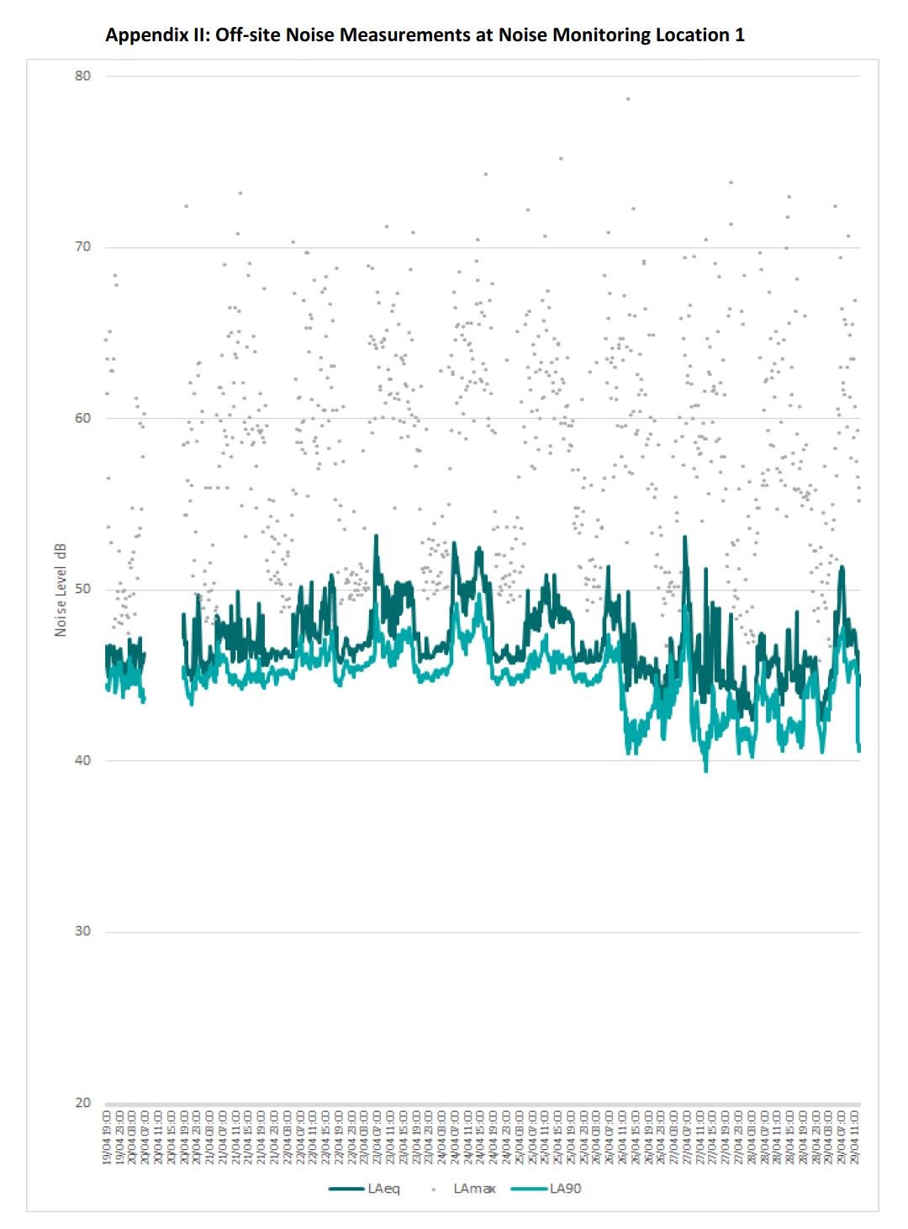
 |  |  |  |  |  |  |  |  |  |  |  |  |  |  |  |  |  |  |  |  |  |  |  |  |  |  |  |  |  |  |  |  |  | Trewassa
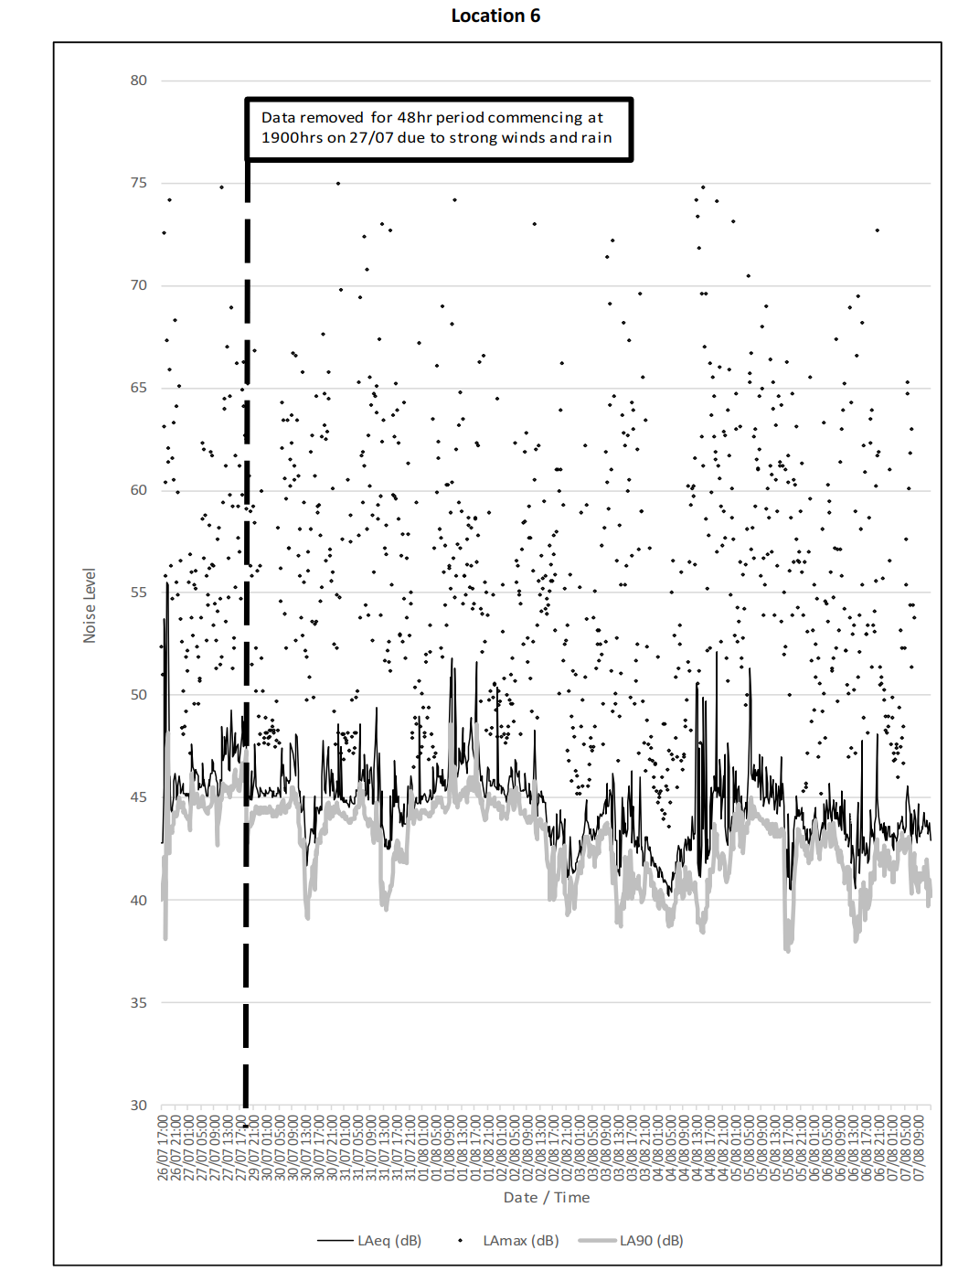
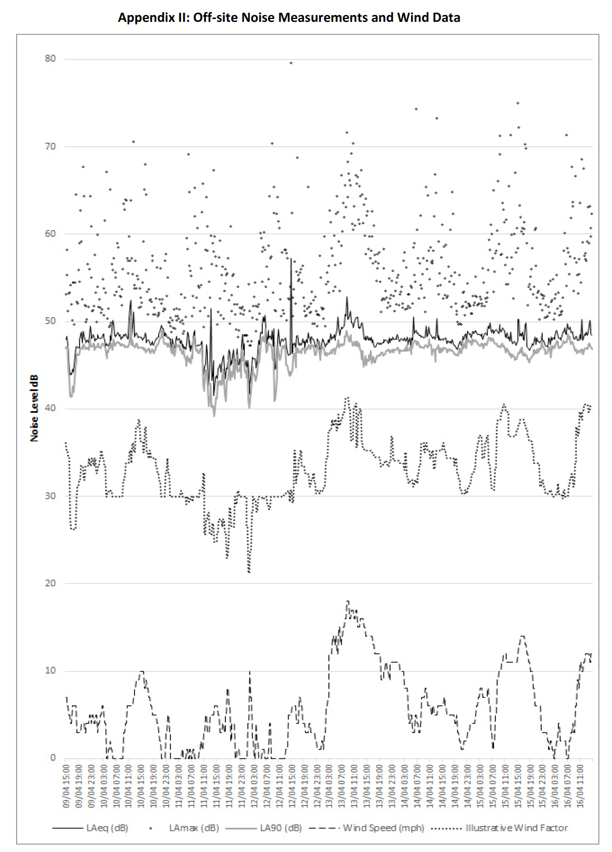
Time Period Start |  | Noise |  | Level | dB |  | (T=15min) |  |  | Time Period Start | Noise Level dB |  |  |  |  | Location | Date | Wind Direction | Time |  | Noise Level |  |  | Time Period Start |  | Noise |  |  | Level |  | dB |  |  |  | Time Period Start |  | Noise |  |  | Level |  | dB
 |  | LAeq,T |  |  | LAmax,T |  | LA90,T |  |  |  | LAeq,15min |  | LAmax,15min | LA90,15min |  |  |  |  | Start | End | dB LAeq | dB LAmax | dB LA90 |  |  | LAeq,T |  |  | LAmax,T |  | LA90,T |  |  |  |  |  | LAeq,T |  |  | LAmax,T |  | LA90,T
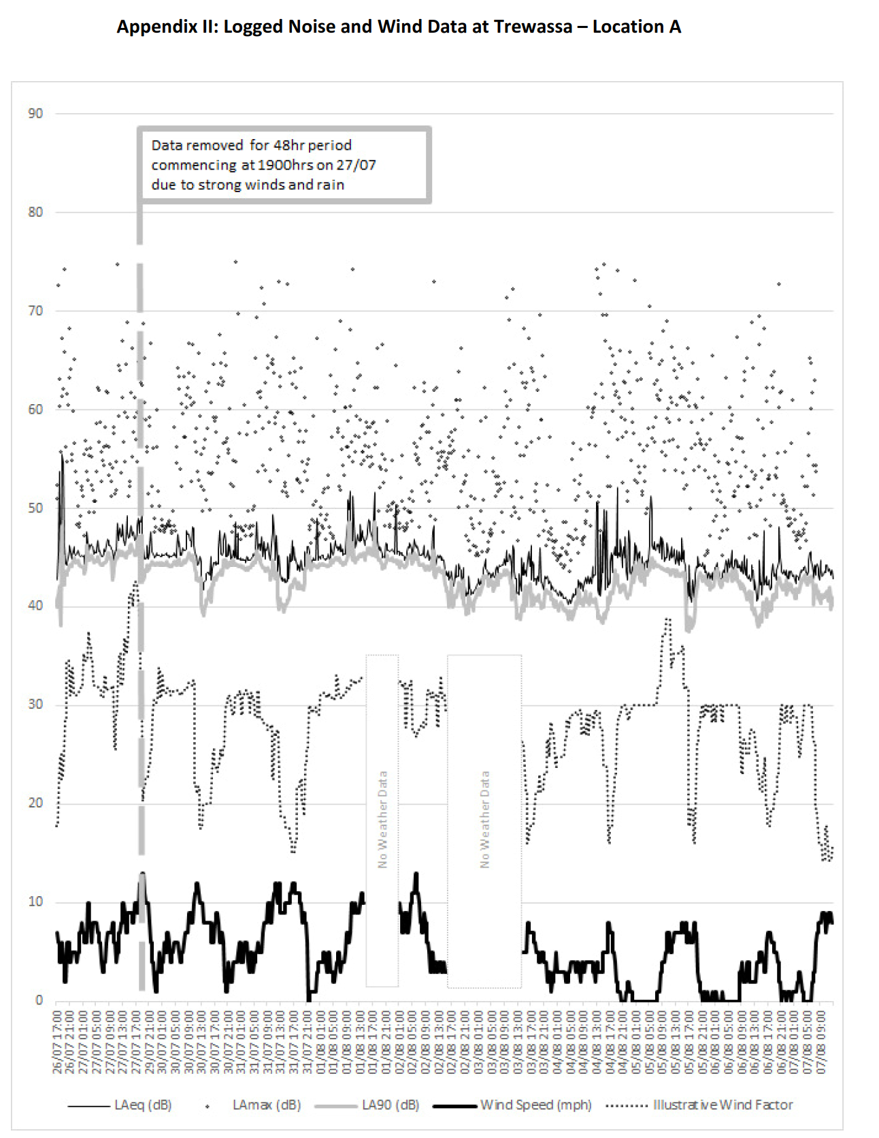
 |  | Range |  | Ave. | Range |  | Range |  | Ave. |  | Range | Logarithmic Average | Range | Mean | Arithmetic Average | 1 | 27-Jul-18 | SW/SSW | 0:26:00 | 0:31:00 | 47 | 64 | 36 |  |  | Range |  | Ave. | Range |  | Range |  | Ave. |  |  |  | Range |  | Ave. | Range |  | Range |  | Ave.
 |  | Low | High | Avg | Low | High | Low | High | Avg | 27/07 0015-0300 | 33-37 | 35 | 40-56 | 31-35 | 33 |  |  |  | 1:29:00 | 1:34:00 | 44 | 63 | 36 |  |  | Low | High | Avg | Low | High | Low | High | Avg |  |  |  | Low | High | Avg | Low | High | Low | High | Avg
2020-07-26 | 1700 | 42 | 56 | 52 | 51 | 73 | 38 | 48 | 42 | 07/08 0000-0230 | 28-35 | 32 | 37-60 | 25-29 | 28 |  |  |  | 2:05:00 | 2:10:00 | 47 | 60 | 39 | 2020-04-09 | 1500 | 44 | 48 | 46 | 50 | 65 | 41 | 47 | 44 |  | 2021-04-19 | 2300 | 46 | 47 | 46 | 48 | 52 | 45 | 46 | 45
2020-07-26 | 1900 | 44 | 55 | 47 | 54 | 74 | 42 | 45 | 44 |  |  |  |  |  |  |  | 7-Aug-18 | N/NW | 0:21:00 | 0:26:00 | 36 | 57 | 29 | 2020-04-09 | 1900 | 47 | 50 | 48 | 50 | 68 | 46 | 48 | 47 |  | 2021-04-20 | 0 | 45 | 46 | 46 | 49 | 50 | 44 | 45 | 44
2020-07-26 | 2300 | 45 | 46 | 45 | 48 | 53 | 44 | 45 | 45 |  |  |  |  |  |  |  |  |  | 1:10:00 | 1:15:00 | 48 | 60 | 34 | 2020-04-09 | 2300 | 48 | 49 | 48 | 51 | 61 | 47 | 48 | 47 |  | 2021-04-20 | 100 | 45 | 46 | 45 | 48 | 50 | 44 | 45 | 45
2020-07-27 | 0 | 45 | 45 | 45 | 49 | 52 | 44 | 44 | 44 |  |  |  |  |  |  |  |  |  | 1:55:00 | 2:00:00 | 37 | 65 | 31 | 2020-04-10 | 0 | 48 | 48 | 48 | 50 | 58 | 47 | 47 | 47 |  | 2021-04-20 | 200 | 46 | 47 | 46 | 48 | 52 | 45 | 46 | 45
2020-07-27 | 100 | 44 | 45 | 45 | 47 | 57 | 43 | 44 | 44 |  |  |  |  |  |  | 2 | 27-Jul-18 | SW/SSW | 0:34:00 | 0:38:00 | 46 | 66 | 41 | 2020-04-10 | 100 | 48 | 49 | 48 | 52 | 60 | 47 | 48 | 47 |  | 2021-04-20 | 300 | 46 | 47 | 47 | 50 | 55 | 45 | 46 | 45
2020-07-27 | 200 | 46 | 48 | 47 | 53 | 56 | 45 | 46 | 45 |  |  |  |  |  |  |  |  |  | 1:36:00 | 1:41:00 | 46 | 62 | 41 | 2020-04-10 | 200 | 48 | 49 | 48 | 51 | 55 | 47 | 48 | 47 |  | 2021-04-20 | 400 | 45 | 47 | 46 | 49 | 61 | 45 | 45 | 45
2020-07-27 | 300 | 46 | 46 | 46 | 50 | 56 | 45 | 45 | 45 |  |  |  |  |  |  |  |  |  | 2:12:00 | 2:17:00 | 47 | 56 | 42 | 2020-04-10 | 300 | 47 | 49 | 48 | 51 | 62 | 46 | 47 | 47 |  | 2021-04-20 | 500 | 45 | 47 | 46 | 51 | 60 | 44 | 45 | 45
2020-07-27 | 400 | 45 | 46 | 46 | 50 | 52 | 45 | 45 | 45 |  |  |  |  |  |  |  | 7-Aug-18 | N/NW | 0:32:00 | 0:39:00 | 49 | 71 | 31 | 2020-04-10 | 400 | 47 | 48 | 47 | 49 | 67 | 46 | 47 | 46 |  | 2021-04-20 | 600 | 46 | 46 | 46 | 55 | 60 | 43 | 44 | 44
2020-07-27 | 500 | 46 | 47 | 46 | 54 | 62 | 45 | 45 | 45 |  |  |  |  |  |  |  |  |  | 1:17:00 | 1:22:00 | 37 | 55 | 30 | 2020-04-10 | 500 | 48 | 49 | 48 | 50 | 65 | 47 | 48 | 47 |  | 2021-04-20 | 1900 | 45 | 49 | 46 | 51 | 72 | 43 | 46 | 44
2020-07-27 | 600 | 45 | 46 | 45 | 53 | 62 | 44 | 45 | 44 |  |  |  |  |  |  |  |  |  | 2:02:00 | 2:07:00 | 43 | 65 | 29 | 2020-04-10 | 600 | 48 | 50 | 49 | 53 | 57 | 47 | 48 | 48 |  | 2021-04-20 | 2300 | 45 | 50 | 48 | 50 | 63 | 45 | 46 | 45
2020-07-27 | 700 | 45 | 47 | 46 | 51 | 62 | 43 | 46 | 45 |  |  |  |  |  |  | 3 | 18-Aug-18 | SW/SSW | 0:45:00 | 0:50:00 | 42 | 58 | 36 | 2020-04-10 | 700 | 48 | 49 | 48 | 52 | 64 | 47 | 48 | 47 |  | 2021-04-21 | 0 | 46 | 48 | 46 | 49 | 63 | 45 | 45 | 45
2020-07-27 | 1100 | 46 | 49 | 47 | 51 | 75 | 45 | 46 | 45 |  |  |  |  |  |  |  |  |  | 1:44:00 | 1:49:00 | 40 | 53 | 31 | 2020-04-10 | 1100 | 48 | 52 | 49 | 52 | 71 | 47 | 51 | 48 |  | 2021-04-21 | 100 | 45 | 46 | 46 | 49 | 60 | 44 | 45 | 45
2020-07-27 | 1500 | 47 | 49 | 48 | 52 | 66 | 45 | 47 | 46 |  |  |  |  |  |  |  |  |  | 2:20:00 | 2:25:00 | 44 | 57 | 36 | 2020-04-10 | 1500 | 47 | 49 | 48 | 51 | 68 | 46 | 47 | 47 |  | 2021-04-21 | 200 | 45 | 46 | 45 | 48 | 56 | 44 | 45 | 45
2020-07-29 | 1900 | 45 | 48 | 46 | 48 | 69 | 43 | 45 | 44 |  |  |  |  |  |  |  | 29-Aug-18 | N/NW | 0:42:00 | 0:47:00 | 43 | 52 | 39 | 2020-04-10 | 1900 | 47 | 50 | 49 | 51 | 57 | 46 | 49 | 48 |  | 2021-04-21 | 300 | 46 | 47 | 46 | 49 | 56 | 45 | 46 | 45
2020-07-29 | 2300 | 45 | 46 | 45 | 48 | 60 | 44 | 45 | 44 |  |  |  |  |  |  |  |  |  | 1:25:00 | 1:30:00 | 40 | 58 | 34 | 2020-04-10 | 2300 | 48 | 49 | 48 | 50 | 58 | 47 | 48 | 47 |  | 2021-04-21 | 400 | 45 | 46 | 46 | 48 | 53 | 45 | 46 | 45
2020-07-30 | 0 | 45 | 45 | 45 | 48 | 50 | 44 | 45 | 44 |  |  |  |  |  |  |  |  |  | 2:10:00 | 2:15:00 | 46 | 60 | 39 | 2020-04-11 | 0 | 47 | 48 | 48 | 49 | 50 | 46 | 47 | 47 |  | 2021-04-21 | 500 | 46 | 49 | 47 | 49 | 60 | 45 | 47 | 46
2020-07-30 | 100 | 45 | 45 | 45 | 48 | 49 | 44 | 45 | 44 |  |  |  |  |  |  | 4 | 9-Sep-18 | SW/SSW | 0:51:00 | 0:56:00 | 46 | 67 | 42 | 2020-04-11 | 100 | 47 | 48 | 47 | 49 | 51 | 46 | 47 | 47 |  | 2021-04-21 | 600 | 47 | 48 | 47 | 57 | 62 | 46 | 46 | 46
2020-07-30 | 200 | 45 | 46 | 45 | 48 | 49 | 44 | 45 | 44 |  |  |  |  |  |  |  |  |  | 1:51:00 | 1:56:00 | 43 | 53 | 37 | 2020-04-11 | 200 | 48 | 48 | 48 | 50 | 52 | 47 | 47 | 47 |  | 2021-04-21 | 700 | 46 | 49 | 47 | 56 | 69 | 45 | 46 | 45
2020-07-30 | 300 | 45 | 45 | 45 | 48 | 49 | 44 | 44 | 44 |  |  |  |  |  |  |  |  |  | 2:27:00 | 2:32:00 | 46 | 57 | 42 | 2020-04-11 | 300 | 48 | 48 | 48 | 50 | 53 | 47 | 47 | 47 |  | 2021-04-21 | 1100 | 46 | 50 | 47 | 53 | 73 | 44 | 45 | 45
2020-07-30 | 400 | 45 | 46 | 45 | 48 | 58 | 44 | 45 | 44 |  |  |  |  |  |  |  | 20-Sep-18 | N/NW | 0:48:00 | 0:53:00 | 48 | 51 | 44 | 2020-04-11 | 400 | 47 | 47 | 47 | 49 | 50 | 46 | 47 | 46 |  | 2021-04-21 | 1500 | 46 | 49 | 47 | 55 | 69 | 45 | 46 | 45
2020-07-30 | 500 | 45 | 47 | 46 | 48 | 64 | 44 | 45 | 45 |  |  |  |  |  |  |  |  |  | 1:32:00 | 1:36:00 | 44 | 53 | 41 | 2020-04-11 | 500 | 47 | 49 | 48 | 51 | 60 | 45 | 46 | 46 |  | 2021-04-21 | 1900 | 46 | 49 | 46 | 51 | 68 | 44 | 46 | 45
2020-07-30 | 600 | 45 | 47 | 46 | 54 | 63 | 44 | 45 | 45 |  |  |  |  |  |  |  |  |  | 2:16:00 | 2:21:00 | 47 | 56 | 44 | 2020-04-11 | 600 | 47 | 49 | 48 | 56 | 69 | 45 | 46 | 46 |  | 2021-04-21 | 2300 | 46 | 47 | 46 | 50 | 55 | 45 | 45 | 45
2020-07-30 | 700 | 45 | 48 | 47 | 52 | 67 | 44 | 46 | 45 |  |  |  |  |  |  | 5 | 1-Oct-18 | SW/SSW | 1:02:00 | 1:07:00 | 48 | 62 | 42 | 2020-04-11 | 700 | 45 | 49 | 48 | 51 | 66 | 43 | 48 | 47 |  | 2021-04-22 | 0 | 46 | 46 | 46 | 51 | 54 | 45 | 45 | 45
2020-07-30 | 1100 | 42 | 46 | 44 | 50 | 66 | 39 | 44 | 41 |  |  |  |  |  |  |  |  |  | 1:58:00 | 2:03:00 | 49 | 63 | 43 | 2020-04-11 | 1100 | 42 | 52 | 46 | 49 | 67 | 39 | 44 | 42 |  | 2021-04-22 | 100 | 46 | 46 | 46 | 49 | 52 | 45 | 45 | 45
2020-07-30 | 1500 | 43 | 48 | 45 | 50 | 68 | 41 | 44 | 42 |  |  |  |  |  |  |  |  |  | 2:33:00 | 2:38:00 | 47 | 59 | 42 | 2020-04-11 | 1500 | 43 | 46 | 45 | 50 | 59 | 41 | 45 | 43 |  | 2021-04-22 | 200 | 46 | 47 | 46 | 49 | 53 | 45 | 45 | 45
2020-07-30 | 1900 | 45 | 48 | 46 | 48 | 66 | 43 | 45 | 44 |  |  |  |  |  |  |  | 12-Oct-18 | N/NW | 0:55:00 | 1:00:00 | 35 | 51 | 32 | 2020-04-11 | 1900 | 45 | 47 | 46 | 48 | 61 | 43 | 46 | 44 |  | 2021-04-22 | 300 | 46 | 46 | 46 | 49 | 52 | 45 | 45 | 45
2020-07-30 | 2300 | 45 | 49 | 46 | 47 | 75 | 44 | 44 | 44 |  |  |  |  |  |  |  |  |  | 1:38:00 | 1:43:00 | 42 | 58 | 32 | 2020-04-11 | 2300 | 47 | 49 | 48 | 51 | 52 | 45 | 47 | 46 |  | 2021-04-22 | 400 | 46 | 46 | 46 | 50 | 54 | 45 | 45 | 45
2020-07-31 | 0 | 45 | 48 | 46 | 47 | 70 | 44 | 44 | 44 |  |  |  |  |  |  |  |  |  | 2:23:00 | 2:28:00 | 50 | 62 | 34 | 2020-04-12 | 0 | 45 | 46 | 45 | 48 | 48 | 44 | 44 | 44 |  | 2021-04-22 | 500 | 46 | 49 | 47 | 56 | 70 | 45 | 45 | 45
2020-07-31 | 100 | 45 | 45 | 45 | 48 | 48 | 44 | 44 | 44 |  |  |  |  |  |  |  |  |  |  |  |  |  |  | 2020-04-12 | 100 | 42 | 46 | 44 | 47 | 54 | 40 | 45 | 42 |  | 2021-04-22 | 600 | 47 | 49 | 48 | 56 | 61 | 46 | 46 | 46
2020-07-31 | 200 | 45 | 45 | 45 | 47 | 61 | 44 | 44 | 44 |  |  |  |  |  |  |  |  |  |  |  |  |  |  | 2020-04-12 | 200 | 44 | 46 | 45 | 47 | 52 | 42 | 45 | 44 |  | 2021-04-22 | 700 | 47 | 51 | 49 | 56 | 70 | 45 | 47 | 46
2020-07-31 | 300 | 45 | 45 | 45 | 47 | 59 | 44 | 44 | 44 |  |  |  |  |  |  |  |  |  |  |  |  |  |  | 2020-04-12 | 300 | 45 | 46 | 45 | 49 | 55 | 43 | 44 | 44 |  | 2021-04-22 | 1100 | 47 | 50 | 48 | 57 | 68 | 46 | 47 | 46
2020-07-31 | 400 | 45 | 45 | 45 | 47 | 50 | 44 | 45 | 44 |  |  |  |  |  |  |  |  |  |  |  |  |  |  | 2020-04-12 | 400 | 45 | 48 | 47 | 50 | 52 | 44 | 47 | 45 |  | 2021-04-22 | 1500 | 46 | 51 | 49 | 55 | 69 | 45 | 48 | 46
2020-07-31 | 500 | 45 | 49 | 47 | 50 | 69 | 45 | 46 | 45 |  |  |  |  |  |  |  |  |  |  |  |  |  |  | 2020-04-12 | 500 | 49 | 50 | 49 | 55 | 60 | 47 | 48 | 48 |  | 2021-04-22 | 1900 | 46 | 47 | 46 | 49 | 61 | 44 | 46 | 45
2020-07-31 | 600 | 46 | 46 | 46 | 54 | 62 | 45 | 45 | 45 |  |  |  |  |  |  |  |  |  |  |  |  |  |  | 2020-04-12 | 600 | 49 | 51 | 50 | 54 | 60 | 48 | 49 | 48 |  | 2021-04-22 | 2300 | 46 | 47 | 46 | 49 | 51 | 45 | 46 | 45
2020-07-31 | 700 | 45 | 49 | 46 | 53 | 72 | 43 | 45 | 44 |  |  |  |  |  |  |  |  |  |  |  |  |  |  | 2020-04-12 | 700 | 45 | 49 | 48 | 51 | 70 | 41 | 48 | 46 |  | 2021-04-23 | 0 | 46 | 47 | 46 | 50 | 55 | 45 | 46 | 45
2020-07-31 | 1100 | 43 | 48 | 44 | 52 | 73 | 40 | 44 | 41 |  |  |  |  |  |  |  |  |  |  |  |  |  |  | 2020-04-12 | 1100 | 46 | 57 | 49 | 50 | 80 | 44 | 47 | 46 |  | 2021-04-23 | 100 | 47 | 47 | 47 | 50 | 51 | 45 | 46 | 45
2020-07-31 | 1500 | 43 | 47 | 45 | 51 | 73 | 41 | 43 | 42 |  |  |  |  |  |  |  |  |  |  |  |  |  |  | 2020-04-12 | 1500 | 46 | 48 | 48 | 51 | 69 | 44 | 47 | 46 |  | 2021-04-23 | 200 | 47 | 47 | 47 | 50 | 58 | 45 | 46 | 45
2020-07-31 | 1900 | 44 | 46 | 45 | 47 | 64 | 42 | 45 | 44 |  |  |  |  |  |  |  |  |  |  |  |  |  |  | 2020-04-12 | 1900 | 47 | 49 | 48 | 50 | 65 | 46 | 47 | 47 |  | 2021-04-23 | 300 | 47 | 47 | 47 | 50 | 54 | 46 | 46 | 46
2020-07-31 | 2300 | 45 | 45 | 45 | 47 | 59 | 44 | 44 | 44 |  |  |  |  |  |  |  |  |  |  |  |  |  |  | 2020-04-12 | 2300 | 48 | 48 | 48 | 50 | 51 | 47 | 48 | 47 |  | 2021-04-23 | 400 | 47 | 48 | 47 | 50 | 69 | 46 | 46 | 46
2020-08-01 | 0 | 45 | 49 | 46 | 47 | 67 | 44 | 44 | 44 |  |  |  |  |  |  |  |  |  |  |  |  |  |  | 2020-04-13 | 0 | 47 | 48 | 47 | 51 | 58 | 46 | 47 | 46 |  | 2021-04-23 | 500 | 47 | 49 | 48 | 59 | 69 | 46 | 46 | 46
2020-08-01 | 100 | 45 | 45 | 45 | 48 | 50 | 44 | 44 | 44 |  |  |  |  |  |  |  |  |  |  |  |  |  |  | 2020-04-13 | 100 | 47 | 48 | 48 | 50 | 60 | 46 | 47 | 47 |  | 2021-04-23 | 600 | 48 | 53 | 51 | 60 | 65 | 46 | 49 | 47
2020-08-01 | 200 | 45 | 45 | 45 | 47 | 52 | 44 | 44 | 44 |  |  |  |  |  |  |  |  |  |  |  |  |  |  | 2020-04-13 | 200 | 47 | 48 | 48 | 54 | 56 | 46 | 47 | 46 |  | 2021-04-23 | 700 | 48 | 52 | 50 | 60 | 71 | 46 | 49 | 47
2020-08-01 | 300 | 45 | 45 | 45 | 48 | 53 | 44 | 44 | 44 |  |  |  |  |  |  |  |  |  |  |  |  |  |  | 2020-04-13 | 300 | 48 | 49 | 48 | 53 | 63 | 46 | 47 | 46 |  | 2021-04-23 | 1100 | 47 | 51 | 49 | 55 | 67 | 46 | 47 | 46
2020-08-01 | 400 | 45 | 47 | 46 | 47 | 64 | 44 | 45 | 45 |  |  |  |  |  |  |  |  |  |  |  |  |  |  | 2020-04-13 | 400 | 48 | 49 | 48 | 54 | 60 | 46 | 47 | 47 |  | 2021-04-23 | 1500 | 47 | 51 | 50 | 59 | 71 | 45 | 48 | 47
2020-08-01 | 500 | 45 | 47 | 46 | 47 | 66 | 45 | 45 | 45 |  |  |  |  |  |  |  |  |  |  |  |  |  |  | 2020-04-13 | 500 | 48 | 51 | 49 | 54 | 64 | 47 | 48 | 47 |  | 2021-04-23 | 1900 | 46 | 48 | 47 | 50 | 62 | 45 | 46 | 45
2020-08-01 | 600 | 46 | 46 | 46 | 52 | 62 | 45 | 45 | 45 |  |  |  |  |  |  |  |  |  |  |  |  |  |  | 2020-04-13 | 600 | 48 | 49 | 49 | 54 | 59 | 47 | 47 | 47 |  | 2021-04-23 | 2300 | 46 | 46 | 46 | 51 | 53 | 45 | 45 | 45
2020-08-01 | 700 | 45 | 52 | 48 | 52 | 69 | 44 | 49 | 45 |  |  |  |  |  |  |  |  |  |  |  |  |  |  | 2020-04-13 | 700 | 49 | 53 | 50 | 60 | 72 | 47 | 49 | 48 |  | 2021-04-24 | 0 | 46 | 46 | 46 | 51 | 54 | 45 | 45 | 45
2020-08-01 | 1100 | 46 | 51 | 48 | 55 | 74 | 45 | 47 | 45 |  |  |  |  |  |  |  |  |  |  |  |  |  |  | 2020-04-13 | 1100 | 48 | 51 | 49 | 58 | 67 | 45 | 48 | 47 |  | 2021-04-24 | 100 | 46 | 47 | 47 | 50 | 52 | 45 | 45 | 45
2020-08-01 | 1500 | 46 | 52 | 48 | 50 | 66 | 45 | 49 | 46 |  |  |  |  |  |  |  |  |  |  |  |  |  |  | 2020-04-13 | 1500 | 47 | 48 | 48 | 55 | 63 | 45 | 47 | 46 |  | 2021-04-24 | 200 | 46 | 47 | 47 | 50 | 63 | 45 | 45 | 45
2020-08-01 | 1900 | 45 | 47 | 46 | 48 | 67 | 44 | 45 | 45 |  |  |  |  |  |  |  |  |  |  |  |  |  |  | 2020-04-13 | 1900 | 47 | 48 | 48 | 51 | 58 | 46 | 47 | 46 |  | 2021-04-24 | 300 | 46 | 47 | 47 | 51 | 54 | 45 | 45 | 45
2020-08-01 | 2300 | 45 | 46 | 46 | 48 | 51 | 45 | 45 | 45 |  |  |  |  |  |  |  |  |  |  |  |  |  |  | 2020-04-13 | 2300 | 48 | 48 | 48 | 51 | 56 | 47 | 47 | 47 |  | 2021-04-24 | 400 | 46 | 47 | 47 | 50 | 53 | 45 | 45 | 45
2020-08-02 | 0 | 45 | 50 | 47 | 50 | 65 | 44 | 45 | 45 |  |  |  |  |  |  |  |  |  |  |  |  |  |  | 2020-04-14 | 0 | 48 | 49 | 48 | 52 | 55 | 47 | 47 | 47 |  | 2021-04-24 | 500 | 47 | 48 | 47 | 50 | 63 | 45 | 46 | 45
2020-08-02 | 100 | 45 | 46 | 46 | 48 | 55 | 44 | 45 | 44 |  |  |  |  |  |  |  |  |  |  |  |  |  |  | 2020-04-14 | 100 | 48 | 48 | 48 | 52 | 55 | 46 | 47 | 47 |  | 2021-04-24 | 600 | 48 | 51 | 49 | 59 | 64 | 46 | 47 | 47
2020-08-02 | 200 | 45 | 45 | 45 | 48 | 51 | 44 | 44 | 44 |  |  |  |  |  |  |  |  |  |  |  |  |  |  | 2020-04-14 | 200 | 48 | 48 | 48 | 52 | 57 | 47 | 47 | 47 |  | 2021-04-24 | 700 | 49 | 53 | 51 | 59 | 69 | 46 | 49 | 48
2020-08-02 | 300 | 45 | 46 | 46 | 48 | 50 | 44 | 45 | 45 |  |  |  |  |  |  |  |  |  |  |  |  |  |  | 2020-04-14 | 300 | 48 | 48 | 48 | 51 | 58 | 47 | 47 | 47 |  | 2021-04-24 | 1100 | 50 | 53 | 51 | 60 | 71 | 47 | 50 | 48
2020-08-02 | 400 | 46 | 47 | 46 | 50 | 52 | 45 | 45 | 45 |  |  |  |  |  |  |  |  |  |  |  |  |  |  | 2020-04-14 | 400 | 47 | 48 | 48 | 52 | 53 | 47 | 47 | 47 |  | 2021-04-24 | 1500 | 48 | 52 | 50 | 59 | 74 | 45 | 49 | 47
2020-08-02 | 500 | 45 | 47 | 46 | 49 | 62 | 44 | 46 | 45 |  |  |  |  |  |  |  |  |  |  |  |  |  |  | 2020-04-14 | 500 | 47 | 51 | 49 | 52 | 59 | 46 | 48 | 47 |  | 2021-04-24 | 1900 | 46 | 47 | 46 | 50 | 68 | 45 | 45 | 45
2020-08-02 | 600 | 46 | 46 | 46 | 55 | 56 | 45 | 45 | 45 |  |  |  |  |  |  |  |  |  |  |  |  |  |  | 2020-04-14 | 600 | 49 | 49 | 49 | 55 | 74 | 47 | 48 | 48 |  | 2021-04-24 | 2300 | 46 | 47 | 47 | 49 | 63 | 45 | 45 | 45
2020-08-02 | 700 | 45 | 46 | 45 | 48 | 63 | 44 | 44 | 44 |  |  |  |  |  |  |  |  |  |  |  |  |  |  | 2020-04-14 | 700 | 48 | 50 | 49 | 51 | 65 | 47 | 48 | 47 |  | 2021-04-24 | 0 | 46 | 46 | 46 | 50 | 52 | 45 | 45 | 45
2020-08-02 | 1100 | 44 | 48 | 46 | 49 | 73 | 43 | 46 | 44 |  |  |  |  |  |  |  |  |  |  |  |  |  |  | 2020-04-14 | 1100 | 48 | 50 | 48 | 53 | 73 | 45 | 48 | 47 |  | 2021-04-25 | 100 | 46 | 46 | 46 | 49 | 54 | 45 | 45 | 45
2020-08-02 | 15:00:00 | 42 | 44 | 43 | 53 | 61 | 40 | 43 | 41 |  |  |  |  |  |  |  |  |  |  |  |  |  |  | 2020-04-14 | 1500 | 47 | 48 | 48 | 52 | 65 | 46 | 47 | 47 |  | 2021-04-25 | 200 | 46 | 47 | 46 | 51 | 65 | 45 | 45 | 45
2020-08-02 | 19:00:00 | 41 | 44 | 43 | 46 | 66 | 39 | 43 | 41 |  |  |  |  |  |  |  |  |  |  |  |  |  |  | 2020-04-14 | 1900 | 47 | 49 | 48 | 50 | 56 | 46 | 48 | 47 |  | 2021-04-25 | 300 | 46 | 46 | 46 | 50 | 61 | 45 | 45 | 45
2020-08-02 | 23:00:00 | 41 | 42 | 41 | 46 | 51 | 40 | 40 | 40 |  |  |  |  |  |  |  |  |  |  |  |  |  |  | 2020-04-14 | 2300 | 49 | 49 | 49 | 52 | 54 | 48 | 48 | 48 |  | 2021-04-25 | 400 | 46 | 47 | 46 | 51 | 60 | 45 | 45 | 45
2020-08-03 | 0:00:00 | 42 | 42 | 42 | 45 | 51 | 41 | 41 | 41 |  |  |  |  |  |  |  |  |  |  |  |  |  |  | 2020-04-15 | 0 | 48 | 49 | 49 | 51 | 53 | 47 | 48 | 48 |  | 2021-04-25 | 500 | 47 | 50 | 49 | 59 | 72 | 45 | 46 | 45
2020-08-03 | 1:00:00 | 42 | 43 | 43 | 45 | 59 | 41 | 42 | 42 |  |  |  |  |  |  |  |  |  |  |  |  |  |  | 2020-04-15 | 100 | 49 | 49 | 49 | 52 | 55 | 48 | 48 | 48 |  | 2021-04-25 | 600 | 47 | 49 | 48 | 62 | 66 | 45 | 46 | 46
2020-08-03 | 2:00:00 | 42 | 44 | 43 | 46 | 51 | 42 | 43 | 42 |  |  |  |  |  |  |  |  |  |  |  |  |  |  | 2020-04-15 | 200 | 49 | 49 | 49 | 52 | 53 | 47 | 48 | 47 |  | 2021-04-25 | 700 | 48 | 50 | 49 | 57 | 67 | 45 | 47 | 46
2020-08-03 | 3:00:00 | 44 | 45 | 44 | 46 | 62 | 43 | 43 | 43 |  |  |  |  |  |  |  |  |  |  |  |  |  |  | 2020-04-15 | 300 | 48 | 49 | 48 | 52 | 53 | 47 | 48 | 47 |  | 2021-04-25 | 1100 | 48 | 51 | 49 | 58 | 71 | 45 | 47 | 46
2020-08-03 | 4:00:00 | 43 | 44 | 43 | 46 | 48 | 42 | 43 | 43 |  |  |  |  |  |  |  |  |  |  |  |  |  |  | 2020-04-15 | 400 | 48 | 49 | 48 | 52 | 56 | 47 | 48 | 47 |  | 2021-04-25 | 1500 | 48 | 50 | 49 | 58 | 75 | 45 | 46 | 46
2020-08-03 | 5:00:00 | 43 | 44 | 43 | 47 | 55 | 42 | 43 | 42 |  |  |  |  |  |  |  |  |  |  |  |  |  |  | 2020-04-15 | 500 | 48 | 50 | 49 | 52 | 56 | 47 | 48 | 48 |  | 2021-04-25 | 1900 | 46 | 49 | 47 | 51 | 61 | 45 | 46 | 45
2020-08-03 | 6:00:00 | 43 | 44 | 44 | 49 | 53 | 42 | 43 | 42 |  |  |  |  |  |  |  |  |  |  |  |  |  |  | 2020-04-15 | 600 | 49 | 50 | 49 | 58 | 61 | 48 | 48 | 48 |  | 2021-04-25 | 2300 | 46 | 47 | 46 | 50 | 57 | 45 | 45 | 45
2020-08-03 | 7:00:00 | 43 | 46 | 45 | 48 | 71 | 42 | 44 | 43 |  |  |  |  |  |  |  |  |  |  |  |  |  |  | 2020-04-15 | 700 | 49 | 50 | 49 | 53 | 71 | 47 | 48 | 47 |  | 2021-04-26 | 0 | 46 | 46 | 46 | 49 | 51 | 44 | 45 | 45
2020-08-03 | 11:00:00 | 41 | 46 | 44 | 47 | 72 | 39 | 43 | 40 |  |  |  |  |  |  |  |  |  |  |  |  |  |  | 2020-04-15 | 1100 | 47 | 49 | 48 | 53 | 71 | 46 | 47 | 46 |  | 2021-04-26 | 100 | 46 | 47 | 46 | 52 | 63 | 45 | 45 | 45
2020-08-03 | 15:00:00 | 42 | 46 | 44 | 50 | 67 | 40 | 42 | 41 |  |  |  |  |  |  |  |  |  |  |  |  |  |  | 2020-04-15 | 1500 | 47 | 50 | 49 | 52 | 75 | 45 | 47 | 46 |  | 2021-04-26 | 200 | 46 | 46 | 46 | 49 | 51 | 45 | 45 | 45
2020-08-03 | 19:00:00 | 42 | 46 | 43 | 46 | 70 | 40 | 42 | 41 |  |  |  |  |  |  |  |  |  |  |  |  |  |  | 2020-04-15 | 1900 | 47 | 49 | 48 | 50 | 61 | 46 | 48 | 47 |  | 2021-04-26 | 300 | 46 | 47 | 46 | 50 | 63 | 45 | 45 | 45
2020-08-03 | 23:00:00 | 42 | 42 | 42 | 46 | 48 | 41 | 41 | 41 |  |  |  |  |  |  |  |  |  |  |  |  |  |  | 2020-04-15 | 2300 | 47 | 48 | 48 | 50 | 53 | 47 | 47 | 47 |  | 2021-04-26 | 400 | 46 | 47 | 46 | 50 | 54 | 45 | 45 | 45
2020-08-04 | 0:00:00 | 42 | 42 | 42 | 45 | 47 | 40 | 41 | 40 |  |  |  |  |  |  |  |  |  |  |  |  |  |  | 2020-04-16 | 0 | 47 | 48 | 47 | 51 | 52 | 46 | 47 | 46 |  | 2021-04-26 | 500 | 47 | 48 | 47 | 54 | 68 | 45 | 46 | 45
2020-08-04 | 1:00:00 | 41 | 42 | 41 | 45 | 52 | 40 | 40 | 40 |  |  |  |  |  |  |  |  |  |  |  |  |  |  | 2020-04-16 | 100 | 47 | 48 | 48 | 51 | 55 | 46 | 47 | 47 |  | 2021-04-26 | 600 | 49 | 51 | 50 | 62 | 71 | 46 | 47 | 46
2020-08-04 | 2:00:00 | 41 | 42 | 41 | 44 | 46 | 40 | 41 | 40 |  |  |  |  |  |  |  |  |  |  |  |  |  |  | 2020-04-16 | 200 | 48 | 48 | 48 | 50 | 55 | 47 | 47 | 47 |  | 2021-04-26 | 700 | 47 | 51 | 49 | 57 | 67 | 44 | 47 | 46
2020-08-04 | 3:00:00 | 41 | 41 | 41 | 44 | 49 | 40 | 40 | 40 |  |  |  |  |  |  |  |  |  |  |  |  |  |  | 2020-04-16 | 300 | 48 | 49 | 49 | 52 | 55 | 47 | 48 | 48 |  | 2021-04-26 | 1100 | 44 | 50 | 47 | 53 | 79 | 40 | 45 | 42
2020-08-04 | 4:00:00 | 40 | 41 | 41 | 44 | 47 | 39 | 40 | 39 |  |  |  |  |  |  |  |  |  |  |  |  |  |  | 2020-04-16 | 400 | 48 | 48 | 48 | 51 | 53 | 47 | 47 | 47 |  | 2021-04-26 | 1500 | 45 | 47 | 46 | 58 | 69 | 40 | 42 | 42
2020-08-04 | 5:00:00 | 40 | 41 | 41 | 45 | 57 | 39 | 40 | 39 |  |  |  |  |  |  |  |  |  |  |  |  |  |  | 2020-04-16 | 500 | 48 | 49 | 49 | 51 | 58 | 47 | 48 | 48 |  | 2021-04-26 | 1900 | 44 | 46 | 45 | 50 | 65 | 42 | 45 | 43
2020-08-04 | 6:00:00 | 41 | 42 | 41 | 47 | 53 | 39 | 41 | 40 |  |  |  |  |  |  |  |  |  |  |  |  |  |  | 2020-04-16 | 600 | 49 | 49 | 49 | 54 | 71 | 48 | 48 | 48 |  | 2021-04-26 | 2300 | 42 | 44 | 44 | 45 | 53 | 41 | 44 | 43
2020-08-04 | 7:00:00 | 41 | 43 | 42 | 46 | 60 | 40 | 42 | 41 |  |  |  |  |  |  |  |  |  |  |  |  |  |  | 2020-04-16 | 700 | 48 | 50 | 49 | 53 | 68 | 46 | 49 | 47 |  | 2021-04-27 | 0 | 42 | 45 | 44 | 47 | 51 | 41 | 44 | 43
2020-08-04 | 11:00:00 | 41 | 51 | 46 | 48 | 74 | 39 | 41 | 40 |  |  |  |  |  |  |  |  |  |  |  |  |  |  | 2020-04-16 | 1100 | 48 | 50 | 49 | 55 | 69 | 46 | 48 | 47 |  | 2021-04-27 | 100 | 44 | 46 | 45 | 47 | 51 | 43 | 44 | 43
2020-08-04 | 15:00:00 | 42 | 50 | 45 | 52 | 75 | 38 | 44 | 41 |  |  |  |  |  |  |  |  |  |  |  |  |  |  |  |  |  |  |  |  |  |  |  |  |  | 2021-04-27 | 200 | 45 | 47 | 46 | 50 | 51 | 43 | 46 | 45
2020-08-04 | 19:00:00 | 43 | 52 | 46 | 51 | 74 | 41 | 43 | 42 |  |  |  |  |  |  |  |  |  |  |  |  |  |  |  |  |  |  |  |  |  |  |  |  |  | 2021-04-27 | 300 | 45 | 46 | 45 | 50 | 59 | 43 | 45 | 44
2020-08-04 | 23:00:00 | 43 | 47 | 45 | 55 | 66 | 41 | 43 | 42 |  |  |  |  |  |  |  |  |  |  |  |  |  |  |  |  |  |  |  |  |  |  |  |  |  | 2021-04-27 | 400 | 45 | 46 | 45 | 49 | 55 | 44 | 45 | 44
2020-08-05 | 0:00:00 | 44 | 47 | 45 | 53 | 73 | 43 | 44 | 43 |  |  |  |  |  |  |  |  |  |  |  |  |  |  |  |  |  |  |  |  |  |  |  |  |  | 2021-04-27 | 500 | 47 | 48 | 47 | 51 | 66 | 44 | 46 | 45
2020-08-05 | 1:00:00 | 45 | 46 | 45 | 53 | 65 | 43 | 45 | 44 |  |  |  |  |  |  |  |  |  |  |  |  |  |  |  |  |  |  |  |  |  |  |  |  |  | 2021-04-27 | 600 | 47 | 53 | 51 | 57 | 69 | 46 | 49 | 47
2020-08-05 | 2:00:00 | 44 | 46 | 45 | 51 | 63 | 43 | 45 | 43 |  |  |  |  |  |  |  |  |  |  |  |  |  |  |  |  |  |  |  |  |  |  |  |  |  | 2021-04-27 | 700 | 44 | 52 | 48 | 57 | 70 | 41 | 48 | 44
2020-08-05 | 3:00:00 | 43 | 45 | 44 | 52 | 56 | 42 | 44 | 43 |  |  |  |  |  |  |  |  |  |  |  |  |  |  |  |  |  |  |  |  |  |  |  |  |  | 2021-04-27 | 1100 | 43 | 51 | 46 | 54 | 71 | 39 | 42 | 41
2020-08-05 | 4:00:00 | 44 | 45 | 45 | 50 | 58 | 43 | 44 | 44 |  |  |  |  |  |  |  |  |  |  |  |  |  |  |  |  |  |  |  |  |  |  |  |  |  | 2021-04-27 | 1500 | 44 | 49 | 47 | 55 | 69 | 41 | 44 | 42
2020-08-05 | 5:00:00 | 46 | 51 | 49 | 65 | 71 | 44 | 45 | 44 |  |  |  |  |  |  |  |  |  |  |  |  |  |  |  |  |  |  |  |  |  |  |  |  |  | 2021-04-27 | 1900 | 44 | 49 | 45 | 48 | 74 | 42 | 44 | 43
2020-08-05 | 6:00:00 | 46 | 47 | 46 | 57 | 63 | 44 | 45 | 44 |  |  |  |  |  |  |  |  |  |  |  |  |  |  |  |  |  |  |  |  |  |  |  |  |  | 2021-04-27 | 2300 | 43 | 44 | 43 | 49 | 56 | 40 | 42 | 41
2020-08-05 | 7:00:00 | 45 | 47 | 46 | 54 | 69 | 44 | 44 | 44 |  |  |  |  |  |  |  |  |  |  |  |  |  |  |  |  |  |  |  |  |  |  |  |  |  | 2021-04-28 | 0 | 43 | 45 | 44 | 48 | 66 | 41 | 42 | 42
2020-08-05 | 11:00:00 | 44 | 46 | 45 | 54 | 66 | 43 | 44 | 43 |  |  |  |  |  |  |  |  |  |  |  |  |  |  |  |  |  |  |  |  |  |  |  |  |  | 2021-04-28 | 100 | 43 | 46 | 44 | 47 | 68 | 41 | 42 | 42
2020-08-05 | 15:00:00 | 40 | 47 | 43 | 50 | 66 | 38 | 44 | 40 |  |  |  |  |  |  |  |  |  |  |  |  |  |  |  |  |  |  |  |  |  |  |  |  |  | 2021-04-28 | 200 | 43 | 44 | 44 | 47 | 56 | 41 | 42 | 42
2020-08-05 | 19:00:00 | 43 | 45 | 44 | 45 | 63 | 41 | 44 | 43 |  |  |  |  |  |  |  |  |  |  |  |  |  |  |  |  |  |  |  |  |  |  |  |  |  | 2021-04-28 | 300 | 42 | 43 | 43 | 47 | 49 | 40 | 41 | 41
2020-08-05 | 23:00:00 | 43 | 44 | 43 | 47 | 60 | 42 | 43 | 42 |  |  |  |  |  |  |  |  |  |  |  |  |  |  |  |  |  |  |  |  |  |  |  |  |  | 2021-04-28 | 400 | 43 | 45 | 44 | 47 | 55 | 41 | 44 | 42
2020-08-06 | 0:00:00 | 43 | 44 | 43 | 49 | 66 | 42 | 43 | 42 |  |  |  |  |  |  |  |  |  |  |  |  |  |  |  |  |  |  |  |  |  |  |  |  |  | 2021-04-28 | 500 | 45 | 47 | 46 | 53 | 70 | 44 | 45 | 44
2020-08-06 | 1:00:00 | 44 | 45 | 44 | 49 | 55 | 43 | 44 | 44 |  |  |  |  |  |  |  |  |  |  |  |  |  |  |  |  |  |  |  |  |  |  |  |  |  | 2021-04-28 | 600 | 46 | 48 | 47 | 56 | 69 | 43 | 45 | 44
2020-08-06 | 2:00:00 | 43 | 44 | 43 | 47 | 55 | 42 | 43 | 42 |  |  |  |  |  |  |  |  |  |  |  |  |  |  |  |  |  |  |  |  |  |  |  |  |  | 2021-04-28 | 700 | 45 | 47 | 46 | 56 | 67 | 42 | 46 | 44
2020-08-06 | 3:00:00 | 43 | 44 | 43 | 45 | 58 | 42 | 43 | 43 |  |  |  |  |  |  |  |  |  |  |  |  |  |  |  |  |  |  |  |  |  |  |  |  |  | 2021-04-28 | 1100 | 43 | 48 | 45 | 54 | 72 | 41 | 44 | 42
2020-08-06 | 4:00:00 | 43 | 45 | 44 | 48 | 63 | 43 | 43 | 43 |  |  |  |  |  |  |  |  |  |  |  |  |  |  |  |  |  |  |  |  |  |  |  |  |  | 2021-04-28 | 1500 | 44 | 49 | 45 | 56 | 73 | 41 | 43 | 42
2020-08-06 | 5:00:00 | 44 | 45 | 44 | 54 | 60 | 43 | 43 | 43 |  |  |  |  |  |  |  |  |  |  |  |  |  |  |  |  |  |  |  |  |  |  |  |  |  | 2021-04-28 | 1900 | 44 | 46 | 46 | 49 | 66 | 41 | 45 | 44
2020-08-06 | 6:00:00 | 44 | 46 | 45 | 51 | 60 | 43 | 44 | 43 |  |  |  |  |  |  |  |  |  |  |  |  |  |  |  |  |  |  |  |  |  |  |  |  |  | 2021-04-28 | 2300 | 44 | 46 | 45 | 48 | 56 | 43 | 45 | 44
2020-08-06 | 7:00:00 | 43 | 45 | 44 | 50 | 67 | 41 | 44 | 42 |  |  |  |  |  |  |  |  |  |  |  |  |  |  |  |  |  |  |  |  |  |  |  |  |  | 2021-04-29 | 0 | 43 | 43 | 43 | 46 | 53 | 41 | 42 | 42
2020-08-06 | 11:00:00 | 41 | 45 | 43 | 47 | 70 | 38 | 42 | 40 |  |  |  |  |  |  |  |  |  |  |  |  |  |  |  |  |  |  |  |  |  |  |  |  |  | 2021-04-29 | 100 | 42 | 44 | 43 | 49 | 55 | 41 | 42 | 41
2020-08-06 | 15:00:00 | 41 | 48 | 43 | 48 | 68 | 39 | 41 | 40 |  |  |  |  |  |  |  |  |  |  |  |  |  |  |  |  |  |  |  |  |  |  |  |  |  | 2021-04-29 | 200 | 44 | 44 | 44 | 49 | 57 | 43 | 43 | 43
2020-08-06 | 19:00:00 | 43 | 48 | 44 | 50 | 73 | 41 | 43 | 42 |  |  |  |  |  |  |  |  |  |  |  |  |  |  |  |  |  |  |  |  |  |  |  |  |  | 2021-04-29 | 300 | 44 | 45 | 44 | 47 | 52 | 42 | 44 | 43
2020-08-06 | 23:00:00 | 43 | 44 | 43 | 48 | 49 | 42 | 42 | 42 |  |  |  |  |  |  |  |  |  |  |  |  |  |  |  |  |  |  |  |  |  |  |  |  |  | 2021-04-29 | 400 | 45 | 46 | 45 | 52 | 55 | 44 | 45 | 44
2020-08-07 | 0:00:00 | 43 | 44 | 43 | 48 | 61 | 42 | 42 | 42 |  |  |  |  |  |  |  |  |  |  |  |  |  |  |  |  |  |  |  |  |  |  |  |  |  | 2021-04-29 | 500 | 46 | 49 | 48 | 52 | 72 | 45 | 47 | 46
2020-08-07 | 1:00:00 | 42 | 43 | 43 | 47 | 50 | 41 | 42 | 41 |  |  |  |  |  |  |  |  |  |  |  |  |  |  |  |  |  |  |  |  |  |  |  |  |  | 2021-04-29 | 600 | 48 | 51 | 50 | 59 | 63 | 46 | 47 | 47
2020-08-07 | 2:00:00 | 43 | 43 | 43 | 46 | 48 | 42 | 42 | 42 |  |  |  |  |  |  |  |  |  |  |  |  |  |  |  |  |  |  |  |  |  |  |  |  |  | 2021-04-29 | 700 | 47 | 51 | 49 | 58 | 71 | 45 | 48 | 46
2020-08-07 | 3:00:00 | 44 | 44 | 44 | 47 | 53 | 42 | 43 | 43 |  |  |  |  |  |  |  |  |  |  |  |  |  |  |  |  |  |  |  |  |  |  |  |  |  | 2021-04-29 | 1100 | 44 | 48 | 46 | 55 | 67 | 41 | 46 | 44
2020-08-07 | 4:00:00 | 44 | 44 | 44 | 47 | 52 | 43 | 43 | 43
2020-08-07 | 5:00:00 | 43 | 46 | 44 | 52 | 65 | 42 | 43 | 43
2020-08-07 | 6:00:00 | 44 | 46 | 45 | 54 | 65 | 42 | 43 | 43
2020-08-07 | 7:00:00 | 43 | 45 | 44 | 51 | 65 | 40 | 42 | 41
2020-08-07 | 11:00:00 | 43 | 44 | 44 | 53 | 62 | 40 | 42 | 41

