Risk Matrix
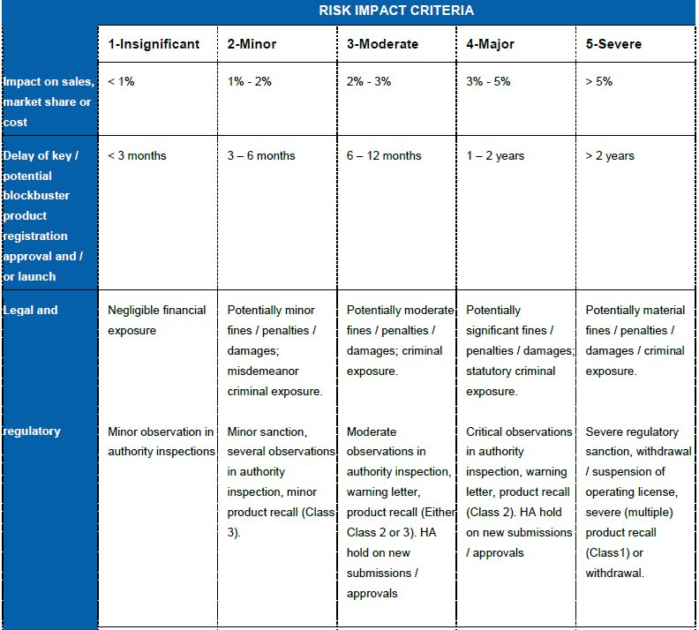
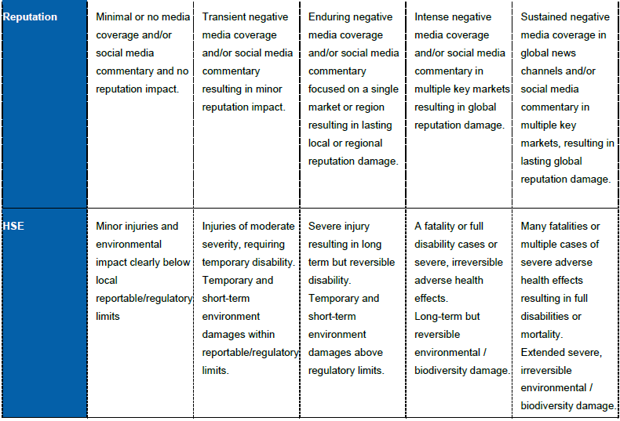
Enterprise Risk Matrix

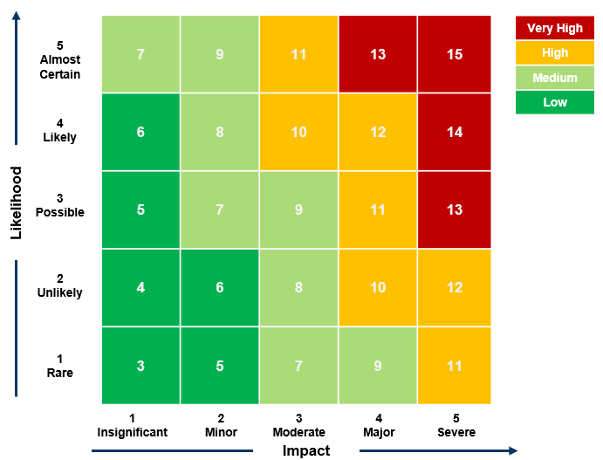

 | Risk Likelihood Criteria
 | 1- Rare | 2 - Unlikely | 3 - Possible | 4 - Likely | 5 - Almost Certain
 | 1-10% The risk is hard to predict and/or its materialization may happen only with a very low probability within the next 5 years. No expectation of the risk to happen. No historical data available | 11-30% Potential risk impact unlikely to materialize in a 5 year time horizon. While a chance of occurance exists, trends and indicators currently do not evolve towards a risk related event. | 31-50% The risk event could happen within the next 5 years. Few signals and trends indicate the possibility of a risk related event to occur. | 51-70% The risk event will probably materialize within the next 5 years. Some trends and indicators already evolve in the direction of the risk. | 71-100% This risk will most likely materialize within the next 5 years. Most trends and indicators clearly evolve towards materialization

 | Risk Impact Criteria
 |  | 1-Insignificant | 2 – Minor | 3 - Moderate | 4 - Major | 5 - Severe
 | EHS | Minor Injuries and environmental impact clearly below local reportable/regulatory limits | Injuries of moderate severity, leading to temporary disability. Temporary and short-term environment damages within reportable/regulatory limits | Severe injury resulting in long term but reversible disability. Temporary and short term environment damages above regulatory limits. | A fatality or full disability case or severe, irreversible adverse health effects. Long term but reversible environmental / biodiversity damage. | Many fatalities or multiple cases of severe adverse health effects resulting in full disabilities or mortality. Extended severe irreversible environmental / biodiversity damage

 | Regulatory | Minor observation from authority inspection. | Minor sanction, several observations from authority inspection. Potential minor fine. | Moderate observation from authority inspection. Warning Letter. Potential moderate fine or criminal exposure. | Critical observation in authority inspection. Potential severe fine with statutory criminal exposure. | Severe regulatory sanction. Withdrawl of operating licience or environmental permits. Potential material fine and criminal exposure.

