Basic data
 | Sample Point No. | Units | BH A | BH B | BH C | BH C1 | BH D | BH E | BH F | BH G | BH H | BH I | BH J | BH K | BH L

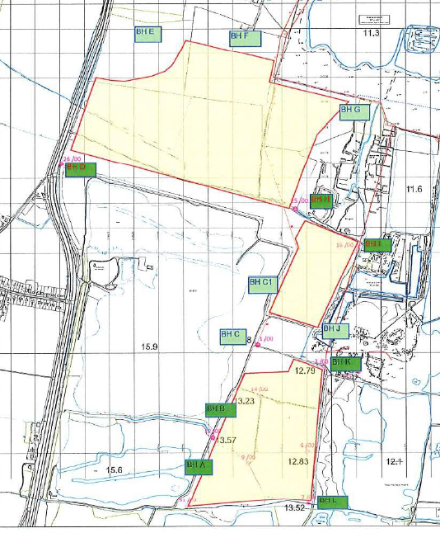
25.5.21 | Dip | mbgl | 0.95 | 2.16 | 1.69 | 2.40 | 1.97 | 2.40 | 2.99 | 3.75 | 2.10 | 1.41 | 1.11 | 1.53 | 1.98
 | Borehole Level | mAOD | 14.86 | 15.75 | 16.83 | 16.82 | 18.81 | 19.04 | 16.83 | 13.46 | 15.50 | 13.21 | 13.65 | 14.31 | 13.52
 | Water Level | mbgl | 13.91 | 13.59 | 15.14 | 14.42 | 16.84 | 16.64 | 13.84 | 9.71 | 13.40 | 11.80 | 12.54 | 12.78 | 11.54

29.6.21 | Dip | mbgl | 1.24 |  | 1.81 |  | 2.37 | 3.53 | 2.87 | 3.16 | 2.20 | 1.51 | 1.19 | 1.62 | 2.16
 | Borehole Level | mAOD | 14.86 | 15.75 | 16.83 | 16.82 | 18.81 | 19.04 | 16.83 | 13.46 | 15.50 | 13.21 | 13.65 | 14.31 | 13.52
 | Water Level | mAOD | 13.62 |  | 15.02 |  | 16.44 | 15.51 | 13.96 | 10.30 | 13.30 | 11.70 | 12.46 | 12.69 | 11.36

3.8.21 | Dip | mbgl |  |  | 2.10 | 2.73 | 2.63 | 3.61 |  | 3.20 |  | 1.56 | 1.16 | 1.57 | 2.18
 | Borehole Level | mAOD | 14.86 | 15.75 | 16.83 | 16.82 | 18.81 | 19.04 | 16.83 | 13.46 | 15.50 | 13.21 | 13.65 | 14.31 | 13.52
 | Water Level | mAOD |  |  | 14.73 | 14.09 | 16.18 | 15.43 |  | 10.26 |  | 11.65 | 12.49 | 12.74 | 11.34

 | Dip | mbgl | 1.00 |  |  |  | 2.87 |  |  | 3.92 |  | 1.95 | 1.56 | 2.00 | 2.08
23.9.21 | Borehole Level | mAOD | 14.86 | 15.75 | 16.83 | 16.82 | 18.81 | 19.04 | 16.83 | 13.46 | 15.50 | 13.21 | 13.65 | 14.31 | 13.52
 | Water Level | mAOD | 13.86 |  |  |  | 15.94 |  |  | 9.54 |  | 11.26 | 12.09 | 12.31 | 11.44

13.10.21 | Dip | mbgl |  |  |  |  | 2.88 | 3.51 |  | 3.28 |  | 1.90 | 1.42 | 2.23 | 2.23
 | Borehole Level | mAOD | 14.86 | 15.75 | 16.83 | 16.82 | 18.81 | 19.04 | 16.83 | 13.46 | 15.50 | 13.21 | 13.65 | 14.31 | 13.52
 | Water Level | mAOD |  |  |  |  | 15.93 | 15.53 |  | 10.18 |  | 11.31 | 12.23 | 12.08 | 11.29

18.11.21 | Dip | mbgl | 1.40 | 2.44 | 1.96 | 2.88 | 2.87 |  |  | 2.72 |  | 1.82 | 1.49 | 2.25 | 2.28
 | Borehole Level | mAOD | 14.86 | 15.75 | 16.83 | 16.82 | 18.81 | 19.04 | 16.83 | 13.46 | 15.50 | 13.21 | 13.65 | 14.31 | 13.52
 | Water Level | mAOD |  |  |  |  | 15.94 |  |  | 10.74 |  | 11.39 | 12.16 | 12.06 | 11.24

9.12.21 | Dip | mbgl | 1.28 | 2.40 | 1.99 | 2.89 | 2.85 |  |  | 2.80 |  | 1.78 | 1.49 | 2.24 | 2.58
 | Borehole Level | mAOD | 14.86 | 15.75 | 16.83 | 16.82 | 18.81 | 19.04 | 16.83 | 13.46 | 15.50 | 13.21 | 13.65 | 14.31 | 13.52
 | Water Level | mAOD | 13.58 | 13.35 | 14.84 | 13.93 | 15.96 |  |  | 10.66 |  | 11.43 | 12.16 | 12.07 | 10.94

13.1.22 | Dip | mbgl | 1.01 | 2.21 | 1.60 | 2.85 | 2.34 |  |  | 2.43 |  | 1.46 | 1.36 | 2.16 | 2.45
 | Borehole Level | mAOD | 14.86 | 15.75 | 16.83 | 16.82 | 18.81 | 19.04 | 16.83 | 13.46 | 15.50 | 13.21 | 13.65 | 14.31 | 13.52
 | Water Level | mAOD | 13.85 | 13.54 | 15.23 | 13.97 | 16.47 |  |  | 11.03 |  | 11.75 | 12.29 | 12.15 | 11.07

3.2.22 | Dip | mbgl | 1.26 | 2.32 | 1.74 | 2.81 | 2.24 |  | 3.14 | 3.52 | 2.27 | 1.52 | 1.45 | 2.21 | 2.41
 | Borehole Level | mAOD | 14.86 | 15.75 | 16.83 | 16.82 | 18.81 | 19.04 | 16.83 | 13.46 | 15.50 | 13.21 | 13.65 | 14.31 | 13.52
 | Water Level | mAOD | 13.60 | 13.43 | 15.09 | 14.01 | 16.57 |  | 13.69 | 9.94 | 13.23 | 11.69 | 12.20 | 12.10 | 11.11

9.3.22 | Dip | mbgl | 0.97 | 2.17 | 1.26 | 2.86 | 1.79 | 3.61 | 3.12 | 3.70 | 2.34 | 1.45 | 1.32 | 2.16 | 2.35
 | Borehole Level | mAOD | 14.86 | 15.75 | 16.83 | 16.82 | 18.81 | 19.04 | 16.83 | 13.46 | 15.50 | 13.21 | 13.65 | 14.31 | 13.52
 | Water Level | mAOD | 13.89 | 13.58 | 15.57 | 13.96 | 17.02 | 15.43 | 13.71 | 9.76 | 13.16 | 11.76 | 12.33 | 12.15 | 11.17

GW Levels Graph
Great Billing Groundwater Levels
 | BH 1 | BH 2 | BH 3 | BH 4 | BH 5 | BH 6 | BH 7 | BH 8 | BH 9 | BH 10 | BH 11 | BH 12
2021-11-17 | 47.54 | 49.27 | 49.16 | 49.02 | 52.08 | 47.01 | 48.82 | 50.24 | 47.77 | 47.67 | 47.67 | 47.67
2021-12-13 | 47.65 | 49.35 | 49.24 | 49.13 | 49.04 | 47.15 | 48.86 | 46.7 | 47.93 | 48.04 | 48.61 | 47.84
2022-01-13 | 47.87 | 49.7 | 49.6 | 49.45 | 49.28 | 47.39 | 49.05 | 48.76 | 47.99 | 47.99 | 47.77 | 47.78
2022-02-07 | 47.09 | 49.55 | 49.47 | 49.38 | 49.14 | 47.27 | 48.99 | 48.24 | 47.92 | 47.94 | 47.78 | 47.73
2022-03-15 | 48.09 | 50.67 | 49.74 | 49.61 | 49.38 | 47.53 | 49.27 | 48.64 | 48.19 | 48.02 | 47.78 | 47.79
2022-04-19 | 47.88 | 49.7 | 49.57 | 49.45 | 49.27 | 47.42 | 49.24 | 48.69 | 48.29 | 47.98 | 47.71 | 47.75
2022-05-09 | 47.82 | 49.51 | 49.41 | 48.98 | 49.15 |  | 49.05 |  | 47.9 | 47.7 | 47.64 | 47.69
2022-06-30 | 47.47 | 52.76 | 52.12 | 51.71 | 52.08 |  | 48.9 | 50.24 | 50.43 | 49.52 | 48.61 | 48.84
2022-07-25 | 47.33 | 49.81 | 49.14 | 51.71 | 52.08 | 50.19 | 48.84 | 50.24 | 50.43 | 49.52 | 48.61 | 48.84
2022-08-30 | 47.22 | 52.76 | 52.12 | 51.71 | 52.08 |  | 48.78 | 50.24 | 50.43 | 49.52 | 48.61 | 48.84

