MonteCarlo CS Cu
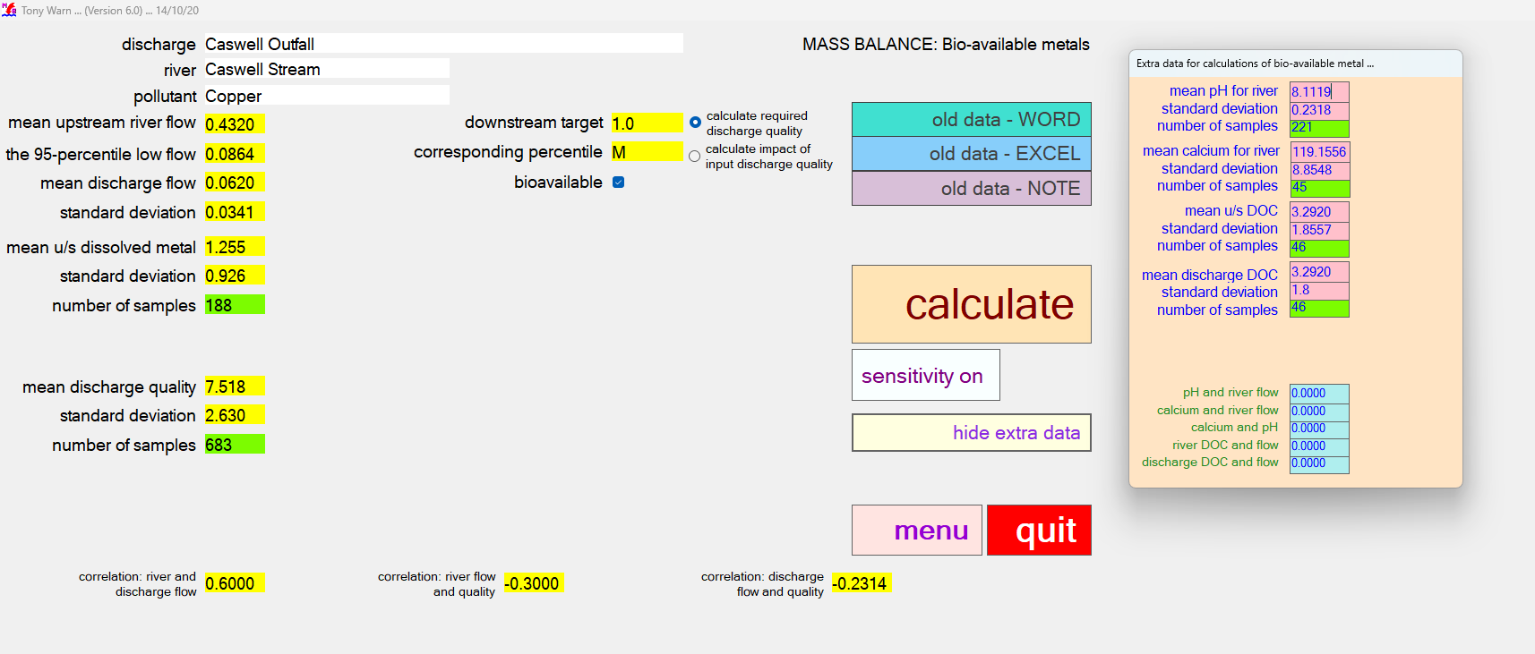
CASWELL STREAM COPPER OUTPUT - required discharge quality |  |  |  |  |  |  |  |  |  |  | CASWELL STREAM COPPER OUTPUT - impact of input discharge quality

MASS BALANCE (Bioavailable Metal) |  |  |  |  | Version 6.0 |  |  |  | MASS BALANCE (Bioavailable Metal) |  | MASS BALANCE (Bioavailable Metal) |  |  |  |  | Version 6.0 |  |  |  | MASS BALANCE (Bioavailable Metal)
Calculations: 17 November 2025 at 02:46 |  |  |  |  |  |  |  |  | Sensitivity: 17 November 2025 at 02:46 |  | Calculations: 17 November 2025 at 02:47 |  |  |  |  |  |  |  |  | Sensitivity: 17 November 2025 at 02:47

Name of discharge | Caswell Outfall |  |  |  |  |  |  |  |  |  | Name of discharge | Caswell Outfall
Name of river | Caswell Stream |  |  |  |  |  |  |  |  |  | Name of river | Caswell Stream
Determinand | Copper |  |  |  |  |  |  |  |  |  | Determinand | Copper

Mean u/s river flow |  | 0.43 |  |  | RIVER QUALITY TARGET |  |  |  | RESULTS OF SENSITIVITY TESTS |  | Mean u/s river flow |  | 0.43 |  |  | RIVER QUALITY TARGET |  |  |  | RESULTS OF SENSITIVITY TESTS
95% exceedence flow |  | 0.09 |  |  | Mean bioavailable | 1.00 | 0.00 | 1 |  |  | 95% exceedence flow |  | 0.09 |  |  | Mean bioavailable | 1.00 | 0.00 | 1
Mean discharge flow |  | 0.06 |  |  |  |  |  |  | % IMPACT ON 95-PERCENTILE OF |  | Mean discharge flow |  | 0.06 |  |  |  |  |  |  | % IMPACT ON 90-PERCENTILE OF
Standard deviation |  | 0.03 |  |  |  |  |  |  | REQUIRED DISCHARGE QUALITY |  | Standard deviation |  | 0.03 |  |  |  |  |  |  | DOWNSTREAM RIVER QUALITY

RIVER u/s OF DISCHARGE |  |  | lower | upper | RIVER d/s OF DISCHARGE |  | lower | upper | CAUSE - 10% change in: |  | RIVER u/s OF DISCHARGE |  |  | lower | upper | RIVER d/s OF CURRENT DISCHARGE |  | lower | upper | CAUSE - 10% change in:
Mean u/s dissolved metal |  | 1.26 | 1.14 | 1.37 | Mean d/s dissolved metal | 5.56 | 5.36 | 5.77 | Mean river flow | 4.1 | Mean u/s dissolved metal |  | 1.26 | 1.15 | 1.37 | Mean d/s dissolved metal | 2.28 | 2.19 | 2.36 | Mean river flow | 1.7
Standard deviation |  | 0.93 | 0.85 | 1.00 | Standard deviation | 3.02 | 2.87 | 3.17 | 95-percentile low river flow | 3.3 | Standard deviation |  | 0.93 | 0.85 | 1.01 | Standard deviation | 1.11 | 1.05 | 1.17 | 95-percentile low river flow | 1.4
Number of samples |  | 188 |  |  | Number of samples | 578 |  |  | Mean discharge flow | 9.8 | Number of samples |  | 188 |  |  | Number of samples | 457 |  |  | Mean discharge flow | 3.8
95-percentile dissolved |  | 3.01 | 2.69 | 3.43 | 95-percentile dissolved | 11.18 | 10.66 | 11.79 | Standard deviation | 1.9 | 95-percentile dissolved |  | 3.03 | 2.70 | 3.45 | 95-percentile dissolved | 4.44 | 4.25 | 4.66 | Standard deviation | 0.8
BIOAVAILABLE u/s OF DISCHARGE |  |  |  |  | BIOAVAILABLE d/s OF DISCHARGE |  |  |  | Mean river quality | 2.4 | BIOAVAILABLE u/s OF DISCHARGE |  |  |  |  | BIOAVAILABLE d/s OF CURRENT DISCHARGE |  |  |  | Mean river quality | 4.7
Mean u/s bioavailable |  | 0.25 | 0.20 | 0.31 | Mean d/s bioavailable | 1.00 | 0.85 | 1.15 | Standard deviation | 0.1 | Mean u/s bioavailable |  | 0.25 | 0.20 | 0.31 | Mean d/s bioavailable | 0.41 | 0.35 | 0.48 | Standard deviation | 0.1
Standard deviation |  | 0.29 | 0.25 | 0.33 | Standard deviation | 0.88 | 0.78 | 0.99 | Variation in discharge quality | 0.2 | Standard deviation |  | 0.29 | 0.25 | 0.33 | Standard deviation | 0.35 | 0.31 | 0.40 | Mean discharge quality | 5.5
 |  |  |  |  |  |  |  |  | Downstream river target | 13.7 |  |  |  |  |  |  |  |  |  | Standard deviation | 0.1
 |  |  |  |  |  |  |  |  | Correlation: river and discharge flow | 1.1 |  |  |  |  |  |  |  |  |  | Correlation: river and discharge flow | 0.1
CURRENT DISCHARGE QUALITY |  |  | lower | upper | REQUIRED DISCHARGE QUALITY |  | lower | upper | Correlation: river flow and quality | 0.2 | CURRENT DISCHARGE QUALITY |  |  | lower | upper |  |  |  |  | Correlation: river flow and quality | 0.3
Mean |  | 7.52 | 7.35 | 7.68 | Mean | 27.55 | 23 | 33 | Correlation: discharge flow and quality |  | Mean |  | 7.52 | 7.35 | 7.69 |  |  |  |  | Correlation: discharge flow and quality
Standard deviation |  | 2.63 | 2.51 | 2.75 | Standard deviation | 9.64 | 6 | 13 |  |  | Standard deviation |  | 2.63 | 2.51 | 2.75
Number of samples |  | 683 |  |  | Number of samples | 683 |  |  | Mean pH (change of 2%) | 31.8 | Number of samples |  | 683 |  |  |  |  |  |  | Mean pH (change of 2%) | -0.1
95-percentile |  | 12.41 | 12 | 13 | 95-percentile | 45.46 | 32 | 63 | Standard deviation | -0.9 | 95-percentile |  | 12.41 | 12 | 13 |  |  |  |  | Standard deviation | -0.1
99-percentile |  | 15.64 | 15 | 16 | 99-percentile | 57.33 | 11 | 118 | Mean calcium | 0.3 | 99-percentile |  | 15.64 | 15 | 16 |  |  |  |  | Mean calcium | -0.4
99.5-percentile |  | 17.03 | 16 | 18 | 99.5-percentile | 61.48 | 0 | 158 | Standard deviation | -0.0 | 99.5-percentile |  | 17.03 | 16 | 18 |  |  |  |  | Standard deviation | -0.1
 |  |  |  |  |  |  |  |  | Mean u/s DOC | 18.7 |  |  |  |  |  |  |  |  |  | Mean u/s DOC | -13.6
 |  |  |  |  |  |  |  |  | Standard deviation | -5.0 |  |  |  |  |  |  |  |  |  | Standard deviation | -13.6
DATA FOR BIOAVAILABLE METAL |  |  |  |  | CORRELATION |  |  |  | Mean discharge DOC | 4.5 | DATA FOR BIOAVAILABLE METAL |  |  |  |  | CORRELATION |  |  |  | Mean discharge DOC | -13.6
Mean pH (u/s and d/s) |  | 8.11 | 8.09 | 8.14 | River and discharge flow | 0.6 |  |  | Standard deviation | -0.7 | Mean pH (u/s and d/s) |  | 8.11 | 8.09 | 8.14 | River and discharge flow | 0.6 |  |  | Standard deviation | 0.3
Standard deviation |  | 0.23 | 0.21 | 0.25 | River flow and quality | -0.3 |  |  | Correlation: pH and river flow | -1.5 | Standard deviation |  | 0.23 | 0.21 | 0.25 | River flow and quality | -0.3 |  |  | Correlation: pH and river flow | 0.7
Number of samples |  | 221 |  |  | Discharge flow and quality | -0.231 |  |  | Correlation: calcium and river flow | -0.2 | Number of samples |  | 221 |  |  | Discharge flow and quality | -0.231 |  |  | Correlation: calcium and river flow | -0.1
Mean calcium (u/s and d/s) |  | 119.16 | 116.94 | 121.37 |  |  |  |  | Correlation: calcium and pH | -0.2 | Mean calcium (u/s and d/s) |  | 119.16 | 116.94 | 121.37 |  |  |  |  | Correlation: calcium and pH | -0.1
Standard deviation |  | 8.85 | 7.30 | 10.41 | CORRELATIONS FOR BIOAVAILABLE DATA |  |  |  | Correlation: river DOC and flow | 1.5 | Standard deviation |  | 8.85 | 7.30 | 10.41 | CORRELATIONS FOR BIOAVAILABLE DATA |  |  |  | Correlation: river DOC and flow | -1.1
Number of samples |  | 221 |  |  | pH and river flow | 0 |  |  | Correlation: discharge DOC and flow | -0.2 | Number of samples |  | 221 |  |  | pH and river flow | 0 |  |  | Correlation: discharge DOC and flow | -0.1
Mean u/s DOC |  | 3.29 | 2.83 | 3.75 | Calcium and river flow | 0 |  |  |  |  | Mean u/s DOC |  | 3.29 | 2.83 | 3.75 | Calcium and river flow | 0
Standard deviation |  | 1.86 | 1.53 | 2.18 | Calcium and pH | 0 |  |  |  |  | Standard deviation |  | 1.86 | 1.53 | 2.18 | Calcium and pH | 0
Number of samples |  | 46 |  |  | River DOC and flow | 0 |  |  |  |  | Number of samples |  | 46 |  |  | River DOC and flow | 0
Mean discharge DOC |  | 3.29 | 2.85 | 3.74 | Discharge DOC and flow | 0 |  |  |  |  | Mean discharge DOC |  | 3.29 | 2.85 | 3.74 | Discharge DOC and flow | 0
Standard deviation |  | 1.80 | 1.49 | 2.11 |  |  |  |  |  |  | Standard deviation |  | 1.80 | 1.49 | 2.11
Number of samples |  | 46 |  |  |  |  |  |  |  |  | Number of samples |  | 46
Mean d/s DOC |  | 3.30 | 2.92 | 3.68 |  |  |  |  |  |  | Mean d/s DOC |  | 3.30 | 2.92 | 3.68
Standard deviation |  | 1.55 | 1.28 | 1.81 |  |  |  |  |  |  | Standard deviation |  | 1.54 | 1.28 | 1.81

RAW OUTPUT |  |  |  |  |  |  |  |  |  |  | RAW OUTPUT
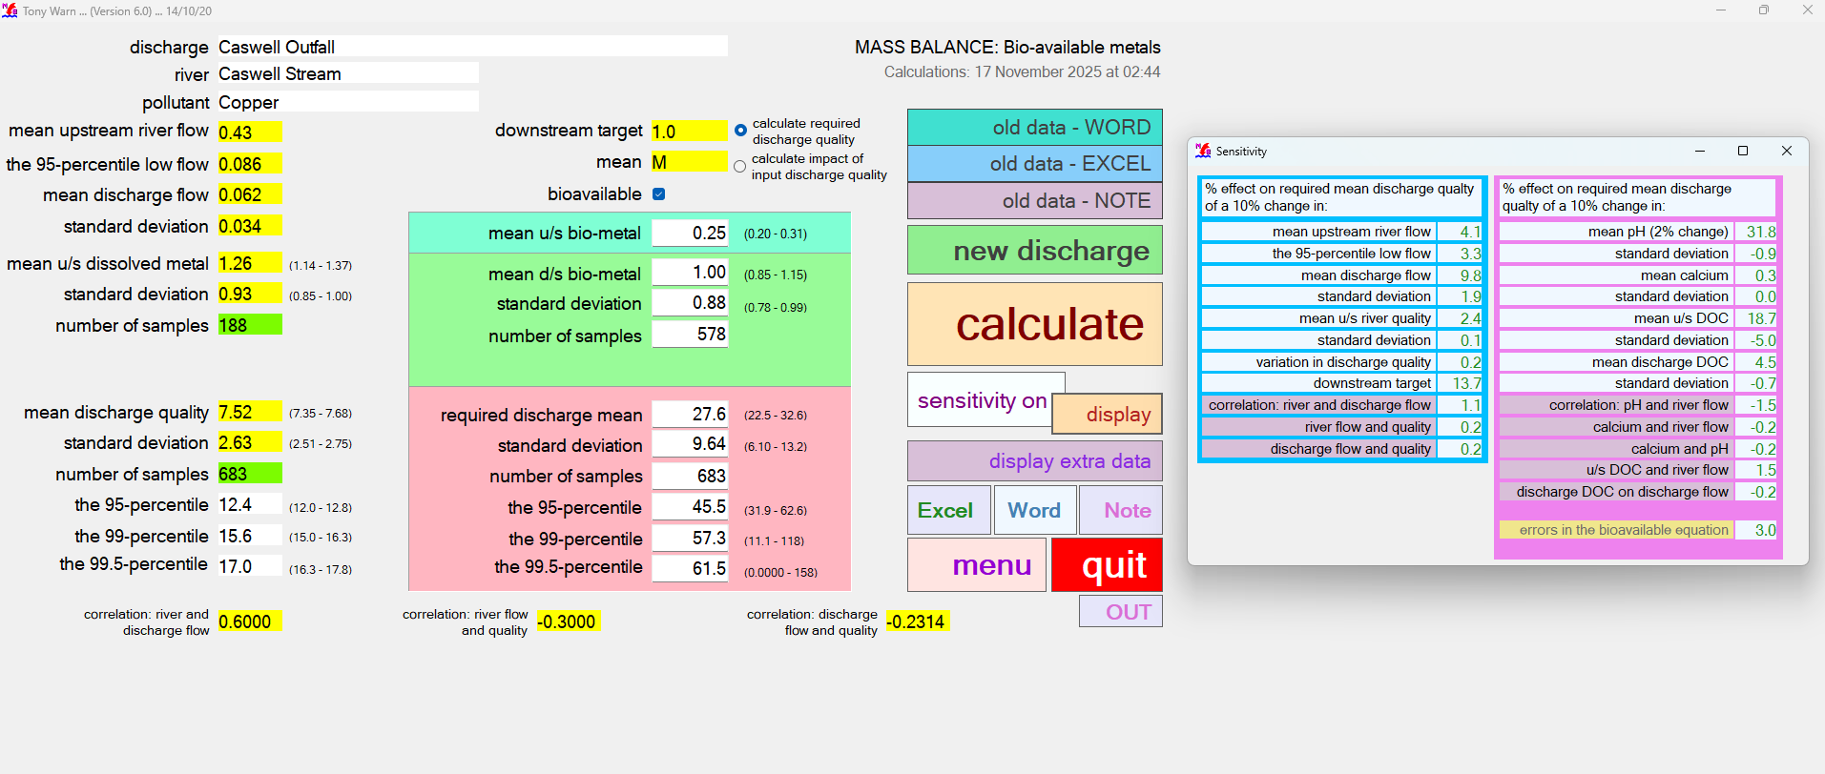
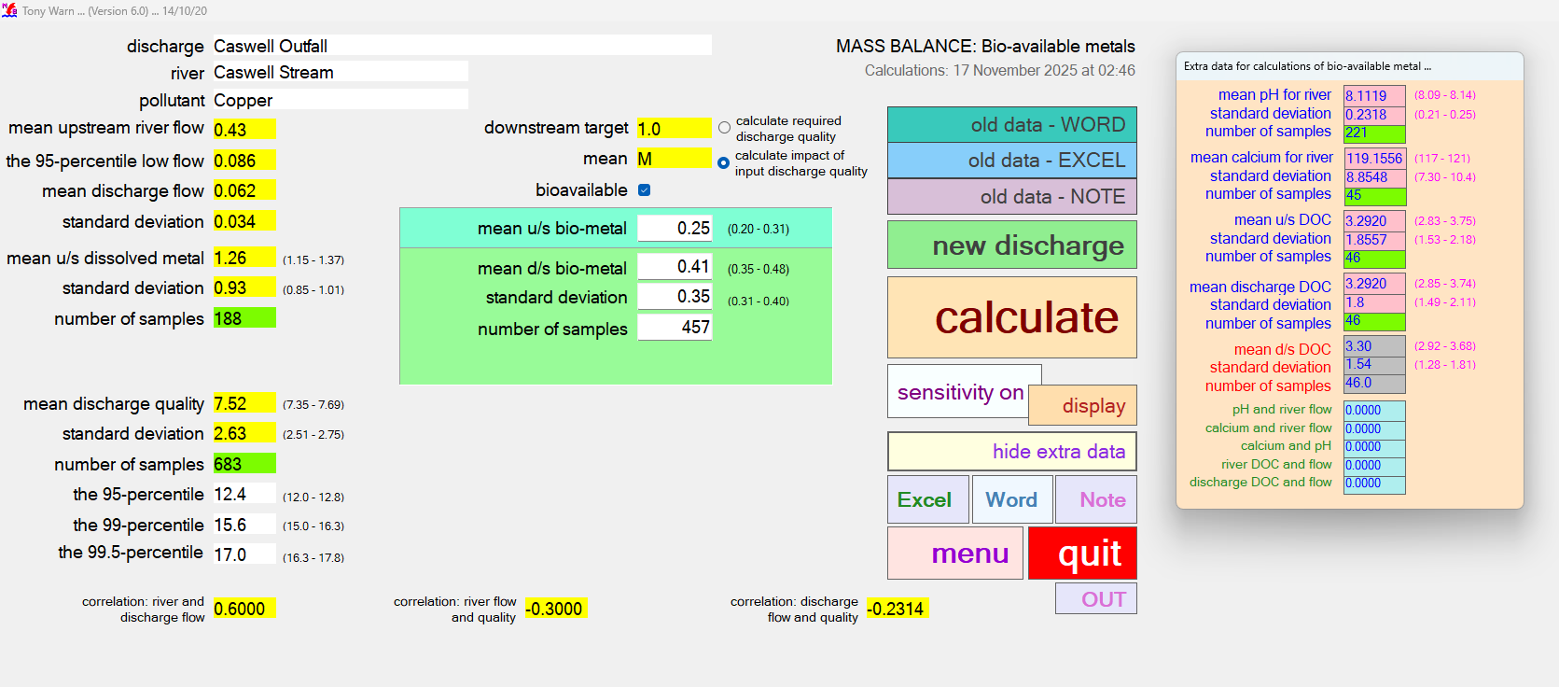

INPUT

MonteCarlo CS Pb
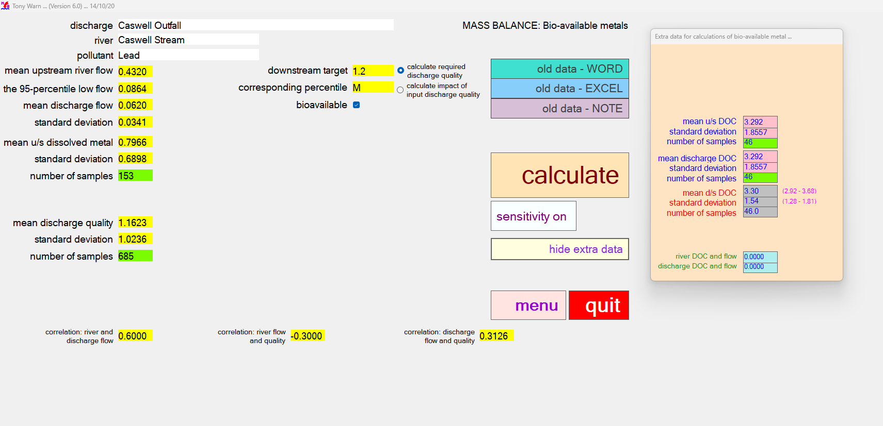
CASWELL STREAM LEAD OUTPUT - required discharge quality |  |  |  |  |  |  |  |  |  |  | CASWELL STREAM LEAD OUTPUT - impact of input discharge quality

MASS BALANCE (Bioavailable Metal) |  |  |  |  | Version 6.0 |  |  |  | MASS BALANCE (Bioavailable Metal) |  | MASS BALANCE (Bioavailable Metal) |  |  |  |  | Version 6.0 |  |  |  | MASS BALANCE (Bioavailable Metal)
Calculations: 17 November 2025 at 02:55 |  |  |  |  |  |  |  |  | Sensitivity: 17 November 2025 at 02:55 |  | Calculations: 17 November 2025 at 02:56 |  |  |  |  |  |  |  |  | Sensitivity: 17 November 2025 at 02:56

Name of discharge | Caswell Outfall |  |  |  |  |  |  |  |  |  | Name of discharge | Caswell Outfall
Name of river | Caswell Stream |  |  |  |  |  |  |  |  |  | Name of river | Caswell Stream
Determinand | Lead |  |  |  |  |  |  |  |  |  | Determinand | Lead

Mean u/s river flow |  | 0.43 |  |  | RIVER QUALITY TARGET |  |  |  | RESULTS OF SENSITIVITY TESTS |  | Mean u/s river flow |  | 0.43 |  |  | RIVER QUALITY TARGET |  |  |  | RESULTS OF SENSITIVITY TESTS
95% exceedence flow |  | 0.09 |  |  | Mean bioavailable | 1.20 | 0.00 | 1 |  |  | 95% exceedence flow |  | 0.09 |  |  | Mean bioavailable | 1.20 | 0.00 | 1
Mean discharge flow |  | 0.06 |  |  |  |  |  |  | % IMPACT ON 95-PERCENTILE OF |  | Mean discharge flow |  | 0.06 |  |  |  |  |  |  | % IMPACT ON 90-PERCENTILE OF
Standard deviation |  | 0.03 |  |  |  |  |  |  | REQUIRED DISCHARGE QUALITY |  | Standard deviation |  | 0.03 |  |  |  |  |  |  | DOWNSTREAM RIVER QUALITY

RIVER u/s OF DISCHARGE |  |  | lower | upper | RIVER d/s OF DISCHARGE |  | lower | upper | CAUSE - 10% change in: |  | RIVER u/s OF DISCHARGE |  |  | lower | upper | RIVER d/s OF CURRENT DISCHARGE |  | lower | upper | CAUSE - 10% change in:
Mean u/s dissolved metal |  | 0.80 | 0.70 | 0.89 | Mean d/s dissolved metal | 3.39 | 3.14 | 3.64 | Mean river flow | 4.9 | Mean u/s dissolved metal |  | 0.80 | 0.71 | 0.89 | Mean d/s dissolved metal | 0.85 | 0.79 | 0.91 | Mean river flow | 0.3
Standard deviation |  | 0.69 | 0.62 | 0.75 | Standard deviation | 3.57 | 3.39 | 3.75 | 95-percentile low river flow | 2.6 | Standard deviation |  | 0.69 | 0.62 | 0.76 | Standard deviation | 0.59 | 0.55 | 0.63 | 95-percentile low river flow | 0.2
Number of samples |  | 153 |  |  | Number of samples | 542 |  |  | Mean discharge flow | 8.6 | Number of samples |  | 153 |  |  | Number of samples | 286 |  |  | Mean discharge flow | 0.2
95-percentile dissolved |  | 2.08 | 1.81 | 2.46 | 95-percentile dissolved | 8.61 | 7.85 | 9.50 | Standard deviation | 0.6 | 95-percentile dissolved |  | 2.09 | 1.81 | 2.46 | 95-percentile dissolved | 1.98 | 1.85 | 2.13 | Standard deviation | 0.3
BIOAVAILABLE u/s OF DISCHARGE |  |  |  |  | BIOAVAILABLE d/s OF DISCHARGE |  |  |  | Mean river quality | 2.5 | BIOAVAILABLE u/s OF DISCHARGE |  |  |  |  | BIOAVAILABLE d/s OF CURRENT DISCHARGE |  |  |  | Mean river quality | 7.9
Mean u/s bioavailable |  | 0.31 | 0.25 | 0.37 | Mean d/s bioavailable | 1.20 | 1.04 | 1.36 | Standard deviation | 0.1 | Mean u/s bioavailable |  | 0.31 | 0.25 | 0.37 | Mean d/s bioavailable | 0.31 | 0.27 | 0.35 | Standard deviation | 0.2
Standard deviation |  | 0.33 | 0.29 | 0.37 | Standard deviation | 1.34 | 1.23 | 1.46 | Variation in discharge quality | 0.3 | Standard deviation |  | 0.33 | 0.29 | 0.37 | Standard deviation | 0.26 | 0.23 | 0.29 | Mean discharge quality | 2.2
 |  |  |  |  |  |  |  |  | Downstream river target | 13.9 |  |  |  |  |  |  |  |  |  | Standard deviation | 0.1
 |  |  |  |  |  |  |  |  | Correlation: river and discharge flow | 2.9 |  |  |  |  |  |  |  |  |  | Correlation: river and discharge flow | 0.1
CURRENT DISCHARGE QUALITY |  |  | lower | upper | REQUIRED DISCHARGE QUALITY |  | lower | upper | Correlation: river flow and quality | 0.2 | CURRENT DISCHARGE QUALITY |  |  | lower | upper |  |  |  |  | Correlation: river flow and quality | 0.6
Mean |  | 1.16 | 1.10 | 1.23 | Mean | 16.13 | 14 | 19 | Correlation: discharge flow and quality |  | Mean |  | 1.16 | 1.10 | 1.22 |  |  |  |  | Correlation: discharge flow and quality
Standard deviation |  | 1.02 | 0.98 | 1.07 | Standard deviation | 14.21 | 13 | 16 |  |  | Standard deviation |  | 1.02 | 0.97 | 1.07
Number of samples |  | 685 |  |  | Number of samples | 685 |  |  | Mean pH (change of 2%) | 0 | Number of samples |  | 685 |  |  |  |  |  |  | Mean pH (change of 2%) | 0.1
95-percentile |  | 3.03 | 2.83 | 3.27 | 95-percentile | 41.19 | 34 | 50 | Standard deviation | 0 | 95-percentile |  | 3.02 | 2.82 | 3.26 |  |  |  |  | Standard deviation | 0.1
99-percentile |  | 5.08 | 4.66 | 5.60 | 99-percentile | 73.95 | 51 | 103 | Mean calcium | 0 | 99-percentile |  | 5.07 | 4.64 | 5.58 |  |  |  |  | Mean calcium | 0.1
99.5-percentile |  | 6.14 | 5.59 | 6.81 | 99.5-percentile | 88.17 | 54 | 133 | Standard deviation | 0 | 99.5-percentile |  | 6.12 | 5.57 | 6.79 |  |  |  |  | Standard deviation | 0.1
 |  |  |  |  |  |  |  |  | Mean u/s DOC | 14.1 |  |  |  |  |  |  |  |  |  | Mean u/s DOC | -10.4
 |  |  |  |  |  |  |  |  | Standard deviation | -3.5 |  |  |  |  |  |  |  |  |  | Standard deviation | -10.4
DATA FOR BIOAVAILABLE METAL |  |  |  |  | CORRELATION |  |  |  | Mean discharge DOC | 3.6 | DATA FOR BIOAVAILABLE METAL |  |  |  |  | CORRELATION |  |  |  | Mean discharge DOC | -10.4
 |  |  |  |  | River and discharge flow | 0.6 |  |  | Standard deviation | -0.4 |  |  |  |  |  | River and discharge flow | 0.6 |  |  | Standard deviation | 0.4
 |  |  |  |  | River flow and quality | -0.3 |  |  | Correlation: pH and river flow | 0 |  |  |  |  |  | River flow and quality | -0.3 |  |  | Correlation: pH and river flow | 0.1
 |  |  |  |  | Discharge flow and quality | 0.313 |  |  | Correlation: calcium and river flow | 0 |  |  |  |  |  | Discharge flow and quality | 0.313 |  |  | Correlation: calcium and river flow | 0.1
 |  |  |  |  |  |  |  |  | Correlation: calcium and pH | 0 |  |  |  |  |  |  |  |  |  | Correlation: calcium and pH | 0.1
 |  |  |  |  | CORRELATIONS FOR BIOAVAILABLE DATA |  |  |  | Correlation: river DOC and flow | 0.4 |  |  |  |  |  | CORRELATIONS FOR BIOAVAILABLE DATA |  |  |  | Correlation: river DOC and flow | -0.1
 |  |  |  |  |  |  |  |  | Correlation: discharge DOC and flow | -0.4 |  |  |  |  |  |  |  |  |  | Correlation: discharge DOC and flow | 0.2
Mean u/s DOC |  | 3.29 | 2.83 | 3.75 |  |  |  |  |  |  | Mean u/s DOC |  | 3.29 | 2.83 | 3.75
Standard deviation |  | 1.86 | 1.53 | 2.18 |  |  |  |  |  |  | Standard deviation |  | 1.86 | 1.53 | 2.18
Number of samples |  | 46 |  |  | River DOC and flow | 0 |  |  |  |  | Number of samples |  | 46 |  |  | River DOC and flow | 0
Mean discharge DOC |  | 3.29 | 2.83 | 3.75 | Discharge DOC and flow | 0 |  |  |  |  | Mean discharge DOC |  | 3.29 | 2.83 | 3.75 | Discharge DOC and flow | 0
Standard deviation |  | 1.86 | 1.53 | 2.18 |  |  |  |  |  |  | Standard deviation |  | 1.86 | 1.53 | 2.18
Number of samples |  | 46 |  |  |  |  |  |  |  |  | Number of samples |  | 46
Mean d/s DOC |  | 3.30 | 2.92 | 3.68 |  |  |  |  |  |  | Mean d/s DOC |  | 3.30 | 2.92 | 3.68
Standard deviation |  | 1.55 | 1.28 | 1.82 |  |  |  |  |  |  | Standard deviation |  | 1.55 | 1.28 | 1.81

RAW OUTPUT |  |  |  |  |  |  |  |  |  |  | RAW OUTPUT
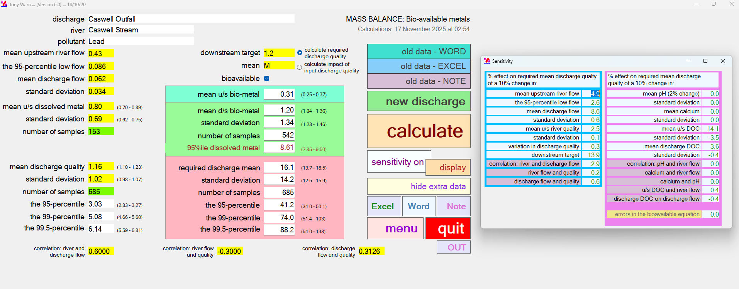
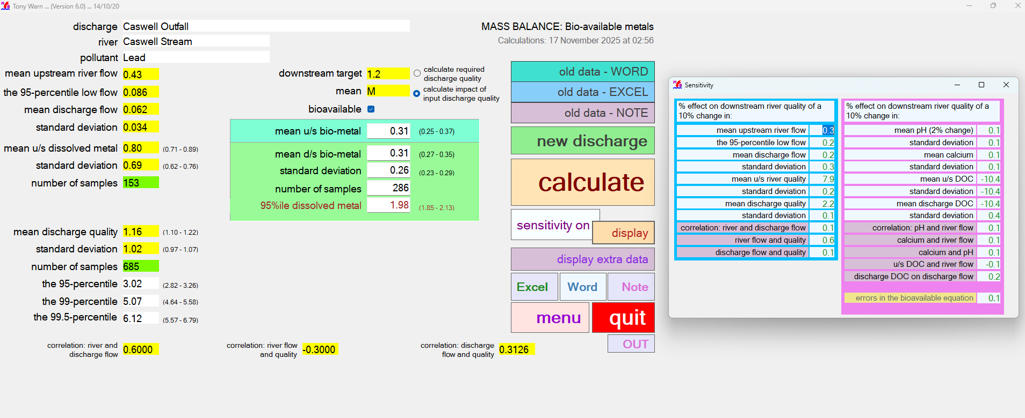

INPUT

MonteCarlo CS Zn
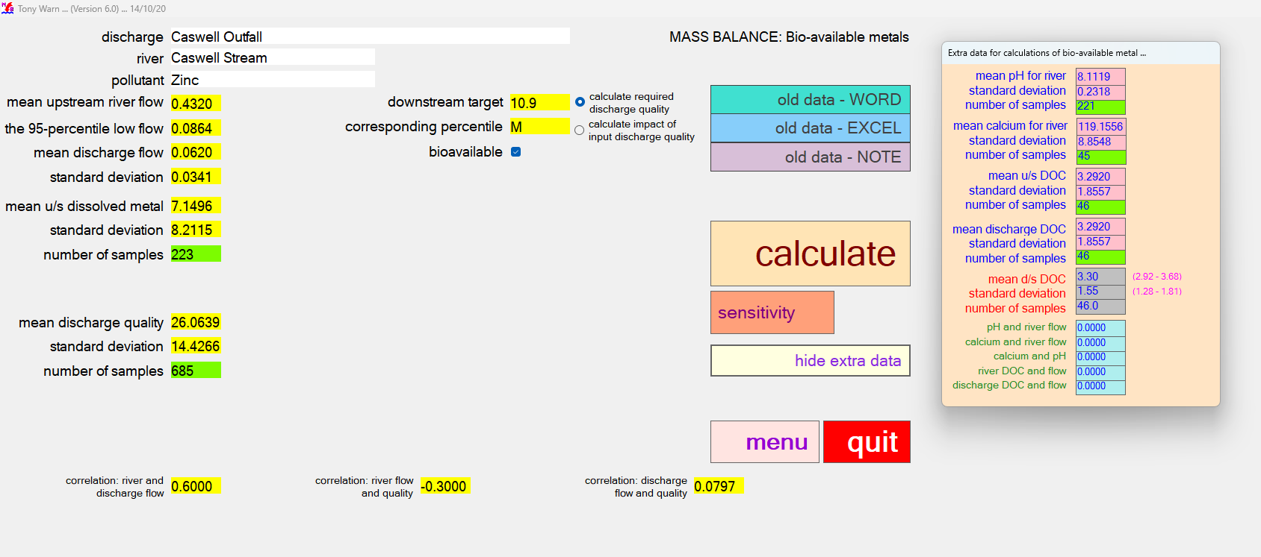
CASWELL STREAM ZINC OUTPUT - required discharge quality |  |  |  |  |  |  |  |  |  |  | CASWELL STREAM ZINC OUTPUT - impact of input discharge quality

MASS BALANCE (Bioavailable Metal) |  |  |  |  | Version 6.0 |  |  |  | MASS BALANCE (Bioavailable Metal) |  | MASS BALANCE (Bioavailable Metal) |  |  |  |  | Version 6.0 |  |  |  | MASS BALANCE (Bioavailable Metal)
Calculations: 17 November 2025 at 03:02 |  |  |  |  |  |  |  |  | Sensitivity: 17 November 2025 at 03:02 |  | Calculations: 17 November 2025 at 03:03 |  |  |  |  |  |  |  |  | Sensitivity: 17 November 2025 at 03:03

Name of discharge | Caswell Outfall |  |  |  |  |  |  |  |  |  | Name of discharge | Caswell Outfall
Name of river | Caswell Stream |  |  |  |  |  |  |  |  |  | Name of river | Caswell Stream
Determinand | Zinc |  |  |  |  |  |  |  |  |  | Determinand | Zinc

Mean u/s river flow |  | 0.43 |  |  | RIVER QUALITY TARGET |  |  |  | RESULTS OF SENSITIVITY TESTS |  | Mean u/s river flow |  | 0.43 |  |  | RIVER QUALITY TARGET |  |  |  | RESULTS OF SENSITIVITY TESTS
95% exceedence flow |  | 0.09 |  |  | Mean bioavailable | 10.90 | 0.00 | 1 |  |  | 95% exceedence flow |  | 0.09 |  |  | Mean bioavailable | 10.90 | 0.00 | 1
Mean discharge flow |  | 0.06 |  |  |  |  |  |  | % IMPACT ON 95-PERCENTILE OF |  | Mean discharge flow |  | 0.06 |  |  |  |  |  |  | % IMPACT ON 90-PERCENTILE OF
Standard deviation |  | 0.03 |  |  |  |  |  |  | REQUIRED DISCHARGE QUALITY |  | Standard deviation |  | 0.03 |  |  |  |  |  |  | DOWNSTREAM RIVER QUALITY

RIVER u/s OF DISCHARGE |  |  | lower | upper | RIVER d/s OF DISCHARGE |  | lower | upper | CAUSE - 10% change in: |  | RIVER u/s OF DISCHARGE |  |  | lower | upper | RIVER d/s OF CURRENT DISCHARGE |  | lower | upper | CAUSE - 10% change in:
Mean u/s dissolved metal |  | 7.15 | 6.24 | 8.06 | Mean d/s dissolved metal | 23.23 | 22 | 24 | Mean river flow | 4.5 | Mean u/s dissolved metal |  | 7.15 | 6.24 | 8.06 | Mean d/s dissolved metal | 10.17 | 10 | 11 | Mean river flow | 1.4
Standard deviation |  | 8.21 | 7.57 | 8.85 | Standard deviation | 15.92 | 15 | 17 | 95-percentile low river flow | 3.2 | Standard deviation |  | 8.21 | 7.57 | 8.85 | Standard deviation | 7.26 | 7 | 8 | 95-percentile low river flow | 0.9
Number of samples |  | 223 |  |  | Number of samples | 560 |  |  | Mean discharge flow | 9.7 | Number of samples |  | 223 |  |  | Number of samples | 439 |  |  | Mean discharge flow | 2.7
95-percentile dissolved |  | 21.48 | 18.61 | 25.33 | 95-percentile dissolved | 52.69 | 49.68 | 56.17 | Standard deviation | 1.5 | 95-percentile dissolved |  | 21.48 | 18.61 | 25.33 | 95-percentile dissolved | 24.01 | 22.56 | 25.69 | Standard deviation | 0.4
BIOAVAILABLE u/s OF DISCHARGE |  |  |  |  | BIOAVAILABLE d/s OF DISCHARGE |  |  |  | Mean river quality | 3.5 | BIOAVAILABLE u/s OF DISCHARGE |  |  |  |  | BIOAVAILABLE d/s OF CURRENT DISCHARGE |  |  |  | Mean river quality | 5.9
Mean u/s bioavailable |  | 3.42 | 2.96 | 3.89 | Mean d/s bioavailable | 10.90 | 10.20 | 11.60 | Standard deviation | 0.1 | Mean u/s bioavailable |  | 3.42 | 2.96 | 3.89 | Mean d/s bioavailable | 4.79 | 4.42 | 5.16 | Standard deviation | 0.1
Standard deviation |  | 3.81 | 3.48 | 4.14 | Standard deviation | 7.55 | 7.06 | 8.04 | Variation in discharge quality | 0.0 | Standard deviation |  | 3.81 | 3.48 | 4.14 | Standard deviation | 3.52 | 3.26 | 3.77 | Mean discharge quality | 4.2
 |  |  |  |  |  |  |  |  | Downstream river target | 14.9 |  |  |  |  |  |  |  |  |  | Standard deviation | 0.0
 |  |  |  |  |  |  |  |  | Correlation: river and discharge flow | 1.9 |  |  |  |  |  |  |  |  |  | Correlation: river and discharge flow | 0.0
CURRENT DISCHARGE QUALITY |  |  | lower | upper | REQUIRED DISCHARGE QUALITY |  | lower | upper | Correlation: river flow and quality | 0.3 | CURRENT DISCHARGE QUALITY |  |  | lower | upper |  |  |  |  | Correlation: river flow and quality | 0.5
Mean |  | 26.06 | 25 | 27 | Mean | 104.93 | 97 | 113 | Correlation: discharge flow and quality |  | Mean |  | 26.10 | 25 | 27 |  |  |  |  | Correlation: discharge flow and quality
Standard deviation |  | 14.43 | 14 | 15 | Standard deviation | 58.08 | 52 | 64 |  |  | Standard deviation |  | 14.40 | 14 | 15
Number of samples |  | 685 |  |  | Number of samples | 685 |  |  | Mean pH (change of 2%) | 0.7 | Number of samples |  | 685 |  |  |  |  |  |  | Mean pH (change of 2%) | 0.1
95-percentile |  | 53.37 | 51 | 56 | 95-percentile | 216.90 | 190 | 249 | Standard deviation | -0.0 | 95-percentile |  | 53.36 | 51 | 56 |  |  |  |  | Standard deviation | 0.1
99-percentile |  | 75.91 | 72 | 81 | 99-percentile | 311.87 | 249 | 389 | Mean calcium | -1.1 | 99-percentile |  | 75.82 | 71 | 81 |  |  |  |  | Mean calcium | 1.0
99.5-percentile |  | 86.36 | 81 | 93 | 99.5-percentile | 353.88 | 269 | 459 | Standard deviation | 0.0 | 99.5-percentile |  | 86.22 | 81 | 93 |  |  |  |  | Standard deviation | 0.1
 |  |  |  |  |  |  |  |  | Mean u/s DOC | 5.9 |  |  |  |  |  |  |  |  |  | Mean u/s DOC | -4.2
 |  |  |  |  |  |  |  |  | Standard deviation | -0.7 |  |  |  |  |  |  |  |  |  | Standard deviation | -4.2
DATA FOR BIOAVAILABLE METAL |  |  |  |  | CORRELATION |  |  |  | Mean discharge DOC | 1.5 | DATA FOR BIOAVAILABLE METAL |  |  |  |  | CORRELATION |  |  |  | Mean discharge DOC | -4.2
Mean pH (u/s and d/s) |  | 8.11 | 8.09 | 8.14 | River and discharge flow | 0.6 |  |  | Standard deviation | -0.0 | Mean pH (u/s and d/s) |  | 8.11 | 8.09 | 8.14 | River and discharge flow | 0.6 |  |  | Standard deviation | 0.2
Standard deviation |  | 0.23 | 0.21 | 0.25 | River flow and quality | -0.3 |  |  | Correlation: pH and river flow | 0.1 | Standard deviation |  | 0.23 | 0.21 | 0.25 | River flow and quality | -0.3 |  |  | Correlation: pH and river flow | 0.1
Number of samples |  | 221 |  |  | Discharge flow and quality | 0.08 |  |  | Correlation: calcium and river flow | 0.0 | Number of samples |  | 221 |  |  | Discharge flow and quality | 0.08 |  |  | Correlation: calcium and river flow | 0.1
Mean calcium (u/s and d/s) |  | 119.16 | 116.94 | 121.37 |  |  |  |  | Correlation: calcium and pH | 0.0 | Mean calcium (u/s and d/s) |  | 119.16 | 116.94 | 121.37 |  |  |  |  | Correlation: calcium and pH | 0.1
Standard deviation |  | 8.85 | 7.30 | 10.41 | CORRELATIONS FOR BIOAVAILABLE DATA |  |  |  | Correlation: river DOC and flow | 0.6 | Standard deviation |  | 8.85 | 7.30 | 10.41 | CORRELATIONS FOR BIOAVAILABLE DATA |  |  |  | Correlation: river DOC and flow | -0.2
Number of samples |  | 221 |  |  | pH and river flow | 0 |  |  | Correlation: discharge DOC and flow | -0.0 | Number of samples |  | 221 |  |  | pH and river flow | 0 |  |  | Correlation: discharge DOC and flow | 0.1
Mean u/s DOC |  | 3.29 | 2.83 | 3.75 | Calcium and river flow | 0 |  |  |  |  | Mean u/s DOC |  | 3.29 | 2.83 | 3.75 | Calcium and river flow | 0
Standard deviation |  | 1.86 | 1.53 | 2.18 | Calcium and pH | 0 |  |  |  |  | Standard deviation |  | 1.86 | 1.53 | 2.18 | Calcium and pH | 0
Number of samples |  | 46 |  |  | River DOC and flow | 0 |  |  |  |  | Number of samples |  | 46 |  |  | River DOC and flow | 0
Mean discharge DOC |  | 3.29 | 2.83 | 3.75 | Discharge DOC and flow | 0 |  |  |  |  | Mean discharge DOC |  | 3.29 | 2.83 | 3.75 | Discharge DOC and flow | 0
Standard deviation |  | 1.86 | 1.53 | 2.18 |  |  |  |  |  |  | Standard deviation |  | 1.86 | 1.53 | 2.18
Number of samples |  | 46 |  |  |  |  |  |  |  |  | Number of samples |  | 46
Mean d/s DOC |  | 3.30 | 2.92 | 3.68 |  |  |  |  |  |  | Mean d/s DOC |  | 3.30 | 2.92 | 3.68
Standard deviation |  | 1.55 | 1.28 | 1.82 |  |  |  |  |  |  | Standard deviation |  | 1.55 | 1.28 | 1.81

RAW OUTPUT |  |  |  |  |  |  |  |  |  |  | RAW OUTPUT
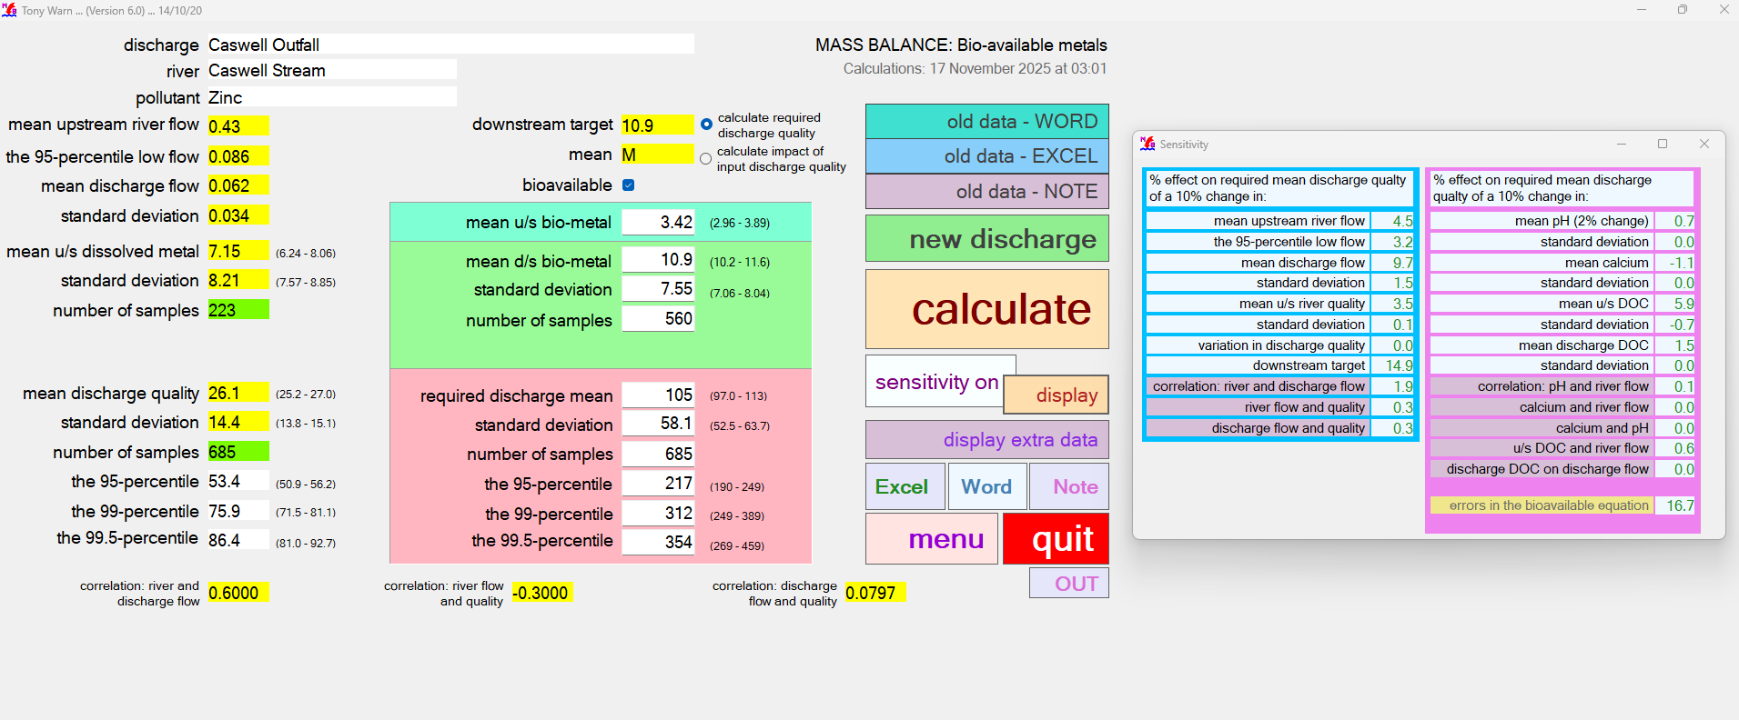
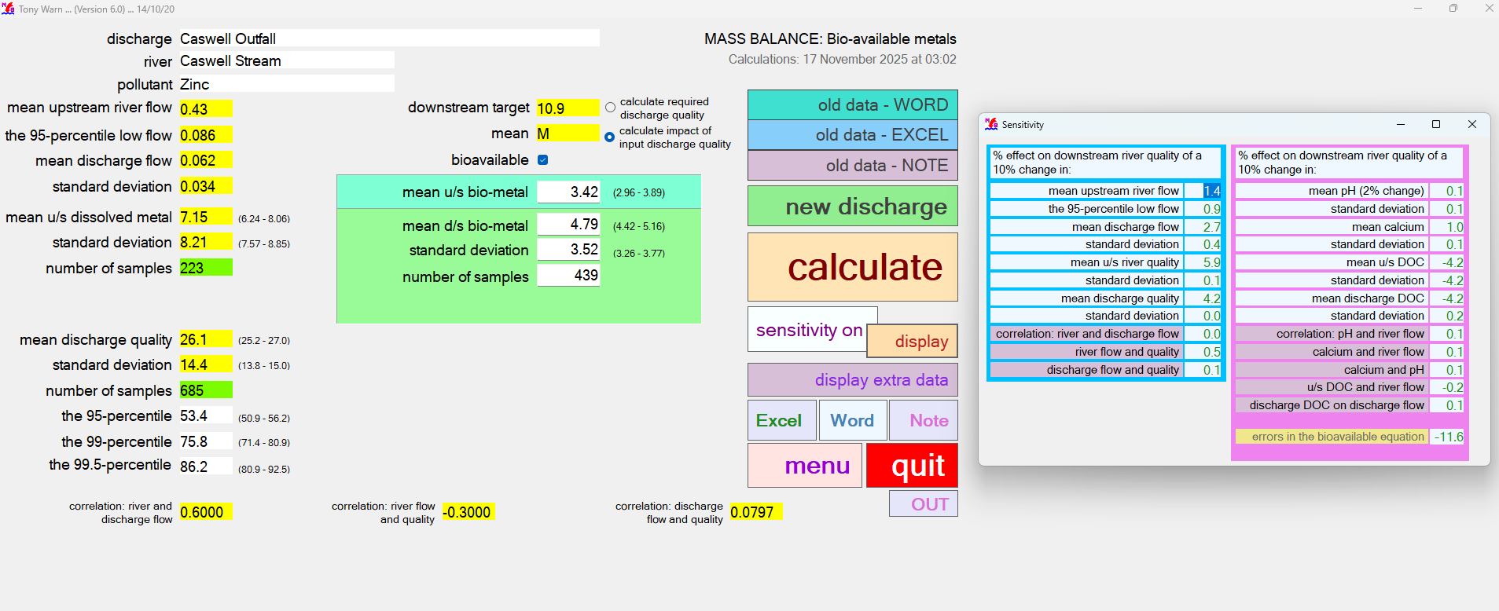

INPUT

MonteCarlo CB Cu
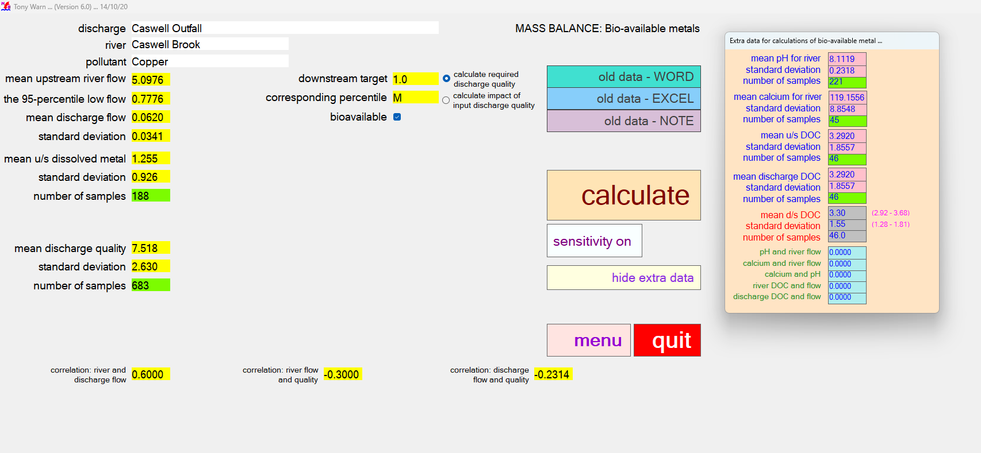
CASWELL BROOK COPPER OUTPUT - required discharge quality |  |  |  |  |  |  |  |  |  |  | CASWELL BROOK COPPER OUTPUT - impact of input discharge quality

MASS BALANCE (Bioavailable Metal) |  |  |  |  | Version 6.0 |  |  |  | MASS BALANCE (Bioavailable Metal) |  | MASS BALANCE (Bioavailable Metal) |  |  |  |  | Version 6.0 |  |  |  | MASS BALANCE (Bioavailable Metal)
Calculations: 17 November 2025 at 03:20 |  |  |  |  |  |  |  |  | Sensitivity: 17 November 2025 at 03:20 |  | Calculations: 17 November 2025 at 03:21 |  |  |  |  |  |  |  |  | Sensitivity: 17 November 2025 at 03:21

Name of discharge | Caswell Outfall |  |  |  |  |  |  |  |  |  | Name of discharge | Caswell Outfall
Name of river | Caswell Brook |  |  |  |  |  |  |  |  |  | Name of river | Caswell Brook
Determinand | Copper |  |  |  |  |  |  |  |  |  | Determinand | Copper

Mean u/s river flow |  | 5.10 |  |  | RIVER QUALITY TARGET |  |  |  | RESULTS OF SENSITIVITY TESTS |  | Mean u/s river flow |  | 5.10 |  |  | RIVER QUALITY TARGET |  |  |  | RESULTS OF SENSITIVITY TESTS
95% exceedence flow |  | 0.78 |  |  | Mean bioavailable | 1.00 | 0.00 | 1 |  |  | 95% exceedence flow |  | 0.78 |  |  | Mean bioavailable | 1.00 | 0.00 | 1
Mean discharge flow |  | 0.06 |  |  |  |  |  |  | % IMPACT ON 95-PERCENTILE OF |  | Mean discharge flow |  | 0.06 |  |  |  |  |  |  | % IMPACT ON 90-PERCENTILE OF
Standard deviation |  | 0.03 |  |  |  |  |  |  | REQUIRED DISCHARGE QUALITY |  | Standard deviation |  | 0.03 |  |  |  |  |  |  | DOWNSTREAM RIVER QUALITY

RIVER u/s OF DISCHARGE |  |  | lower | upper | RIVER d/s OF DISCHARGE |  | lower | upper | CAUSE - 10% change in: |  | RIVER u/s OF DISCHARGE |  |  | lower | upper | RIVER d/s OF CURRENT DISCHARGE |  | lower | upper | CAUSE - 10% change in:
Mean u/s dissolved metal |  | 1.26 | 1.14 | 1.37 | Mean d/s dissolved metal | 5.13 | 4.86 | 5.39 | Mean river flow | 4.1 | Mean u/s dissolved metal |  | 1.26 | 1.15 | 1.37 | Mean d/s dissolved metal | 1.38 | 1.29 | 1.48 | Mean river flow | 0.3
Standard deviation |  | 0.93 | 0.85 | 1.00 | Standard deviation | 3.75 | 3.56 | 3.94 | 95-percentile low river flow | 5.8 | Standard deviation |  | 0.93 | 0.85 | 1.01 | Standard deviation | 0.92 | 0.85 | 0.98 | 95-percentile low river flow | 0.4
Number of samples |  | 188 |  |  | Number of samples | 542 |  |  | Mean discharge flow | 13.4 | Number of samples |  | 188 |  |  | Number of samples | 253 |  |  | Mean discharge flow | 0.9
95-percentile dissolved |  | 3.01 | 2.69 | 3.43 | 95-percentile dissolved | 11.77 | 11.04 | 12.62 | Standard deviation | 2.7 | 95-percentile dissolved |  | 3.03 | 2.70 | 3.45 | 95-percentile dissolved | 3.14 | 2.91 | 3.42 | Standard deviation | 0.2
BIOAVAILABLE u/s OF DISCHARGE |  |  |  |  | BIOAVAILABLE d/s OF DISCHARGE |  |  |  | Mean river quality | 3.2 | BIOAVAILABLE u/s OF DISCHARGE |  |  |  |  | BIOAVAILABLE d/s OF CURRENT DISCHARGE |  |  |  | Mean river quality | 9.0
Mean u/s bioavailable |  | 0.25 | 0.20 | 0.31 | Mean d/s bioavailable | 1.00 | 0.85 | 1.15 | Standard deviation | 0.0 | Mean u/s bioavailable |  | 0.25 | 0.20 | 0.31 | Mean d/s bioavailable | 0.27 | 0.22 | 0.33 | Standard deviation | 0.1
Standard deviation |  | 0.29 | 0.25 | 0.33 | Standard deviation | 1.16 | 1.05 | 1.26 | Variation in discharge quality | 0.2 | Standard deviation |  | 0.29 | 0.25 | 0.33 | Standard deviation | 0.29 | 0.25 | 0.33 | Mean discharge quality | 1.1
 |  |  |  |  |  |  |  |  | Downstream river target | 14.7 |  |  |  |  |  |  |  |  |  | Standard deviation | 0.0
 |  |  |  |  |  |  |  |  | Correlation: river and discharge flow | 3.2 |  |  |  |  |  |  |  |  |  | Correlation: river and discharge flow | 0.0
CURRENT DISCHARGE QUALITY |  |  | lower | upper | REQUIRED DISCHARGE QUALITY |  | lower | upper | Correlation: river flow and quality | 0.1 | CURRENT DISCHARGE QUALITY |  |  | lower | upper |  |  |  |  | Correlation: river flow and quality | 0.2
Mean |  | 7.52 | 7.35 | 7.68 | Mean | 192.53 | 151 | 234 | Correlation: discharge flow and quality |  | Mean |  | 7.52 | 7.35 | 7.69 |  |  |  |  | Correlation: discharge flow and quality
Standard deviation |  | 2.63 | 2.51 | 2.75 | Standard deviation | 67.35 | 38 | 97 |  |  | Standard deviation |  | 2.63 | 2.51 | 2.75
Number of samples |  | 683 |  |  | Number of samples | 683 |  |  | Mean pH (change of 2%) | 33.9 | Number of samples |  | 683 |  |  |  |  |  |  | Mean pH (change of 2%) | 0.0
95-percentile |  | 12.41 | 12 | 13 | 95-percentile | 317.72 | 215 | 448 | Standard deviation | -0.9 | 95-percentile |  | 12.41 | 12 | 13 |  |  |  |  | Standard deviation | 0.0
99-percentile |  | 15.64 | 15 | 16 | 99-percentile | 400.65 | 27 | 899 | Mean calcium | 0.4 | 99-percentile |  | 15.64 | 15 | 16 |  |  |  |  | Mean calcium | -0.3
99.5-percentile |  | 17.03 | 16 | 18 | 99.5-percentile | 429.66 | 0 | 1,240 | Standard deviation | -0.0 | 99.5-percentile |  | 17.03 | 16 | 18 |  |  |  |  | Standard deviation | 0.0
 |  |  |  |  |  |  |  |  | Mean u/s DOC | 25.1 |  |  |  |  |  |  |  |  |  | Mean u/s DOC | -16.3
 |  |  |  |  |  |  |  |  | Standard deviation | -7.1 |  |  |  |  |  |  |  |  |  | Standard deviation | -16.3
DATA FOR BIOAVAILABLE METAL |  |  |  |  | CORRELATION |  |  |  | Mean discharge DOC | 0.6 | DATA FOR BIOAVAILABLE METAL |  |  |  |  | CORRELATION |  |  |  | Mean discharge DOC | -16.3
Mean pH (u/s and d/s) |  | 8.11 | 8.09 | 8.14 | River and discharge flow | 0.6 |  |  | Standard deviation | -0.2 | Mean pH (u/s and d/s) |  | 8.11 | 8.09 | 8.14 | River and discharge flow | 0.6 |  |  | Standard deviation | -0.0
Standard deviation |  | 0.23 | 0.21 | 0.25 | River flow and quality | -0.3 |  |  | Correlation: pH and river flow | -2.2 | Standard deviation |  | 0.23 | 0.21 | 0.25 | River flow and quality | -0.3 |  |  | Correlation: pH and river flow | 0.7
Number of samples |  | 221 |  |  | Discharge flow and quality | -0.231 |  |  | Correlation: calcium and river flow | -0.2 | Number of samples |  | 221 |  |  | Discharge flow and quality | -0.231 |  |  | Correlation: calcium and river flow | 0.0
Mean calcium (u/s and d/s) |  | 119.16 | 116.94 | 121.37 |  |  |  |  | Correlation: calcium and pH | -0.2 | Mean calcium (u/s and d/s) |  | 119.16 | 116.94 | 121.37 |  |  |  |  | Correlation: calcium and pH | -0.0
Standard deviation |  | 8.85 | 7.30 | 10.41 | CORRELATIONS FOR BIOAVAILABLE DATA |  |  |  | Correlation: river DOC and flow | 3.6 | Standard deviation |  | 8.85 | 7.30 | 10.41 | CORRELATIONS FOR BIOAVAILABLE DATA |  |  |  | Correlation: river DOC and flow | -1.4
Number of samples |  | 221 |  |  | pH and river flow | 0 |  |  | Correlation: discharge DOC and flow | -0.2 | Number of samples |  | 221 |  |  | pH and river flow | 0 |  |  | Correlation: discharge DOC and flow | -0.0
Mean u/s DOC |  | 3.29 | 2.83 | 3.75 | Calcium and river flow | 0 |  |  |  |  | Mean u/s DOC |  | 3.29 | 2.83 | 3.75 | Calcium and river flow | 0
Standard deviation |  | 1.86 | 1.53 | 2.18 | Calcium and pH | 0 |  |  |  |  | Standard deviation |  | 1.86 | 1.53 | 2.18 | Calcium and pH | 0
Number of samples |  | 46 |  |  | River DOC and flow | 0 |  |  |  |  | Number of samples |  | 46 |  |  | River DOC and flow | 0
Mean discharge DOC |  | 3.29 | 2.83 | 3.75 | Discharge DOC and flow | 0 |  |  |  |  | Mean discharge DOC |  | 3.29 | 2.83 | 3.75 | Discharge DOC and flow | 0
Standard deviation |  | 1.86 | 1.53 | 2.18 |  |  |  |  |  |  | Standard deviation |  | 1.86 | 1.53 | 2.18
Number of samples |  | 46 |  |  |  |  |  |  |  |  | Number of samples |  | 46
Mean d/s DOC |  | 3.31 | 2.87 | 3.75 |  |  |  |  |  |  | Mean d/s DOC |  | 3.31 | 2.87 | 3.75
Standard deviation |  | 1.78 | 1.47 | 2.09 |  |  |  |  |  |  | Standard deviation |  | 1.78 | 1.47 | 2.09

RAW OUTPUT |  |  |  |  |  |  |  |  |  |  | RAW OUTPUT

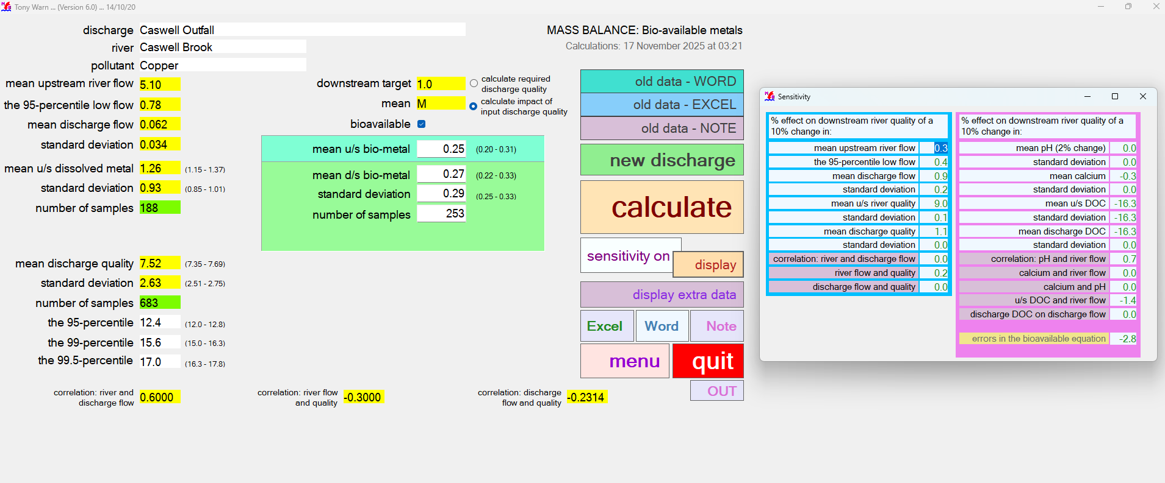

INPUT

MonteCarlo CB Pb
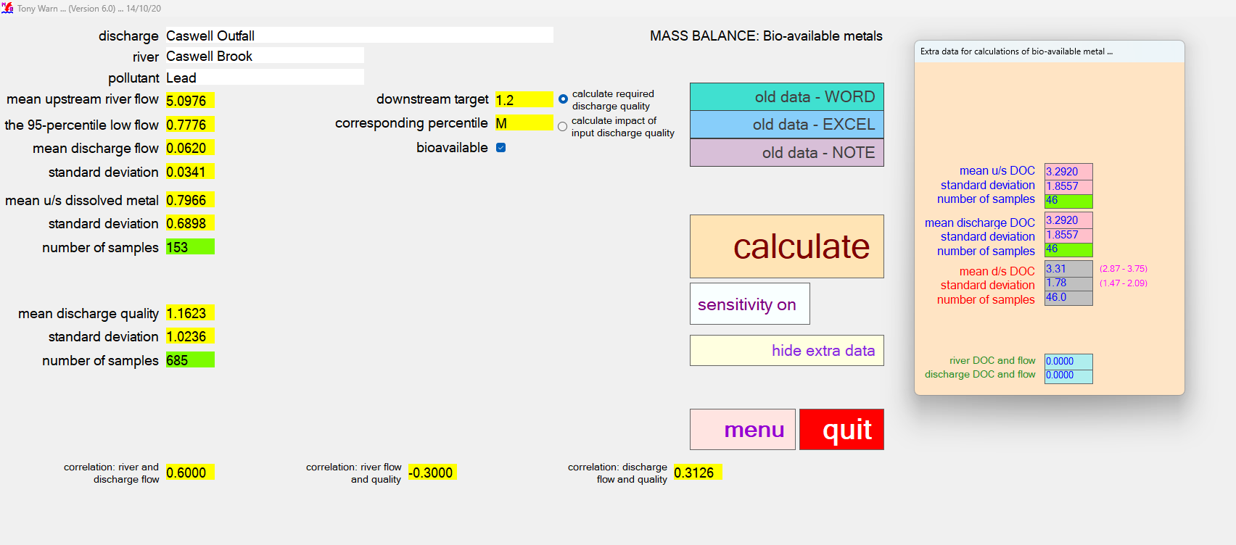
CASWELL BROOK LEAD OUTPUT - required discharge quality |  |  |  |  |  |  |  |  |  |  | CASWELL BROOK LEAD OUTPUT - impact of input discharge quality |  |  |  |  |  |  |  |  |  |  |  | Monte Carlo 95th Percentile - CASWELL BROOK LEAD - required discharge quality |  |  |  |  |  |  |  |  |  |  |  | Monte Carlo 95th percentile - CASWELL BROOK LEAD - impact of input discharge quality

MASS BALANCE (Bioavailable Metal) |  |  |  |  | Version 6.0 |  |  |  | MASS BALANCE (Bioavailable Metal) |  | MASS BALANCE (Bioavailable Metal) |  |  |  |  | Version 6.0 |  |  |  | MASS BALANCE (Bioavailable Metal) |  |  | MASS BALANCE (MONTE CARLO) |  |  |  |  | Version 6.0 |  |  |  | MASS BALANCE (MONTE CARLO) |  |  | MASS BALANCE (MONTE CARLO) |  |  |  |  | Version 6.0 |  |  |  | MASS BALANCE (MONTE CARLO)
Calculations: 17 November 2025 at 03:26 |  |  |  |  |  |  |  |  | Sensitivity: 17 November 2025 at 03:26 |  | Calculations: 17 November 2025 at 03:27 |  |  |  |  |  |  |  |  | Sensitivity: 17 November 2025 at 03:27 |  |  | Calculations: 14 November 2025 at 12:11 |  |  |  |  |  |  |  |  | Sensitivity: 14 November 2025 at 12:11 |  |  | Calculations: 14 November 2025 at 12:14 |  |  |  |  |  |  |  |  | Sensitivity: 14 November 2025 at 12:14

Name of discharge | Caswell Outfall |  |  |  |  |  |  |  |  |  | Name of discharge | Caswell Outfall |  |  |  |  |  |  |  |  |  |  | Name of discharge | Caswell Outfall |  |  |  |  |  |  |  |  |  |  | Name of discharge | Caswell Outfall
Name of river | Caswell Brook |  |  |  |  |  |  |  |  |  | Name of river | Caswell Brook |  |  |  |  |  |  |  |  |  |  | Name of river | Caswell Brook |  |  |  |  |  |  |  |  |  |  | Name of river | Caswell Brook
Determinand | Lead |  |  |  |  |  |  |  |  |  | Determinand | Lead |  |  |  |  |  |  |  |  |  |  | Determinand | Lead |  |  |  |  |  |  |  |  |  |  | Determinand | Lead

Mean u/s river flow |  | 5.10 |  |  | RIVER QUALITY TARGET |  |  |  | RESULTS OF SENSITIVITY TESTS |  | Mean u/s river flow |  | 5.10 |  |  | RIVER QUALITY TARGET |  |  |  | RESULTS OF SENSITIVITY TESTS |  |  | Mean u/s river flow |  | 0.06 |  |  | RIVER QUALITY TARGET |  |  |  | RESULTS OF SENSITIVITY TESTS |  |  | Mean u/s river flow |  | 0.06 |  |  | RIVER QUALITY TARGET |  |  |  | RESULTS OF SENSITIVITY TESTS
95% exceedence flow |  | 0.78 |  |  | Mean bioavailable | 1.20 | 0.00 | 1 |  |  | 95% exceedence flow |  | 0.78 |  |  | Mean bioavailable | 1.20 | 0.00 | 1 |  |  |  | 95% exceedence flow |  | 0.01 |  |  | 95-percentile | 14.00 |  |  |  |  |  | 95% exceedence flow |  | 0.01 |  |  | 95-percentile | 14.00
Mean discharge flow |  | 0.06 |  |  |  |  |  |  | % IMPACT ON 95-PERCENTILE OF |  | Mean discharge flow |  | 0.06 |  |  |  |  |  |  | % IMPACT ON 90-PERCENTILE OF |  |  | Mean discharge flow |  | 0.06 |  |  |  |  |  |  | % IMPACT ON 95-PERCENTILE OF |  |  | Mean discharge flow |  | 0.06 |  |  |  |  |  |  | % IMPACT ON 90-PERCENTILE OF
Standard deviation |  | 0.03 |  |  |  |  |  |  | REQUIRED DISCHARGE QUALITY |  | Standard deviation |  | 0.03 |  |  |  |  |  |  | DOWNSTREAM RIVER QUALITY |  |  | Standard deviation |  | 0.03 |  |  |  |  |  |  | REQUIRED DISCHARGE QUALITY |  |  | Standard deviation |  | 0.03 |  |  |  |  |  |  | DOWNSTREAM RIVER QUALITY

RIVER u/s OF DISCHARGE |  |  | lower | upper | RIVER d/s OF DISCHARGE |  | lower | upper | CAUSE - 10% change in: |  | RIVER u/s OF DISCHARGE |  |  | lower | upper | RIVER d/s OF CURRENT DISCHARGE |  | lower | upper | CAUSE - 10% change in: |  |  | RIVER u/s OF DISCHARGE |  |  | lower | upper | RIVER d/s OF DISCHARGE |  | lower | upper | CAUSE - 10% change in: |  |  | RIVER u/s OF DISCHARGE |  |  | lower | upper | RIVER d/s OF CURRENT DISCHARGE |  | lower | upper | CAUSE - 10% change in:
Mean u/s dissolved metal |  | 0.80 | 0.70 | 0.89 | Mean d/s dissolved metal | 3.19 | 2.93 | 3.46 | Mean river flow | 5.1 | Mean u/s dissolved metal |  | 0.80 | 0.71 | 0.89 | Mean d/s dissolved metal | 0.80 | 0.72 | 0.89 | Mean river flow | 0.0 |  | Mean u/s river quality |  | 0.80 | 0.70 | 0.89 | Mean river quality | 5.05 | 4.76 | 5.33 | Mean river flow | 1.8 |  | Mean u/s river quality |  | 0.80 | 0.70 | 0.89 | Mean river quality | 1.00 | 0.96 | 1.05 | Mean river flow | 0.6
Standard deviation |  | 0.69 | 0.62 | 0.75 | Standard deviation | 3.59 | 3.40 | 3.77 | 95-percentile low river flow | 4.9 | Standard deviation |  | 0.69 | 0.62 | 0.76 | Standard deviation | 0.65 | 0.60 | 0.71 | 95-percentile low river flow | 0.1 |  | Standard deviation |  | 0.69 | 0.63 | 0.76 | Standard deviation | 4.61 | 4.41 | 4.81 | 95-percentile low river flow | 1.3 |  | Standard deviation |  | 0.69 | 0.63 | 0.76 | Standard deviation | 0.69 | 0.66 | 0.73 | 95-percentile low river flow | 0.1
Number of samples |  | 153 |  |  | Number of samples | 507 |  |  | Mean discharge flow | 11.8 | Number of samples |  | 153 |  |  | Number of samples | 175 |  |  | Mean discharge flow | 0.1 |  | Number of samples |  | 153 |  |  | Number of samples | 725 |  |  | Mean discharge flow | 3.1 |  | Number of samples |  | 153 |  |  | Number of samples | 558 |  |  | Mean discharge flow | 0.5
95-percentile dissolved |  | 2.08 | 1.81 | 2.46 | 95-percentile dissolved | 8.18 | 7.41 | 9.10 | Standard deviation | 1.2 | 95-percentile dissolved |  | 2.09 | 1.81 | 2.46 | 95-percentile dissolved | 2.05 | 1.84 | 2.32 | Standard deviation | 0.1 |  | 95-percentile |  | 2.06 | 1.78 | 2.43 | 95-percentile | 14.00 | 13.09 | 15.06 | Standard deviation | 0.4 |  | 95-percentile |  | 2.06 | 1.78 | 2.43 | 95-percentile | 2.34 | 2.19 | 2.50 | Standard deviation | 0.4
BIOAVAILABLE u/s OF DISCHARGE |  |  |  |  | BIOAVAILABLE d/s OF DISCHARGE |  |  |  | Mean river quality | 3.4 | BIOAVAILABLE u/s OF DISCHARGE |  |  |  |  | BIOAVAILABLE d/s OF CURRENT DISCHARGE |  |  |  | Mean river quality | 9.8 |  |  |  |  |  |  |  |  |  |  | Mean river quality | 0.2 |  |  |  |  |  |  |  |  |  |  | Mean river quality | 1.9
Mean u/s bioavailable |  | 0.31 | 0.25 | 0.37 | Mean d/s bioavailable | 1.20 | 1.04 | 1.36 | Standard deviation | 0.0 | Mean u/s bioavailable |  | 0.31 | 0.25 | 0.37 | Mean d/s bioavailable | 0.31 | 0.25 | 0.37 | Standard deviation | 0.1 |  | CURRENT DISCHARGE QUALITY |  |  | lower | upper | REQUIRED DISCHARGE QUALITY |  | lower | upper | Standard deviation | 0.0 |  | CURRENT DISCHARGE QUALITY |  |  | lower | upper |  |  |  |  | Standard deviation | 1.1
Standard deviation |  | 0.33 | 0.29 | 0.37 | Standard deviation | 1.52 | 1.40 | 1.63 | Variation in discharge quality | 0.1 | Standard deviation |  | 0.33 | 0.29 | 0.37 | Standard deviation | 0.31 | 0.27 | 0.35 | Mean discharge quality | 0.3 |  | Mean |  | 1.16 | 1.10 | 1.22 | Mean | 7.90 | 7.51 | 8.29 | Variation in discharge quality | 0.1 |  | Mean |  | 1.16 | 1.10 | 1.22 |  |  |  |  | Mean discharge quality | 5.1
 |  |  |  |  |  |  |  |  | Downstream river target | 14.8 |  |  |  |  |  |  |  |  |  | Standard deviation | 0.0 |  | Standard deviation |  | 1.02 | 0.98 | 1.07 | Standard deviation | 6.68 | 6.41 | 6.96 | Downstream river target | 11.4 |  | Standard deviation |  | 1.02 | 0.98 | 1.07 |  |  |  |  | Standard deviation | 1.9
 |  |  |  |  |  |  |  |  | Correlation: river and discharge flow | 5.6 |  |  |  |  |  |  |  |  |  | Correlation: river and discharge flow | 0.0 |  | Number of samples |  | 796 |  |  | Number of samples | 796 |  |  | Correlation: river and discharge flow | 0.1 |  | Number of samples |  | 796 |  |  |  |  |  |  | Correlation: river and discharge flow | 0.4
CURRENT DISCHARGE QUALITY |  |  | lower | upper | REQUIRED DISCHARGE QUALITY |  | lower | upper | Correlation: river flow and quality | 0.1 | CURRENT DISCHARGE QUALITY |  |  | lower | upper |  |  |  |  | Correlation: river flow and quality | 0.2 |  | 95-percentile |  | 3.03 | 2.84 | 3.26 | 95-percentile | 20.35 | 19.12 | 21.79 | Correlation: river flow and quality | 0.3 |  | 95-percentile |  | 3.03 | 2.84 | 3.26 |  |  |  |  | Correlation: river flow and quality | 2.0
Mean |  | 1.16 | 1.10 | 1.23 | Mean | 118.45 | 97 | 140 | Correlation: discharge flow and quality |  | Mean |  | 1.16 | 1.10 | 1.22 |  |  |  |  | Correlation: discharge flow and quality |  |  | 99-percentile |  | 5.08 | 4.69 | 5.56 | 99-percentile | 33.32 | 30.79 | 36.32 | Correlation: discharge flow and quality | 4.7 |  | 99-percentile |  | 5.08 | 4.69 | 5.56 |  |  |  |  | Correlation: discharge flow and quality | 0.3
Standard deviation |  | 1.02 | 0.98 | 1.07 | Standard deviation | 104.32 | 89 | 119 |  |  | Standard deviation |  | 1.02 | 0.97 | 1.07 |  |  |  |  |  |  |  | 99.5-percentile |  | 6.14 | 5.63 | 6.76 | 99.5-percentile | 41.39 | 38.12 | 45.30 |  |  |  | 99.5-percentile |  | 6.14 | 5.63 | 6.76
Number of samples |  | 685 |  |  | Number of samples | 685 |  |  | Mean pH (change of 2%) | 0 | Number of samples |  | 685 |  |  |  |  |  |  | Mean pH (change of 2%) | 0.0
95-percentile |  | 3.03 | 2.83 | 3.27 | 95-percentile | 302.44 | 244 | 376 | Standard deviation | 0 | 95-percentile |  | 3.02 | 2.82 | 3.26 |  |  |  |  | Standard deviation | 0.0 |  | CORRELATION |  |  |  |  |  |  |  |  |  |  |  | CORRELATION
99-percentile |  | 5.08 | 4.66 | 5.60 | 99-percentile | 542.97 | 346 | 802 | Mean calcium | 0 | 99-percentile |  | 5.07 | 4.64 | 5.58 |  |  |  |  | Mean calcium | 0.0 |  | River and discharge flow |  | 0.60 |  |  |  |  |  |  |  |  |  | River and discharge flow |  | 0.60
99.5-percentile |  | 6.14 | 5.59 | 6.81 | 99.5-percentile | 647.38 | 341 | 1,057 | Standard deviation | 0 | 99.5-percentile |  | 6.12 | 5.57 | 6.79 |  |  |  |  | Standard deviation | 0.0 |  | River flow and quality |  | -0.3 |  |  |  |  |  |  |  |  |  | River flow and quality |  | -0.3
 |  |  |  |  |  |  |  |  | Mean u/s DOC | 19.3 |  |  |  |  |  |  |  |  |  | Mean u/s DOC | -12.9 |  | Discharge flow and quality |  | 0.313 |  |  |  |  |  |  |  |  |  | Discharge flow and quality |  | 0.313
 |  |  |  |  |  |  |  |  | Standard deviation | -5.1 |  |  |  |  |  |  |  |  |  | Standard deviation | -12.9
DATA FOR BIOAVAILABLE METAL |  |  |  |  | CORRELATION |  |  |  | Mean discharge DOC | 0.6 | DATA FOR BIOAVAILABLE METAL |  |  |  |  | CORRELATION |  |  |  | Mean discharge DOC | -12.9
 |  |  |  |  | River and discharge flow | 0.6 |  |  | Standard deviation | 0.0 |  |  |  |  |  | River and discharge flow | 0.6 |  |  | Standard deviation | -0.0
 |  |  |  |  | River flow and quality | -0.3 |  |  | Correlation: pH and river flow | 0 |  |  |  |  |  | River flow and quality | -0.3 |  |  | Correlation: pH and river flow | 0.0
 |  |  |  |  | Discharge flow and quality | 0.313 |  |  | Correlation: calcium and river flow | 0 |  |  |  |  |  | Discharge flow and quality | 0.313 |  |  | Correlation: calcium and river flow | 0.0
 |  |  |  |  |  |  |  |  | Correlation: calcium and pH | 0 |  |  |  |  |  |  |  |  |  | Correlation: calcium and pH | 0.0
 |  |  |  |  | CORRELATIONS FOR BIOAVAILABLE DATA |  |  |  | Correlation: river DOC and flow | 2.0 |  |  |  |  |  | CORRELATIONS FOR BIOAVAILABLE DATA |  |  |  | Correlation: river DOC and flow | -1.0
 |  |  |  |  |  |  |  |  | Correlation: discharge DOC and flow | -0.0 |  |  |  |  |  |  |  |  |  | Correlation: discharge DOC and flow | -0.0
Mean u/s DOC |  | 3.29 | 2.83 | 3.75 |  |  |  |  |  |  | Mean u/s DOC |  | 3.29 | 2.83 | 3.75
Standard deviation |  | 1.86 | 1.53 | 2.18 |  |  |  |  |  |  | Standard deviation |  | 1.86 | 1.53 | 2.18
Number of samples |  | 46 |  |  | River DOC and flow | 0 |  |  |  |  | Number of samples |  | 46 |  |  | River DOC and flow | 0
Mean discharge DOC |  | 3.29 | 2.83 | 3.75 | Discharge DOC and flow | 0 |  |  |  |  | Mean discharge DOC |  | 3.29 | 2.83 | 3.75 | Discharge DOC and flow | 0
Standard deviation |  | 1.86 | 1.53 | 2.18 |  |  |  |  |  |  | Standard deviation |  | 1.86 | 1.53 | 2.18
Number of samples |  | 46 |  |  |  |  |  |  |  |  | Number of samples |  | 46
Mean d/s DOC |  | 3.31 | 2.87 | 3.75 |  |  |  |  |  |  | Mean d/s DOC |  | 3.31 | 2.87 | 3.75
Standard deviation |  | 1.78 | 1.47 | 2.09 |  |  |  |  |  |  | Standard deviation |  | 1.78 | 1.47 | 2.09

RAW OUTPUT |  |  |  |  |  |  |  |  |  |  | RAW OUTPUT |  |  |  |  |  |  |  |  |  |  | RAW OUTPUT |  |  |  |  |  |  |  |  |  |  |  | RAW OUTPUT
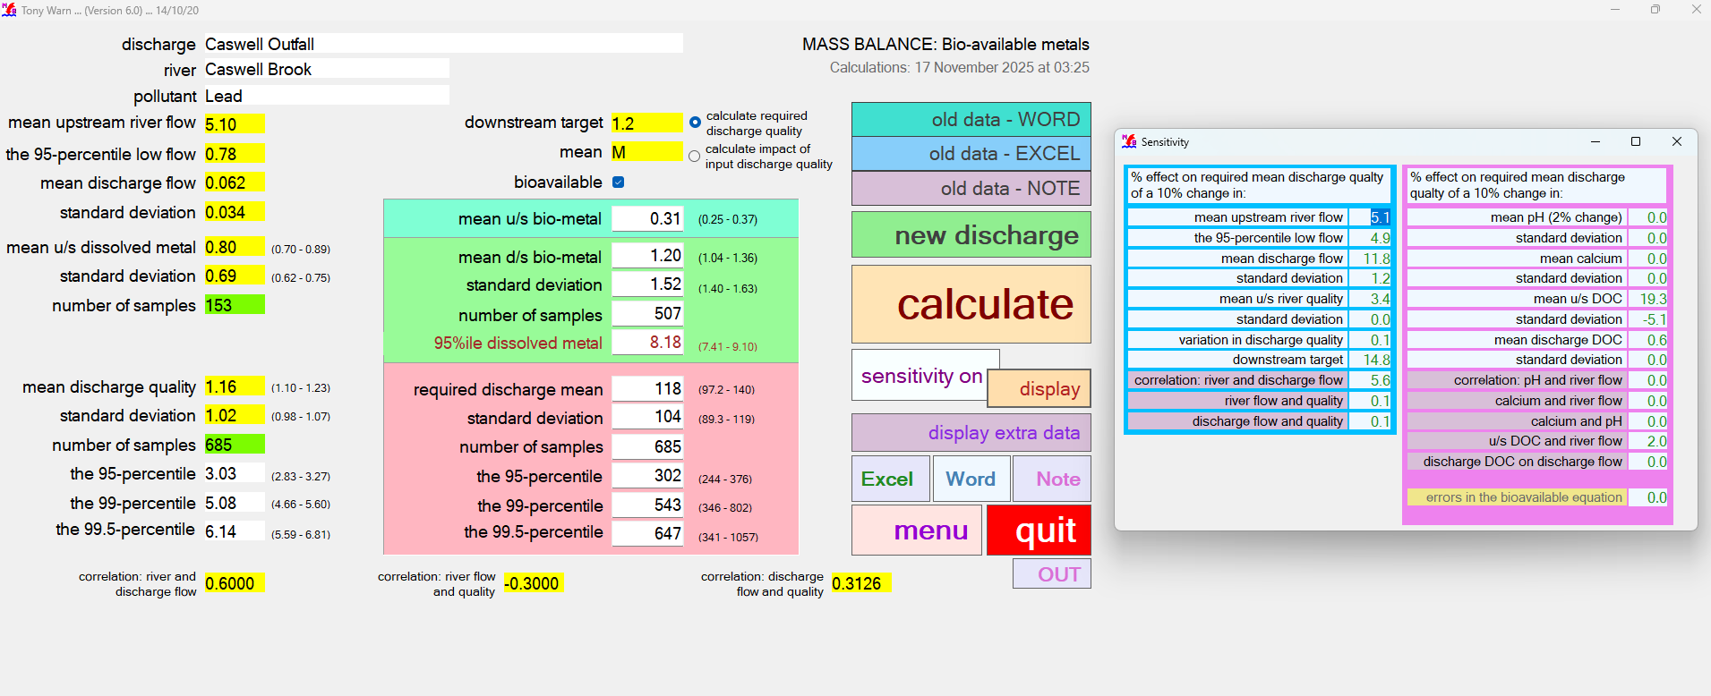
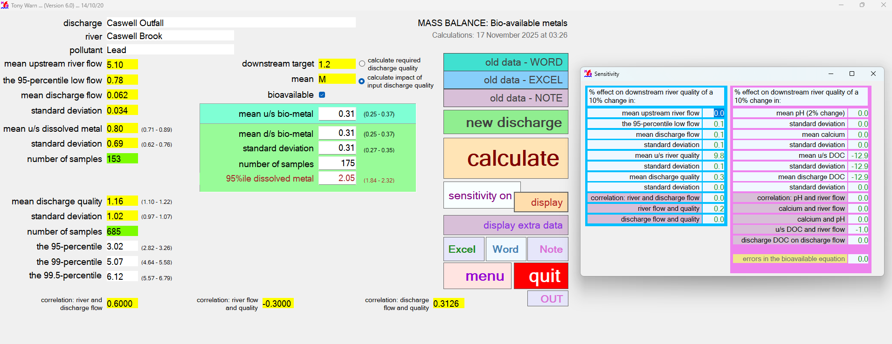
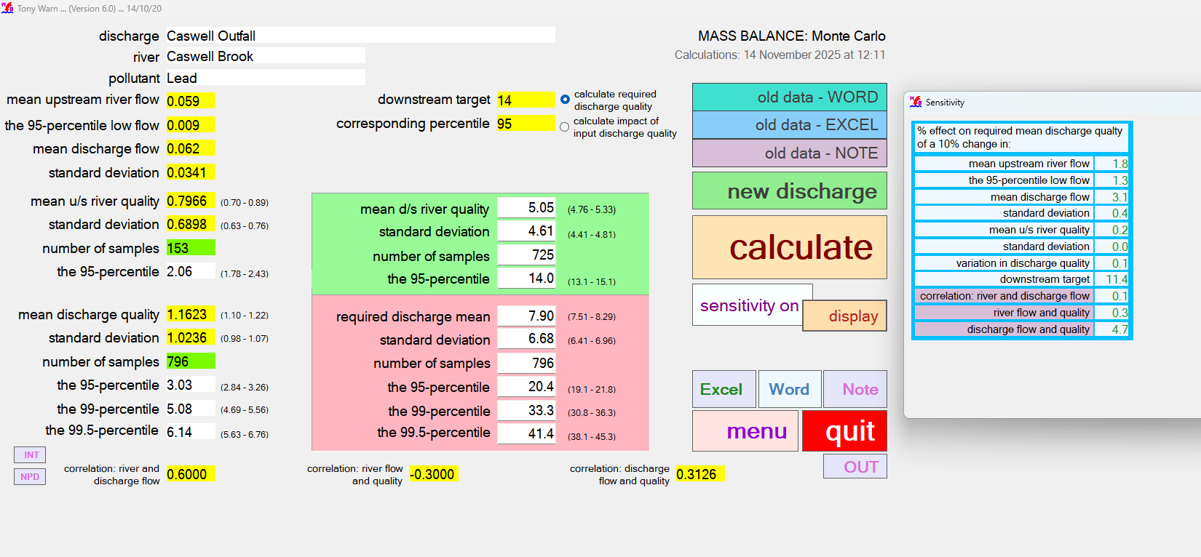
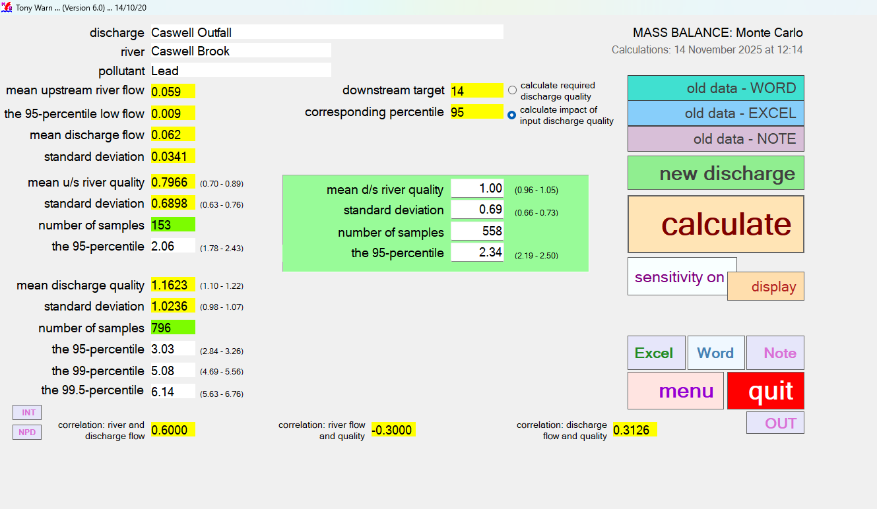

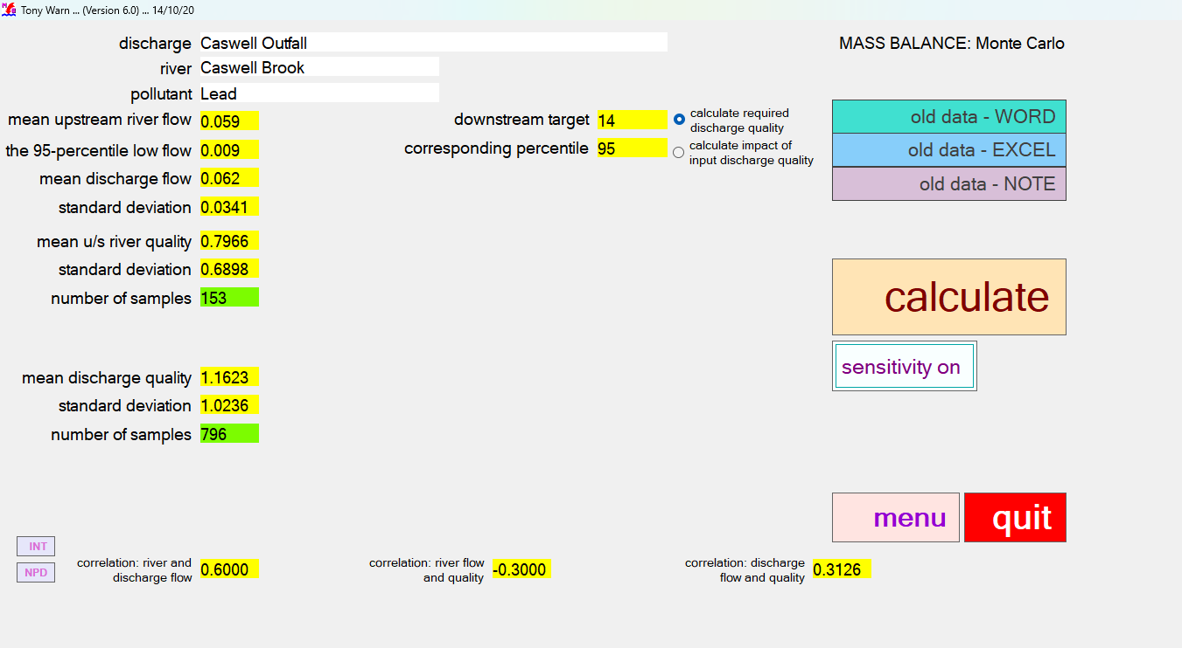
INPUT |  |  |  |  |  |  |  |  |  |  | INPUT

MonteCarlo CB Zn
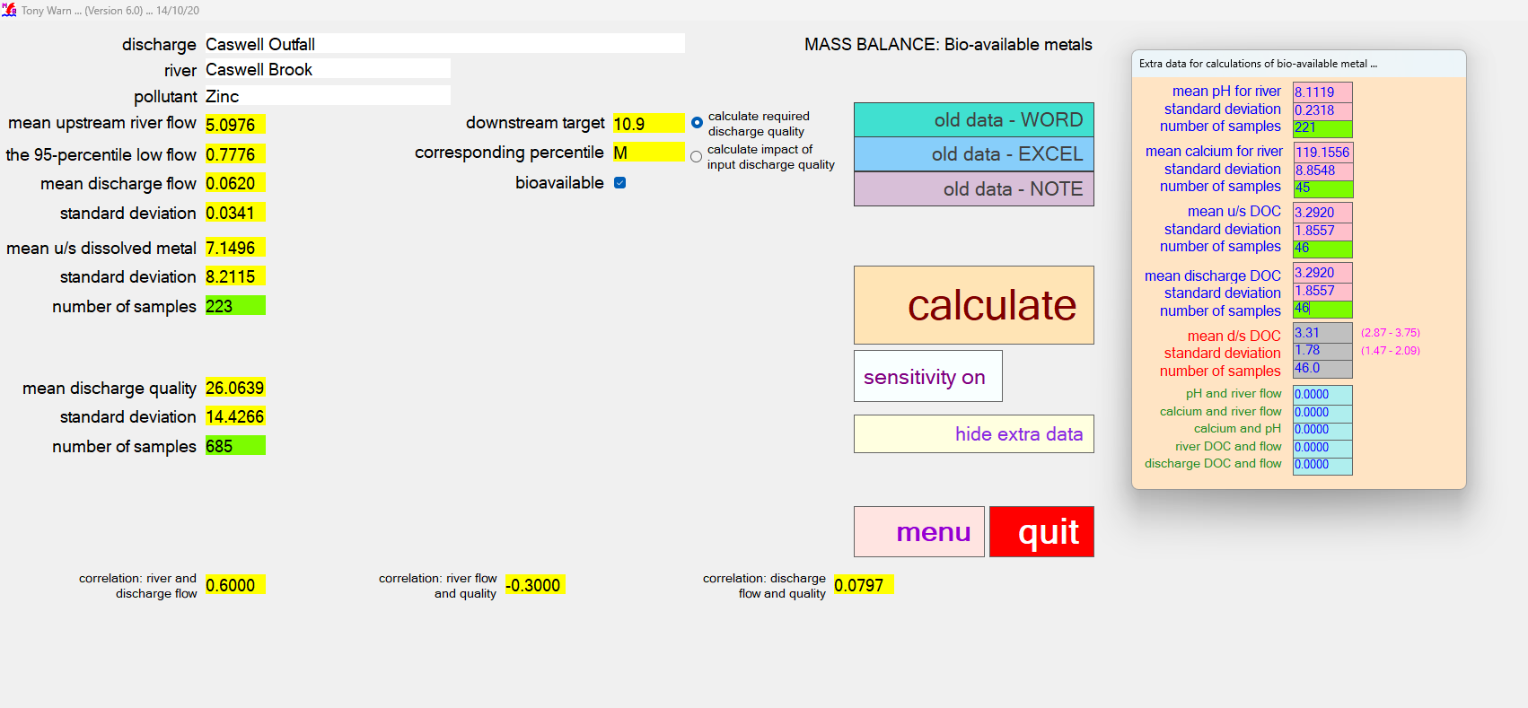
CASWELL BROOK ZINC OUTPUT - required discharge quality |  |  |  |  |  |  |  |  |  |  | CASWELL BROOK ZINC OUTPUT - impact of input discharge quality

MASS BALANCE (Bioavailable Metal) |  |  |  |  | Version 6.0 |  |  |  | MASS BALANCE (Bioavailable Metal) |  | MASS BALANCE (Bioavailable Metal) |  |  |  |  | Version 6.0 |  |  |  | MASS BALANCE (Bioavailable Metal)
Calculations: 17 November 2025 at 03:31 |  |  |  |  |  |  |  |  | Sensitivity: 17 November 2025 at 03:31 |  | Calculations: 17 November 2025 at 03:32 |  |  |  |  |  |  |  |  | Sensitivity: 17 November 2025 at 03:32

Name of discharge | Caswell Outfall |  |  |  |  |  |  |  |  |  | Name of discharge | Caswell Outfall
Name of river | Caswell Brook |  |  |  |  |  |  |  |  |  | Name of river | Caswell Brook
Determinand | Zinc |  |  |  |  |  |  |  |  |  | Determinand | Zinc

Mean u/s river flow |  | 5.10 |  |  | RIVER QUALITY TARGET |  |  |  | RESULTS OF SENSITIVITY TESTS |  | Mean u/s river flow |  | 5.10 |  |  | RIVER QUALITY TARGET |  |  |  | RESULTS OF SENSITIVITY TESTS
95% exceedence flow |  | 0.78 |  |  | Mean bioavailable | 10.90 | 0.00 | 1 |  |  | 95% exceedence flow |  | 0.78 |  |  | Mean bioavailable | 10.90 | 0.00 | 1
Mean discharge flow |  | 0.06 |  |  |  |  |  |  | % IMPACT ON 95-PERCENTILE OF |  | Mean discharge flow |  | 0.06 |  |  |  |  |  |  | % IMPACT ON 90-PERCENTILE OF
Standard deviation |  | 0.03 |  |  |  |  |  |  | REQUIRED DISCHARGE QUALITY |  | Standard deviation |  | 0.03 |  |  |  |  |  |  | DOWNSTREAM RIVER QUALITY

RIVER u/s OF DISCHARGE |  |  | lower | upper | RIVER d/s OF DISCHARGE |  | lower | upper | CAUSE - 10% change in: |  | RIVER u/s OF DISCHARGE |  |  | lower | upper | RIVER d/s OF CURRENT DISCHARGE |  | lower | upper | CAUSE - 10% change in:
Mean u/s dissolved metal |  | 7.15 | 6.24 | 8.06 | Mean d/s dissolved metal | 23.00 | 22 | 24 | Mean river flow | 4.5 | Mean u/s dissolved metal |  | 7.15 | 6.24 | 8.06 | Mean d/s dissolved metal | 7.49 | 6.74 | 8.25 | Mean river flow | 0.2
Standard deviation |  | 8.21 | 7.57 | 8.85 | Standard deviation | 19.09 | 18 | 20 | 95-percentile low river flow | 5.6 | Standard deviation |  | 8.21 | 7.57 | 8.85 | Standard deviation | 7.59 | 7.06 | 8.13 | 95-percentile low river flow | 0.2
Number of samples |  | 223 |  |  | Number of samples | 531 |  |  | Mean discharge flow | 13.1 | Number of samples |  | 223 |  |  | Number of samples | 274 |  |  | Mean discharge flow | 0.5
95-percentile dissolved |  | 21.48 | 18.61 | 25.33 | 95-percentile dissolved | 56.71 | 52.87 | 61.21 | Standard deviation | 2.2 | 95-percentile dissolved |  | 21.48 | 18.61 | 25.33 | 95-percentile dissolved | 21.79 | 19.74 | 24.33 | Standard deviation | 0.1
BIOAVAILABLE u/s OF DISCHARGE |  |  |  |  | BIOAVAILABLE d/s OF DISCHARGE |  |  |  | Mean river quality | 4.5 | BIOAVAILABLE u/s OF DISCHARGE |  |  |  |  | BIOAVAILABLE d/s OF CURRENT DISCHARGE |  |  |  | Mean river quality | 9.4
Mean u/s bioavailable |  | 3.42 | 2.96 | 3.89 | Mean d/s bioavailable | 10.90 | 10.15 | 11.65 | Standard deviation | 0.0 | Mean u/s bioavailable |  | 3.42 | 2.96 | 3.89 | Mean d/s bioavailable | 3.58 | 3.16 | 4.01 | Standard deviation | 0.1
Standard deviation |  | 3.81 | 3.48 | 4.14 | Standard deviation | 9.19 | 8.66 | 9.72 | Variation in discharge quality | 0.1 | Standard deviation |  | 3.81 | 3.48 | 4.14 | Standard deviation | 3.73 | 3.43 | 4.03 | Mean discharge quality | 0.7
 |  |  |  |  |  |  |  |  | Downstream river target | 16.0 |  |  |  |  |  |  |  |  |  | Standard deviation | 0.0
 |  |  |  |  |  |  |  |  | Correlation: river and discharge flow | 4.3 |  |  |  |  |  |  |  |  |  | Correlation: river and discharge flow | 0.0
CURRENT DISCHARGE QUALITY |  |  | lower | upper | REQUIRED DISCHARGE QUALITY |  | lower | upper | Correlation: river flow and quality | 0.1 | CURRENT DISCHARGE QUALITY |  |  | lower | upper |  |  |  |  | Correlation: river flow and quality | 0.2
Mean |  | 26.06 | 25 | 27 | Mean | 792.33 | 721 | 864 | Correlation: discharge flow and quality |  | Mean |  | 26.10 | 25 | 27 |  |  |  |  | Correlation: discharge flow and quality
Standard deviation |  | 14.43 | 14 | 15 | Standard deviation | 438.56 | 388 | 489 |  |  | Standard deviation |  | 14.40 | 14 | 15
Number of samples |  | 685 |  |  | Number of samples | 685 |  |  | Mean pH (change of 2%) | 0.6 | Number of samples |  | 685 |  |  |  |  |  |  | Mean pH (change of 2%) | -0.0
95-percentile |  | 53.37 | 51 | 56 | 95-percentile | 1,637.78 | 1,398 | 1,926 | Standard deviation | -0.0 | 95-percentile |  | 53.36 | 51 | 56 |  |  |  |  | Standard deviation | -0.0
99-percentile |  | 75.91 | 72 | 81 | 99-percentile | 2,354.90 | 1,748 | 3,112 | Mean calcium | -1.3 | 99-percentile |  | 75.82 | 71 | 81 |  |  |  |  | Mean calcium | 0.9
99.5-percentile |  | 86.36 | 81 | 93 | 99.5-percentile | 2,672.09 | 1,825 | 3,742 | Standard deviation | 0.0 | 99.5-percentile |  | 86.22 | 81 | 93 |  |  |  |  | Standard deviation | -0.0
 |  |  |  |  |  |  |  |  | Mean u/s DOC | 7.8 |  |  |  |  |  |  |  |  |  | Mean u/s DOC | -5.2
 |  |  |  |  |  |  |  |  | Standard deviation | -1.1 |  |  |  |  |  |  |  |  |  | Standard deviation | -5.2
DATA FOR BIOAVAILABLE METAL |  |  |  |  | CORRELATION |  |  |  | Mean discharge DOC | 0.3 | DATA FOR BIOAVAILABLE METAL |  |  |  |  | CORRELATION |  |  |  | Mean discharge DOC | -5.2
Mean pH (u/s and d/s) |  | 8.11 | 8.09 | 8.14 | River and discharge flow | 0.6 |  |  | Standard deviation | 0.0 | Mean pH (u/s and d/s) |  | 8.11 | 8.09 | 8.14 | River and discharge flow | 0.6 |  |  | Standard deviation | -0.0
Standard deviation |  | 0.23 | 0.21 | 0.25 | River flow and quality | -0.3 |  |  | Correlation: pH and river flow | 0.1 | Standard deviation |  | 0.23 | 0.21 | 0.25 | River flow and quality | -0.3 |  |  | Correlation: pH and river flow | -0.0
Number of samples |  | 221 |  |  | Discharge flow and quality | 0.08 |  |  | Correlation: calcium and river flow | 0.0 | Number of samples |  | 221 |  |  | Discharge flow and quality | 0.08 |  |  | Correlation: calcium and river flow | -0.0
Mean calcium (u/s and d/s) |  | 119.16 | 116.94 | 121.37 |  |  |  |  | Correlation: calcium and pH | 0.0 | Mean calcium (u/s and d/s) |  | 119.16 | 116.94 | 121.37 |  |  |  |  | Correlation: calcium and pH | -0.0
Standard deviation |  | 8.85 | 7.30 | 10.41 | CORRELATIONS FOR BIOAVAILABLE DATA |  |  |  | Correlation: river DOC and flow | 1.4 | Standard deviation |  | 8.85 | 7.30 | 10.41 | CORRELATIONS FOR BIOAVAILABLE DATA |  |  |  | Correlation: river DOC and flow | -0.6
Number of samples |  | 221 |  |  | pH and river flow | 0 |  |  | Correlation: discharge DOC and flow | 0.0 | Number of samples |  | 221 |  |  | pH and river flow | 0 |  |  | Correlation: discharge DOC and flow | -0.0
Mean u/s DOC |  | 3.29 | 2.83 | 3.75 | Calcium and river flow | 0 |  |  |  |  | Mean u/s DOC |  | 3.29 | 2.83 | 3.75 | Calcium and river flow | 0
Standard deviation |  | 1.86 | 1.53 | 2.18 | Calcium and pH | 0 |  |  |  |  | Standard deviation |  | 1.86 | 1.53 | 2.18 | Calcium and pH | 0
Number of samples |  | 46 |  |  | River DOC and flow | 0 |  |  |  |  | Number of samples |  | 46 |  |  | River DOC and flow | 0
Mean discharge DOC |  | 3.29 | 2.83 | 3.75 | Discharge DOC and flow | 0 |  |  |  |  | Mean discharge DOC |  | 3.29 | 2.83 | 3.75 | Discharge DOC and flow | 0
Standard deviation |  | 1.86 | 1.53 | 2.18 |  |  |  |  |  |  | Standard deviation |  | 1.86 | 1.53 | 2.18
Number of samples |  | 46 |  |  |  |  |  |  |  |  | Number of samples |  | 46
Mean d/s DOC |  | 3.31 | 2.87 | 3.75 |  |  |  |  |  |  | Mean d/s DOC |  | 3.31 | 2.87 | 3.75
Standard deviation |  | 1.78 | 1.47 | 2.09 |  |  |  |  |  |  | Standard deviation |  | 1.78 | 1.47 | 2.09

RAW OUTPUT |  |  |  |  |  |  |  |  |  |  | RAW OUTPUT
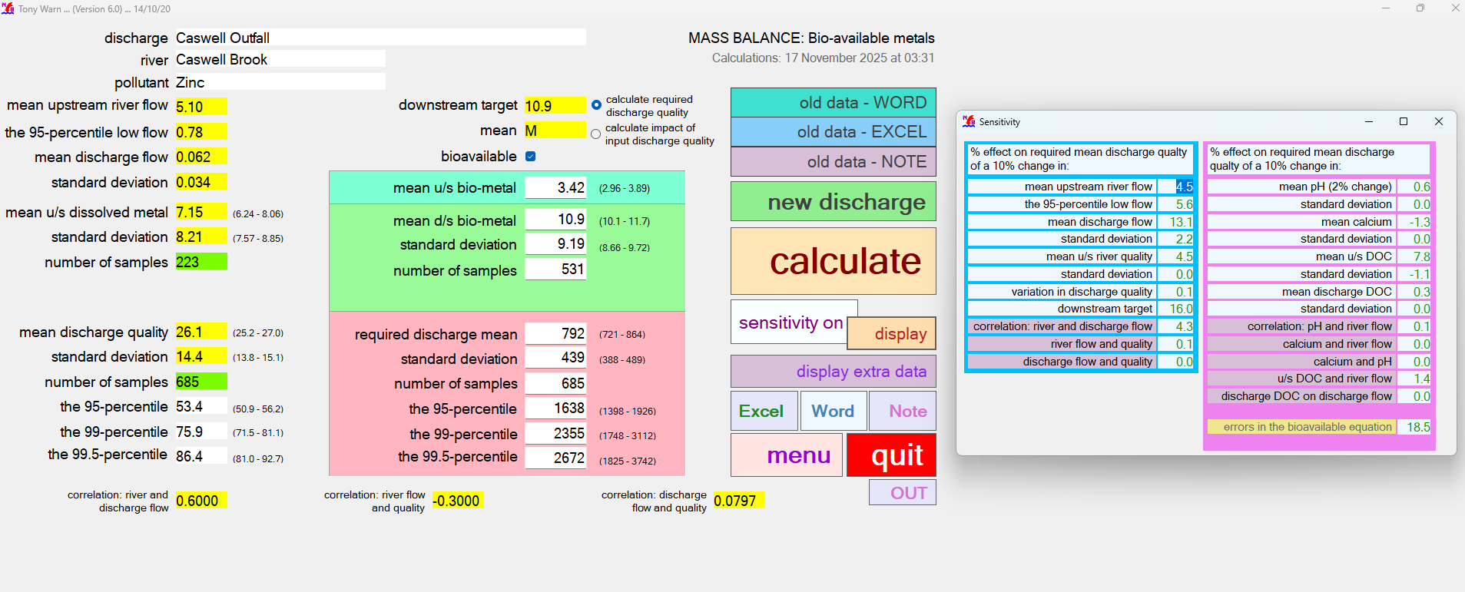
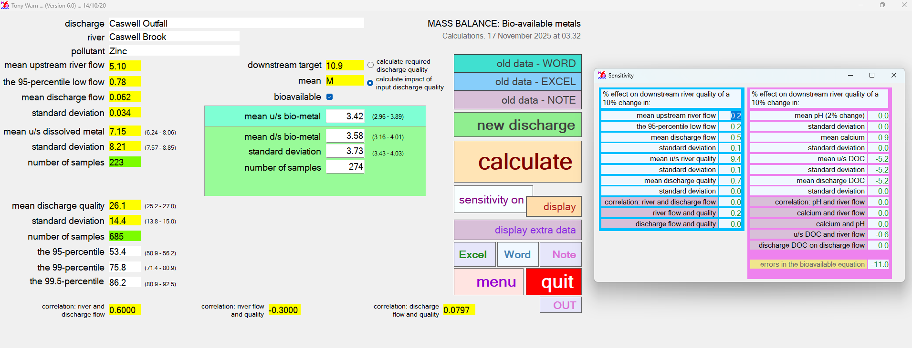

INPUT |  |  |  |  |  |  |  |  |  |  | INPUT

NOT NEEDED MonteCarlo CB Cl
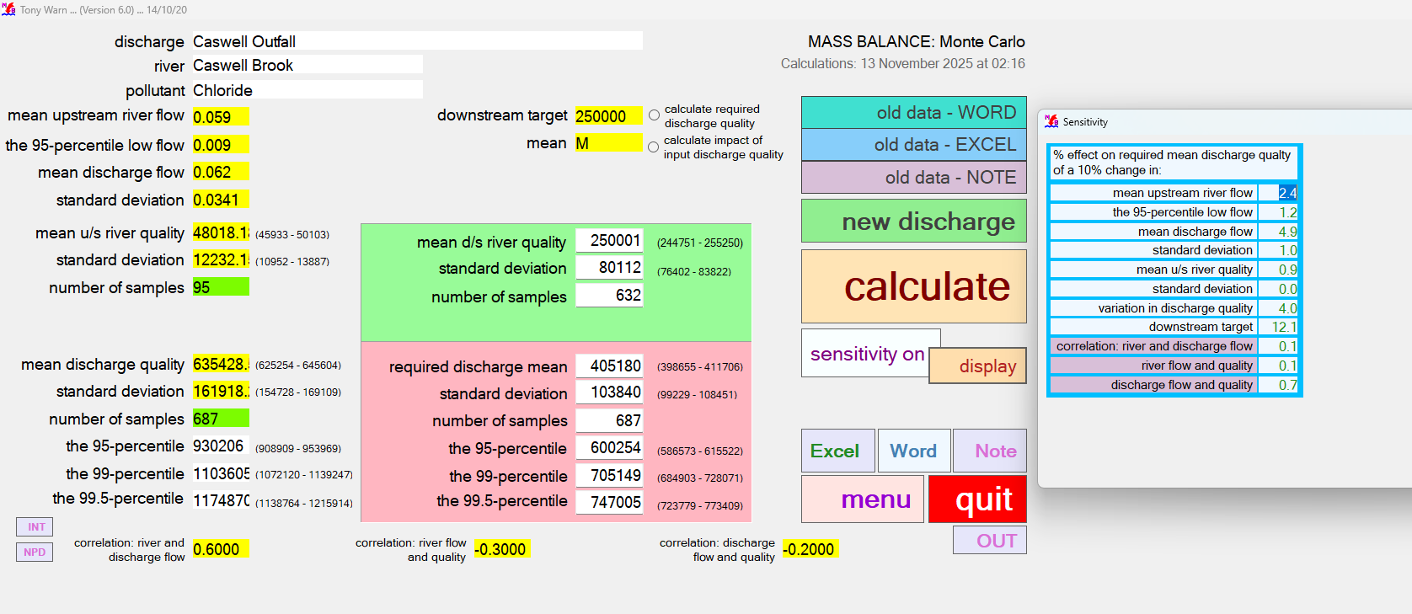
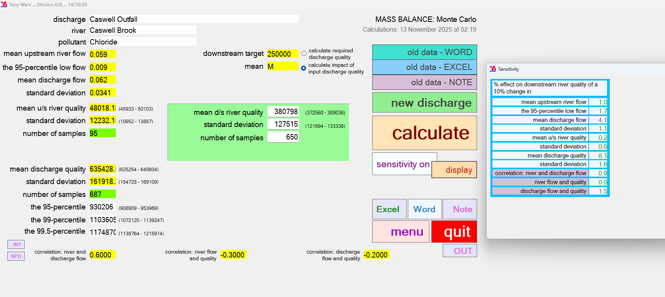
CASWELL BROOK CHLORIDE OUTPUT - required discharge quality |  |  |  |  |  |  |  |  |  |  | CASWELL BROOK CHLORIDE OUTPUT - impact of input discharge quality

MASS BALANCE (MONTE CARLO) |  |  |  |  | Version 6.0 |  |  |  | MASS BALANCE (MONTE CARLO) |  | MASS BALANCE (MONTE CARLO) |  |  |  |  | Version 6.0 |  |  |  | MASS BALANCE (MONTE CARLO)
Calculations: 13 November 2025 at 02:19 |  |  |  |  |  |  |  |  | Sensitivity: 13 November 2025 at 02:19 |  | Calculations: 13 November 2025 at 02:19 |  |  |  |  |  |  |  |  | Sensitivity: 13 November 2025 at 02:19

Name of discharge | Caswell Outfall |  |  |  |  |  |  |  |  |  | Name of discharge | Caswell Outfall
Name of river | Caswell Brook |  |  |  |  |  |  |  |  |  | Name of river | Caswell Brook
Determinand | Chloride |  |  |  |  |  |  |  |  |  | Determinand | Chloride

Mean u/s river flow |  | 0.06 |  |  | RIVER QUALITY TARGET |  |  |  | RESULTS OF SENSITIVITY TESTS |  | Mean u/s river flow |  | 0.06 |  |  | RIVER QUALITY TARGET |  |  |  | RESULTS OF SENSITIVITY TESTS
95% exceedence flow |  | 0.01 |  |  | Mean | 250,000.00 |  |  |  |  | 95% exceedence flow |  | 0.01 |  |  | Mean | 250,000.00
Mean discharge flow |  | 0.06 |  |  |  |  |  |  | % IMPACT ON 95-PERCENTILE OF |  | Mean discharge flow |  | 0.06 |  |  |  |  |  |  | % IMPACT ON 90-PERCENTILE OF
Standard deviation |  | 0.03 |  |  |  |  |  |  | REQUIRED DISCHARGE QUALITY |  | Standard deviation |  | 0.03 |  |  |  |  |  |  | DOWNSTREAM RIVER QUALITY

RIVER u/s OF DISCHARGE |  |  | lower | upper | RIVER d/s OF DISCHARGE |  | lower | upper | CAUSE - 10% change in: |  | RIVER u/s OF DISCHARGE |  |  | lower | upper | RIVER d/s OF CURRENT DISCHARGE |  | lower | upper | CAUSE - 10% change in:
Mean u/s river quality |  | 48,018.18 | 45,933 | 50,103 | Mean river quality | 250,000.50 | 244,751 | 255,250 | Mean river flow | 2.4 | Mean u/s river quality |  | 48,018.18 | 45,933 | 50,103 | Mean river quality | 380,797.50 | 372,560 | 389,036 | Mean river flow | 1.0
Standard deviation |  | 12,232.16 | 10,952 | 13,887 | Standard deviation | 80,111.91 | 76,402 | 83,822 | 95-percentile low river flow | 1.2 | Standard deviation |  | 12,232.16 | 10,952 | 13,887 | Standard deviation | 127,514.90 | 121,694 | 133,336 | 95-percentile low river flow | 1.7
Number of samples |  | 95 |  |  | Number of samples | 632 |  |  | Mean discharge flow | 4.9 | Number of samples |  | 95 |  |  | Number of samples | 650 |  |  | Mean discharge flow | 4.1
0-percentile |  | 0.00 | (1420.92) | 1,426.86 | Mean |  |  |  | Standard deviation | 1.0 | 0-percentile |  | 0.00 | (1420.92) | 1,426.86 | Mean |  |  |  | Standard deviation | 1.1
 |  |  |  |  |  |  |  |  | Mean river quality | 0.9 |  |  |  |  |  |  |  |  |  | Mean river quality | 0.2
CURRENT DISCHARGE QUALITY |  |  | lower | upper | REQUIRED DISCHARGE QUALITY |  | lower | upper | Standard deviation | 0.0 | CURRENT DISCHARGE QUALITY |  |  | lower | upper |  |  |  |  | Standard deviation | 0.0
Mean |  | 635,428.50 | 625,254 | 645,604 | Mean | 405,180.30 | 398,655 | 411,706 | Variation in discharge quality | 4.0 | Mean |  | 635,428.50 | 625,254 | 645,604 |  |  |  |  | Mean discharge quality | 8.1
Standard deviation |  | 161,918.20 | 154,728 | 169,109 | Standard deviation | 103,840.20 | 99,229 | 108,451.40 | Downstream river target | 12.1 | Standard deviation |  | 161,918.20 | 154,728 | 169,109 |  |  |  |  | Standard deviation | 1.6
Number of samples |  | 687 |  |  | Number of samples | 687 |  |  | Correlation: river and discharge flow | 0.1 | Number of samples |  | 687 |  |  |  |  |  |  | Correlation: river and discharge flow | 0.9
95-percentile |  | 930,205.90 | 908,909 | 953,969 | 95-percentile | 600,254.40 | 586,573 | 615,522 | Correlation: river flow and quality | 0.1 | 95-percentile |  | 930,205.90 | 908,909 | 953,969 |  |  |  |  | Correlation: river flow and quality | 0.0
99-percentile |  | 1,103,605.00 | 1,072,120 | 1,139,247 | 99-percentile | 705,149.10 | 684,903 | 728,071 | Correlation: discharge flow and quality | 0.7 | 99-percentile |  | 1,103,605.00 | 1,072,120 | 1,139,247 |  |  |  |  | Correlation: discharge flow and quality | 1.5
99.5-percentile |  | 1,174,870.00 | 1,138,764 | 1,215,914 | 99.5-percentile | 747,004.50 | 723,779 | 773,409 |  |  | 99.5-percentile |  | 1,174,870.00 | 1,138,764 | 1,215,914

CORRELATION |  |  |  |  |  |  |  |  |  |  | CORRELATION
River and discharge flow |  | 0.60 |  |  |  |  |  |  |  |  | River and discharge flow |  | 0.60
River flow and quality |  | -0.3 |  |  |  |  |  |  |  |  | River flow and quality |  | -0.3
Discharge flow and quality |  | -0.2 |  |  |  |  |  |  |  |  | Discharge flow and quality |  | -0.2

RAW OUTPUT |  |  |  |  |  |  |  |  |  |  | RAW OUTPUT

MonteCarlo BB Cu
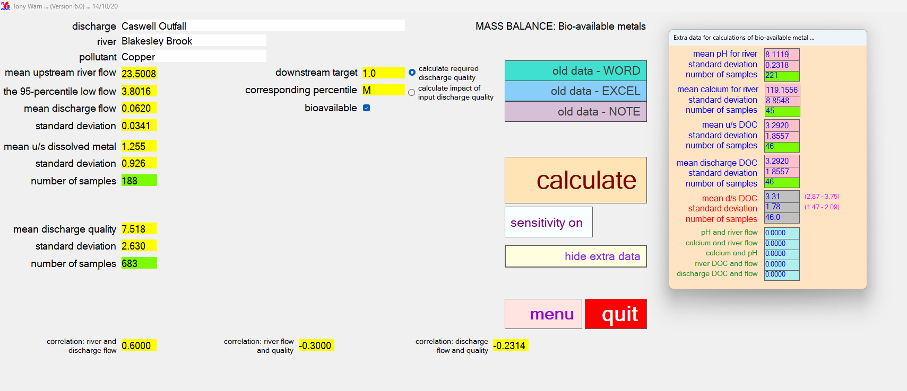
Blakesley BROOK COPPER OUTPUT - required discharge quality |  |  |  |  |  |  |  |  |  |  | Blakesley BROOK COPPER OUTPUT - impact of input discharge quality

MASS BALANCE (Bioavailable Metal) |  |  |  |  | Version 6.0 |  |  |  | MASS BALANCE (Bioavailable Metal) |  | MASS BALANCE (Bioavailable Metal) |  |  |  |  | Version 6.0 |  |  |  | MASS BALANCE (Bioavailable Metal)
Calculations: 17 November 2025 at 03:53 |  |  |  |  |  |  |  |  | Sensitivity: 17 November 2025 at 03:53 |  | Calculations: 17 November 2025 at 03:55 |  |  |  |  |  |  |  |  | Sensitivity: 17 November 2025 at 03:55

Name of discharge | Caswell Outfall |  |  |  |  |  |  |  |  |  | Name of discharge | Caswell Outfall
Name of river | Blakesley Brook |  |  |  |  |  |  |  |  |  | Name of river | Blakesley Brook
Determinand | Copper |  |  |  |  |  |  |  |  |  | Determinand | Copper

Mean u/s river flow |  | 23.50 |  |  | RIVER QUALITY TARGET |  |  |  | RESULTS OF SENSITIVITY TESTS |  | Mean u/s river flow |  | 23.50 |  |  | RIVER QUALITY TARGET |  |  |  | RESULTS OF SENSITIVITY TESTS
95% exceedence flow |  | 3.80 |  |  | Mean bioavailable | 1.00 | 0.00 | 1 |  |  | 95% exceedence flow |  | 3.80 |  |  | Mean bioavailable | 1.00 | 0.00 | 1
Mean discharge flow |  | 0.06 |  |  |  |  |  |  | % IMPACT ON 95-PERCENTILE OF |  | Mean discharge flow |  | 0.06 |  |  |  |  |  |  | % IMPACT ON 90-PERCENTILE OF
Standard deviation |  | 0.03 |  |  |  |  |  |  | REQUIRED DISCHARGE QUALITY |  | Standard deviation |  | 0.03 |  |  |  |  |  |  | DOWNSTREAM RIVER QUALITY

RIVER u/s OF DISCHARGE |  |  | lower | upper | RIVER d/s OF DISCHARGE |  | lower | upper | CAUSE - 10% change in: |  | RIVER u/s OF DISCHARGE |  |  | lower | upper | RIVER d/s OF CURRENT DISCHARGE |  | lower | upper | CAUSE - 10% change in:
Mean u/s dissolved metal |  | 1.26 | 1.14 | 1.37 | Mean d/s dissolved metal | 5.04 | 4.77 | 5.30 | Mean river flow | 4.3 | Mean u/s dissolved metal |  | 1.26 | 1.15 | 1.37 | Mean d/s dissolved metal | 1.29 | 1.18 | 1.39 | Mean river flow | 0.1
Standard deviation |  | 0.93 | 0.85 | 1.00 | Standard deviation | 3.72 | 3.53 | 3.90 | 95-percentile low river flow | 6.2 | Standard deviation |  | 0.93 | 0.85 | 1.01 | Standard deviation | 0.91 | 0.84 | 0.98 | 95-percentile low river flow | 0.1
Number of samples |  | 188 |  |  | Number of samples | 538 |  |  | Mean discharge flow | 14.1 | Number of samples |  | 188 |  |  | Number of samples | 205 |  |  | Mean discharge flow | 0.2
95-percentile dissolved |  | 3.01 | 2.69 | 3.43 | 95-percentile dissolved | 11.53 | 10.80 | 12.38 | Standard deviation | 2.8 | 95-percentile dissolved |  | 3.03 | 2.70 | 3.45 | 95-percentile dissolved | 3.08 | 2.80 | 3.43 | Standard deviation | 0.0
BIOAVAILABLE u/s OF DISCHARGE |  |  |  |  | BIOAVAILABLE d/s OF DISCHARGE |  |  |  | Mean river quality | 3.4 | BIOAVAILABLE u/s OF DISCHARGE |  |  |  |  | BIOAVAILABLE d/s OF CURRENT DISCHARGE |  |  |  | Mean river quality | 9.8
Mean u/s bioavailable |  | 0.25 | 0.20 | 0.31 | Mean d/s bioavailable | 1.00 | 0.86 | 1.14 | Standard deviation | 0.0 | Mean u/s bioavailable |  | 0.25 | 0.20 | 0.31 | Mean d/s bioavailable | 0.26 | 0.20 | 0.31 | Standard deviation | 0.1
Standard deviation |  | 0.29 | 0.25 | 0.33 | Standard deviation | 1.21 | 1.11 | 1.31 | Variation in discharge quality | 0.3 | Standard deviation |  | 0.29 | 0.25 | 0.33 | Standard deviation | 0.29 | 0.25 | 0.33 | Mean discharge quality | 0.3
 |  |  |  |  |  |  |  |  | Downstream river target | 14.8 |  |  |  |  |  |  |  |  |  | Standard deviation | 0.0
 |  |  |  |  |  |  |  |  | Correlation: river and discharge flow | 3.7 |  |  |  |  |  |  |  |  |  | Correlation: river and discharge flow | 0.0
CURRENT DISCHARGE QUALITY |  |  | lower | upper | REQUIRED DISCHARGE QUALITY |  | lower | upper | Correlation: river flow and quality | 0.0 | CURRENT DISCHARGE QUALITY |  |  | lower | upper |  |  |  |  | Correlation: river flow and quality | 0.1
Mean |  | 7.52 | 7.35 | 7.68 | Mean | 869.08 | 675 | 1,063 | Correlation: discharge flow and quality |  | Mean |  | 7.52 | 7.35 | 7.69 |  |  |  |  | Correlation: discharge flow and quality
Standard deviation |  | 2.63 | 2.51 | 2.75 | Standard deviation | 304.03 | 167 | 441 |  |  | Standard deviation |  | 2.63 | 2.51 | 2.75
Number of samples |  | 683 |  |  | Number of samples | 683 |  |  | Mean pH (change of 2%) | 34.0 | Number of samples |  | 683 |  |  |  |  |  |  | Mean pH (change of 2%) | -0.0
95-percentile |  | 12.41 | 12 | 13 | 95-percentile | 1,434.16 | 967 | 2,029 | Standard deviation | -0.9 | 95-percentile |  | 12.41 | 12 | 13 |  |  |  |  | Standard deviation | -0.0
99-percentile |  | 15.64 | 15 | 16 | 99-percentile | 1,808.50 | 86 | 4,111 | Mean calcium | 0.4 | 99-percentile |  | 15.64 | 15 | 16 |  |  |  |  | Mean calcium | -0.3
99.5-percentile |  | 17.03 | 16 | 18 | 99.5-percentile | 1,939.44 | 0 | 5,693 | Standard deviation | -0.0 | 99.5-percentile |  | 17.03 | 16 | 18 |  |  |  |  | Standard deviation | 0.0
 |  |  |  |  |  |  |  |  | Mean u/s DOC | 26.1 |  |  |  |  |  |  |  |  |  | Mean u/s DOC | -16.7
 |  |  |  |  |  |  |  |  | Standard deviation | -7.4 |  |  |  |  |  |  |  |  |  | Standard deviation | -16.7
DATA FOR BIOAVAILABLE METAL |  |  |  |  | CORRELATION |  |  |  | Mean discharge DOC | -0.0 | DATA FOR BIOAVAILABLE METAL |  |  |  |  | CORRELATION |  |  |  | Mean discharge DOC | -16.7
Mean pH (u/s and d/s) |  | 8.11 | 8.09 | 8.14 | River and discharge flow | 0.6 |  |  | Standard deviation | -0.2 | Mean pH (u/s and d/s) |  | 8.11 | 8.09 | 8.14 | River and discharge flow | 0.6 |  |  | Standard deviation | -0.0
Standard deviation |  | 0.23 | 0.21 | 0.25 | River flow and quality | -0.3 |  |  | Correlation: pH and river flow | -2.2 | Standard deviation |  | 0.23 | 0.21 | 0.25 | River flow and quality | -0.3 |  |  | Correlation: pH and river flow | 0.6
Number of samples |  | 221 |  |  | Discharge flow and quality | -0.231 |  |  | Correlation: calcium and river flow | -0.2 | Number of samples |  | 221 |  |  | Discharge flow and quality | -0.231 |  |  | Correlation: calcium and river flow | -0.0
Mean calcium (u/s and d/s) |  | 119.16 | 116.94 | 121.37 |  |  |  |  | Correlation: calcium and pH | -0.2 | Mean calcium (u/s and d/s) |  | 119.16 | 116.94 | 121.37 |  |  |  |  | Correlation: calcium and pH | -0.0
Standard deviation |  | 8.85 | 7.30 | 10.41 | CORRELATIONS FOR BIOAVAILABLE DATA |  |  |  | Correlation: river DOC and flow | 3.9 | Standard deviation |  | 8.85 | 7.30 | 10.41 | CORRELATIONS FOR BIOAVAILABLE DATA |  |  |  | Correlation: river DOC and flow | -1.3
Number of samples |  | 221 |  |  | pH and river flow | 0 |  |  | Correlation: discharge DOC and flow | -0.2 | Number of samples |  | 221 |  |  | pH and river flow | 0 |  |  | Correlation: discharge DOC and flow | -0.0
Mean u/s DOC |  | 3.29 | 2.83 | 3.75 | Calcium and river flow | 0 |  |  |  |  | Mean u/s DOC |  | 3.29 | 2.83 | 3.75 | Calcium and river flow | 0
Standard deviation |  | 1.86 | 1.53 | 2.18 | Calcium and pH | 0 |  |  |  |  | Standard deviation |  | 1.86 | 1.53 | 2.18 | Calcium and pH | 0
Number of samples |  | 46 |  |  | River DOC and flow | 0 |  |  |  |  | Number of samples |  | 46 |  |  | River DOC and flow | 0
Mean discharge DOC |  | 3.29 | 2.83 | 3.75 | Discharge DOC and flow | 0 |  |  |  |  | Mean discharge DOC |  | 3.29 | 2.83 | 3.75 | Discharge DOC and flow | 0
Standard deviation |  | 1.86 | 1.53 | 2.18 |  |  |  |  |  |  | Standard deviation |  | 1.86 | 1.53 | 2.18
Number of samples |  | 46 |  |  |  |  |  |  |  |  | Number of samples |  | 46
Mean d/s DOC |  | 3.31 | 2.86 | 3.76 |  |  |  |  |  |  | Mean d/s DOC |  | 3.31 | 2.86 | 3.76
Standard deviation |  | 1.81 | 1.50 | 2.12 |  |  |  |  |  |  | Standard deviation |  | 1.81 | 1.50 | 2.12

RAW OUTPUT |  |  |  |  |  |  |  |  |  |  | RAW OUTPUT
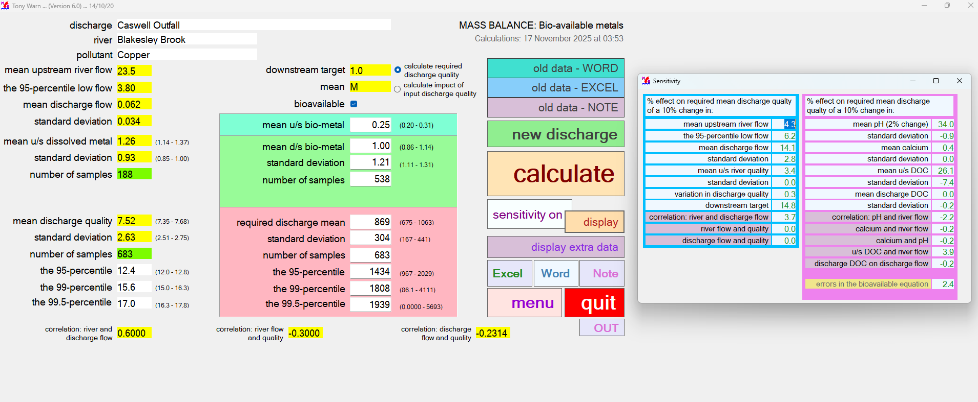
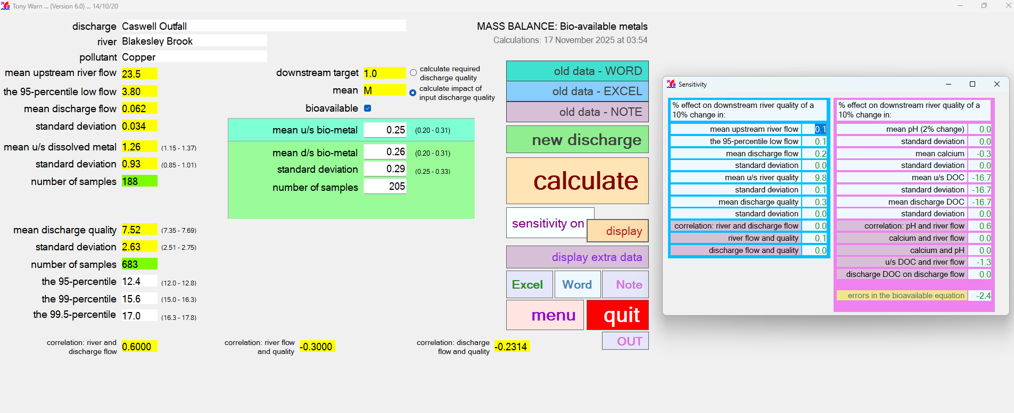

INPUT

MonteCarlo RT Cu
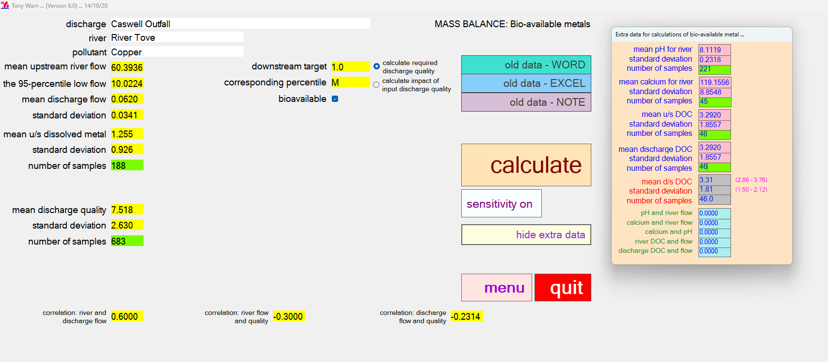
RIVER TOVE COPPER OUTPUT - required discharge quality |  |  |  |  |  |  |  |  |  |  | RIVER TOVE COPPER OUTPUT - impact of input discharge quality

MASS BALANCE (Bioavailable Metal) |  |  |  |  | Version 6.0 |  |  |  | MASS BALANCE (Bioavailable Metal) |  | MASS BALANCE (Bioavailable Metal) |  |  |  |  | Version 6.0 |  |  |  | MASS BALANCE (Bioavailable Metal)
Calculations: 17 November 2025 at 04:01 |  |  |  |  |  |  |  |  | Sensitivity: 17 November 2025 at 04:01 |  | Calculations: 17 November 2025 at 04:01 |  |  |  |  |  |  |  |  | Sensitivity: 17 November 2025 at 04:01

Name of discharge | Caswell Outfall |  |  |  |  |  |  |  |  |  | Name of discharge | Caswell Outfall
Name of river | River Tove |  |  |  |  |  |  |  |  |  | Name of river | River Tove
Determinand | Copper |  |  |  |  |  |  |  |  |  | Determinand | Copper

Mean u/s river flow |  | 60.39 |  |  | RIVER QUALITY TARGET |  |  |  | RESULTS OF SENSITIVITY TESTS |  | Mean u/s river flow |  | 60.40 |  |  | RIVER QUALITY TARGET |  |  |  | RESULTS OF SENSITIVITY TESTS
95% exceedence flow |  | 10.02 |  |  | Mean bioavailable | 1.00 | 0.00 | 1 |  |  | 95% exceedence flow |  | 10.00 |  |  | Mean bioavailable | 1.00 | 0.00 | 1
Mean discharge flow |  | 0.06 |  |  |  |  |  |  | % IMPACT ON 95-PERCENTILE OF |  | Mean discharge flow |  | 0.06 |  |  |  |  |  |  | % IMPACT ON 90-PERCENTILE OF
Standard deviation |  | 0.03 |  |  |  |  |  |  | REQUIRED DISCHARGE QUALITY |  | Standard deviation |  | 0.03 |  |  |  |  |  |  | DOWNSTREAM RIVER QUALITY

RIVER u/s OF DISCHARGE |  |  | lower | upper | RIVER d/s OF DISCHARGE |  | lower | upper | CAUSE - 10% change in: |  | RIVER u/s OF DISCHARGE |  |  | lower | upper | RIVER d/s OF CURRENT DISCHARGE |  | lower | upper | CAUSE - 10% change in:
Mean u/s dissolved metal |  | 1.26 | 1.14 | 1.37 | Mean d/s dissolved metal | 5.02 | 4.76 | 5.28 | Mean river flow | 4.3 | Mean u/s dissolved metal |  | 1.26 | 1.15 | 1.37 | Mean d/s dissolved metal | 1.27 | 1.16 | 1.38 | Mean river flow | 0.0
Standard deviation |  | 0.93 | 0.85 | 1.00 | Standard deviation | 3.68 | 3.50 | 3.87 | 95-percentile low river flow | 6.2 | Standard deviation |  | 0.93 | 0.85 | 1.01 | Standard deviation | 0.91 | 0.83 | 0.99 | 95-percentile low river flow | 0.0
Number of samples |  | 188 |  |  | Number of samples | 538 |  |  | Mean discharge flow | 14.2 | Number of samples |  | 188 |  |  | Number of samples | 195 |  |  | Mean discharge flow | 0.1
95-percentile dissolved |  | 3.01 | 2.69 | 3.43 | 95-percentile dissolved | 11.44 | 10.72 | 12.28 | Standard deviation | 2.8 | 95-percentile dissolved |  | 3.03 | 2.70 | 3.45 | 95-percentile dissolved | 3.05 | 2.76 | 3.44 | Standard deviation | 0.0
BIOAVAILABLE u/s OF DISCHARGE |  |  |  |  | BIOAVAILABLE d/s OF DISCHARGE |  |  |  | Mean river quality | 3.4 | BIOAVAILABLE u/s OF DISCHARGE |  |  |  |  | BIOAVAILABLE d/s OF CURRENT DISCHARGE |  |  |  | Mean river quality | 10.0
Mean u/s bioavailable |  | 0.25 | 0.20 | 0.31 | Mean d/s bioavailable | 1.00 | 0.86 | 1.14 | Standard deviation | 0.0 | Mean u/s bioavailable |  | 0.25 | 0.20 | 0.31 | Mean d/s bioavailable | 0.26 | 0.20 | 0.31 | Standard deviation | 0.1
Standard deviation |  | 0.29 | 0.25 | 0.33 | Standard deviation | 1.21 | 1.12 | 1.31 | Variation in discharge quality | 0.3 | Standard deviation |  | 0.29 | 0.25 | 0.33 | Standard deviation | 0.29 | 0.25 | 0.33 | Mean discharge quality | 0.1
 |  |  |  |  |  |  |  |  | Downstream river target | 14.8 |  |  |  |  |  |  |  |  |  | Standard deviation | 0.0
 |  |  |  |  |  |  |  |  | Correlation: river and discharge flow | 3.8 |  |  |  |  |  |  |  |  |  | Correlation: river and discharge flow | 0.0
CURRENT DISCHARGE QUALITY |  |  | lower | upper | REQUIRED DISCHARGE QUALITY |  | lower | upper | Correlation: river flow and quality | 0.0 | CURRENT DISCHARGE QUALITY |  |  | lower | upper |  |  |  |  | Correlation: river flow and quality | 0.0
Mean |  | 7.52 | 7.35 | 7.68 | Mean | 2,245.69 | 1,741 | 2,750 | Correlation: discharge flow and quality |  | Mean |  | 7.52 | 7.35 | 7.69 |  |  |  |  | Correlation: discharge flow and quality
Standard deviation |  | 2.63 | 2.51 | 2.75 | Standard deviation | 785.60 | 429 | 1,142 |  |  | Standard deviation |  | 2.63 | 2.51 | 2.75
Number of samples |  | 683 |  |  | Number of samples | 683 |  |  | Mean pH (change of 2%) | 34.0 | Number of samples |  | 683 |  |  |  |  |  |  | Mean pH (change of 2%) | -0.0
95-percentile |  | 12.41 | 12 | 13 | 95-percentile | 3,705.83 | 2,498 | 5,245 | Standard deviation | -0.9 | 95-percentile |  | 12.41 | 12 | 13 |  |  |  |  | Standard deviation | -0.0
99-percentile |  | 15.64 | 15 | 16 | 99-percentile | 4,673.12 | 207 | 10,646 | Mean calcium | 0.4 | 99-percentile |  | 15.64 | 15 | 16 |  |  |  |  | Mean calcium | -0.3
99.5-percentile |  | 17.03 | 16 | 18 | 99.5-percentile | 5,011.48 | 0 | 14,756 | Standard deviation | -0.0 | 99.5-percentile |  | 17.03 | 16 | 18 |  |  |  |  | Standard deviation | 0.0
 |  |  |  |  |  |  |  |  | Mean u/s DOC | 26.2 |  |  |  |  |  |  |  |  |  | Mean u/s DOC | -16.7
 |  |  |  |  |  |  |  |  | Standard deviation | -7.4 |  |  |  |  |  |  |  |  |  | Standard deviation | -16.7
DATA FOR BIOAVAILABLE METAL |  |  |  |  | CORRELATION |  |  |  | Mean discharge DOC | -0.1 | DATA FOR BIOAVAILABLE METAL |  |  |  |  | CORRELATION |  |  |  | Mean discharge DOC | -16.7
Mean pH (u/s and d/s) |  | 8.11 | 8.09 | 8.14 | River and discharge flow | 0.6 |  |  | Standard deviation | -0.2 | Mean pH (u/s and d/s) |  | 8.11 | 8.09 | 8.14 | River and discharge flow | 0.6 |  |  | Standard deviation | -0.0
Standard deviation |  | 0.23 | 0.21 | 0.25 | River flow and quality | -0.3 |  |  | Correlation: pH and river flow | -2.2 | Standard deviation |  | 0.23 | 0.21 | 0.25 | River flow and quality | -0.3 |  |  | Correlation: pH and river flow | 0.6
Number of samples |  | 221 |  |  | Discharge flow and quality | -0.231 |  |  | Correlation: calcium and river flow | -0.2 | Number of samples |  | 221 |  |  | Discharge flow and quality | -0.231 |  |  | Correlation: calcium and river flow | -0.0
Mean calcium (u/s and d/s) |  | 119.16 | 116.94 | 121.37 |  |  |  |  | Correlation: calcium and pH | -0.2 | Mean calcium (u/s and d/s) |  | 119.16 | 116.94 | 121.37 |  |  |  |  | Correlation: calcium and pH | -0.0
Standard deviation |  | 8.85 | 7.30 | 10.41 | CORRELATIONS FOR BIOAVAILABLE DATA |  |  |  | Correlation: river DOC and flow | 3.9 | Standard deviation |  | 8.85 | 7.30 | 10.41 | CORRELATIONS FOR BIOAVAILABLE DATA |  |  |  | Correlation: river DOC and flow | -1.3
Number of samples |  | 221 |  |  | pH and river flow | 0 |  |  | Correlation: discharge DOC and flow | -0.2 | Number of samples |  | 221 |  |  | pH and river flow | 0 |  |  | Correlation: discharge DOC and flow | -0.0
Mean u/s DOC |  | 3.29 | 2.83 | 3.75 | Calcium and river flow | 0 |  |  |  |  | Mean u/s DOC |  | 3.29 | 2.83 | 3.75 | Calcium and river flow | 0
Standard deviation |  | 1.86 | 1.53 | 2.18 | Calcium and pH | 0 |  |  |  |  | Standard deviation |  | 1.86 | 1.53 | 2.18 | Calcium and pH | 0
Number of samples |  | 46 |  |  | River DOC and flow | 0 |  |  |  |  | Number of samples |  | 46 |  |  | River DOC and flow | 0
Mean discharge DOC |  | 3.29 | 2.83 | 3.75 | Discharge DOC and flow | 0 |  |  |  |  | Mean discharge DOC |  | 3.29 | 2.83 | 3.75 | Discharge DOC and flow | 0
Standard deviation |  | 1.86 | 1.53 | 2.18 |  |  |  |  |  |  | Standard deviation |  | 1.86 | 1.53 | 2.18
Number of samples |  | 46 |  |  |  |  |  |  |  |  | Number of samples |  | 46
Mean d/s DOC |  | 3.31 | 2.86 | 3.76 |  |  |  |  |  |  | Mean d/s DOC |  | 3.31 | 2.86 | 3.76
Standard deviation |  | 1.81 | 1.50 | 2.13 |  |  |  |  |  |  | Standard deviation |  | 1.81 | 1.50 | 2.13

RAW OUTPUT |  |  |  |  |  |  |  |  |  |  | RAW OUTPUT
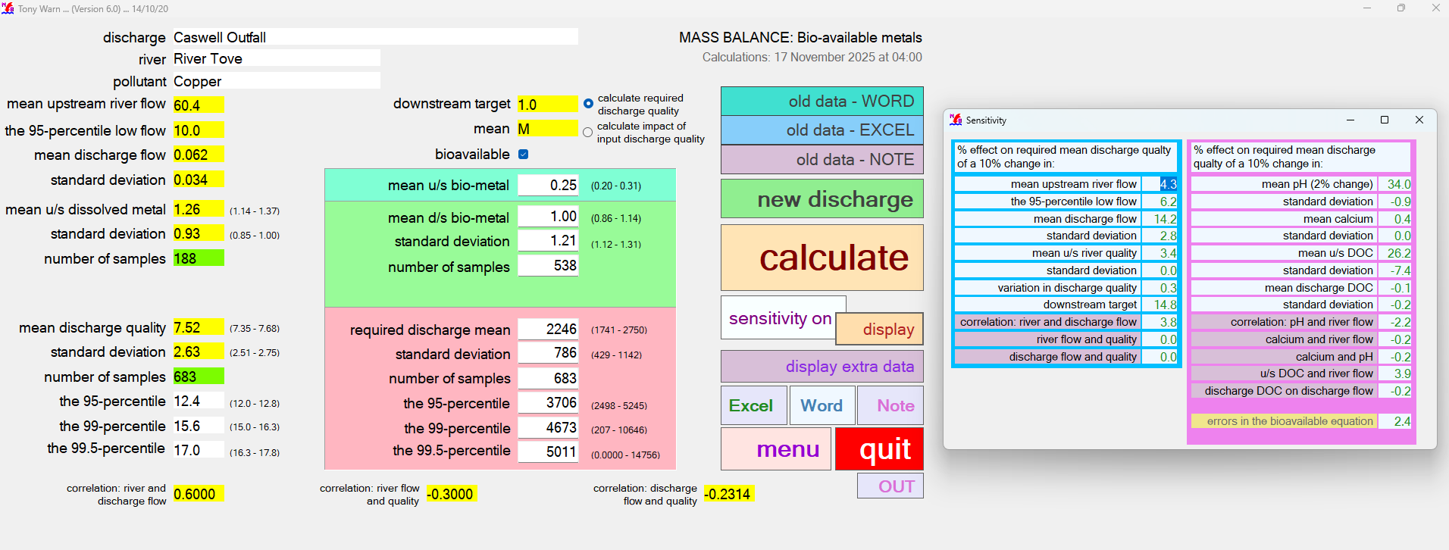
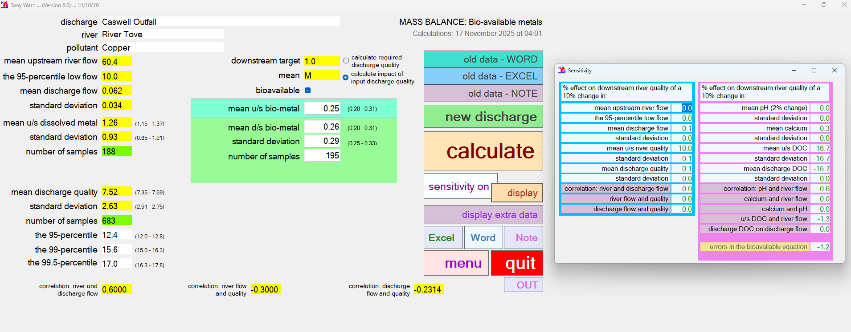

INPUT |  |  |  |  |  |  |  |  |  |  | INPUT

