Sheet1
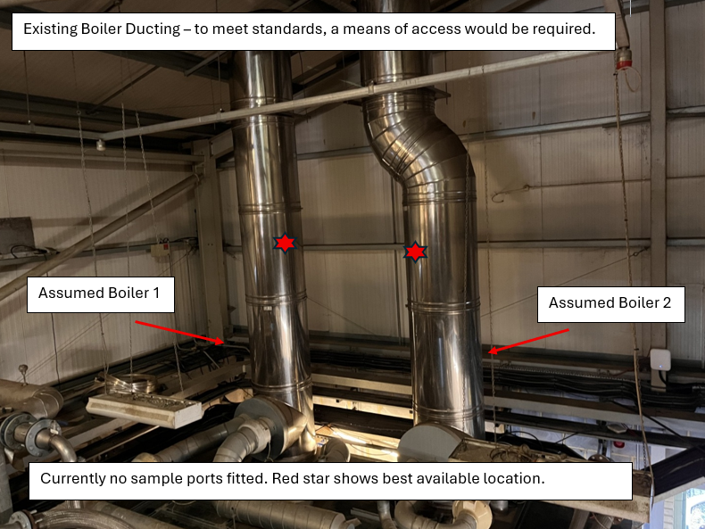
Application for an environmental permit. Application C3, Part 4b – Variation application

 |  | Emission Points
4b Point source emissions to air only |  | A1 | A2 | A3 | CHP Engine Commments
4b1 | Has the sampling location been designed to meet BS EN 15259 clause 6.2 and 6.3? | No | No | No | Sampling is conducted from the engine turbo ports, which is standard industry practice for the monitoring CHP emissions. Gases are deemed to be homogenous due to the mixing subjected by the turbo fan. Permit monitoring requirements only include the monitoring of gaseous compounds (reported as concentrations) and therefore the sample location is deemed as acceptable. The turbo port location is suitable for the measurement of the stack temperature and moisture content, used for correcting results to reference conditions. MID EN 15259 stipulates that an homogeneity assessment is not required due to the sampling plane area being less than 1m² (i.e. below 1.13m in diameter for circular ducts).
4b2 | Are the sample ports large enough for monitoring equipment and positioned in accordance with section 6 and appendix A of BS EN 15259? | Yes | Yes | Yes
4b3 | Is access adjacent to the ports large enough to provide sufficient working area, support and clearance for a sample team to work safely with their equipment throughout the duration of the test? | Yes | Yes | Yes
4b4 | Are the sample location(s) at least 5 HD from the stack exit? | Yes | Yes | Yes
4b5 | Are the sample location(s) at least 2 HD upstream from any bend or obstruction? | No | No | No
4b6 | Are the sample location(s) at least 5 HD downstream from any bend or obstruction? | No | No | No
4b7 | Does the sample plane have a constant cross sectional area? | No | No | No
4b8 | If horizontal, is the duct square or rectangular (unless it is less than or equal to 0.35 m in diameter) | Ducts ≤0.35m diameter.

New OCU's haven't been installed yet but stacks will allow sample points to be installed to the specifications below.

4b Point source emissions to air only |  | A5 (New WRH OCU) |  | A6 (New ST/Borger OCU) | Comments
4b1 | Has the sampling location been designed to meet BS EN 15259 clause 6.2 and 6.3? | Yes |  | Yes | Permit requires monitoring for Odour, Ammonia & Hydrogen Sulphide only. The equipment required for the monitoring is lightweight and battery operated and can be easily positioned and operated within the platform access.
4b2 | Are the sample ports large enough for monitoring equipment and positioned in accordance with section 6 and appendix A of BS EN 15259? | Yes |  | Yes
4b3 | Is access adjacent to the ports large enough to provide sufficient working area, support and clearance for a sample team to work safely with their equipment throughout the duration of the test? | Yes - Access provided using MEWP or Scaffold. |  | Yes - Access provided using MEWP or Scaffold.
4b4 | Are the sample location(s) at least 5 HD from the stack exit? | Yes |  | Yes
4b5 | Are the sample location(s) at least 2 HD upstream from any bend or obstruction? | Yes |  | Yes
4b6 | Are the sample location(s) at least 5 HD downstream from any bend or obstruction? | Yes |  | Yes
4b7 | Does the sample plane have a constant cross sectional area? | Yes |  | Yes
4b8 | If horizontal, is the duct square or rectangular (unless it is less than or equal to 0.35 m in diameter) | Vertical Duct |  | Vertical Duct

New boilers haven't been installed yet but existing stacks will allow sample points to be installed to the specifications below.

4b Point source emissions to air only |  | New Biogas Boiler 1 |  | New Biogas Boiler 2 | Boiler Comments
4b1 | Has the sampling location been designed to meet BS EN 15259 clause 6.2 and 6.3? | No |  | No | The sample location doesn't meet all the requirements of BS EN 15259 but is positioned as far as is practicble to meet the standard.
4b2 | Are the sample ports large enough for monitoring equipment and positioned in accordance with section 6 and appendix A of BS EN 15259? | No |  | No
4b3 | Is access adjacent to the ports large enough to provide sufficient working area, support and clearance for a sample team to work safely with their equipment throughout the duration of the test? | No |  | No
4b4 | Are the sample location(s) at least 5 HD from the stack exit? | Yes |  | Yes
4b5 | Are the sample location(s) at least 2 HD upstream from any bend or obstruction? | Yes |  | No
4b6 | Are the sample location(s) at least 5 HD downstream from any bend or obstruction? | No |  | No
4b7 | Does the sample plane have a constant cross sectional area? | Yes |  | Yes
4b8 | If horizontal, is the duct square or rectangular (unless it is less than or equal to 0.35 m in diameter) | Vertical Duct |  | Vertical Duct

