H1 back calculations
This spreadsheet applies the EA's H1 assessment formulae (taken from guidance at https://www.gov.uk/guidance/surface-water-pollution-risk-assessment-for-your-environmental-permit). It provides maximum Release Concentrations (discharge values) to pass each of the H1 tests, for the given EQS, Background Concentrations and flow rates.
 |  |  |  | Effluent flow rate (EFR): | 0.0034722 | m3/s |  | See Flows tab
 |  |  |  | River flow rate (RFR): | 1.5900000 | m3/s |  | See LowFlows tab
 |  |  |  | EFR as % of RFR: | 0.22% |  |  | If >10% then second part of Test 3 is applicable

 |  |  |  |  |  |  |  | Test 1 < 10% EQS | Test 2 PC < 4 % EQS |  | Test 3 (PEC_1 - BC) < 10% EQS |  | Test 3 (large EFR) | Test 4 PEC_1 < EQS | Test 5 (Total load < annual significant load)
Substance | Units | EQS for assessment | 10% of EQS | 4% of EQS | Average background concentration (BC) | Average release concentration (RC) | RC Post Sewage Reduction | Max RC value to pass Test 1 (10%EQS/Dilution factor) | PC | Max RC value to pass Test 2 (4%EQS/Dilution factor) | PEC | Max RC value to pass test PEC=PC+BC so this is PC<10% of EQS (10%EQS/Diltuion fator) | Max RC value to pass test PEC=PC+BC for EFR>10%RFR | Max RC value to pass test | Total annual loading (kg) | Annual significant load limit (kg)
Ammonia | mg/L | 21 | 2.1 | 0.84 | 0.001059 | 52 | 0.333 | 2.100 | 0.001 | 385.493 | 0.002 | 963.732 |  | 9636.834
Arsenic | μg/l | 25 | 2.5 | 1 | 1.001064 | 100 | 79.210 | 2.500 | 0.173 | 458.920 | 1.174 | 1147.300 |  | 11013.592
Benzene | μg/l | 8 | 0.8 | 0.32 | 0.097500 | 500 | 0.000 | 0.800 | 0.000 | 146.854 | 0.098 | 367.136 |  | 3626.615
Toluene | μg/l | 74 | 7.4 | 2.96 | 0.100000 | 500 | 0.000 | 7.400 | 0.000 | 1358.403 | 0.100 | 3396.008 |  | 33914.188
Ethylbenzene | μg/l | 10 | 1 | 0.4 | 0.100000 | 500 | 9.675 | 1.000 | 0.021 | 183.568 | 0.121 | 458.920 |  | 4543.308
Xylene | μg/l | 30 | 3 | 1.2 | 0.100000 | 500 | 0.000 | 3.000 | 0.000 | 550.704 | 0.100 | 1376.760 |  | 13721.708
Benzo(a)pyrene (marker for PAHs) | μg/l | 0.05 | 0.005 | 0.002 | 0.003688 | 0.68 | 0.680 | 0.00500 | 0.001 | 0.918 | 0.005 | 2.295 |  | 21.254 | 0.10690 | 5 | include BaP and naphthalene
Cadmium (Dissolved) | μg/l | 0.2 | 0.02 | 0.008 | 0.028055 | 2.85 | 2.257 | 0.020 | 0.005 | 3.671 | 0.033 | 9.178 |  | 78.909 | 0.24719 | 1
Chromium (VI) | μg/l | 0.6 | 0.06 | 0.024 | 0.076444 | 10 | 0.832 | 0.060 | 0.002 | 11.014 | 0.078 | 27.535 |  | 240.270
Copper (Dissolved) | μg/l | 5.1 | 0.51 | 0.204 | 3.806056 | 50 | 16.820 | 0.510 | 0.037 | 93.620 | 3.843 | 234.049 |  | 593.817
Cyanide | μg/l | 1 | 0.1 | 0.04 | 0.005000 | 20 | 2.048 | 0.100 | 0.004 | 18.357 | 0.009 | 45.892 |  | 456.625
Lead (Dissolved) | μg/l | 1.3 | 0.13 | 0.052 | 1.072493 | 50 | 22.445 | 0.130 | 0.049 | 23.864 | 1.121 | 59.660 |  | 104.408
Mercury | μg/l | 0.07 | 0.007 | 0.0028 | 0.010063 | 0.66 | 0.296 | 0.007 | 0.001 | 1.285 | 0.011 | 3.212 |  | 27.507 | 0.03244 | 5
Naphthalene | μg/l | 2 | 0.2 | 0.08 | 0.010000 | 37 | 0.296 | 0.200 | 0.001 | 36.714 | 0.011 | 91.784 |  | 913.251
Nickel (Dissolved) | μg/l | 8.6 | 0.86 | 0.344 | 3.086957 | 50 | 35.535 | 0.860 | 0.077 | 157.868 | 3.164 | 394.671 |  | 2530.046
Dichloromethane (chloroform proxy) | μg/l | 20 | 2 | 0.8 | 1.050000 | 200 | 200.000 | 2.000 | 0.436 | 367.136 | 1.486 | 917.840 |  | 8696.534
Trichloroethylene (TCE) | μg/l | 10 | 1 | 0.4 | 0.100000 | 200 | 8.340 | 1.000 | 0.018 | 183.568 | 0.118 | 458.920 |  | 4543.308
Zinc (Dissolved) | μg/l | 6.8 | 0.68 | 0.272 | 8.290986 | 100 | 100 | 0.680 | 0.218 | 124.826 | 8.509 | 312.066 |  | -684.243
PFOA | μg/l | 0.0044 | 0.00044 | 0.000176 | 0.001775 | 1 | 0.002 | 0.0004 | 0.000 | 0.081 | 0.002 | 0.202 |  | 1.205
PFOS | μg/l | 0.00013 | 0.000013 | 0.0000052 | 0.001167 | 1 | 0.002 | 0.0000 | 0.000 | 0.002 | 0.001 | 0.006 |  | -0.476
 |  | PNEC in yellow |  |  |  |  |  | Red highlights indicate failed tests

RIVER MEDWAY UPSTREAM ALLINGTON
https://environment.data.gov.uk/water-quality/sampling-point/SO-E0000362
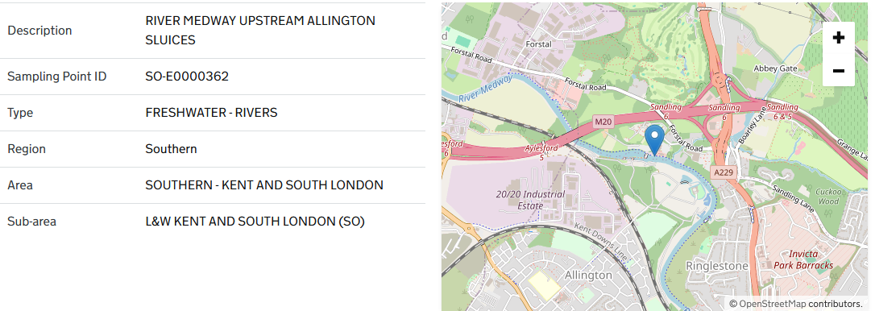

Average of result
Row Labels | 1,2-Dimethylbenzene :- {o-Xylene} | Ammonia un-ionised as N | Arsenic, Dissolved | Benzene | Benzo(a)Pyrene | Cadmium | Chromium Hexavalent, Dissolved :- {Cr VI} | Chromium, Dissolved | Copper | Cyanide : Free as CN | Cyanide as CN | Dichloromethane :- {Methylene Dichloride} | Ethylbenzene | Lead | Manganese, Dissolved | Mercury, Dissolved | Naphthalene | Nickel
2016-04 |  | 0.00066 | 1 |  |  |  |  | 0.5 |  |  |  |  |  |  | 63.8 | 0.01
2016-05 |  | 0.0007 | 1 |  |  | 0.0333 |  | 0.5 | 3.03 |  |  |  |  | 0.909 | 14 | 0.01
2016-06 |  | 0.0011 | 1 |  |  |  |  | 0.5 |  |  |  |  |  |  | 26.7 | 0.01
2016-07 |  | 0.00325 | 1 |  |  |  |  | 0.5 |  |  |  |  |  |  | 118 | 0.01
2016-08 |  | 0.00087 | 1 |  |  | 0.0178 |  | 0.5 | 3.63 |  |  |  |  | 0.69 | 46.8 | 0.01
2016-09 |  | 0.00086 | 1 |  |  |  |  | 0.5 |  |  |  |  |  |  | 35.2 | 0.01
2016-10 |  | 0.00063 | 1 |  |  |  |  | 0.5 |  |  |  |  |  |  | 20.8 | 0.01
2016-11 |  | 0.00138 | 1 |  |  | 0.0267 |  | 0.5 | 5.11 |  |  |  |  | 1.32 | 75.3 | 0.01
2016-12 |  | 0.0026 | 1 |  |  |  |  | 0.5 |  |  |  |  |  |  | 99.8 | 0.01
2017-01 |  | 0.00173 | 1 |  |  |  |  | 0.5 |  |  |  |  |  |  | 46.1 | 0.01
2017-02 |  | 0.00174 | 1 |  |  |  |  | 0.5 |  |  |  |  |  |  | 50.3 | 0.01
2017-03 |  | 0.00045 | 1 |  |  | 0.0375 |  | 0.5 | 5.93 |  |  |  |  | 2.2 | 57.2 | 0.01
2017-04 |  | 0.00071 | 1 |  |  |  |  | 0.5 |  |  |  |  |  |  | 17.8 | 0.01
2017-05 |  | 0.00149 | 1 |  |  |  |  | 0.5 |  |  |  |  |  |  | 10 | 0.01
2017-06 |  | 0.00112 | 1 |  |  | 0.0168 |  | 0.5 | 3.94 |  |  |  |  | 0.601 | 31 | 0.01
2017-07 |  | 0.00186 | 1 |  |  |  |  | 0.5 |  |  |  |  |  |  | 69.3 | 0.01
2017-08 |  | 0.00334 | 1 |  |  |  |  | 0.5 |  |  |  |  |  |  | 88 | 0.01
2017-09 |  | 0.00089 | 1 |  |  | 0.0162 |  | 0.5 | 3.43 |  |  |  |  | 0.326 | 44.2 | 0.01
2017-10 |  | 0.00147 | 1 |  |  |  |  | 0.5 |  |  |  |  |  |  | 35.2 | 0.01
2017-11 |  | 0.00098 | 1 |  |  |  |  | 0.5 |  |  |  |  |  |  | 45.5 | 0.01
2017-12 |  | 0.00087 | 1 |  |  | 0.018 |  | 0.5 | 3.03 |  |  |  |  | 0.339 | 39.8 | 0.01
2018-01 |  | 0.00223 | 1 |  |  | 0.0312 |  | 0.5 | 4.64 |  |  |  |  | 1.5 | 67.4
2018-02 |  | 0.00062 | 1 |  |  |  |  | 0.5 |  |  |  |  |  |  | 81.2 | 0.01
2018-03 |  | 0.00201 | 1 |  |  |  |  | 0.5 |  |  |  |  |  |  | 70.5 | 0.01
2018-04 |  | 0.00157 | 1 |  |  | 0.0491 |  | 0.5 | 5.11 |  |  |  |  | 1.96 | 62 | 0.01
2018-05 |  | 0.00093 | 1 |  |  |  |  | 0.5 |  |  |  |  |  |  | 10 | 0.01
2018-07 |  | 0.001585 | 1 |  |  | 0.019 |  | 0.5 | 3.75 |  |  |  |  | 0.595 | 13.75 | 0.01
2018-08 |  | 0.00099 | 1 |  |  |  |  | 0.5 |  |  |  |  |  |  | 87.8 | 0.01
2018-09 |  | 0.00339 | 1 |  |  |  |  | 0.5 |  |  |  |  |  |  | 50.7 | 0.01
2018-10 |  | 0.00117 | 1 |  |  | 0.0194 |  | 0.5 | 3.72 |  |  |  |  | 0.39 | 35.5 | 0.01
2018-11 |  | 0.00087 | 1 |  |  |  |  | 0.5 |  |  |  |  |  |  | 39.3 | 0.01
2018-12 |  | 0.00044 | 1 |  |  |  |  | 0.5 |  |  |  |  |  |  | 69.9 | 0.01
2019-01 |  | 0.00135 | 1 |  |  |  |  | 0.5 |  |  |  |  |  |  | 78.1 | 0.01
2019-02 |  | 0.00085 | 1 |  |  | 0.0248 |  | 0.5 | 3.32 |  |  |  |  | 0.747 | 72.3 | 0.01
2019-03 |  | 0.00153 | 1 |  |  |  |  | 0.5 |  |  |  |  |  |  | 82.1 | 0.01
2019-04 |  | 0.00012 | 1 |  |  | 0.0307 |  | 1.2 | 3.63 |  |  |  |  | 2.22 | 10 | 0.01
2019-05 |  | 0.00084 | 1 | 0.1 |  | 0.0472 |  | 0.5 | 4.46 |  |  | 3 |  | 1.07 | 10 | 0.01
2019-06 |  | 0.00357 | 1 | 0.1 | 0.00728 | 0.0302 |  | 0.5 | 4.4 |  |  | 3 |  | 1.09 | 58 | 0.01
2019-07 |  | 0.00045 | 1 |  |  | 0.019 |  | 0.5 | 4.6 |  |  |  |  | 0.7 | 105 | 0.01
2019-08 |  | 0.0012 | 1 | 0.1 | 0.0021 | 0.017 |  | 0.5 | 3.9 |  |  | 3 |  | 0.58 | 77 | 0.01
2019-09 |  | 0.00078 | 1 | 0.1 | 0.00098 | 0.016 | 0.05 | 0.5 | 3.5 |  | 0.005 | 3 |  | 0.57 | 69 | 0.01
2019-10 |  | 0.00118 | 1 | 0.1 | 0.0034 | 0.025 | 0.071 | 0.5 | 4 |  | 0.005 | 3 |  | 0.83 | 49 | 0.01
2019-11 |  | 0.00088 | 1 | 0.1 | 0.0039 | 0.036 |  | 0.5 | 5.2 |  |  | 3 |  | 1.7 | 59 | 0.01
2019-12 |  | 0.00125 | 1 | 0.1 | 0.0018 | 0.03 |  | 0.5 | 4 |  |  | 3 |  | 1.1 | 72 | 0.01
2020-01 |  | 0.00202 | 1 | 0 | 0.0097 | 0.046 | 0.045 | 0.5 | 3.6 |  | 0.005 | 0 |  | 1.3 | 86 | 0.01
2020-02 |  | 0.00103 | 1 | 0.1 | 0.0018 | 0.043 |  | 0.5 | 4.2 |  |  | 3 |  | 1.7 | 62 | 0.01
2020-03 |  | 0.00119 | 1 | 0.1 |  | 0.072 |  | 0.5 | 5.5 |  |  | 3 |  | 3.3 |  | 0.01
2021-04 |  | 0.00004 | 1 |  |  | 0.022 |  | 0.5 | 3 |  |  |  |  | 0.44 | 10 | 0.01
2021-05 |  | 0.00004 | 1 |  |  | 0.023 |  | 0.5 | 2.7 |  |  |  |  | 0.5 | 10 | 0.01
2021-06 |  | 0.00118 | 1 |  |  | 0.016 |  | 0.5 | 3.2 |  |  |  |  | 0.39 | 29 | 0.01
2021-07 |  | 0.00139 | 1 |  |  | 0.025 |  | 0.5 | 3.5 |  |  |  |  | 1 | 51 | 0.01
2021-08 |  | 0.00105 | 1.1 |  |  | 0.035 |  | 0.5 | 5.7 |  |  |  |  | 2.1 | 52 | 0.012
2021-09 |  | 0.00044 | 1 |  |  | 0.024 |  | 0.5 | 3.6 |  |  |  |  | 0.83 | 58 | 0.01
2021-10 |  | 0.00075 | 1 |  |  | 0.037 |  | 0.5 | 5.1 |  |  |  |  | 2.1 | 61 | 0.01
2021-11 |  | 0.00106 | 1 |  |  | 0.019 |  | 0.5 | 3 |  |  |  |  | 0.65 | 63 | 0.01
2021-12 |  | 0.00144 | 1 |  |  | 0.015 |  | 0.5 | 2.5 |  |  |  |  | 0.43 | 48 | 0.01
2022-01 |  | 0.0008 | 1 |  |  | 0.034 |  | 0.5 | 3.9 |  |  |  |  | 1.4 | 68 | 0.01
2022-02 |  | 0.0016 | 1 |  |  | 0.019 |  | 0.5 | 7.9 |  |  |  |  | 0.74 | 80 | 0.01
2022-03 |  | 0.00115 | 1 |  |  | 0.032 |  | 0.5 | 3.5 |  |  |  |  | 1.1 | 71 | 0.01
2022-04 |  | 0.00052 | 1 |  |  | 0.027 |  | 0.5 | 2.7 |  |  |  |  | 0.55 | 24 | 0.01
2022-05 |  | 0.00072 | 1 |  |  | 0.023 |  | 0.5 | 2.6 |  |  |  |  | 0.42 | 10 | 0.01
2022-06 |  | 0.00141
2022-07 |  | 0.0006
2022-08 |  | 0.00142
2022-09 |  | 0.00089
2022-10 |  | 0.00029
2022-11 |  | 0.00028
2022-12 |  | 0.00062
2023-02 |  | 0.00112
2023-03 |  | 0.00057 |  |  |  |  |  | 0.5 |  |  |  |  |  |  | 47 | 0.01
2023-05 | 0.1 | 0.00003 | 1 | 0.1 | 0.0007 | 0.017 |  | 0.5 | 2.7 |  |  | 0.5 | 0.1 | 0.66 | 30 | 0.01 | 0.01
2023-06 | 0.1 | 0.000665 | 1 | 0.1 | 0.0023 | 0.021 | 0.11 | 0.5 | 3.05 | 0.005 |  | 0.5 | 0.1 | 0.57 | 18 | 0.01 | 0.01
2023-07 | 0.1 | 0.00067 | 1 | 0.1 |  | 0.02 |  | 0.5 | 3.2 | 0.005 |  | 0.5 | 0.1 | 0.49 | 17 | 0.01 | 0.01
2023-08 | 0.1 | 0.00042 | 1 | 0.1 | 0.00038 | 0.023 |  | 0.5 | 3 |  |  | 0.5 | 0.1 | 0.57 | 10 | 0.01 | 0.01
2023-09 | 0.1 | 0.00099 | 1 | 0.1 | 0.0038 | 0.019 |  | 0.5 | 2.9 |  |  | 0.5 | 0.1 | 0.49 | 26 | 0.01
2023-10 | 0.1 | 0.00108 | 1 | 0.1 | 0.0017 | 0.017 | 0.088 | 0.5 | 2.9 | 0.005 |  | 0.5 | 0.1 | 0.33 | 35 | 0.01 | 0.01
2023-11 | 0.1 | 0.00032 | 1 |  | 0.0054 | 0.054 |  | 0.5 | 6.6 |  |  | 0.5 | 0.1 | 2.6 | 59 | 0.014
2023-12 | 0.1 | 0.00036 | 1 | 0.1 | 0.0021 | 0.034 |  | 0.5 | 4.8 |  |  | 0.5 | 0.1 | 1.5 | 37 | 0.01 | 0.01
2024-01 | 0.1 | 0.00111 | 1 | 0.1 | 0.0013 | 0.026 | 0.076 | 0.5 | 2.4 | 0.005 |  | 0.5 | 0.1 | 0.51 | 89 | 0.01
2024-02 | 0.1 | 0.00127 | 1 | 0.1 |  | 0.019 |  | 0.5 | 2.5 |  |  | 0.5 | 0.1 | 0.52 | 68 | 0.01 | 0.01 | 2.6
2024-03 | 0.1 | 0.00061 | 1 | 0.1 |  | 0.049 |  | 0.5 | 4.5 |  |  | 0.5 | 0.1 | 2.3 | 54 | 0.01 | 0.01 | 4.6
2024-04 | 0.1 |  | 1 | 0.1 | 0.0042 | 0.03 | 0.099 | 0.5 | 3 | 0.005 |  | 0.5 | 0.1 | 0.92 | 53 | 0.01 | 0.01 | 3.3
2024-05 | 0.1 |  |  | 0.1 |  | 0.03 |  | 0.5 | 3.4 |  |  | 0.5 | 0.1 | 0.95 | 32 | 0.01 |  | 3
2024-06 | 0.1 | 0.00057 | 1 | 0.1 |  | 0.019 |  | 0.5 | 3.1 |  |  | 0.5 | 0.1 | 0.49 | 29 | 0.01 |  | 2.3
2024-07 | 0.1 | 0.00124 | 1 | 0.1 | 0.0029 | 0.019 | 0.099 | 0.5 | 3 | 0.005 |  |  | 0.1 | 0.59 | 32 | 0.01 | 0.01 | 2.4
2024-08 | 0.1 | 0.00161 | 1 | 0.1 |  | 0.018 |  | 0.5 | 2.9 |  |  | 0.5 | 0.1 | 0.49 | 39 | 0.01 |  | 2.2
2024-09 | 0.1 | 0.00095 | 1 | 0.1 |  | 0.017 |  | 0.5 | 2.9 |  |  | 0.5 | 0.1 | 0.31 | 46 | 0.01 |  | 2.1
2024-10 | 0.1 | 0.00026 | 1 | 0.1 | 0.01 | 0.088 | 0.05 | 0.5 | 8.2 | 0.005 |  | 0.5 | 0.1 | 5.4 | 74 | 0.01 | 0.01 | 6.8
2024-11 | 0.1 | 0.00047 | 1 | 0.1 |  | 0.017 |  | 0.5 | 2.4 |  |  | 0.5 | 0.1 | 0.35 | 58 | 0.01 |  | 2.6
2024-12 | 0.1 | 0.00045 | 1 | 0.1 |  | 0.058 |  | 0.5 | 6.6 |  |  | 0.5 | 0.1 | 3.6 | 45 | 0.01 |  | 4.8
2025-01 | 0.1 | 0.00066 | 1 | 0.1 | 0.018 | 0.073 |  | 0.5 | 7 | 0.005 |  | 0.5 | 0.1 | 5.3 | 34 | 0.01 | 0.01 | 5.7
2025-02 | 0.1 | 0.00099 | 1 | 0.1 |  | 0.023 |  | 0.62 | 2.3 |  |  | 0.5 | 0.1 | 0.63 | 74 | 0.01 |  | 2.9
2025-03 | 0.1 | 0.0015 | 1 | 0.1 |  | 0.021 |  | 0.5 | 2.1 |  |  | 0.5 | 0.1 | 0.43 | 73 | 0.01 |  | 2.7
2025-04 |  |  | 1 |  | 0.00079 | 0.02 |  | 0.5 | 2.2 |  |  |  |  | 0.34 | 10 | 0.01 | 0.01 | 2.2
...

Flows
The medway is estuarine/tidal waters
https://environment.data.gov.uk/hydrology/explore |  |  | https://nrfa.ceh.ac.uk/data/search
Ea flow stations |  |  | UKCEH stations
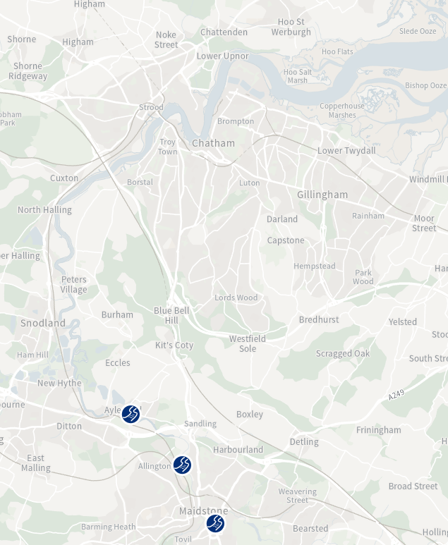
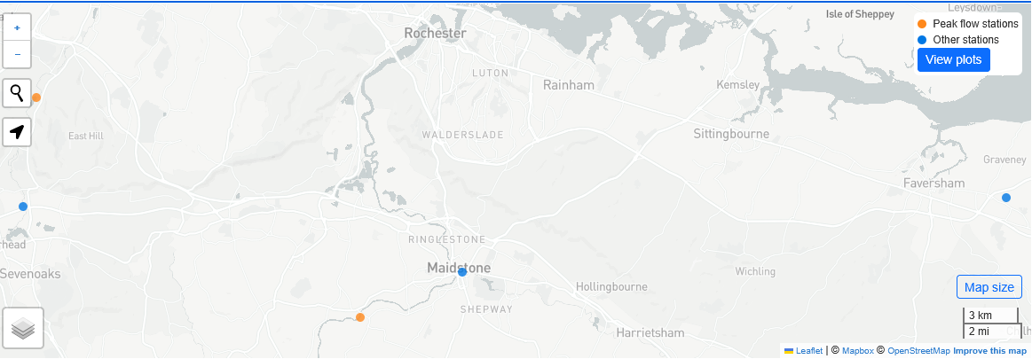

This isnt in the river

Site

This isnt in the river

 |  |  | Station | 40003 - Medway at Teston / East Farleigh

 |  |  | Period of record: |  | 1956 – 2024

 |  |  | Percent complete: |  | 99%

 |  |  | Base flow index: |  | 0.4

 |  |  | Mean flow: |  | 11.381 m3/s

 |  |  | 95% exceedance (Q95): |  | 1.59 | m3/s
https://environment.data.gov.uk/hydrology/station/732d7a5d-7c75-4326-a488-b8169eec53e9
 |  |  | 70% exceedance (Q70): |  | 2.92 m3/s

 |  |  | 50% exceedance (Q50): |  | 4.52 m3/s

 |  |  | 10% exceedance (Q10): |  | 26.7 m3/s

 |  |  | 5% exceedance (Q5): |  | 46.64 m3/s

 | 3. Maximum Quantity to be discharged in Any One Day
 | The maximum quantity of The Trade Effluent discharged at any period of twenty-four hours shall not exceed 300 m3.

EFFLUENT FLOW MAX | 300 | m3/d
/24 | 12.5
/60 | 0.20833333333
/60 | 0.0034722222222 | m3/s

Sampling Points
https://environment.data.gov.uk/water-quality
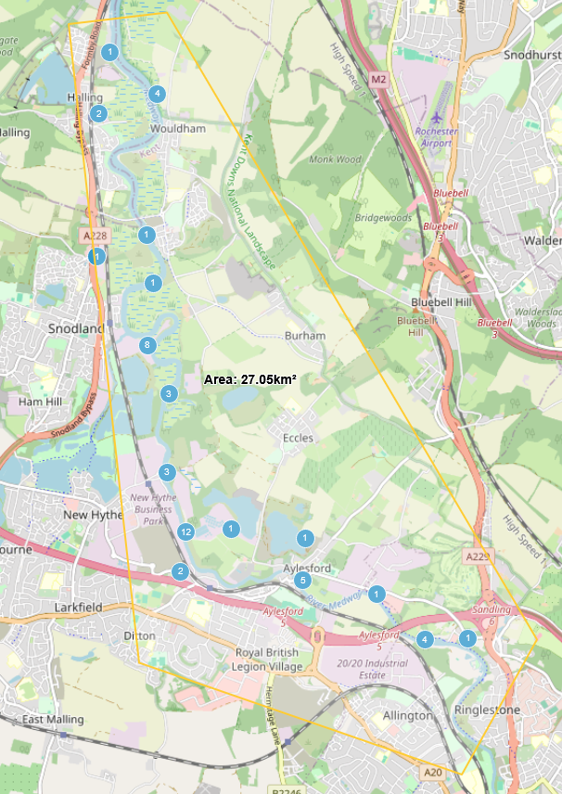
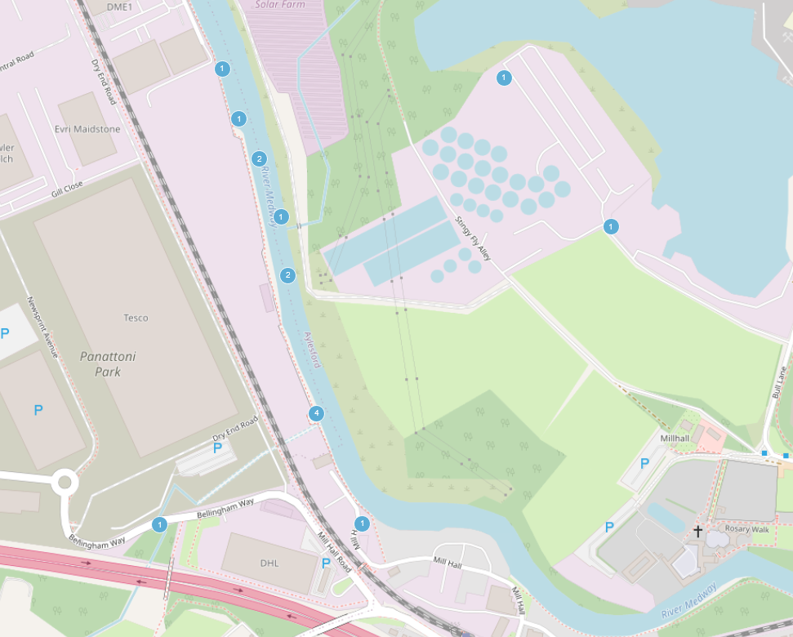
Aylesford WWTW
Site
Aylesford WWTW
Ditton WWTW discharge point

 | Most of these are empty-

DOWNSTREAM AYLESFORD NEWSPRINT,

DOWNSTREAM AYLESFORD NEWSPRINT,
https://environment.data.gov.uk/water-quality/sampling-point/SO-E0017465 |  |  |  |  |  |  |  |  | samplingPoint.longitude | samplingPoint.latitude
 |  |  |  |  |  |  |  |  | 0.4601 | 51.3096
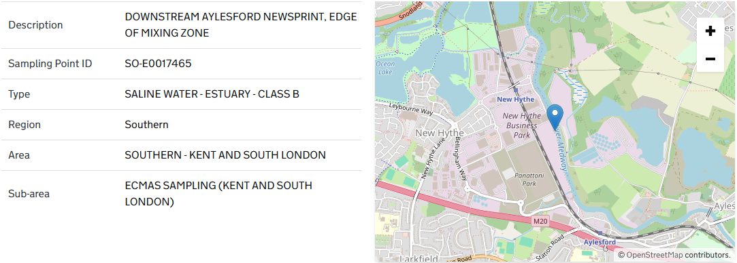

samplingPoint.samplingPointType |  |  | sampleMaterialType
SALINE WATER - ESTUARY - CLASS B |  |  | ESTUARINE WATER
Average of result | Column Labels
Row Labels | 4-Nonylphenol Branched | 4-tert-Octylphenol :- {p-tert-Octylphenol} | Cadmium, Dissolved | Carbon, Organic, Dissolved as C :- {DOC} | Chloroform :- {Trichloromethane} | Chromium Hexavalent, Dissolved :- {Cr VI} | Chromium, Dissolved | Copper, Dissolved | HCH : Total Isomers : LOD as 0 | HCH -alpha | HCH -beta | HCH -delta | HCH -epsilon | HCH -gamma :- {Lindane} | Mercury, Dissolved | NGR : Easting | NGR : Northing | Oxygen, Dissolved as O2 | Oxygen, Dissolved, % Saturation | Pentachlorophenol | Salinity : In Situ | Sample Depth below surface | Temperature of Water | Time of high tide | Time of sampling relative to previous high water | Tributyl Tin as Cation | Triclosan | Turbidity : In Situ | Water Depth | Zinc, Dissolved
2016-04 | #DIV/0! |  |  |  |  | #DIV/0! | #DIV/0! |  | 0.0157 | #DIV/0! | #DIV/0! | 0.0157 | #DIV/0! | #DIV/0! |  | 571574 | 159580 | 9.74 | 90.3 | #DIV/0! | 0.22 | 0.2 | 11.8 | 9.29 | 0.11 | #DIV/0! |  |  | 2.36
2016-05 | #DIV/0! |  |  |  |  |  |  |  | 0.0149 | #DIV/0! | #DIV/0! | 0.0149 | #DIV/0! | #DIV/0! |  | 571569 | 159602 | 17.4 | 164.3 | #DIV/0! | 0.42 | 0.2 | 12.6 | 11.59 | 0.04 |  |  |  | 3.16
2016-06 | #DIV/0! |  |  |  |  |  |  |  | 0.0077 | #DIV/0! | #DIV/0! | 0.0077 | #DIV/0! | #DIV/0! |  | 571575 | 159609 | 8.21 | 79.1 | #DIV/0! | 0.33 | 0.2 | 13.5 | 12.3 | 0.1 |  |  |  | 3.67
2016-07 | #DIV/0! |  |  |  |  | #DIV/0! | #DIV/0! |  | 0.0141 | #DIV/0! | #DIV/0! | 0.0141 | #DIV/0! | #DIV/0! |  | 571579 | 159596 | 7.96 | 86.5 | #DIV/0! | 0.37 | 0.2 | 19.2 | 11.23 | 0.15 | 0.0002 |  |  | 2.75
2016-08 | #DIV/0! |  |  |  |  |  |  |  | 0.0239 | #DIV/0! | #DIV/0! | 0.0201 | 0.00379 | #DIV/0! |  | 571574 | 159612 | 7.01 | 76.7 | #DIV/0! | 1.07 | 0.2 | 19.3 | 15.22 | 12.13 |  |  |  | 4.02
2016-09 | #DIV/0! |  |  |  |  |  |  |  | 0.0249 | #DIV/0! | #DIV/0! | 0.0215 | 0.00337 | #DIV/0! |  | 571571 | 159630 | 5.79 | 62.7 | #DIV/0! | 0.45 | 0.2 | 19 | 9.46 | 0.18 |  |  |  | 2.32
2016-10 | #DIV/0! |  |  |  |  | #DIV/0! | #DIV/0! |  | 0.0197 | #DIV/0! | #DIV/0! | 0.0197 | #DIV/0! | #DIV/0! |  | 571585 | 159575 | 7.61 | 72.5 | #DIV/0! | 1.03 | 0.2 | 12.8 | 12.25 | 0.16 | 0.00038 |  |  | 3.78
2016-11 | #DIV/0! |  |  |  |  |  |  |  | 0.01587 | #DIV/0! | #DIV/0! | 0.01417 | 0.00342 | #DIV/0! |  | 571567 | 159621 | 9.36 | 77.05 | #DIV/0! | 0.65 | 0.2 | 6.8 | 10.285 | 0.045 |  |  |  | 3.27
2017-01 | #DIV/0! |  |  |  |  | #DIV/0! | #DIV/0! |  | 0.0167 | #DIV/0! | #DIV/0! | 0.0167 | #DIV/0! | #DIV/0! |  | 571580 | 159592 | 10.5 | 84.4 | #DIV/0! | 0.57 | 0.2 | 6 | 9.43 | 0.15 |  |  |  | 3.67
2017-02 | #DIV/0! |  |  |  |  |  |  |  | 0.00588 | #DIV/0! | #DIV/0! | 0.00588 | #DIV/0! | #DIV/0! |  | 571561 | 159615 | 12.3 | 96.2 |  | 0.41 | 0.2 | 4.8 | 13.39 | 0.1 |  |  |  | 4.04
2017-03 | #DIV/0! |  | #DIV/0! |  | #DIV/0! | #DIV/0! | #DIV/0! |  | 0.00576 | #DIV/0! | #DIV/0! | 0.00576 | #DIV/0! | #DIV/0! | #DIV/0! | 571573.66667 | 159593.33333 | 9.8933333333 | 85.966666667 | #DIV/0! | 0.64333333333 | 0.2 | 8.9333333333 | 15.44 | 4.1466666667 | 0.00076 |  |  | 4.4833333333
2017-05 | #DIV/0! |  |  | 5.46 |  |  |  | 3.09 | 0.0185 | #DIV/0! | #DIV/0! | 0.0185 | #DIV/0! | #DIV/0! |  | 571573 | 159583 | 8.94 | 84.3 | #DIV/0! | 0.79 | 0.2 | 12.4 | 8.3 | 0.1 |  |  |  | 3.03
2017-06 | #DIV/0! |  |  |  |  |  |  |  | 0.0219 | #DIV/0! | #DIV/0! | 0.0219 | #DIV/0! | #DIV/0! |  | 571567 | 159606 | 8.03 | 83.5 | #DIV/0! | 0.39 | 0.2 | 17 | 13.04 | 0.16 |  |  |  | 3.62
2017-07 | 0.154 |  |  | 5.75 |  | #DIV/0! | #DIV/0! | 2.69 | #DIV/0! | #DIV/0! | #DIV/0! | #DIV/0! | #DIV/0! | #DIV/0! |  | 571581 | 159589 | 6.91 | 79.3 | #DIV/0! | 0.98 | 0.2 | 21.8 | 12.3 | 0.14 |  |  |  | 3.74
2017-08 | #DIV/0! |  |  |  |  |  |  |  | 0.0212 | #DIV/0! | #DIV/0! | 0.0178 | 0.00342 | #DIV/0! |  | 571564 | 159615 | 4.91 | 53.2 | #DIV/0! | 0.72 | 0.2 | 18.9 | 8.3 | 0.03 |  |  |  | 3.25
2017-09 | #DIV/0! |  |  | 5.42 |  |  |  | 3.71 | 0.0288 | #DIV/0! | #DIV/0! | 0.0247 | 0.00408 | #DIV/0! |  | 571574 | 159608 | 6.12 | 65.3 | #DIV/0! | 1.67 | 0.2 | 17.9 | 14.27 | 0.18 |  |  |  | 4.05
2017-10 | #DIV/0! |  |  |  |  | #DIV/0! | #DIV/0! |  | 0.0135 | #DIV/0! | #DIV/0! | 0.0135 | #DIV/0! | #DIV/0! |  | 571574 | 159611 | 6.95 | 70.2 | #DIV/0! | 4.36 | 0.2 | 14.6 | 13.56 | 0.18 |  |  |  | 4.7
2017-11 | #DIV/0! |  |  | 4.86 |  |  |  | 3.09 | 0.0215 | #DIV/0! | #DIV/0! | 0.0215 | #DIV/0! | #DIV/0! |  | 571583 | 159574 | 8.99 | 78.7 | #DIV/0! | 1.03 | 0.2 | 9.2 | 11.44 | 0.12 |  |  |  | 4.05
2017-12 | #DIV/0! |  |  |  |  |  |  |  | 0.0143 | #DIV/0! | #DIV/0! | 0.0143 | #DIV/0! | #DIV/0! |  | 571582 | 159591 | 10.5 | 88 | #DIV/0! | 3.73 | 0.2 | 6.7 | 15.02 | 12.21 |  |  |  | 5.02
2018-02 | #DIV/0! |  |  |  |  | #DIV/0! | #DIV/0! |  | 0.01195 | #DIV/0! | #DIV/0! | 0.01195 | #DIV/0! | #DIV/0! |  | 571570.33333 | 159608.33333 | 11.933333333 | 92.533333333 | #DIV/0! | 0.42333333333 | 0.2 | 4.5666666667 | 12.513333333 | 4.17 |  |  |  | 4.1
2018-04 | #DIV/0! |  |  |  |  | #DIV/0! | #DIV/0! |  | #DIV/0! | #DIV/0! | #DIV/0! | #DIV/0! | #DIV/0! | #DIV/0! |  | 571581 | 159584 | 11.1 | 95.2 | #DIV/0! | 0.17 | 0.2 | 8.6 | 17.18 | 11.23 |  |  | 106.2 | 4.3 | 3.36
2018-05 | #DIV/0! |  |  |  |  |  |  |  | #DIV/0! | #DIV/0! | #DIV/0! | #DIV/0! | #DIV/0! | #DIV/0! |  | 571576 | 159605 | 10.3 | 89.1 | #DIV/0! | 0.15 | 0.2 | 8.9 | 15.4 | 12.22 | #DIV/0! |  | 137 | 4.3 | 4.29
2018-06 | #DIV/0! |  |  |  |  |  |  |  | 0.0128 | #DIV/0! | #DIV/0! | 0.0128 | #DIV/0! | #DIV/0! |  | 571590 | 159577 | 13.5 | 149.2 | #DIV/0! | 1.69 | 0.2 | 19.7 | 17.28 | 0.18 |  |  | 41.1 | 4.7 | 3.12
2018-07 | #DIV/0! |  |  |  |  | #DIV/0! | #DIV/0! |  | 0.0207 | #DIV/0! | #DIV/0! | 0.0187 | 0.00395 | #DIV/0! |  | 571581.5 | 159576 | 5.855 | 67.75 | #DIV/0! | 0.985 | 0.2 | 22.1 | 12.31 | 0.04 | 0.00027 |  | 32.95 | 3.37 | 5.455
2018-09 | #DIV/0! |  |  |  |  |  |  |  | 0.0155 | #DIV/0! | #DIV/0! | 0.0155 | #DIV/0! | #DIV/0! |  | 571586 | 159570 | 5.9 | 62.3 | #DIV/0! | 0.71 | 0.2 | 17.7 | 9.06 | 0.08 | 0.00022 |  | 10 | 3.51 | 5.09
2018-10 | #DIV/0! |  |  |  |  | #DIV/0! | #DIV/0! |  | 0.0161 | #DIV/0! | #DIV/0! | 0.0161 | #DIV/0! | #DIV/0! |  | 571562 | 159605 | 7.11 | 69.8 | #DIV/0! | 1.28 | 0.2 | 14.1 | 7.27 | 0.09 |  |  | 10.9 | 2.99 | 6.17
2018-11 | #DIV/0! |  |  |  |  |  |  |  | 0.0175 | #DIV/0! | #DIV/0! | 0.0175 | #DIV/0! | #DIV/0! |  | 571573 | 159586 | 8.38 | 73.9 | #DIV/0! | 1.78 | 0.2 | 9.3 | 12.02 | 0 | 0.00045 |  | 24 | 3.42 | 6.77
2018-12 | #DIV/0! |  |  |  |  |  |  |  | 0.00578 | #DIV/0! | #DIV/0! | 0.00578 | #DIV/0! | #DIV/0! |  | 571573 | 159586 | 10.9 | 95.1 | #DIV/0! | 0.22 | 0.2 | 9.3 | 8.26 | 0.45 |  |  | 71.7 | 2.6 | 3.64
2019-01 | #DIV/0! |  |  |  |  | #DIV/0! | #DIV/0! |  | 0.0128 | #DIV/0! | #DIV/0! | 0.0128 | #DIV/0! | #DIV/0! |  | 571564 | 159583 | 10.6 | 87.7 | #DIV/0! | 0.96 | 0.2 | 6.9 | 14.53 | 0.02 | 0.00033 |  | 12.8 | 3.85 | 4.79
2019-02 | #DIV/0! |  |  |  |  |  |  |  | #DIV/0! | #DIV/0! | #DIV/0! | #DIV/0! | #DIV/0! | #DIV/0! |  | 159586 | 159586 | 12.5 | 97.8 | #DIV/0! | 0.23 | 0.2 | 4.8 | 14.02 | 12.08 |  |  | 83.5 | 2.89 | 4
2019-03 | 0.0792 |  |  |  |  |  |  |  | 0.0044 | #DIV/0! | #DIV/0! | 0.0044 | #DIV/0! | #DIV/0! |  | 571563 | 159588 | 10.1 | 86.8 | #DIV/0! | 0.22 | 0.2 | 8.5 | 13.27 | 12.23 |  |  | 90.3 | 2.99 | 4.2
2019-04 | #DIV/0! |  |  |  |  | #DIV/0! | #DIV/0! |  | 0.0163 | #DIV/0! | #DIV/0! | 0.0163 | #DIV/0! | #DIV/0! |  | 571562 | 159593 | 9.62 | 86.8 | #DIV/0! | 0.45 | 0.2 | 10.6 | 17.54 | 0.05 |  |  | 11.7 | 2.58 | 4.73
2019-05 | #DIV/0! |  |  |  |  |  |  |  | 0.0212 | #DIV/0! | #DIV/0! | 0.018 | 0.00321 | #DIV/0! |  | 571562 | 159589 | 11.9 | 113.4 | #DIV/0! | 1.13 | 0.2 | 12.7 | 15.06 | 0.14 | 0.0003 |  | 30.9 | 2.53 | 3.88
2019-06 | #DIV/0! |  |  |  |  |  |  |  | 0.0169 | #DIV/0! | #DIV/0! | 0.0137 | 0.00324 | #DIV/0! |  | 571556 | 159591 | 6.85 | 73.9 | #DIV/0! | 2.56 | 0.2 | 18.2 | 16.05 | 0.22 |  |  | 27.8 | 2.27 | 5.68
2019-07 | #DIV/0! |  |  |  |  | #DIV/0! | #DIV/0! |  | #DIV/0! | #DIV/0! |  |  |  | #DIV/0! |  | 571563 | 159586 | 17.7 | 206.3 | #DIV/0! | 2.54 | 0.2 | 22.2 | 16.09 | 0.07 |  |  | 37.4 | 2.56 | 3.4
2019-08 | 0.068 |  |  |  |  |  |  |  | 0.011 | #DIV/0! | #DIV/0! | 0.011 | #DIV/0! | #DIV/0! |  | 571565 | 159582 | 4.56 | 52.1 | #DIV/0! | 3.07 | 0.2 | 21 | 15.56 | 0.07 |  |  | 38.5 | 2.65 | 6
2019-09 | #DIV/0! |  |  |  |  |  |  |  | 0.012 |  | #DIV/0! | 0.012 | #DIV/0! | #DIV/0! |  | 571567 | 159579 | 5.05 | 56.2 | #DIV/0! | 6.07 | 0.2 | 18.8 | 16.59 | 0.04 | 0.00038 |  | 21.8 | 2.79 | 6.3
2019-10 | #DIV/0! |  |  |  |  | #DIV/0! | #DIV/0! |  | 0.0087 | #DIV/0! | #DIV/0! | 0.0087 | #DIV/0! | #DIV/0! |  | 571564 | 159585 | 6.21 | 63 | #DIV/0! | 1.7 | 0.2 | 15.5 | 16.35 | 0.05 |  |  | 209.6 | 3.06 | 4.9
2019-12 | #DIV/0! |  |  |  |  |  |  |  | #DIV/0! |  | #DIV/0! | #DIV/0! | #DIV/0! | #DIV/0! |  | 571563 | 159591 | 11.7 | 94.8 | #DIV/0! | 0.21 | 0.2 | 6.3 | 13 | 0.13 |  |  | 27.1 | 2.9 | 4.4
2020-01 | #DIV/0! |  |  |  |  | #DIV/0! | #DIV/0! |  | 0.012 | #DIV/0! | #DIV/0! | 0.012 | #DIV/0! | #DIV/0! |  | 571565 | 159585 |  |  | #DIV/0! | 0.24 | 0.2 | 7 | 9.47 | 0.08 | #DIV/0! |  | 12.7 | 6 | 4.2
2020-02 | #DIV/0! |  |  |  |  |  |  |  |  |  |  |  |  |  |  | 571567 | 159582 | 10.2 | 85.9 | #DIV/0! | 0.17 | 0.2 | 7.9 | 8.01 | 0.13 |  |  | 88.7 | 5.19 | 3
2020-03 |  |  |  |  |  |  |  |  |  |  |  |  |  |  |  | 571569 | 159623 | 10.9 | 88.5 | #DIV/0! | 0.1 | 0.2 | 6.4 | 9.43 | 0.19 |  |  | 380.2 | 3.68 | 3.4
2021-04 | #DIV/0! |  |  |  |  | #DIV/0! | #DIV/0! |  | 0.0035 | #DIV/0! | #DIV/0! | 0.0035 | #DIV/0! | #DIV/0! |  | 571565 | 159587 | 12.6 | 110.6 | #DIV/0! | 0.53 | 0.2 | 9.4 | 13.41 | 0.41 |  |  | 20.9 | 2.84
2021-05 | #DIV/0! |  |  |  |  |  |  |  | 0.013 | #DIV/0! | #DIV/0! | 0.013 | #DIV/0! | #DIV/0! |  | 571569 | 159587 | 10.4 | 95.4 | #DIV/0! | 0.43 | 0.2 | 11.2 | 8.38 | 11.52 |  |  | 57.7 | 3.69
2023-06 |  |  |  |  |  |  |  |  | 0.0089 | #DIV/0! | #DIV/0! | 0.0089 | #DIV/0! | #DIV/0! |  | 571550 | 159675 | 9.11 | 91.7 | #DIV/0! | 0.33 | 0.2 | 15.5 | 13.36 | 11.18 |  |  | 37.6 | 2.73
2023-07 |  |  |  |  |  |  |  |  | 0.0094 | #DIV/0! | #DIV/0! | 0.0094 | #DIV/0! | #DIV/0! |  | 571582 | 159584 | 5.34 | 57.8 | #DIV/0! | 0.54 | 0.2 | 18.9 | 11.5 | 0.02 |  |  | 36.8 | 2.56
2023-08 |  |  |  |  |  |  |  |  | 0.0089 | #DIV/0! | #DIV/0! | 0.0089 | #DIV/0! | #DIV/0! |  | 571572 | 159590 | 6.9 | 75.4 | #DIV/0! | 0.54 | 0.2 | 19.4 | 12.13 | 11.57 |  |  | 24.2 | 1.97
2023-09 |  |  |  |  |  |  |  |  | 0.0092 | #DIV/0! | #DIV/0! | 0.0092 | #DIV/0! | #DIV/0! |  | 571563 | 159591 |  |  | #DIV/0! |  | 0.2 |  | 17.45 | 0.11 |  |  |  | 3.08
2023-10 |  |  |  |  |  |  |  |  | 0.0078 | #DIV/0! | #DIV/0! | 0.0078 | #DIV/0! | #DIV/0! |  | 539497.5 | 158712.5 | 7.745 | 74.75 | #DIV/0! | 0.36 | 0.2 | 14.15 | 12.725 | 6.025 |  |  | 38.45 | 3.09
2023-12 |  |  |  |  |  |  |  |  | #DIV/0! | #DIV/0! | #DIV/0! | #DIV/0! | #DIV/0! | #DIV/0! |  | 571176 | 161551 | 10.9 | 87.5 |  | 0.18 | 0.2 | 6 | 7.58 | 12.17 |  |  | 49.4 | 2.2
2024-01 |  |  |  |  |  |  |  |  | 0.005 | #DIV/0! | #DIV/0! | 0.005 | #DIV/0! | #DIV/0! |  | 571564 | 159590 | 10.6 | 88.4 | #DIV/0! | 0.26 | 0.2 | 7.2 | 16.12 | 0.32 |  |  | 32 | 2.4
2024-02 | #DIV/0! |  |  |  |  |  |  |  | #DIV/0! | #DIV/0! | #DIV/0! | #DIV/0! | #DIV/0! | #DIV/0! |  | 571580 | 159602 | 10.6 | 90 | #DIV/0! | 0.19 | 0.2 | 8.3 | 15.58 | 12.23 |  |  | 56.2 | 4.7
2024-03 | #DIV/0! |  |  |  |  |  |  |  | 0.0031 |  | #DIV/0! | 0.0031 | #DIV/0! | #DIV/0! |  | 571573 | 159589 | 10.9 | 92.7 | #DIV/0! | 0.21 | 0.2 | 8.2 | 12.38 | 12.06 |  |  | 28.9 | 3.27
2024-04 | #DIV/0! |  |  |  |  |  |  |  | 0.0045 | #DIV/0! | #DIV/0! | 0.0045 | #DIV/0! | #DIV/0! |  | 571586 | 159613 | 9.3 | 85.1 | #DIV/0! | 0.24 | 0.2 | 11.26 | 8.04 | 12.22 |  |  | 17.5 | 3.01
2024-05 | #DIV/0! |  |  |  |  |  |  |  | 0.0033 | #DIV/0! | #DIV/0! | 0.0033 | #DIV/0! | #DIV/0! |  | 571562 | 159594 | 7.15 | 73.8 | #DIV/0! | 0.26 | 0.2 | 16.7 | 16.22 | 12.14 |  |  | 25.2 | 2.97
2024-06 | #DIV/0! |  |  |  |  |  |  |  | #DIV/0! | #DIV/0! | #DIV/0! | #DIV/0! | #DIV/0! | #DIV/0! |  | 571569 | 159590 | 6.92 | 70.4 | #DIV/0! | 0.31 | 0.2 | 16 | 9.21 | 11.47 |  |  | 18.5 | 3.52
2024-07 | 0.05 |  |  |  |  |  |  |  | 0.00725 | #DIV/0! | #DIV/0! | 0.00725 | #DIV/0! | #DIV/0! |  | 571570 | 159588 | 5.395 | 59.15 | #DIV/0! | 0.425 | 0.2 | 19.7 | 9.775 | 5.75 |  |  | 19.8 | 2.995
2024-09 | #DIV/0! |  |  |  |  |  |  |  | 0.0042 | #DIV/0! | #DIV/0! | 0.0042 | #DIV/0! | #DIV/0! |  | 571561 | 159598 | 6.21 | 62.4 | #DIV/0! | 0.27 | 0.2 | 15.4 | 7.25 | 12.3 |  |  | 16 | 2.69
2024-10 | #DIV/0! |  |  |  |  |  |  |  | 0.006 | #DIV/0! | #DIV/0! | 0.006 | #DIV/0! | #DIV/0! |  | 571568 | 159600 | 8.14 | 77.9 | #DIV/0! | 0.26 | 0.2 | 13.2 | 16.3 | 11.36 |  |  | 38.8 | 3.11
2024-11 | #DIV/0! |  |  |  |  |  |  |  | 0.0221 | #DIV/0! | #DIV/0! | 0.019 | 0.0031 | #DIV/0! |  | 571573 | 159587 | 8.71 | 77.9 | #DIV/0! | 0.55 | 0.2 | 10.2 | 11.2 | 0.17 |  |  | 15.9 | 3.56
2024-12 | #DIV/0! |  |  |  |  |  |  |  | 0.0017 | #DIV/0! | #DIV/0! | 0.0017 | #DIV/0! | #DIV/0! |  | 571569 | 159607 | 10.5 | 88.6 | #DIV/0! | 0.19 | 0.2 | 7.7 | 11.49 | 0.03 |  |  | 29.6 | 3.63
2025-01 | #DIV/0! |  |  |  |  |  |  |  | 0.003 | #DIV/0! | #DIV/0! | 0.003 | #DIV/0! | #DIV/0! |  | 571570 | 159602 | 12.4 | 92.7 | #DIV/0! | 0.2 | 0.2 | 3.2 | 11.41 | 12.16 |  |  | 35.8 | 3.03
2025-02 | #DIV/0! |  |  |  |  |  |  |  | #DIV/0! | #DIV/0! | #DIV/0! | #DIV/0! | #DIV/0! | #DIV/0! |  | 571559 | 159592 | 11.4 | 91.6 | #DIV/0! | 0.22 | 0.2 | 5.8 | 14.48 | 0.38 |  |  | 32.1 | 3.62
2025-03 | #DIV/0! |  |  |  |  |  |  |  | 0.0063 | #DIV/0! | #DIV/0! | 0.0063 | #DIV/0! | #DIV/0! |  | 571566 | 159588 | 10.5 | 88.5 | #DIV/0! | 0.26 | 0.2 | 7.9 | 8.48 | 0.09 |  |  | 10.6 | 4.01
2025-04 | #DIV/0! |  |  |  |  |  |  |  | 0.015 | #DIV/0! | #DIV/0! | 0.015 | #DIV/0! | #DIV/0! |  | 571561 | 159593 | 12.9 | 122.3 | #DIV/0! | 0.34 | 0.2 | 12.7 | 8.09 | 0.07 |  |  | 17.6 | 2.75
2025-05 | #DIV/0! |  |  |  |  |  |  |  | 0.012 | #DIV/0! | #DIV/0! | 0.012 | #DIV/0! | #DIV/0! |  | 571566 | 159606 | 8.21 | 82 | #DIV/0! | 0.44 | 0.2 | 15.1 | 7.57 | 12.43 |  |  | 33.1 | 2.2
2025-06 | 0.044 |  |  |  |  |  |  |  | 0.0087 | #DIV/0! | #DIV/0! | 0.0087 | #DIV/0! | #DIV/0! |  | 571561 | 159609 | 6.23 | 64.6 | #DIV/0! | 0.39 | 0.2 | 16.9 | 13.03 | 12.24 |  |  | 41.9 | 2.69
2025-07 | #DIV/0! |  |  |  |  |  |  |  | 0.0089 | #DIV/0! |  | 0.0089 | #DIV/0! | #DIV/0! |  | 571568 | 159602 | 4.23 | 49.5 | #DIV/0! | 1.06 | 0.2 | 22.8 | 14.41 | 12.13 |  |  | 29.6 | 4.6
2025-08 | #DIV/0! | 0.002 |  |  |  |  |  |  | 0.0078 | #DIV/0! | #DIV/0! | 0.0078 | #DIV/0! | #DIV/0! |  | 571559 | 159615 | 5.38 | 62.3 | #DIV/0! | 3.49 | 0.2 | 21.6 | 16.52 | 12.03 |  | #DIV/0! | 27.2 | 4
2025-09 | #DIV/0! |  |  |  |  |  |  |  | 0.0115 | #DIV/0! | #DIV/0! | 0.0115 | #DIV/0! | #DIV/0! |  | 571574.5 | 159591 | 7.345 | 74.1 | #DIV/0! | 0.665 | 0.2 | 15.5 | 12.66 | 5.825 |  |  | 20.05 | 3.3
2025-11 | #DIV/0! |  |  |  |  |  |  |  | 0.022 | #DIV/0! | #DIV/0! | 0.022 | #DIV/0! | #DIV/0! |  | 571567 | 159605 | 8.99 | 83.7 | #DIV/0! | 0.26 | 0.2 | 12 | 17.25 | 11.47 |  |  | 34.8 | 3.9
2025-12 | #DIV/0! |  |  |  |  |  |  |  | 0.0018 | #DIV/0! | #DIV/0! | 0.0018 | #DIV/0! | #DIV/0! |  | 571565 | 159597 | 10.6 | 88.2 | #DIV/0! | 0.19 | 0.2 | 7.3 | 12.51 | 11.51 |  |  | 50.1 | 4.4
(blank)
Grand Total | 0.07904 | 0.002 | #DIV/0! | 5.3725 | #DIV/0! | #DIV/0! | #DIV/0! | 3.145 | 0.012086470588 | #DIV/0! | #DIV/0! | 0.011621764706 | 0.0035088888889 | #DIV/0! | #DIV/0! | 565759.09756 | 159598.04878 | 9.010625 | 83.7175 | #DIV/0! | 0.81987654321 | 0.2 | 12.672345679 | 12.458658537 | 4.2948780488 | 0.00036555555556 | #DIV/0! | 45.716363636 | 3.4320731707 | 4.6383333333

Aylesford WWTW Discharge Point
https://environment.data.gov.uk/water-quality/sampling-point/SO-E0000331 |  |  |  |  |  | samplingPoint.longitude | samplingPoint.latitude
 |  |  |  |  |  | 0.4611 | 51.3074
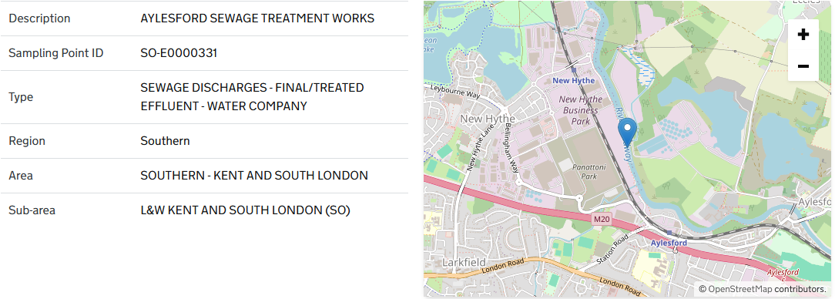

Sewage Discharge, final treated effluent

Average of result | Column Labels
Row Labels | BOD : 5 Day ATU | Chemical Oxygen Demand :- {COD} | Iron | Solids, Suspended at 105 C | Grand Total
2016-04 | 17.2 | 121 | 490 | 16.5 | 132.38
2016-05 | 15.34 | 95.4 | 450 | 20 | 84.390909091
2016-06 | 11.213333333 | 69.25 | 250 | 10 | 61.734285714
2016-07 | 10.78 | 73.1 | 580 | 18 | 110.93428571
2016-08 | 10.556666667 | 69.65 | 240 | 10 | 60.138571429
2016-09 | 7 | 59.2 | 210 | 9.25 | 54.258333333
2016-10 | 9.735 | 60.25 |  |  | 34.9925
2016-11 | 12.533333333 | 81.7 | 300 | 15 | 73.714285714
2016-12 | 14.1 | 62.9 | 380 | 20.3 | 98.28
2017-01 | 16.933333333 | 96.8 | 458 | 25 | 14301.377778
2017-02 | 14.966666667 | 83.9 | 449 | 31 | 98.957142857
2017-03 | 15.966666667 | 79.85 | 609 | 23 | 119.94285714
2017-04 | 14.266666667 | 83.65 | 423 | 11 | 92.014285714
2017-05 | 14.166666667 | 73.45 | 426 | 16 | 90.2
2017-06 | 13.233333333 | 72.7 | 362 | 12 | 79.871428571
2017-07 | 7.305 | 65.85 | 281 | 6 | 72.218333333
2017-08 | 11.225 | 69.4 | 321 | 16 | 65.0875
2017-09 | 9.7 | 63.1 | 240 | 18 | 59.042857143
2017-10 | 11.076666667 | 68.05 | 254 | 10 | 61.904285714
2017-11 | 10.25 | 82.75 | 335 | 17 | 78.321428571
2017-12 | 10.033333333 | 77.6 | 404 | 17 | 86.614285714
2018-01 | 12.966666667 | 74.5 | 479 | 23 | 14784.877778
2018-02 | 12.966666667 | 90.2 | 464 | 13 | 99.471428571
2018-03 | 15.366666667 | 89.8 | 501 | 23 | 107.1
2018-04 | 12.233333333 | 75.35 | 366 | 16 | 81.342857143
2018-05 | 12.693333333 | 78.25 | 353 | 17 | 80.654285714
2018-06 | 9.9766666667 | 62.2 | 237 | 9 | 57.19
2018-07 | 9.4866666667 | 67 | 245 | 6 | 59.065714286
2018-08 | 9.6866666667 | 72.1 | 207 | 7 | 55.322857143
2018-09 | 7.53 | 50.95 | 181 | 3 | 44.07
2018-10 | 15.2 | 81.4 | 264 | 11 | 69.057142857
2018-11 | 13.6 | 79.45 | 468 | 18 | 97.957142857
2018-12 | 14.433333333 | 84.95 | 470 | 21 | 100.6
2019-01 | 12.65 | 72.1 | 236 | 12 | 18959.914286
2019-02 | 11.68 | 72 | 290 | 9 | 62.413333333
2019-03 | 11.223333333 | 91.15 | 481 | 16 | 101.85285714
2019-04 | 13 | 93.7 | 454 | 20 | 100.05714286
2019-05 | 14.146666667 | 93.3 | 286 | 14 | 75.577142857
2019-06 | 19.1 | 102 | 318 | 27 | 86.614285714
2019-07 | 12.27 | 77.9 | 243 | 11 | 63.801428571
2019-08 | 9.2466666667 | 64.1 | 152 | 11 | 45.562857143
2019-09 | 10.47 | 65.15 | 276 | 15 | 64.672857143
2019-10 | 11.206666667 | 75.85 | 259 | 12 | 65.188571429
2019-11 | 12.5 | 43.7 | 510 | 20 | 93.557142857
2019-12 | 14.5 | 64.25 | 433 | 22 | 89.571428571
2020-01 | 14.266666667 | 75.4 | 424 | 24 | 15371.4
2020-02 | 10.6 | 62.2 | 498 | 28 | 97.457142857
2020-03 | 12.9 | 81.9 | 434 | 19 | 136.95
2020-04 | 8.6366666667 | 71.5 | 408 | 17 | 87.068333333
2020-05 | 10.45 | 76.4 | 292 | 16 | 70.307142857
2020-06 | 11.57 | 75.966666667 | 185 | 10 | 52.131111111
2020-07 | 9.6466666667 | 67.65 | 200 | 9 | 53.32
2020-08 | 16.775 | 85.466666667 | 210 | 13 | 60.722222222
2020-09 | 11.4 | 69.4 | 196 | 14 | 54.714285714
2020-10 | 14.056666667 | 88.2 | 227 | 14 | 65.652857143
2020-11 | 14.95 | 77.4 | 260 | 15 | 76.46
2020-12 | 13.25 | 72.566666667 | 274 | 25 | 63.3
2021-01 | 18.9 | 84.45 | 504 | 31 | 15894.288889
2021-02 | 18.066666667 | 95.1 | 443 | 36 | 103.34285714
2021-03 | 15.366666667 | 102.05 | 349 | 28 | 89.6
2021-04 | 12.233333333 | 79.15 | 1040 | 20 | 179.28571429
2021-05 | 13.166666667 | 85.5 | 443 | 23 | 96.642857143
2021-06 | 9.7533333333 | 59.75 | 459 | 13 | 88.68
2021-07 | 7.2133333333 | 56.7 | 400 | 11 | 78.005714286
2021-08 | 7.9233333333 | 55.25 | 184 | 6 | 46.324285714
2021-09 | 10.9 | 62.5 |  |  | 36.7
2021-10 | 11.845 | 64.4 | 492.5 | 19 | 114.87090909
2021-11 | 13.05 | 56.35 | 514 | 23 | 112.63333333
2021-12 | 10.695 | 56.45 | 348 | 22 | 65.71
2022-01 | 13.3 | 69.3 | 520 | 21 | 16151.277778
2022-02 | 12.533333333 | 63.65 | 536 | 22 | 103.27142857
2022-03 | 17.666666667 | 99.1 | 752 | 26 | 147.02857143
2022-04 | 16.633333333 | 77.8 | 821 | 31 | 151.07142857
2022-05 | 10.296666667 | 79.85 | 659 | 24 | 124.79857143
2022-06 | 8.5666666667 | 56.95 | 304 | 13 | 65.228571429
2022-07 | 6.1966666667 | 51.15 | 286 | 7 | 59.127142857
2022-08 | 5.12 | 46.65 | 270 | 11 | 64.09
2022-09 | 8.1525 | 47.45 | 244 | 12 | 47.93875
2022-10 | 7.6166666667 | 49.3 | 303 | 14 | 62.635714286
2022-11 | 8.99 | 56.25 | 223 | 13 | 53.638571429
2022-12 | 11.503333333 | 67.55 | 427 | 20 | 88.087142857
2023-01 | 13.1 | 67.4 | 406 | 21 | 14997.122222
2023-02 | 17.933333333 | 118.6 | 603 | 25 | 131.28571429
2023-03 | 15.05 | 94.1 | 570 | 29 | 144.64
2023-04 | 14.75 | 82.8 | 623 | 28 | 106.48888889
2023-05 | 12.866666667 | 69.7 | 707 | 19 | 129.14285714
2023-06 | 14.533333333 | 79.75 | 617 | 15 | 119.3
2023-07 | 9.5466666667 | 41.7 | 447 | 15 | 82.005714286
2023-08 | 10.483333333 | 59.05 | 457 | 16 | 88.935714286
2023-09 | 10.816666667 | 62.8 | 400 | 16 | 82.007142857
2023-10 | 9.0866666667 | 59.4 | 522 | 16 | 97.722857143
2023-11 | 12.416666667 | 54.95 | 472 | 27 | 92.307142857
2023-12 | 13.633333333 | 61.05 | 306 | 16 | 69.285714286
2024-01 | 14.766666667 | 67.45 | 758 | 31 | 14931.8
2024-02 | 16 | 75.25 | 873 | 33 | 157.78571429
2024-03 | 14.733333333 | 81.4 | 563 | 24 | 113.42857143
2024-04 | 19.933333333 | 85.45 | 831 | 43 | 157.81428571
2024-05 | 11.766666667 | 61.2 | 577 | 29 | 109.1
2024-06 | 12.37 | 74.75 | 349 | 12 | 78.23
2024-07 | 10.083333333 | 63.35 | 276 | 13 | 63.707142857
2024-08 | 13.443333333 | 66.35 | 263 | 13 | 64.147142857
2024-09 | 18.166666667 | 83.65 | 398 | 16 | 90.828571429
2024-10 | 23.2 | 115.5 | 684 | 28 | 144.65714286
2024-11 | 15.9 | 75.5 | 543 | 26 | 109.67142857
2024-12 | 11.056666667 | 59.5 | 519 | 30 | 100.16714286
2025-01 | 17.233333333 | 92.8 | 1090 | 34 | 14929.922222
2025-02 | 16.033333333 | 80.75 | 719 | 13 | 134.51428571
2025-03 | 17.366666667 | 99.9 | 682 | 23 | 136.7
2025-04 | 16.533333333 | 96.25 | 757 | 24 | 146.15714286
2025-05 | 15.9 | 95 | 1080 | 24 | 191.67142857
2025-06 | 10.435 | 67.7 | 409 | 12 | 101.914
2025-07 | 12.453333333 | 77.45 | 502 | 18 | 101.75142857
2025-08 | 9.2633333333 | 56.2 | 384 | 15 | 77.027142857
2025-09 | 7.2566666667 | 56.65 | 467 | 14 | 88.01
2025-10 | 13.1 | 66.566666667 | 912 | 27 | 132.34444444
2025-11 | 15.323333333 | 72.1 | 492 | 23 | 100.73857143
2025-12 | 15.333333333 | 84.1 | 1040 | 30 | 183.45714286
2026-01 |  |  |  |  | 67112
Grand Total | 12.666239316 | 73.983404255 | 442.43589744 | 18.404273504 | 1700.1633929

Ditton WWTW Discharge
https://environment.data.gov.uk/water-quality/sampling-point/SO-E0000332 |  |  |  |  | samplingPoint.longitude | samplingPoint.latitude
 |  |  |  |  | 0.462 | 51.3053
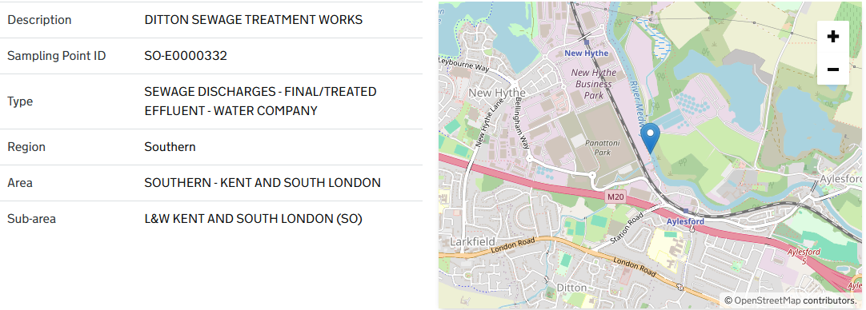

SEWAGE DISCHARGES - FINAL/TREATED EFFLUENT - WATER COMPANY

Average of result | Column Labels
Row Labels | BOD : 5 Day ATU | Chemical Oxygen Demand :- {COD} | Solids, Suspended at 105 C | Grand Total
2016-04 | 4.6933333333 | 42.05 | 8 | 17.696666667
2016-05 | 3.46 | 31.6 |  | 17.53
2016-06 | 2.76 | 22.1 |  | 12.43
2016-07 | 3.755 | 24 | 9 | 10.1275
2016-08 | 4.46 | 36.4 | #DIV/0! | 20.43
2016-09 | #DIV/0! | 21.2 | 3 | 12.1
2016-10 | 3.2 | 28.7 |  | 15.95
2016-11 | 4.79 | 32.5 | 8 | 12.52
2016-12 | 4.79 | 30.7 |  | 17.745
2017-01 | 6.91 | 41 |  | 23.955
2017-02 | 8.91 | 56 | 25 | 24.705
2017-03 | 2.84 | 28 |  | 15.42
2017-04 | 2.97 | 32.5 | 3 | 12.823333333
2017-05 | 6.17 | 32.8 |  | 19.485
2017-06 | 3.87 | 29.7 | 6 | 13.19
2017-07 | 8.42 | 35.2 |  | 21.81
2017-08 | 14.975 | 31.2 | 14 | 18.7875
2017-09 | 3.38 | 23.6 | 3 | 9.9933333333
2017-10 | 4.01 | 26.7 |  | 15.355
2017-11 | 2.53 | 29.2 |  | 15.865
2017-12 | 3.26 | 30.7 | 3 | 12.32
2018-01 | 11.2 | 47 |  | 29.1
2018-02 | 19.05 | 59.5 | 22 | 29.9
2018-03 | 4.69 | 44.9 |  | 24.795
2018-04 | 3 | 29 | 5 | 12.333333333
2018-05 | 8.95 | 42.8 |  | 25.875
2018-06 | #DIV/0! | 21.4 |  | 21.4
2018-07 | 2.6 | 22.2 | #DIV/0! | 12.4
2018-08 | 5.19 | 30.2 | #DIV/0! | 17.695
2018-09 | 2.58 | 18.3 |  | 10.44
2018-10 | 7.845 | 40.3 | 10 | 16.4975
2018-11 | 8.07 | 75.3 | 11 | 25.61
2018-12 | 3.55 | 32.4 |  | 17.975
2019-01 | 5.395 | 40.9 | 12 | 15.9225
2019-02 | 2.96 | 42.5 |  | 22.73
2019-03 | 5.55 | 38.9 | 34 | 21
2019-04 | 3.09 | 38.5 |  | 20.795
2019-05 | 2.675 | 25.7 | 10 | 10.2625
2019-06 | 4.06 | 31.9 |  | 17.98
2019-07 | 3.115 | 27.5 | 5 | 9.6825
2019-08 | 2.21 | 22.6 |  | 12.405
2019-09 | 11.805 | 25.7 | 16 | 16.3275
2019-10 | 6.06 | 41.2 |  | 23.63
2019-11 | 3.04 | 33.6 |  | 18.32
2019-12 | 8.03 | 44.3 | 19 | 19.84
2020-01 | 22.8 | 83.8 | 43 | 49.866666667
2020-02 | 7.42 | 57.6 |  | 32.51
2020-03 | 9.64 | 33.8 |  | 21.72
2020-04 | 6.885 | 41.5 | 19 | 18.5675
2020-05 | 8.53 | 42.5 |  | 25.515
2020-06 | 5.075 | 36.6 | 11 | 14.4375
2020-07 | 6.89 | 40.5 |  | 23.695
2020-08 | 3.71 | 30 | 7 | 11.105
2020-09 | 5.53 | 39.6 |  | 22.565
2020-10 | 5.48 | 49.9 | 8 | 17.215
2020-11 | 5.68 | 48.6 |  | 27.14
2020-12 | 5.115 | 51.1 | 15 | 19.0825
2021-01 | 7.17 | 61.7 | 23 | 30.623333333
2021-02 | 6.075 | 45.8 |  | 19.316666667
2021-03 | 4.755 | 42.3 | 4 | 13.9525
2021-04 | 3.59 | 39.9 |  | 21.745
2021-05 | 2.77 | 32.8 |  | 17.785
2021-06 | 3.11 | 23.2 | #DIV/0! | 13.155
2021-07 | 2.32 | 27.6 |  | 14.96
2021-08 | 2.46 | 24.3 | #DIV/0! | 9.74
2021-09 | 2.75 | 16.5 | 3 | 7.4166666667
2021-10 | 2.82 | 24.6 |  | 13.71
2021-11 | 19.6 | 40.1 | 12 | 23.9
2021-12 | 3.14 | 23.4 |  | 9.8933333333
2022-01 | 5.6 | 39.3 | 10 | 15.125
2022-02 | 3.31 | 27.9 |  | 15.605
2022-03 | 3.91 | 46.4 | 3 | 14.305
2022-04 | 2.97 | 32.3 |  | 17.635
2022-05 | 2.54 | 35.8 |  | 19.17
2022-06 | 3 | 26.5 | 2 | 10.5
2022-07 | 2.44 | 23 |  | 12.72
2022-08 | 2.22 | 34.2 | 8 | 14.806666667
2022-09 | 4.17 | 25.2 |  | 14.685
2022-10 | 2.93 | 30.9 | 6 | 10.69
2022-11 | 3.51 | 30.1 |  | 16.805
2022-12 | 5.24 | 33 | 8 | 12.87
2023-01 | 3.515 | 30.1 | 15 | 13.0325
2023-02 | 4.87 | 40 |  | 22.435
2023-03 | 2.55 | 30.4 | #DIV/0! | 11.833333333
2023-04 | 4.96 | 37.4 |  | 21.18
2023-05 | 3.375 | 24.2 | 3 | 8.4875
2023-06 | 2.51 | 23.2 |  | 12.855
2023-07 | 2.09 | 12.1 |  | 7.095
2023-08 | 2.48 | 22.8 | 5 | 8.19
2023-09 | 2.275 | 13.1 | 5 | 5.6625
2023-10 | #DIV/0! | 21.7 |  | 21.7
2023-11 | 3.305 | 34.9 | 2 | 10.8775
2023-12 | 1.92 | 29.1 |  | 15.51
2024-01 | 4.125 | 31.7 | 5 | 11.2375
2024-02 | 5.085 | 27.5 | 21 | 14.6675
2024-03 | 4.51 | 33.8 |  | 19.155
2024-04 | 3.19 | 23.9 |  | 13.545
2024-05 | 3.23 | 29.3 | 6 | 10.44
2024-06 | 2.545 | 23.2 | 3 | 7.8225
2024-07 | 1.96 | 17.3 |  | 9.63
2024-08 | 12.8 | 47.5 |  | 30.15
2024-09 | 7.695 | 27.1 | 13 | 13.8725
2024-10 | 3.06 | 30.9 |  | 16.98
2024-11 | 2.905 | 32.4 | 9 | 11.8025
2024-12 | 3.23 | 23.9 |  | 13.565
2025-01 | 4.38 | 35.2 | 12 | 13.99
2025-02 | 4.56 | 26 |  | 15.28
2025-03 | 3.77 | 35.6 |  | 19.685
2025-04 | 3.02 | 23.6 | 14 | 10.91
2025-05 | 4.28 | 24.4 |  | 14.34
2025-06 | 3.36 | 23.3 | 4 | 10.22
2025-07 | 3.04 | 29.9 |  | 16.47
2025-08 | 2.645 | 10.6 | 9 | 6.2225
2025-09 | #DIV/0! | 20.1 |  | 20.1
2025-10 | 18.1 | 57.3 | 15 | 27.125
2025-11 | 3.69 | 27.6 |  | 15.645
2025-12 | 6.86 | 45.3 | 6 | 16.255
Grand Total | 5.2387974684 | 33.501694915 | 10.471698113 | 16.218632219

WWTW
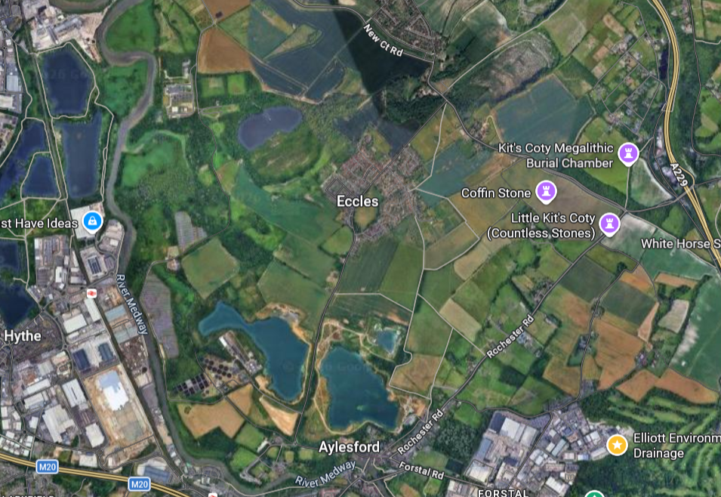

Assumed discharge to main WWTW (Aylesford WWTW)

Site

https://democracy.kent.gov.uk/mgConvert2PDF.aspx?ID=2381
Aylesford Wastewater Treatment Works (WWTW) dates back to the early 1900’s, predating
modern planning legislation and since this time has expanded incrementally over the years.
No planning permission therefore covers the overall operation of the site. An extension to
the WWTW was granted in 1971 and a replacement sludge press building was permitted in
1993. Permissions have been granted which allow industrial liquid waste to be treated at
the works.

The WWTW provide preliminary, primary and secondary treatment for Aylesford and the
wider Maidstone urban area, pumped to the site via the Allington Wastewater Pumping
Station. The works discharges the treated effluent into the tidal reaches of the River
Medway.

