Sheet1
Stage | Stormwater Containment
Outline | Capture of stormwater from land and stormwater drains within the site permitted area.
Governing Document | ASFD XXXX - Stormwater Capture & Influent Tank Farm

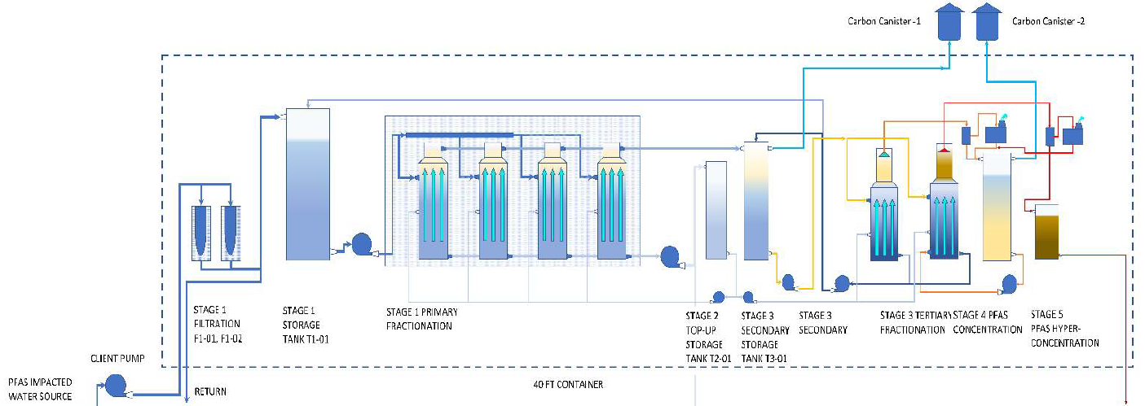

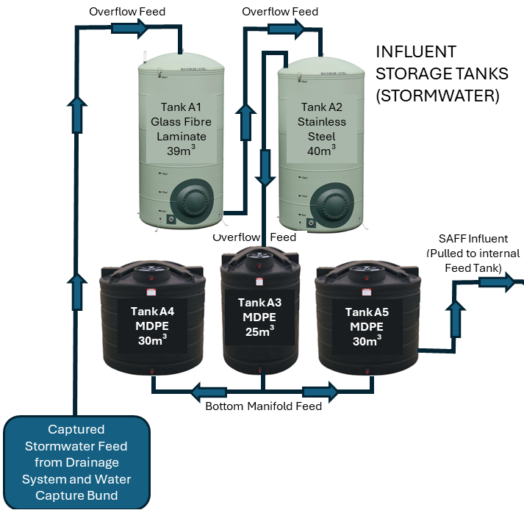

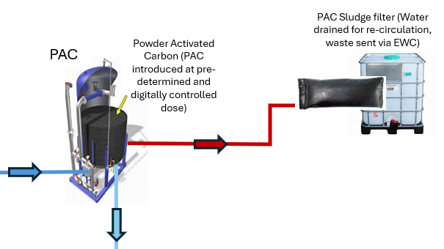

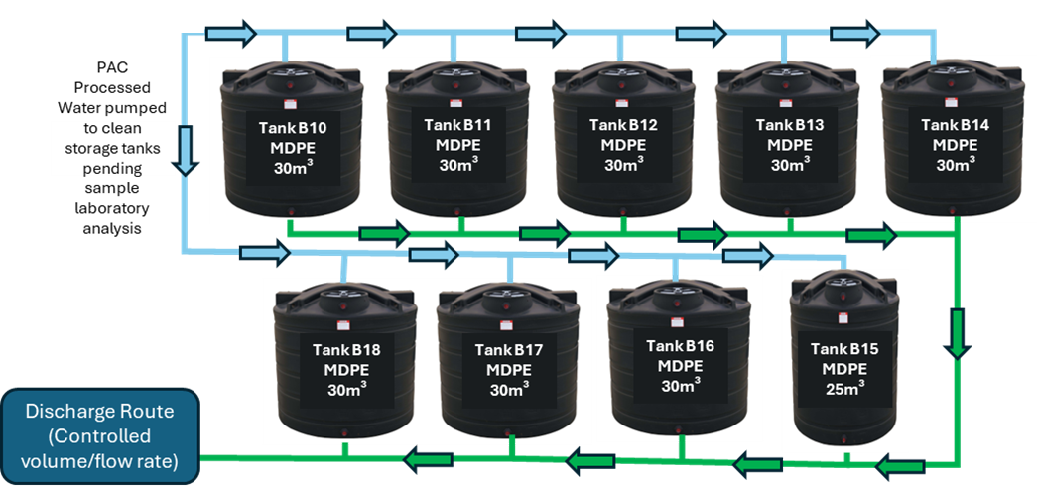

TREATED WATER TRANSFER

Sheet2
 | OUTLINE OF STORMWATER PFAS TREATMENT FACILITY MANAGEMENT SYSTEM

STORMWATER CAPTURE |  | TREATMENT STAGE 1 - SAFF |  | TREATMENT STAGE 2 - POLISHING |  | EFFLUENT TESTING, STORAGE AND DISCHARGE

Stage | Stormwater Capture & Containment | Stage | Surface Active Foam Fractionation PFAS Treatment | Stage | Stormwater Capture & Containment | Stage | Stormwater Capture & Containment
Outline | Capture of stormwater from land and stormwater drains within the site permitted area. | Outline | Processing of Captured Stormwater through the Surface Active Foam Fractionation PFAS water Treatment Plant | Outline | Capture of stormwater from land and stormwater drains within the site permitted area. | Outline | Capture of stormwater from land and stormwater drains within the site permitted area.
Governing Procedure | ASFD 9.495 - Stormwater Capture & Influent Tank Farm | Governing Procedure | ASFD 9.496 - Surface Active Foam Fractionation PFAS Treatment Plant, overview, management and control | Governing Procedure | ASFD 9.497 - Powder Activated Carbon PFAS Treatment Plant, overview, management and control | Governing Procedure | ASFD 9.495 - Stormwater Capture & Influent Tank Farm
Key Risks in RA | CIRIA C736 Bund Assessment | Key Risks in RA | Dosing pump failure | Key Risks in RA | Sludge Bag handling and disposal | Key Risks in RA | Control of release and rate of discharge.
 |  |  | Influent variation |  | PAC Waste line water management |  | CIRIA C736 Bund Assessment
 |  |  |  |  | Noise management of Air hammer |  | River monitoring in line with H1 assumptions for N95
Overarching System Control | Automated pumping systems supported by manual oversight & management | Overarching System Control | Integrated PLC Control Panel managing influent transfer, internal processing and effluent discharge. Interlocked to align with PAC and Tank Farm operating systems. | Overarching System Control | Integrated PLC Control Panel managing influent transfer, internal processing and effluent discharge. Interlocked to align with SAFF and Tank Farm operating systems. | Overarching System Control | Integrated PLC Control Panel managing Effluent transfer, storage and final discharge to W2. Interlocked to align with PAC & SAFF operating systems. Requires full validation of Sample processing and results to enable discharge.
Training |  | Training | SAFF PLC Operating System & Controls | Training | PAC PLC Operating System & Controls | Training | Tank Farm PLC Operating System & Controls
AFP 4.01 - Internal /External Training Process Flow |  | AFP 4.01 - Internal /External Training Process Flow |  | AFP 4.01 - Internal /External Training Process Flow |  | AFP 4.01 - Internal /External Training Process Flow

Inspections | Bunded areas | Inspections | PLC Temperature | Inspections | Bunded areas | Inspections | Bunded areas
AFP 9.01 Site Inspection & Monitoring Procedure | Tanks and pipework | AFP 9.01 Site Inspection & Monitoring Procedure | Dosing System | AFP 9.01 Site Inspection & Monitoring Procedure | Tanks and pipework | AFP 9.01 Site Inspection & Monitoring Procedure | Tanks and pipework
 | Pumps |  | Pumps and pipework |  | Pumps |  | Pumps
 |  |  | Internal bund |  |  |  | Valve actuators
 |  |  | Bag filters |  |  |  | Level gauges, float switches
Emergency Response | Spill response | Emergency Response | Spill response | Emergency Response | Spill response | Emergency Response | Spill response
AFP 12.02 Emergency Response Plan | Reporting Procedure | AFP 12.02 Emergency Response Plan | Reporting Procedure | AFP 12.02 Emergency Response Plan | Reporting Procedure | AFP 12.02 Emergency Response Plan | Reporting Procedure
 | Escalation procedure |  | Escalation procedure |  | Escalation procedure |  | Escalation procedure
Permits & Consents | Environmental Permit EPR/XP3832NV/V003 | Permits & Consents | Mobile Plant License & Monthly Plant Inspections under permit ref XXXXX Environmental Permit EPR/XP3832NV/V003 | Permits & Consents | Mobile Plant License & Monthly Plant Inspections under permit ref XXXXX Environmental Permit EPR/XP3832NV/V003 | Permits & Consents | Discharge Consent under Environmental Permit ref XXXX Environmental Permit EPR/XP3832NV/V003
Calibrations |  | Calibrations |  | Calibrations | Flow meter at discharge | Calibrations | Discharge Flow meter
AFP 10.01 - Top Level Calibration Process Flow |  | AFP 10.01 - Top Level Calibration Process Flow |  | AFP 10.01 - Top Level Calibration Process Flow | Polyclay weighing scale | AFP 10.01 - Top Level Calibration Process Flow
Maintenance requirements | Pumps & Controls | Maintenance requirements | Pumps & Controls | Maintenance requirements | Pumps & Controls | Maintenance requirements | Pumps & Controls
 |  |  | As per Section 3.3. EPOC O&M Manual - 'Maintenance Tasks Checklist' (Daily/Weekly/Monthly) |  | As per Cornlesen recommended Maintenance Schedule |  | Valves & Valve actuators

Automated Tasks | Tank Filling from Drainage System | Automated Tasks | T1 Storage Tank from Influent Tanks | Automated Tasks | Tank Filling from Holding Tank (SAFF) | Automated Tasks | Tank Filling & Discharge
 |  |  | SAFF processing cycle (Venturi cycle times and frequencies) |  | Polyclay dosing
Manual Tasks | Manual Fill from IBC to influent tanks | Manual Tasks | PFAS Hyper-Concentration extraction for disposal | Manual Tasks | PAC bag replacement | Manual Tasks | Process Sampling
RA29 SAFF Plant - General Operation | Manual transfer from Tanks A1 & A2 to A3/A4/A5 in periods of low rainfall | RA29 SAFF Plant - General Operation |  | RA29 SAFF Plant - General Operation | Geobag replacement | RA29 SAFF Plant - General Operation | Issuing Samples to Lab
 |  |  |  | AFP 13.01 - Waste Mangement Procedure | Geobag (Polyclay sludge) Disposal |  | Validating sample results & triggering discharge cycle
Physical constraints (Mechanical or process) |  | Physical constraints (Mechanical or process) | Processing time for each SAFF batch is 2hr 50 minutes, achieving a maximum of 49.8m³ over a 16 hour operating day (Monday to Friday) | Physical constraints (Mechanical or process) | System is restricted to only operate between 06:00 and 22:00 Monday to Friday | Physical constraints (Mechanical or process) | Discharge valve mechanically restricted to 2m³/hr

SURFACE ACTIVE FOAM FRACTIONATION
EFFLUENT STORAGE TANKS (PRE_DISCHARGE)

Sample taken

