Wind Rose
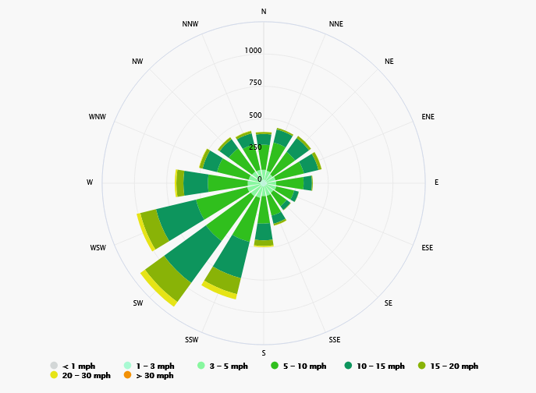

Source:
https://www.meteoblue.com/en/weather/historyclimate/climatemodelled/barking_united-kingdom_2656333

Receptors
 |  |  |  |  | Receptors within 1km (blue line represents 1km from site centre)

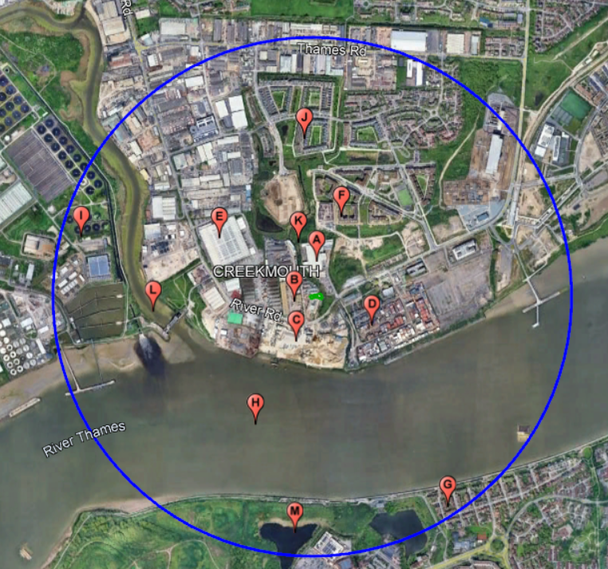
South Westerly Wind Direction
Receptor | Legend | Type | Sensitivity | Distance and Direction from Permitted site
Warehouse | A | Industry | Low | 70m North
Buzzard's Creek Industrial Estate | B | Industry | Low | 40m West
Aggregates | C | Industry | Low | 100m South West
Container Storage | D | Industry | Low | 120m South East
Warehouse | E | Industry | Low | 280m North West
Sackett Road | F | Residential | High | 285m North East
Greenhaven Drive | G | Residential | High | 880m South East
River Thames | H | Surface Water | Medium | 260m South
Sewage Treatment Works | I | Industry | Low | 700m West
Chilworth Place | J | Residential | High | 540m North
Buzzard's-mouth Creek and Thames View Ditch | K | Surface Water / LWS | Medium | <10m East
River Roding / River Thames and Tidal Tributaries | L | Surface Water / LWS | Medium | 525m West
Twin Tumps and Thamsmere | M | Surface Water / LWS | Medium | 845m South

There are no SSSI, SPAs, SACs or Ramsar Sites within 500m.

The Bedrock Geology comprises of the Thanet Formation-Sand. A Secondary A aquifer.
The superficial deposits are Alluvium-Clay, silt, sand and peat. Secondary A aquifer
No groundwater source protection zones .
Groundwater vulnerability is Medium - High

