Sheet1
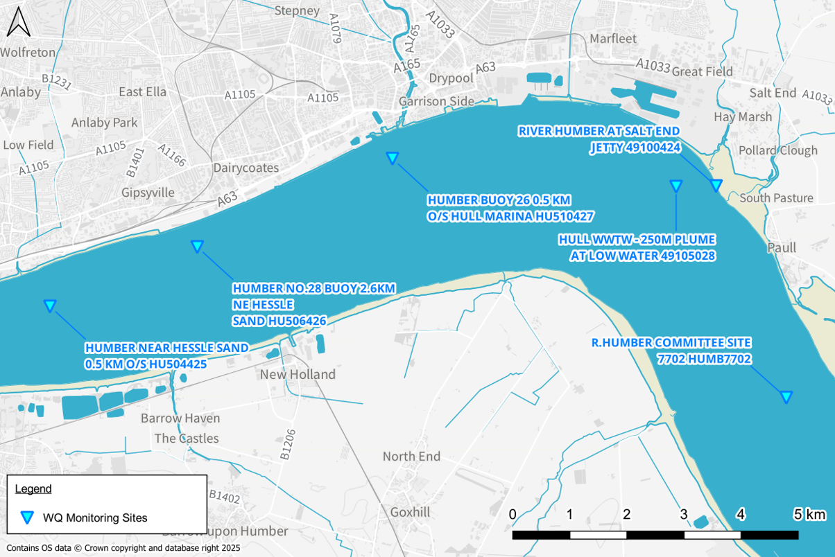
Comments for Saltend CoGeneration 07/11/25
Comment | Location | Text if appropriate | Comment | Arthian responses
1 | Intro pg 1, 1.1 | The power station’s existing permit allows discharge at ambient temperatures +8°C, up to 28°C. During the summer of 2022 the maximum permitted discharge was reached, which meant that the discharge had to be halted, increasing the risk of legionella pneumophila build up in the cooling towers. With the expectation that elevated summer temperatures are only going to become more commonplace, the power station wishes to apply for a revised permit to discharge with an increased maximum temperature threshold. | Reason for wanting to increase from 28 to 40 C, note previous discussions in 2023 suggested going to 32 C. See Comment 3. | The current limit of 28°C has previously resulted in operational constraints, including halting discharge during hot weather, which increases the risk of legionella in cooling towers. With rising summer temperatures, a higher threshold is necessary to maintain safe and reliable operations. Although our modelling demonstrates that discharging at 40°C would not cause adverse environmental impact, to avoid delays in the permitting process, we will revise our request to a maximum discharge temperature of 32°C. Ultimately the motive for increase in maximum temperatures is linked to rising inlet temperatures.
2 | 3.1.2 pg 5 | The six closest Environment Agency water quality monitoring sites to the Saltend power station discharge are detailed in Table 4 (three of these monitoring sites are located within the HUMBER MIDDLE WFD waterbody and three are located within the HUMBER LOWER WFD waterbody). It should be noted that these monitoring sites are all located within the Humber Estuary and not within the docks where the power station’s discharge location is immediately located (however the docks do form part of the HUMBER LOWER Water Body). | A map of these locations relative to the discharge would be useful if this can be added. | A map of the locations have been plotted, see enclosed.
3 | Table 5 pg 6 | Table 5: Summarised WFD cycle 2 and 3 water quality data from the six Environment Agency monitoring sites closest to Saltend power station. | The 98% ile presented for Temperature is 18.4 C, previous advice given on 19/05/2023 suggested a 99% ile limit be used, would this not be sufficient rather than a jump from 28 C to 40 C? Text from the EA response when 32 C was requested "An alternative to a flat increase in the absolute discharge temperature could be the application of a 99 percentile limit. This could help the applicant with operation during short periods of warm weather and permit a limited number of exceedances throughout the year." | A 99th percentile approach based on the current 28°C limit would allow only ~3.65 days of exceedance per year, which is insufficient for sustained high-temperature periods. A fixed 32°C limit offers a more practical solution for maintaining compliance and operational safety.
4 | 3.2 pg 7 | APEM undertook a single water quality survey campaign of in-situ parameters from within the dock (November 2023). The locations of the six sample sites are shown on Figure 3. Profile graphs of water depth versus different water quality in-situ parameters (water temperature, salinity, pH and dissolved oxygen (% saturation and mg/l concentration)) are shown in Figure 4 to Figure 8. | Is this data available? How many days of sampling were undertaken in November 2023? Note sampling was undertaken in Winter within the dock, is there any sampling for summer values when temperatures are likely to be higher within the dock? | Sampling was undertaken on one day in November 2023. Arrangment of sampling permission, access and logistics was a very protracted process taking many months. In any event, modelling scenarios have been stress tested to extreme scenarios demonstrating that the dock is not very sensitive to changes in the discharge temperature.
5 | 3.2 pg 8 | The in-situ data taken together confirms that the King George’s Dock is well mixed, both vertically and horizontally. There may be a greater potential for vertical stratification during peak summer months (not sampled) however this is deemed relatively unlikely given the mixing that will be afforded by regular locking, ship movements and relatively large wind fetch length. | So no summer data when temperatures are likely to be warmer? Can the applicant give an indication how regular the docks are in continuity with the Humber? Thinking in terms of interaction with the wider TraC waterbody and potential build ups within the dock. | Monitoring, once access was secured, was undertaken in October. Operational data on lock-gate opening times at King George Dock were requested from the port operators, but none were available. Because gate operation influences local circulation, a representative opening schedule was introduced to reflect typical vessel-driven activity. In the absence of formal records, a synthetic regime was created by applying a 15-minute opening at randomly selected times within two-hour intervals between 05:00 and 19:00 each day. This provides a reasonable approximation of normal daytime, intermittent operation without relying on undocumented timings. The intention is not to reproduce exact gate behaviour but to ensure that the model captures realistic episodic exchanges between the dock and the Humber Estuary. This allows the thermal and hydrodynamic effects of such events to be represented for assessment purposes. Within the model, lock gates were implemented as nodestring boundaries with water levels raised and lowered during opening periods. TUFLOW FV does not currently support explicit gate mechanics within 3D domains, so this approach reproduces the hydraulic effect of gate operation rather than its physical mechanics. This limitation does not affect the suitability of the model for assessing the influence of gate-driven exchanges.
6 | 4 pg 11 | Modelled annual 98th percentile absolute temperatures (at surface and bed) provided by Mabbett are presented as visual plots within Figure 9 to Figure 12 for both a current max temperature scenario (28°C) and the maximum proposed temperature scenario (40°C). Modelled annual 98th percentile temperature rise (at surface and bed) relative to no discharge (i.e. change from an absolute baseline) are presented within Figure 13 to Figure 16. | Fine, but could information be provided about what Mabbett did? what modelling software was utilised? what assumptions went into the modelling? For instance what wind speed was used? What bed friction was utilised? What calibration and validation was used for the model? How does the model relate to Summer temperatures if Winter data was collected? Does modelling assume lock gates are open? We need more information on the way the modelling was conducted to assess the outputs provided. | The modelling has been undertaken using the assumptions, parameters and methodology set out in the Hydraulic Modelling Note (Ref. 313047-REP-001). Wind forcing was not included as the assessment focuses on relative thermal change and wind-driven mixing would act only to enhance dispersion, making its omission precautionary. All other relevant hydrodynamic and heat-exchange processes were represented in full. As demonstrated by the model outputs, including the 98th percentile absolute and uplift plots, the discharge produces no significant change in temperatures throughout the model domain, even under the upper-bound 40°C discharge scenario. The conclusion that the discharge has no material thermal effect is therefore robust. Please see enclosed Hydraulic Modelling Note for more information on the model construction, assumptions and lock gates.
7 | 4 pg 16 | As demonstrated in Figure 9 to Figure 16, the modelled dispersion of temperature is rapid across both the dock bed and surface, as evidenced by the rapid decrease in temperature with distance from the outfall. At the maximum temperature scenario (40°C), the maximum temperature uplift observed within the docks at any location (relative to an absolute baseline of no discharge) is +1°C, (Figure 15 and Figure 16) with a maximum absolute temperature of 21.1°C (Figure 11 and Figure 12). The elevated temperature plume is restricted only to the dock area, with temperatures across both the bed and surface reducing to broadly ambient / background levels upon reaching the estuary. Under the maximum temperature scenario (40°C), there is only a negligible temperature uplift of 0.2°C observed within the estuary itself (Figure 15 and Figure 16) with a maximum absolute temperature of 19.1°C (Figure 11 and Figure 12). | Is this the baseline winter temperatures? Would expect greater variations seasonally? Main query is how the plume would look in summer temperatures when presumably the receiving waters are warmer and the intake water is also warmer? | The model has been tested for a variety of scenarios all of which show no to negligable impact on the estuary. Scenarios modelled at higher temperatures show the same.
8 | 5.1 pg 16 |  | Think this is fine based on the modelling outputs, have more queries about how the modelling was done rather than how the outputs have been interpreted v the guidance. | -
9 | 6.1.5 pg 24 |  | Would it be possible to have the data used to derive figure 19 in tabular format, i.e. temperature, salinity and DO output from the equations/look up tables used/referenced. | DO data used in Figure 19 are enclosed as "DO data export".

