2.Ammonia Calculations
1.Input Values used in Calculations

 |  | Stream A + B conditions (Cavern dewatering + demin plant discharge) | Steam B conditions (Demin plant effluent) | Sea water conditions at Aldbrough
 | Temperature (oC) | 26 | 10 | 15.9
 | Average pH | 7.27 | 7.6 | 8.1
 | Average salinity (ppt) | 111 | 5.4 | 34.25
 | Ammonium, ug/l | 1353.90 | 3510.00
 | Calculations in Section 3 below have been performed for the un-ionised ammonia concentration in the fresh water as it is discharged and also considering the discharge into the sea water.

2. Methodology
 | The equation provide by Florida Dept has been used to calculate un-ionised ammonia concentrations (see screenshot below of methodology)
 | Available online at: | https://floridadep.gov/sites/default/files/5-Unionized-Ammonia-SOP_1.pdf

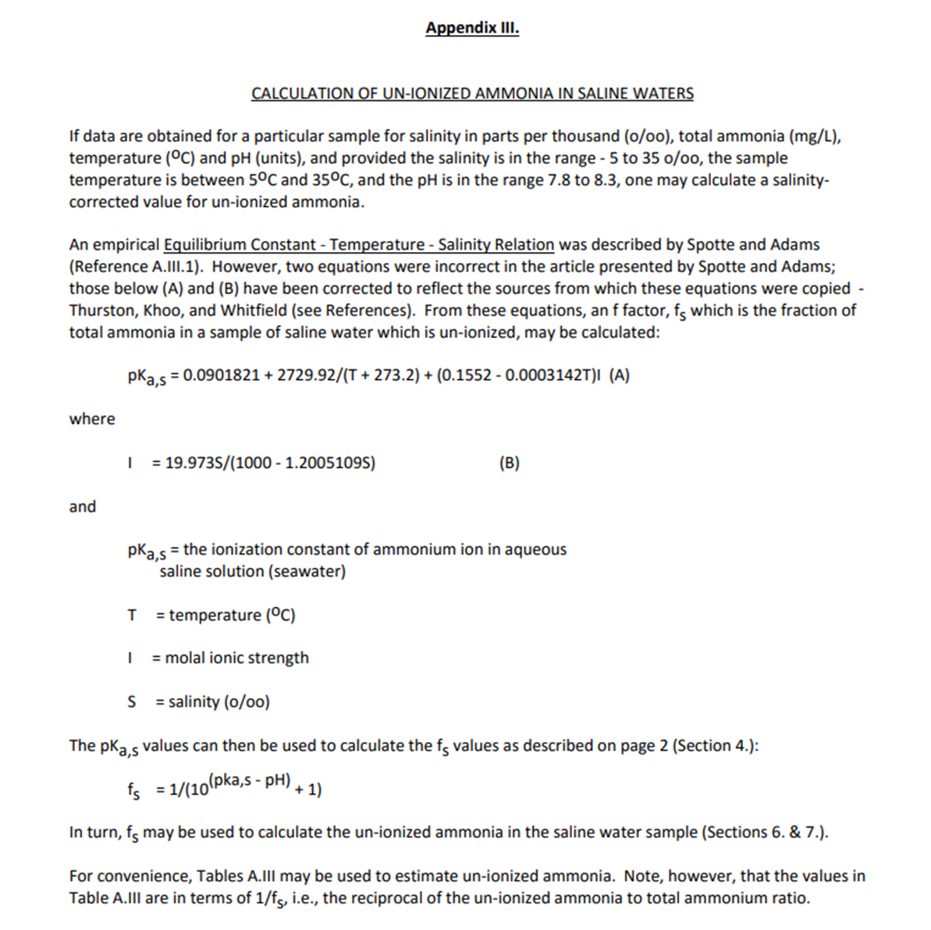

3. Results

 | FLORIDA DEPARTMENT OF ENVIRONMENTAL PROTECTION CHEMISTRY LABORATORY METHODS MANUAL, TALLAHASSEE CALCULATION OF UN-IONIZED AMMONIA IN FRESH WATER STORET Parameter Code 006

 |  |  |  | Stream A + B conditions (Cavern dewatering + demin plant discharge) | At point of discharge | Steam B conditions (Demin plant effluent) | At point of discharge
 |  | Temperature, T | oC | 26 | 15.9 | 10 | 15.9
 |  | Salinity, S | ppt | 111 | 34.25 | 5.4 | 34.25
 |  | pH | - | 7.2666666667 | 8.1 | 7.6 | 8.1
 |  | Molal ionic strength, I |  | 2.558 | 0.713 | 0.109 | 0.713
 |  | Ionisation constant , pKa,s |  | 9.592 | 9.642 | 9.748 | 9.642
 |  | Fraction of ammonia which is unionised, fs = | - | 0.00471 | 0.02792 | 0.00706 | 0.02792
 |  | Ammonium conc | ug/l | 1353.90 | 1353.90 | 3510.00 | 3510.00
 |  | Unionised Ammonia conc | ug/l | 6.4 | 37.80 | 24.8 | 98.00

 |  | Max ammonium conc | ug/l | 1458.05 | 1458.05 | 3780.00 | 3780.00
 |  | Max ammonia conc | ug/l | 6.86 | 40.71 | 26.70 | 105.54

