Dave Copy
BAT No. | Topic | Brief Description | BAT | Operating to BAT? | BAT - AEL Derogation Required? | Operator Comments | BAT Page | BAT Text
17 | Chemicals | Reduce/prevent emissions to water of poorly biodegradable substances | Use of a variety of techniques provided | NO | NO | The jet dyeing system utilised on site consumes less water than alternative dyeing processes, utilising less water at a high pressure to force material around the machine at a fast-pace, and utilising the high pressure generated through an injection of dye liquor to carry out the dyeing process. This technique therefore utilises fewer quantities of water and dying liquor, reducing overall emissions to water from site activities. Techniques in BREF document to be assessed for compliance by Natalie/Dave. Silver Chloride Synthetic fibres Oils Chlorine & inorganic salts No mothproofing No a's, no c's, DD checks b's | Page 825 | 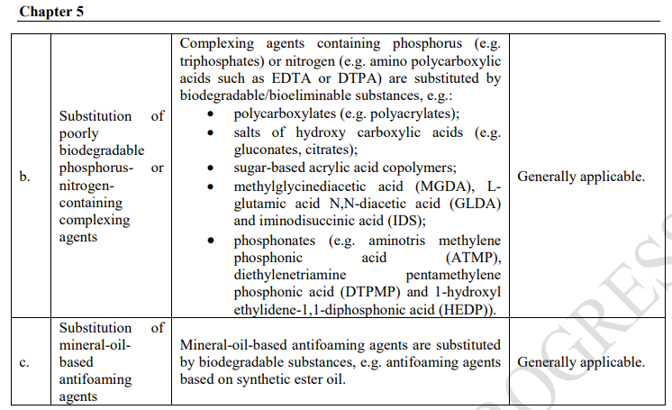
41 | Resource efficiency | Reduce emissions to water from dyeing of cellulosic materials | Use of a variety of techniques provided | NO | NO | No as, bs, d, fs, g,. DD to check c e, | Pages 841-842 | 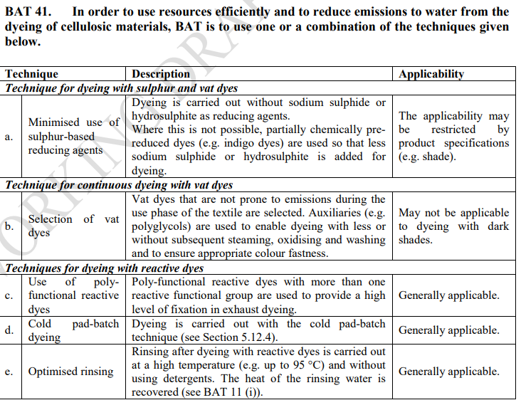 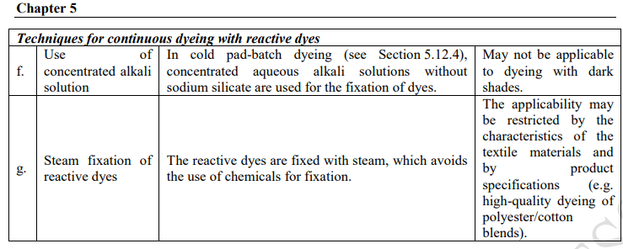
42 | Emissions to water | Reduce emissions to water from dyeing of wool | Use of a variety of techniques provided, in order of priority | NO | NO | No c's, DD to check as, bs | Page 842 | 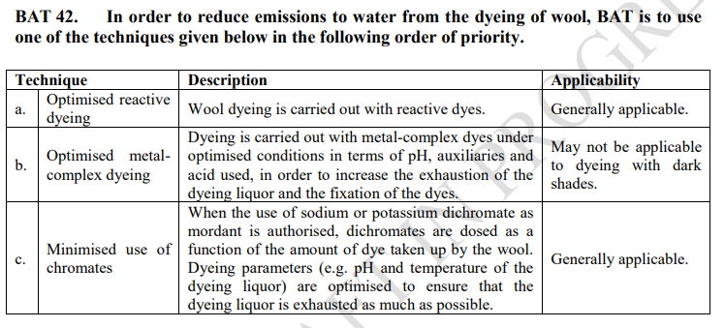
43` | Emissions to water | Reduce emissions to water from dyeing of polyester with disperse dyes | Use of a variety of techniques provided | NO | NO | a's and b's ok, DD to check c | Page 842 | 