R1
R1 Calculation

Formula |  |  | Definitions
 |  | 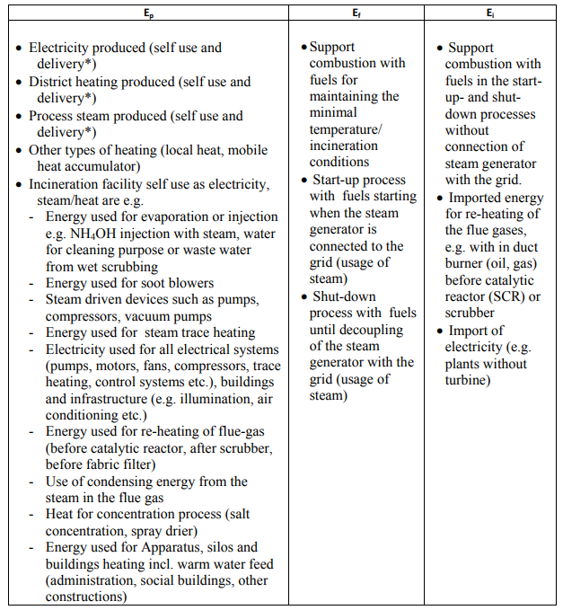
Calculation

Element | Description | Source - Swadlincote EfW Plant - HoT | Value | Unit | Conversion | GJ/yr
Ep - Elec | Annual Energy produced as electricity | Electricity Generation - Commercial Terms | 164,000 | MWh | 3.60 | 590,400
EP - Heat | Annual Energy produced as heat | Heat production - Commercial Terms | 0 | MWh | 3.60 | 0
Ef | Annual Energy input from fuel | N/A | 1,600 | MWh | 3.60 | 0
Ei | Annual Energy input from other sources | Diesel - Annex 1 | 500,000 | L | 37.3 | 18650
Ew | Annual Energy input from waste | Availability Guarantee (227,500 tpa) * CV of incoming waste (10.5 MJ/kg) - Commercial Terms | 1,948,896,000 | MJ | 0.001 | 1,948,896
R1 |  |  |  |  |  | 0.8021

