Exempt Wastes
Waste Type | Site Acceptance | Description
Septic tank
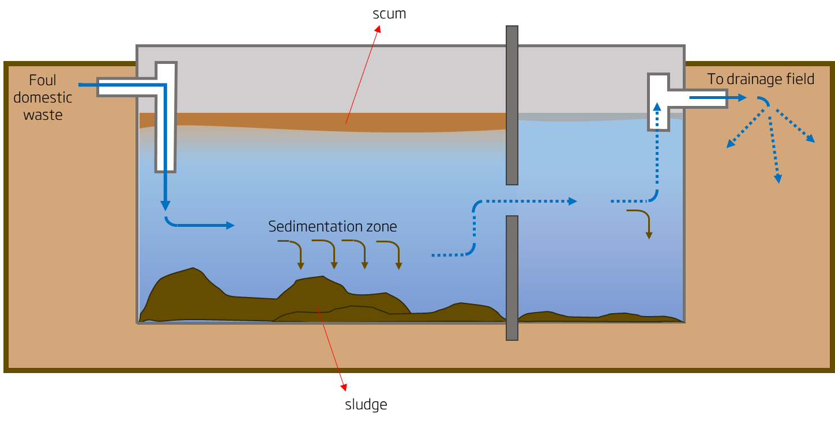 | All Liquid Waste Treatment Centres | A septic tank is an underground container used to separate solids and organics from foul domestic wastewater (sewage). It is called “septic” due to the bacterial environment that develops within the tank. How does it work? Wastewater from the domestic sewer system flows into the tank where solids settle to the bottom of the main chamber (sedimentation) and scum floats to the surface (fats, oils or solids that have not yet broken down). The bottom solids will be anaerobically digested by the “septic” bacteria. This will result in lower solids content. The liquid then flows through a dividing wall into the second chamber where further settlement takes place. The excess liquid can now overflow out of the septic tank and into a drainage field through percolation (filtration into the soil). A vacuum truck will then be used to empty the septic tank once it’s full. This waste is accepted for treatment under EWC code 20 03 04.

Cesspool or cesspit sludge
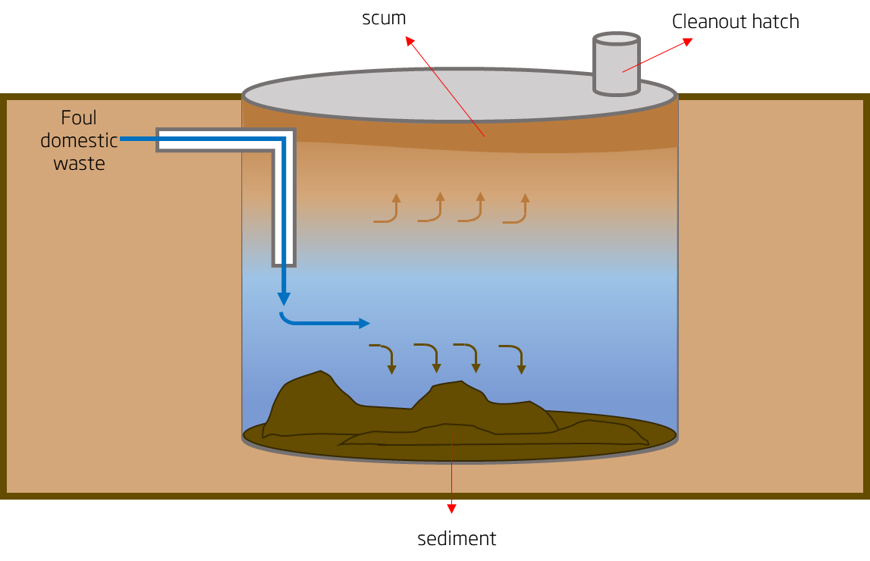 | All Liquid Waste Treatment Centres | A cesspool or cesspit can refer to either an underground holding tank (sealed at the bottom) or a pit (not sealed at the bottom). It is a temporary storage for domestic foul waste as part of a sanitation system. How does it work? It is very similar to a septic tank; the difference is that a cesspool doesn’t have an exit or a secondary chamber. Due to this, a cesspool needs to be emptied and cleaned regularly. The contents and washwater are accepted for treatment under EWC code 16 10 02.

Chemical Toilet
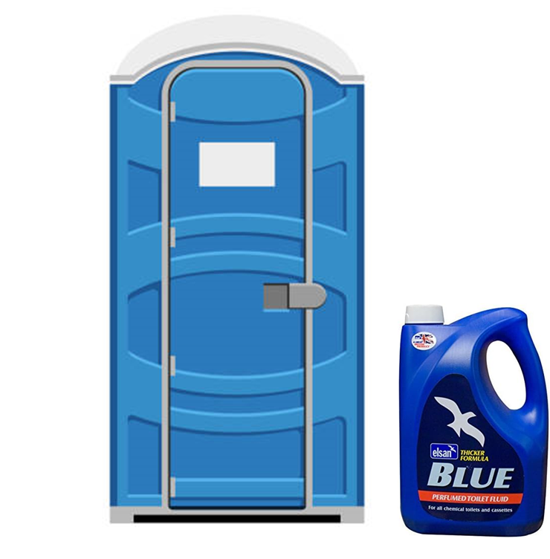 | All Liquid Waste Treatment Centres except Salisbury | A chemical toilet (also named blue or elsan blue) refers to all foul waste from a portable toilet cabin that has been pre-treated with chemicals. They do not require a connection to a sewer system nor to a septic tank, so they are emptied regularly. Usually, the chemicals used are a mix of disinfectants, biocides to control odour (they kill odour producing bacteria) and blue dye. The most used disinfectant is bleach. Formaldehyde was also common, but due to environmental and health concerns, it has now been prohibited. Do NOT accept chemical toilet containing formaldehyde. This waste is accepted for treatment under EWC code 20 03 04.

Interceptor Waste or waste from oil/water separation
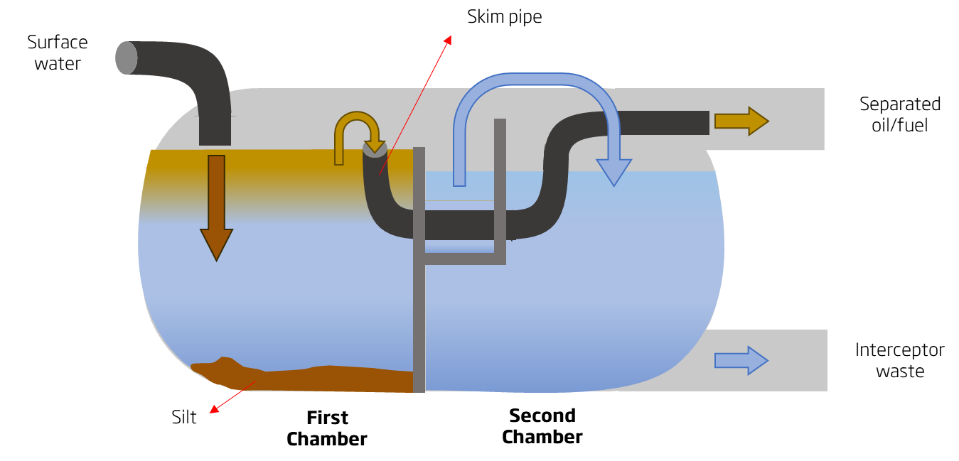 | Bristol TC | An interceptor is a tank that removes hydrocarbons (oil/fuel), silt and other pollutants from surface water. These tanks are usually found under car parks, motorways, streets, etc. How does it work? Surface water contaminated with oil/fuel from vehicles, rubbish and silt (leaves, stones, soil, etc.) enters the interceptor where the silt and other solid contaminants sink to the bottom of the first chamber. Oil/fuel rises to the surface of the surface water and enters a skim pipe where it can be removed from the interceptor. The rest of the water can then overflow to the second chamber. Once the chamber is full, the interceptor is drained. The waste collected at the exit of the interceptor has <3% solids and <0.1% oil/fuel. This is the waste accepted for treatment under EWC code 13 05 07* (oilly water from oil/water separators). When the first chamber is full of silt, it gets emptied and cleaned. The resulting wastewater is also accepted as interceptor waste under EWC code 13 05 03* (interceptor sludge).

Kitchen grease (Grease traps)
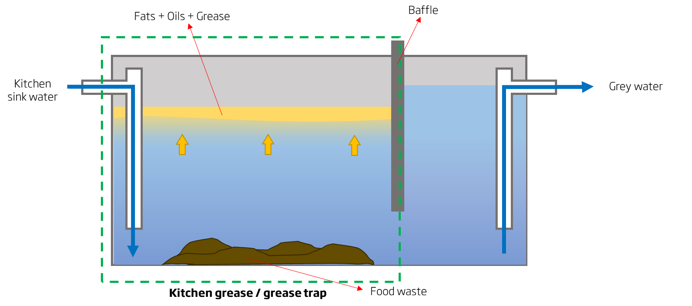 | Bournemouth TC Bristol TC Poole TC Taunton TC (subject to approval from Senior Process Scientist) Trowbridge TC Bristol Food Waste Recycling Facility (upon request) | A grease trap is a container located at the bottom of a kitchen/canteen sink. It is used to separate FOGs (fats, oils and grease) and solids (food waste) from water. How does it work? Sink water enters the grease trap where the FOGs float to the surface of the water and accumulate behind grease retaining walls called baffles. Within the main chamber, heavy solids (food waste) fall to the bottom. The baffles keep the solids and FOGs trapped, but allow water through. FOG floats and thus will remain in the grease trap. The waste collected from the trap is kitchen grease/ grease trap. This is accepted for treatment under EWC code 20 01 25 (edible oil and fat from municipal waste) or 20 01 08 (biodegradable kitchen and canteen waste). The grey water from the exit of the trap will be discharged through the sewer.

Source-segregated Food Waste
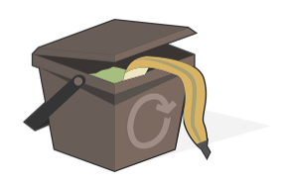 | Bristol Food Waste Recycling Facility | Source-segregated food waste or kerbside food waste is all municipal food waste collected from kerbside bins. It is referred as "source - segregated" as the source itself (homes) will separate the rubbish into the corresponding bins. The waste accepted for recycling comes from Food Waste wheelie bins or caddies and comes under EWC code 20 01 08.

